HighGeneticRisk_Path_Metab_Maas
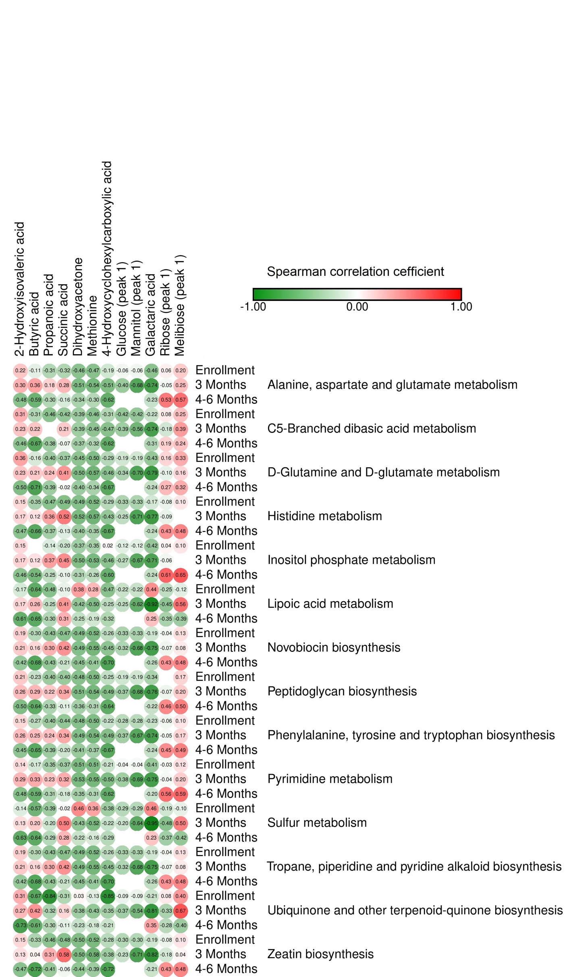
 |  | Dihydroxyacetone | Butyric acid | 2-Hydroxyisovaleric acid | Propanoic acid | Methionine | 4-Hydroxycyclohexylcarboxylic acid | Succinic acid | Ribose (peak 1) | Glucose (peak 1) | Galactaric acid | Mannitol (peak 1) | Melibiose (peak 1)
 | Enrollment | -0.46317337929 | -0.11219879699 | 0.2233070674 | -0.31395674732 | -0.47362695806 | -0.18546917789 | -0.31905446629 | 0.060746231031 | -0.061248112878 | -0.46031243422 | -0.061248011415 | 0.19850829867
Alanine, aspartate and glutamate metabolism | 3 Months | -0.5100547301 | 0.35935977155 | 0.30371901878 | 0.17757960255 | -0.53815032268 | -0.50868823131 | 0.28026352336 | -0.047280802202 | -0.40305211241 | -0.74490776921 | -0.67847078743 | 0.25257286834
 | 4-6 Months | -0.34145914965 | -0.58821119545 | -0.47617768975 | -0.30331870354 | -0.29888556236 | -0.61618490117 | -0.15689379595 | 0.52768267198 | NA | -0.23035024566 | NA | 0.56540143328
 | Enrollment | -0.39334109043 | -0.30772659185 | 0.30822348671 | -0.4631108576 | -0.45531245602 | -0.31065733504 | -0.42181853543 | 0.080759194551 | -0.42315874744 | -0.21729743886 | -0.42315860039 | 0.25041825922
C5-Branched dibasic acid metabolism | 3 Months | -0.38759584805 | 0.2245794829 | 0.23165091249 | NA | -0.45165914993 | -0.46811738394 | 0.20766746125 | -0.18254785825 | -0.38576853661 | -0.73823617335 | -0.56067687393 | 0.38635364183
 | 4-6 Months | -0.36667316359 | -0.66668009185 | -0.45545077368 | -0.38312238792 | -0.32121469953 | -0.62201707886 | -0.066803388128 | 0.18511747333 | NA | -0.30926182082 | NA | 0.24328204321
 | Enrollment | -0.45076013388 | -0.16356664506 | 0.36122479166 | -0.39765817259 | -0.49966108165 | -0.29327371869 | -0.36541241257 | 0.1643271495 | -0.18780860895 | -0.42615351917 | -0.18780847147 | 0.33109616019
D-Glutamine and D-glutamate metabolism | 3 Months | -0.50041257217 | 0.21330762266 | 0.23209754494 | 0.2374930539 | -0.56561312578 | -0.45847419347 | 0.41032607064 | -0.1000755831 | -0.33724228875 | -0.78645623187 | -0.70166260853 | 0.16313455174
 | 4-6 Months | -0.39603281538 | -0.71206277038 | -0.50304266496 | -0.39345100428 | -0.34392049874 | -0.66661790777 | -0.016530163471 | 0.27464762807 | NA | -0.23844486411 | NA | 0.32402498798
 | Enrollment | -0.48765130298 | -0.35050532189 | 0.15099709413 | -0.47078411921 | -0.51625263079 | -0.29148735153 | -0.48961217735 | -0.082109960413 | -0.32783762062 | -0.17107816791 | -0.32783744515 | 0.098606399463
Histidine metabolism | 3 Months | -0.52381833492 | 0.11750849134 | 0.16570098935 | 0.3649642503 | -0.56935241645 | -0.42874522906 | 0.51986800142 | -0.093980194272 | -0.25345876209 | -0.77090365202 | -0.70872408933 | NA
 | 4-6 Months | -0.39659740797 | -0.66196236587 | -0.47216089755 | -0.37337092953 | -0.35098673576 | -0.66776157615 | -0.12948748652 | 0.43067929106 | NA | -0.2419241183 | NA | 0.47607176364
 | Enrollment | -0.37106404067 | NA | 0.14871610167 | -0.14493269963 | -0.35443536963 | 0.015846847005 | -0.19673494086 | 0.040838759849 | -0.11670669932 | -0.42079098887 | -0.1167067126 | 0.099127890216
Inositol phosphate metabolism | 3 Months | -0.50363132444 | 0.12138192078 | 0.17087108142 | 0.37416262732 | -0.53098542174 | -0.45901050293 | 0.45107115135 | -0.055059028166 | -0.27020482555 | -0.71420713096 | -0.6652465422 | NA
 | 4-6 Months | -0.30540106466 | -0.54040317419 | -0.45747453142 | -0.25004605343 | -0.26244476354 | -0.60199811804 | -0.099465270127 | 0.61052516496 | NA | -0.23964944213 | NA | 0.6547105656
 | Enrollment | 0.37851958629 | -0.63727018407 | -0.16895817047 | -0.47642395102 | 0.28256608106 | -0.46538991073 | -0.096065553061 | -0.25486516301 | -0.22210003242 | 0.439216384 | -0.22209977738 | -0.11642431179
Lipoic acid metabolism | 3 Months | -0.42085095648 | 0.26358906851 | 0.17043094621 | -0.24566924938 | -0.50365343364 | -0.25459942496 | 0.41248299965 | -0.45065646481 | -0.24666568525 | -0.92202162347 | -0.62027098055 | 0.5575649819
 | 4-6 Months | -0.24733395437 | -0.65144535355 | -0.61017868086 | -0.30470613025 | -0.18604656316 | -0.31538209884 | 0.30621697463 | -0.34501378871 | NA | 0.2466201583 | NA | -0.39406864163
 | Enrollment | -0.48723005458 | -0.29533783331 | 0.18759071614 | -0.42763505967 | -0.51538298304 | -0.2590904118 | -0.46578581385 | -0.035033241076 | -0.33244824756 | -0.1906023683 | -0.33244809676 | 0.13056793212
Novobiocin biosynthesis | 3 Months | -0.48661549258 | 0.15807136154 | 0.20908875794 | 0.30349696367 | -0.5532248075 | -0.45433692346 | 0.42385911682 | -0.066984568973 | -0.31620749898 | -0.74543129272 | -0.68476648021 | 0.083515405989
 | 4-6 Months | -0.45124753496 | -0.6795451992 | -0.41584414696 | -0.43134267865 | -0.41073423547 | -0.7032756024 | -0.21239238321 | 0.42584609534 | NA | -0.25523357967 | NA | 0.47500720047
 | Enrollment | -0.47680750334 | -0.22771144616 | 0.20605342745 | -0.39870286632 | -0.49942234198 | -0.24707307271 | -0.4028556195 | NA | -0.19220426953 | -0.33667055004 | -0.19220412956 | 0.16857720776
Peptidoglycan biosynthesis | 3 Months | -0.51100837155 | 0.28684114316 | 0.26294521497 | 0.21590248605 | -0.54424621751 | -0.49280795694 | 0.34100942661 | -0.072308742206 | -0.36569606384 | -0.76009965284 | -0.68369028479 | 0.20060663894
 | 4-6 Months | -0.35986906369 | -0.63569620022 | -0.50368406591 | -0.33107037425 | -0.31307069718 | -0.63591470116 | -0.11386365027 | 0.46184439718 | NA | -0.22169604133 | NA | 0.50001093245
 | Enrollment | -0.48223087699 | -0.26974082178 | 0.1524867771 | -0.39872879098 | -0.49906182253 | -0.22430663517 | -0.43673624047 | -0.055673356905 | -0.27599577885 | -0.22903575682 | -0.27599564256 | 0.10003571818
Phenylalanine, tyrosine and tryptophan biosynthesis | 3 Months | -0.49106802519 | 0.25483037859 | 0.25854311374 | 0.24160024739 | -0.53963259985 | -0.48965180278 | 0.33664809839 | -0.048813828931 | -0.36731792284 | -0.73539387308 | -0.67381180944 | 0.1682941954
 | 4-6 Months | -0.41235817559 | -0.6536433988 | -0.45073716189 | -0.38884435468 | -0.37070781445 | -0.6682655113 | -0.19990956159 | 0.44793508842 | NA | -0.2372842848 | NA | 0.48948382225
 | Enrollment | -0.50573536279 | -0.17426455871 | 0.14189398613 | -0.35316257672 | -0.50550591355 | -0.20840420165 | -0.37339330394 | -0.034271454634 | -0.036189397372 | -0.41185679904 | -0.036189263262 | 0.12073422087
Pyrimidine metabolism | 3 Months | -0.52582991102 | 0.33361572649 | 0.28582759211 | 0.22891709753 | -0.54633316333 | -0.50409385408 | 0.32187787066 | -0.040710968747 | -0.37836807391 | -0.74525610227 | -0.68985623009 | 0.1972342692
 | 4-6 Months | -0.34870370196 | -0.59026802161 | -0.48382438637 | -0.30579534688 | -0.30622934549 | -0.61818707162 | -0.1750802152 | 0.55580315611 | NA | -0.20332126879 | NA | 0.58726350039
 | Enrollment | 0.45783883592 | -0.56804648392 | -0.13575890544 | -0.39169762086 | 0.35975350304 | -0.38418650264 | -0.016326358891 | -0.19382099921 | -0.28896393696 | 0.45706609231 | -0.28896374381 | -0.096805124916
Sulfur metabolism | 3 Months | -0.43246703765 | 0.20375416425 | 0.13452309473 | -0.20178589398 | -0.52483104102 | -0.22423192174 | 0.49636158662 | -0.4755894493 | -0.20315043727 | -0.94823219415 | -0.6432794116 | 0.49955928308
 | 4-6 Months | -0.22382604493 | -0.64082391685 | -0.6333224632 | -0.28899099982 | -0.16314407286 | -0.29094288426 | 0.28319307204 | -0.37143892276 | NA | 0.22908744488 | NA | -0.42297071679
 | Enrollment | -0.48723005458 | -0.29533783331 | 0.18759071614 | -0.42763505967 | -0.51538298304 | -0.2590904118 | -0.46578581385 | -0.035033241076 | -0.33244824756 | -0.1906023683 | -0.33244809676 | 0.13056793212
Tropane, piperidine and pyridine alkaloid biosynthesis | 3 Months | -0.48661549258 | 0.15807136154 | 0.20908875794 | 0.30349696367 | -0.5532248075 | -0.45433692346 | 0.42385911682 | -0.066984568973 | -0.31620749898 | -0.74543129272 | -0.68476648021 | 0.083515405989
 | 4-6 Months | -0.45124753496 | -0.6795451992 | -0.41584414696 | -0.43134267865 | -0.41073423547 | -0.7032756024 | -0.21239238321 | 0.42584609534 | NA | -0.25523357967 | NA | 0.47500720047
 | Enrollment | 0.034554557926 | -0.67183034337 | 0.31199632977 | -0.84232847828 | -0.13206041392 | -0.8498374571 | -0.3110249848 | 0.084177761177 | -0.086199996842 | -0.20916879594 | -0.086199576649 | 0.40022196484
Ubiquinone and other terpenoid-quinone biosynthesis | 3 Months | -0.38178917075 | 0.42056298596 | 0.27289603473 | -0.32015335454 | -0.43319687927 | -0.35312117981 | 0.15975660009 | -0.33482357901 | -0.37206812436 | -0.80744773031 | -0.54272778151 | 0.6712061537
 | 4-6 Months | -0.22863530395 | -0.60814658161 | -0.72758304693 | -0.29883528458 | -0.18065571701 | -0.2121228755 | -0.11216927405 | -0.28311791789 | NA | 0.35386753955 | NA | -0.39703264741
 | Enrollment | -0.49730954114 | -0.32904461703 | 0.15156919649 | -0.45617645526 | -0.52219771631 | -0.28073262598 | -0.48229257118 | -0.076526383448 | -0.30033098 | -0.19301219935 | -0.30033080935 | 0.10118628817
Zeatin biosynthesis | 3 Months | -0.49813834898 | 0.04224726056 | 0.12693313397 | 0.31179081536 | -0.57978520261 | -0.38424645465 | 0.57563828815 | -0.17555960843 | -0.22565990485 | -0.82268974461 | -0.71228279344 | 0.040798072492
 | 4-6 Months | -0.44068594327 | -0.71633030967 | -0.47279177001 | -0.41190974127 | -0.38996981285 | -0.71977113646 | -0.057551595183 | 0.42958802339 | NA | -0.21026691106 | NA | 0.47844891204

StdGeneticRisk_Path_Metab_Maas
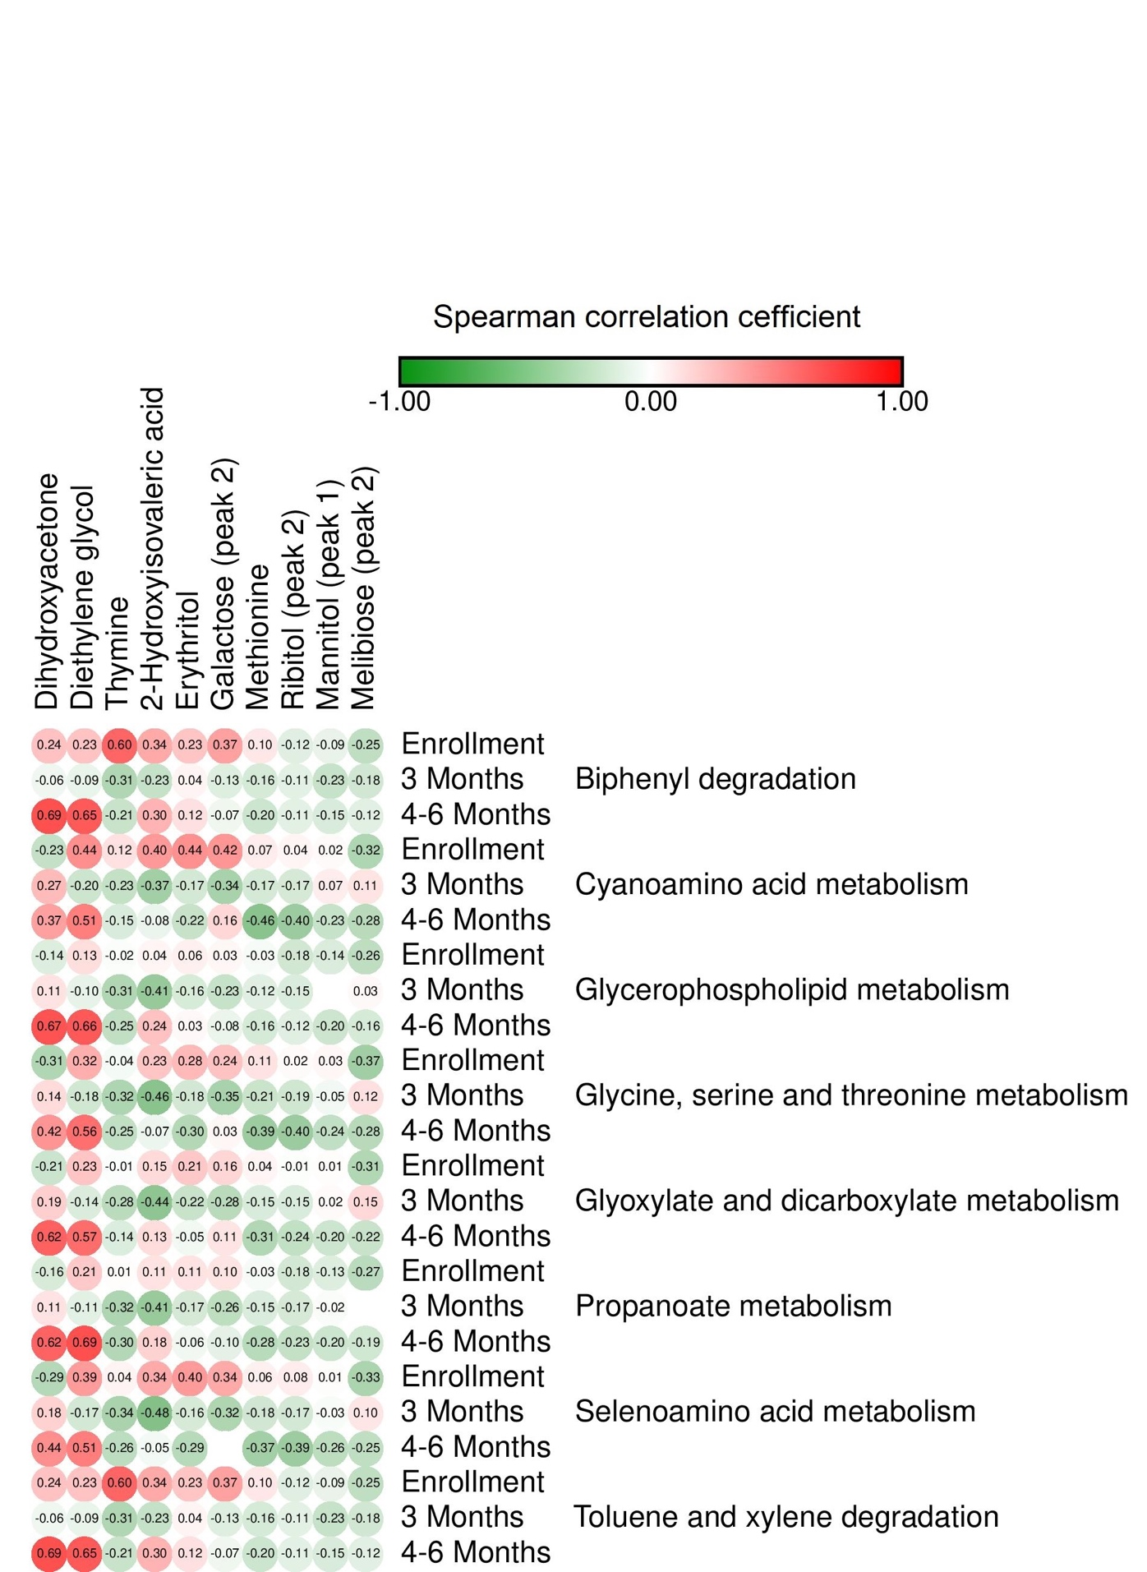
 |  | Dihydroxyacetone | 2-Hydroxyisovaleric acid | Diethylene glycol | Methionine | Thymine | Erythritol | Ribitol (peak 2) | Galactose (peak 2) | Mannitol (peak 1) | Melibiose (peak 2)
 | Enrollment | 0.24265023635 | 0.33836672847 | 0.23411197338 | 0.095779277181 | 0.60293234908 | 0.22549335965 | -0.12245858282 | 0.37007748406 | -0.088528845194 | -0.24935376948
Biphenyl degradation | 3 Months | -0.059279858668 | -0.23033128975 | -0.086686373164 | -0.1616484039 | -0.31283816658 | 0.042054186549 | -0.10929418211 | -0.13249535709 | -0.22589008869 | -0.18225479908
 | 4-6 Months | 0.6869622441 | 0.29884398765 | 0.65199075665 | -0.20213504411 | -0.21369866812 | 0.12139574316 | -0.11030513041 | -0.065273631319 | -0.15178739865 | -0.11577987476
 | Enrollment | -0.23245532526 | 0.39921594726 | 0.43812661734 | 0.073574412309 | 0.11909153685 | 0.43658509331 | 0.041049616308 | 0.41564071033 | 0.018726311352 | -0.31831385044
Cyanoamino acid metabolism | 3 Months | 0.27160671114 | -0.37036847178 | -0.19989896752 | -0.16602145916 | -0.23366491265 | -0.17214656722 | -0.16756757333 | -0.34475028927 | 0.070428044677 | 0.10739583871
 | 4-6 Months | 0.3719439024 | -0.075948199023 | 0.5060769825 | -0.46227578993 | -0.14912346851 | -0.22084168472 | -0.39811690337 | 0.15558352434 | -0.22585184221 | -0.27792290942
 | Enrollment | -0.135218102 | 0.04010377097 | 0.12760257194 | -0.030293383653 | -0.016988810895 | 0.059754873846 | -0.18399318928 | 0.033877072765 | -0.14357997955 | -0.25566801017
Glycerophospholipid metabolism | 3 Months | 0.10821615685 | -0.41395050177 | -0.096276948718 | -0.12305003645 | -0.31170047378 | -0.15697562757 | -0.14693073618 | -0.22608928669 | NA | 0.02752047441
 | 4-6 Months | 0.67331961865 | 0.23980737774 | 0.6561582349 | -0.16480894554 | -0.24616834941 | 0.028693634411 | -0.12031077555 | -0.079768021349 | -0.19723128655 | -0.16496550753
 | Enrollment | -0.31411941385 | 0.23025733048 | 0.31721125518 | 0.10812319903 | -0.041753177368 | 0.27521643795 | 0.018932959202 | 0.23826967556 | 0.034926491101 | -0.37321219466
Glycine, serine and threonine metabolism | 3 Months | 0.14279242258 | -0.46129956425 | -0.18493100356 | -0.21204431689 | -0.3210483512 | -0.17663045015 | -0.19178719641 | -0.34731629786 | -0.050835983164 | 0.12181273817
 | 4-6 Months | 0.41796810146 | -0.069655660425 | 0.56397489678 | -0.39071852179 | -0.24685183578 | -0.29915008641 | -0.39621620942 | 0.033354534672 | -0.24441773513 | -0.28298921302
 | Enrollment | -0.20600434089 | 0.145867011 | 0.22974632051 | 0.037588025083 | -0.014039692839 | 0.21484958546 | -0.011449383474 | 0.15971800426 | 0.012057360598 | -0.31065396536
Glyoxylate and dicarboxylate metabolism | 3 Months | 0.1913148923 | -0.44252968978 | -0.14314713914 | -0.15215018048 | -0.27551535565 | -0.21638993315 | -0.15091125307 | -0.27924539158 | 0.021084700054 | 0.14926825752
 | 4-6 Months | 0.6178822271 | 0.13378473282 | 0.57452632489 | -0.3100463051 | -0.14096169372 | -0.051603401775 | -0.24206068783 | 0.10627092906 | -0.20368073089 | -0.21589985521
 | Enrollment | -0.15589066181 | 0.10997078456 | 0.2129150404 | -0.031702668054 | 0.012669609104 | 0.10812367721 | -0.17561240878 | 0.10443426922 | -0.13355532218 | -0.27364591119
Propanoate metabolism | 3 Months | 0.11281948055 | -0.40967286378 | -0.11154216215 | -0.1459706902 | -0.32082833217 | -0.16784434389 | -0.16712584773 | -0.25761667278 | -0.020265600587 | NA
 | 4-6 Months | 0.61675719244 | 0.1750384771 | 0.69136933402 | -0.28007759556 | -0.29746747949 | -0.056500706198 | -0.23267199792 | -0.1047395878 | -0.20291165167 | -0.18828473886
 | Enrollment | -0.29321809447 | 0.33513963147 | 0.3909419441 | 0.058092596555 | 0.043745403408 | 0.39773603288 | 0.075663317785 | 0.33721577946 | 0.010204048994 | -0.33064281055
Selenoamino acid metabolism | 3 Months | 0.1786232085 | -0.48390555293 | -0.17386514355 | -0.18299627834 | -0.33576536243 | -0.16467895964 | -0.17331048065 | -0.31919779897 | -0.026208256521 | 0.097026630708
 | 4-6 Months | 0.43770640867 | -0.045713509219 | 0.50913307928 | -0.36683031284 | -0.26434578759 | -0.28556121256 | -0.38875179265 | NA | -0.26193239445 | -0.25196243469
 | Enrollment | 0.24265023635 | 0.33836672847 | 0.23411197338 | 0.095779277181 | 0.60293234908 | 0.22549335965 | -0.12245858282 | 0.37007748406 | -0.088528845194 | -0.24935376948
Toluene and xylene degradation | 3 Months | -0.059279858668 | -0.23033128975 | -0.086686373164 | -0.1616484039 | -0.31283816658 | 0.042054186549 | -0.10929418211 | -0.13249535709 | -0.22589008869 | -0.18225479908
 | 4-6 Months | 0.6869622441 | 0.29884398765 | 0.65199075665 | -0.20213504411 | -0.21369866812 | 0.12139574316 | -0.11030513041 | -0.065273631319 | -0.15178739865 | -0.11577987476

Csection_Path_Metab_Maas
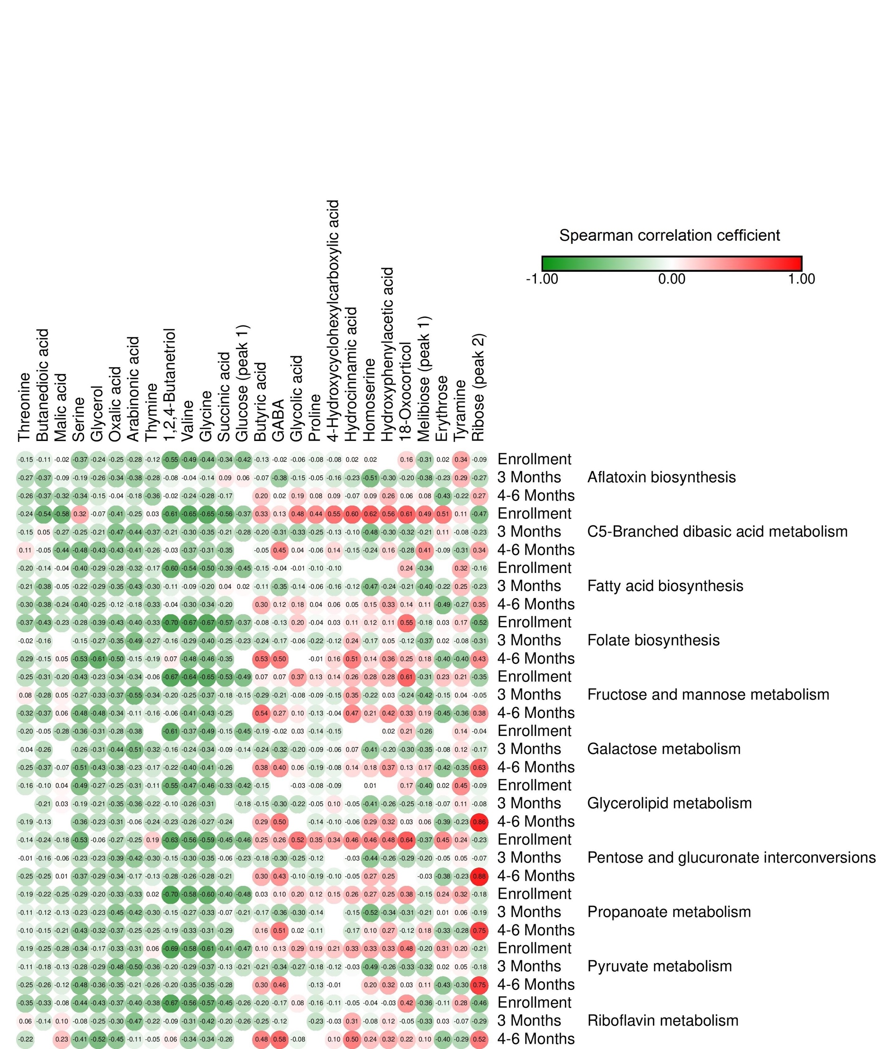
 |  | Glycolic acid | Butyric acid | Threonine | Glycerol | Valine | Serine | Glycine | Butanedioic acid | Proline | Homoserine | 1,2,4-Butanetriol | Erythrose | Oxalic acid | GABA | Thymine | Malic acid | 4-Hydroxycyclohexylcarboxylic acid | Succinic acid | Hydroxyphenylacetic acid | Tyramine | Arabinonic acid | Ribose (peak 2) | 18-Oxocorticol | Glucose (peak 1) | Hydrocinnamic acid | Melibiose (peak 1)
 | Enrollment | -0.062505887871 | -0.12698350287 | -0.15325412468 | -0.24083810571 | -0.48771938474 | -0.37369827801 | -0.44387768275 | -0.10842919055 | -0.076242327563 | 0.018780177085 | -0.55096437677 | 0.017567509815 | -0.24891665234 | -0.016586268091 | -0.1231671963 | -0.015492069911 | -0.075903582138 | -0.338197859 | NA | 0.34178722844 | -0.2796222115 | -0.088156130463 | 0.16316104933 | -0.42327592181 | 0.017828824278 | -0.31269988229
Aflatoxin biosynthesis | 3 Months | -0.15425840489 | -0.070324337126 | -0.26797337026 | -0.26297910751 | -0.037387256193 | -0.19271103034 | -0.1423711682 | -0.36844717734 | -0.053308751213 | -0.50662293803 | -0.076585860823 | -0.23107181196 | -0.33569864955 | -0.37735974384 | -0.27892361038 | -0.087949180475 | -0.16259180513 | 0.092357474104 | -0.29720033443 | 0.28644439488 | -0.3828786337 | -0.26626689515 | -0.19576980772 | 0.063676914558 | -0.225312482 | -0.37749519449
 | 4-6 Months | 0.19408941058 | 0.20302199662 | -0.2626194436 | -0.15483669218 | -0.2414275719 | -0.34358945758 | -0.28009860624 | -0.36793434297 | 0.082116425423 | 0.091688890687 | -0.020723311789 | -0.43382768914 | -0.042700838925 | 0.016129504448 | -0.35681452115 | -0.32290272519 | 0.086700751936 | -0.17440137023 | 0.26257321815 | -0.21797225285 | -0.18298899084 | 0.27367092265 | 0.064426583715 | #DIV/0! | -0.073371163747 | 0.083876843475
 | Enrollment | 0.48044001904 | 0.33344404942 | -0.24020162465 | -0.072617991852 | -0.65011101043 | 0.31990639512 | -0.64764552908 | -0.53682961873 | 0.43810462715 | 0.62131683106 | -0.61398855611 | 0.50825136304 | -0.40958365006 | 0.1280674706 | 0.026561011689 | -0.5775507435 | 0.54547296517 | -0.56100679519 | 0.55607920327 | 0.11374681482 | -0.25003388956 | -0.46860136581 | 0.61260106642 | -0.36915836524 | 0.59702462986 | 0.48963565572
C5-Branched dibasic acid metabolism | 3 Months | -0.33118576621 | -0.20232082003 | -0.14525376658 | -0.21457922798 | -0.30087137338 | -0.24989620524 | -0.34537110203 | 0.049261082752 | -0.25098874105 | -0.48122539067 | -0.21386382434 | 0.10523189982 | -0.47263472931 | -0.30776748613 | -0.37073669013 | -0.27389525259 | -0.12737304151 | -0.20862437356 | -0.3017618108 | -0.083649874698 | -0.44107874277 | -0.23241670354 | -0.32114154339 | -0.2795344944 | -0.099701776808 | -0.21249132333
 | 4-6 Months | 0.039834537758 | -0.048154424619 | 0.10860599693 | -0.4278296677 | -0.37372225918 | -0.47536474147 | -0.30569153403 | -0.05032058605 | -0.057211787174 | -0.23540995049 | -0.027551626377 | -0.093338202532 | -0.42662060002 | 0.4538114711 | -0.25722299654 | -0.43984674967 | 0.14410430211 | -0.35291752649 | 0.15794832567 | -0.30804122316 | -0.41052275651 | 0.33879730194 | -0.27844878279 | #DIV/0! | -0.15265453839 | 0.41146052354
 | Enrollment | -0.010548135283 | -0.14593522224 | -0.19503829768 | -0.28918902229 | -0.54040963632 | -0.40451717182 | -0.50027511122 | -0.14432507372 | -0.10251387909 | NA | -0.59882488267 | NA | -0.27569815257 | -0.040140672258 | -0.16512754269 | -0.039243486977 | -0.1014007388 | -0.38824357663 | NA | 0.3202777766 | -0.31647429886 | -0.16317300603 | 0.24491234248 | -0.44952106097 | NA | -0.34157493676
Fatty acid biosynthesis | 3 Months | -0.13684296842 | -0.10840300901 | -0.20893923004 | -0.28631692964 | -0.089134039346 | -0.21533536257 | -0.19857052961 | -0.38020910855 | -0.06172534303 | -0.46854623683 | -0.10501732358 | -0.2218221292 | -0.34886821998 | -0.35305452201 | -0.29591737939 | -0.050821699657 | -0.16169825653 | 0.04451680527 | -0.2398513525 | 0.25143405398 | -0.42764256833 | -0.23433493384 | -0.20979154036 | 0.021255430306 | -0.11798466863 | -0.40272748784
 | 4-6 Months | 0.18237252471 | 0.30068149987 | -0.29537691352 | -0.24939869226 | -0.29901678409 | -0.4028661059 | -0.33775210248 | -0.37958545294 | 0.03592122713 | 0.15036477568 | -0.03867406203 | -0.48928713648 | -0.12188133749 | 0.11538567618 | -0.33432365904 | -0.23955821611 | 0.05672308346 | -0.19658513517 | 0.32744717953 | -0.26924133993 | -0.17502039789 | 0.34537419542 | 0.13604851414 | #DIV/0! | 0.051415230678 | 0.11432278222
 | Enrollment | 0.1950012413 | -0.077053344027 | -0.36947844398 | -0.38599994432 | -0.67455177481 | -0.28034786222 | -0.66812239914 | -0.43041606342 | -0.035984859097 | 0.12304193488 | -0.70214204267 | 0.030167853068 | -0.42657253425 | -0.12905746511 | -0.33185588036 | -0.2298948404 | 0.029498312394 | -0.5658331426 | 0.11062050234 | 0.16811809239 | -0.39665434425 | -0.52420667576 | 0.55254223872 | -0.37045560115 | 0.10583870807 | -0.18141530871
Folate biosynthesis | 3 Months | -0.060225069712 | -0.2360500834 | -0.024681786759 | -0.26591209977 | -0.28841206359 | -0.1500201623 | -0.39610261929 | -0.15871850424 | -0.2249515945 | -0.17437164576 | -0.16310803289 | 0.022397530468 | -0.3520430915 | -0.17089283398 | -0.27262602495 | NA | -0.12249527983 | -0.24916260967 | 0.046192257568 | -0.084370056814 | -0.49006113973 | -0.30890866998 | -0.12019795344 | -0.22866529961 | 0.23878845489 | -0.36711513744
 | 4-6 Months | NA | 0.53041532893 | -0.29454976358 | -0.61341639869 | -0.47591747074 | -0.53305206665 | -0.46297665177 | -0.15176523456 | -0.013083532643 | 0.14356045261 | 0.073123815804 | -0.39976622578 | -0.50112012571 | 0.50361473813 | -0.18514920892 | 0.051003093086 | 0.1561352521 | -0.3472637149 | 0.36005370726 | -0.40451489834 | -0.14550594698 | 0.43268557074 | 0.25282339707 | #DIV/0! | 0.51339769111 | 0.1843376162
 | Enrollment | 0.3659404488 | 0.066764506971 | -0.24769406905 | -0.23493089128 | -0.64417205728 | -0.43033840533 | -0.64658251954 | -0.30682645252 | 0.13042370782 | 0.27579036602 | -0.67462297234 | 0.23007786616 | -0.33998272976 | 0.073014382028 | -0.055921711977 | -0.20329021309 | 0.14348364072 | -0.52839379131 | 0.28488853893 | 0.20567470404 | -0.33668248034 | -0.35334479062 | 0.6069119965 | -0.49014062588 | 0.26461391251 | -0.30529047354
Fructose and mannose metabolism | 3 Months | -0.077272531993 | -0.28826746216 | 0.078599935674 | -0.32640216429 | -0.25235746384 | -0.26624962369 | -0.36517792822 | -0.28421313322 | -0.0918883184 | -0.21640903542 | -0.20185996864 | -0.14762651049 | -0.37459424213 | -0.20515512105 | -0.34341227786 | 0.053343748763 | -0.15195229415 | -0.17956011007 | 0.02665610711 | 0.044955138734 | -0.54536624725 | -0.051608082114 | -0.24148666107 | -0.14720041644 | 0.35020197663 | -0.42366575236
 | 4-6 Months | 0.095353871122 | 0.54225814771 | -0.3194000781 | -0.47575820299 | -0.41012572222 | -0.48494650256 | -0.43182471147 | -0.37364660799 | -0.12882119457 | 0.21271564005 | -0.060891145885 | -0.45460218044 | -0.33689947266 | 0.27169597011 | -0.15522723092 | 0.056118831883 | -0.043203672337 | -0.24622838823 | 0.41935960015 | -0.35794599748 | -0.11376950393 | 0.37964418548 | 0.3287637324 | #DIV/0! | 0.46938004559 | 0.18865743192
 | Enrollment | 0.027358735038 | -0.19421181452 | -0.19516888723 | -0.31182720947 | -0.36548177025 | -0.36097011702 | -0.49061831344 | -0.046583111404 | -0.14460502256 | NA | -0.60707830422 | NA | -0.27628197463 | -0.019548161878 | NA | -0.28339024773 | -0.15345464412 | -0.15349222134 | 0.015129967456 | 0.14473565119 | -0.37533621263 | -0.043079416636 | 0.21229161171 | -0.4477630179 | NA | -0.25981788682
Galactose metabolism | 3 Months | -0.20214915494 | -0.2369894607 | -0.041735200833 | -0.3088845801 | -0.24214957399 | -0.26028994604 | -0.34231312232 | -0.26295302344 | -0.09138963209 | -0.40740708422 | -0.16470510055 | -0.076218867395 | -0.44156064074 | -0.32327016828 | -0.31790809587 | NA | -0.060756674272 | -0.085573770259 | -0.19577718592 | 0.11785498845 | -0.50653159322 | -0.16731920732 | -0.29735658312 | -0.14118223775 | 0.06839016153 | -0.35388721739
 | 4-6 Months | 0.057734460845 | 0.37566240016 | -0.25021497716 | -0.42669830601 | -0.39585363181 | -0.50786208221 | -0.40571451096 | -0.36595663864 | -0.19207850122 | 0.17917860878 | -0.2199806559 | -0.41896958092 | -0.38155349569 | 0.40157962613 | -0.17454358012 | -0.065961462838 | -0.084271670943 | -0.26436845037 | 0.36633275111 | -0.34959752043 | -0.23255253464 | 0.62658740158 | 0.12680496096 | #DIV/0! | 0.13973729297 | 0.17466068235
 | Enrollment | -0.027312501629 | -0.1498959063 | -0.16396728457 | -0.26545844502 | -0.47275207385 | -0.48598893278 | -0.45545459376 | -0.095785399302 | -0.077988231352 | 0.010225677017 | -0.55330354981 | 0.016204307317 | -0.25142697733 | NA | -0.1089973746 | 0.036470137036 | -0.087471901929 | -0.33269933561 | NA | 0.4484668135 | -0.3132384974 | -0.091146803532 | 0.1715915132 | -0.4157695856 | NA | -0.40119817635
Glycerolipid metabolism | 3 Months | -0.21834376959 | -0.15310776224 | NA | -0.21283314946 | -0.25777790976 | -0.18937575903 | -0.30760429484 | -0.21008919293 | -0.046998558045 | -0.40692425912 | -0.096714503434 | -0.072665410361 | -0.35055563693 | -0.29801590407 | -0.21854495533 | 0.032631837519 | 0.09988020659 | NA | -0.25750216426 | 0.11292080297 | -0.3601301801 | -0.080440238815 | -0.25130658468 | -0.17582978806 | -0.052730216454 | -0.1759301882
 | 4-6 Months | NA | 0.29143260645 | -0.19343721557 | -0.23091484872 | -0.26472030628 | -0.36187482231 | -0.26581676612 | -0.13272749695 | -0.13820019289 | 0.28990679914 | -0.22733111824 | -0.39461088414 | -0.30614407443 | 0.50399126922 | -0.2364235241 | NA | -0.096864303392 | -0.24365410992 | 0.32330226247 | -0.23040260008 | -0.063590721937 | 0.86100453973 | 0.026947824786 | #DIV/0! | -0.058472123496 | 0.056852933574
 | Enrollment | 0.51839107674 | 0.24581569213 | -0.13623049061 | -0.062694169205 | -0.5617375279 | -0.53387430419 | -0.58778429046 | -0.24242835377 | 0.3451169763 | 0.462126553 | -0.62615327096 | 0.44784197665 | -0.26612266865 | 0.26467914865 | 0.18777347246 | -0.17718160861 | 0.33813355908 | -0.45172883008 | 0.48085743032 | 0.23884098833 | -0.25048548536 | -0.22675469983 | 0.64490554427 | -0.46207067061 | 0.45866282083 | -0.37091535978
Pentose and glucuronate interconversions | 3 Months | -0.25117296539 | -0.17749960369 | -0.010111102202 | -0.22911689382 | -0.30067611668 | -0.2343613553 | -0.34705394696 | -0.15842838618 | -0.11834557941 | -0.43929885898 | -0.15107265145 | -0.052164319116 | -0.39464352575 | -0.30215582374 | -0.29704993849 | -0.063789111373 | NA | -0.061442567997 | -0.25889193655 | 0.05293458412 | -0.41643126385 | -0.072498457661 | -0.29197021342 | -0.22919864753 | -0.0289009832 | -0.2039245209
 | 4-6 Months | -0.10216333631 | 0.30464366142 | -0.24619041737 | -0.2909063111 | -0.26297492771 | -0.36983928901 | -0.27758831386 | -0.25345699779 | -0.19472662716 | 0.27337840266 | -0.28474377277 | -0.37629778077 | -0.33888872803 | 0.42746071117 | -0.12939205165 | 0.013312437956 | -0.10121738825 | -0.21175724707 | 0.24605920868 | -0.23041448512 | -0.17052652211 | 0.87760104112 | NA | #DIV/0! | -0.045881287026 | -0.031393543377
 | Enrollment | 0.1950315914 | 0.031935298289 | -0.18553639238 | -0.20428620341 | -0.58464706929 | -0.28906072435 | -0.60076469869 | -0.22273229949 | 0.12433973234 | 0.26729901352 | -0.70261740929 | 0.24367279896 | -0.32829198959 | 0.099793709336 | 0.018697696124 | -0.25405424695 | 0.14737780874 | -0.40004162016 | 0.25172232351 | 0.31751380395 | -0.3299621695 | -0.18021383603 | 0.38126094261 | -0.48436237529 | 0.26155518914 | -0.1543664664
Propanoate metabolism | 3 Months | -0.30474587271 | -0.16932777074 | -0.1144545851 | -0.23134800198 | -0.2714914871 | -0.22799107664 | -0.32733283529 | -0.11722403588 | -0.1424461842 | -0.51849924388 | -0.14635567006 | 0.010034472462 | -0.44651579675 | -0.35501726353 | -0.30151415556 | -0.1265950389 | NA | -0.066194759823 | -0.34381329068 | 0.060282316873 | -0.41522453662 | -0.19325451241 | -0.3062076505 | -0.21100278924 | -0.15312341415 | -0.21156354558
 | 4-6 Months | 0.021632310951 | 0.15603539972 | -0.098140632661 | -0.31871379932 | -0.32875292866 | -0.42695990186 | -0.30975875038 | -0.15096919307 | -0.10709210582 | 0.10462097118 | -0.1893799385 | -0.32741870951 | -0.36905895325 | 0.50798041031 | -0.2534496864 | -0.20632000087 | NA | -0.29118734129 | 0.27342510292 | -0.28307857638 | -0.24794818545 | 0.75124350748 | -0.11641985201 | #DIV/0! | -0.17021924065 | 0.18052763181
 | Enrollment | 0.28684146889 | 0.10173712786 | -0.18764949497 | -0.16746948711 | -0.57691921173 | -0.34418359916 | -0.61162134896 | -0.24934639335 | 0.1870032284 | 0.33278024422 | -0.69405571103 | 0.306124137 | -0.32974955245 | 0.13361226565 | 0.061093206643 | -0.2836907648 | 0.20945905623 | -0.40603248494 | 0.32653888553 | 0.20417461688 | -0.31101760901 | -0.20783722334 | 0.48461355524 | -0.47399484181 | 0.32887135356 | -0.20177868164
Pyruvate metabolism | 3 Months | -0.26533975663 | -0.21370190959 | -0.11268235847 | -0.29343668018 | -0.29267090995 | -0.2792203401 | -0.37369069656 | -0.18118686833 | -0.1842418076 | -0.48652392019 | -0.19596277262 | 0.016683623945 | -0.47809568849 | -0.33554924482 | -0.35658595974 | -0.13169820183 | -0.12377789235 | -0.13066030402 | -0.25849178209 | 0.049001882822 | -0.50202744338 | -0.17556740351 | -0.33168009797 | -0.21494317877 | -0.02704783428 | -0.32467353009
 | 4-6 Months | NA | 0.30309694251 | -0.24562532433 | -0.35780912505 | -0.34636003359 | -0.48373697177 | -0.35140481352 | -0.25671226628 | -0.12780866023 | 0.20194780604 | -0.20402856565 | -0.42945567749 | -0.35241478512 | 0.46330674236 | -0.26326816169 | -0.12451323301 | -0.013146038187 | -0.27611459185 | 0.31695809774 | -0.30437005142 | -0.21194645948 | 0.74785968083 | 0.026819203227 | #DIV/0! | NA | 0.10565997289
 | Enrollment | 0.075406162098 | -0.20085737501 | -0.35049152118 | -0.4346033863 | -0.5609152131 | -0.44151265141 | -0.57230567368 | -0.33132018443 | -0.15721993574 | -0.038041898627 | -0.66918073626 | -0.10998889608 | -0.37240490272 | -0.16711081533 | -0.37941768952 | -0.080657289745 | -0.1051813458 | -0.44933916256 | -0.033583617437 | 0.28197378145 | -0.39908796359 | -0.45610544045 | 0.41747948556 | -0.26138364538 | -0.050243792899 | -0.35802141942
Riboflavin metabolism | 3 Months | NA | -0.25495455998 | 0.063622410716 | -0.25035816655 | -0.30703616008 | -0.07684979848 | -0.41568273968 | -0.1424294206 | -0.22603269576 | -0.07799713944 | -0.091368941127 | 0.027252869766 | -0.29860920977 | -0.12098078747 | -0.21551966663 | 0.10210088108 | -0.033976693423 | -0.20425541838 | 0.11672795215 | -0.069918021239 | -0.47192955319 | -0.2880911405 | -0.05154983157 | -0.2592514614 | 0.31103409754 | -0.32673847755
 | 4-6 Months | -0.078683346619 | 0.47697426589 | -0.22353351064 | -0.52367428497 | -0.34367158642 | -0.40506848616 | -0.33727322749 | NA | NA | 0.24389622095 | 0.064008943872 | -0.40345177553 | -0.44718257791 | 0.57870030432 | -0.054874573469 | 0.22845495226 | 0.10378354027 | -0.25544336834 | 0.31834843369 | -0.29221095488 | -0.11237262201 | 0.51985810171 | 0.22465957316 | #DIV/0! | 0.50075168478 | 0.10468815433

Formula_Path_Metab_Maas
 |  | Oxalic acid | Glucose (peak 2) | Mannose (peak 1) | Stearic acid
 | Enrollment | NA | NA | NA | NA
alpha-Linolenic acid metabolism | 3 Months | NA | 0.65271452759 | NA | NA
 | 4-6 Months | NA | 0.77385334614 | NA | NA
 | Enrollment | NA | NA | NA | NA
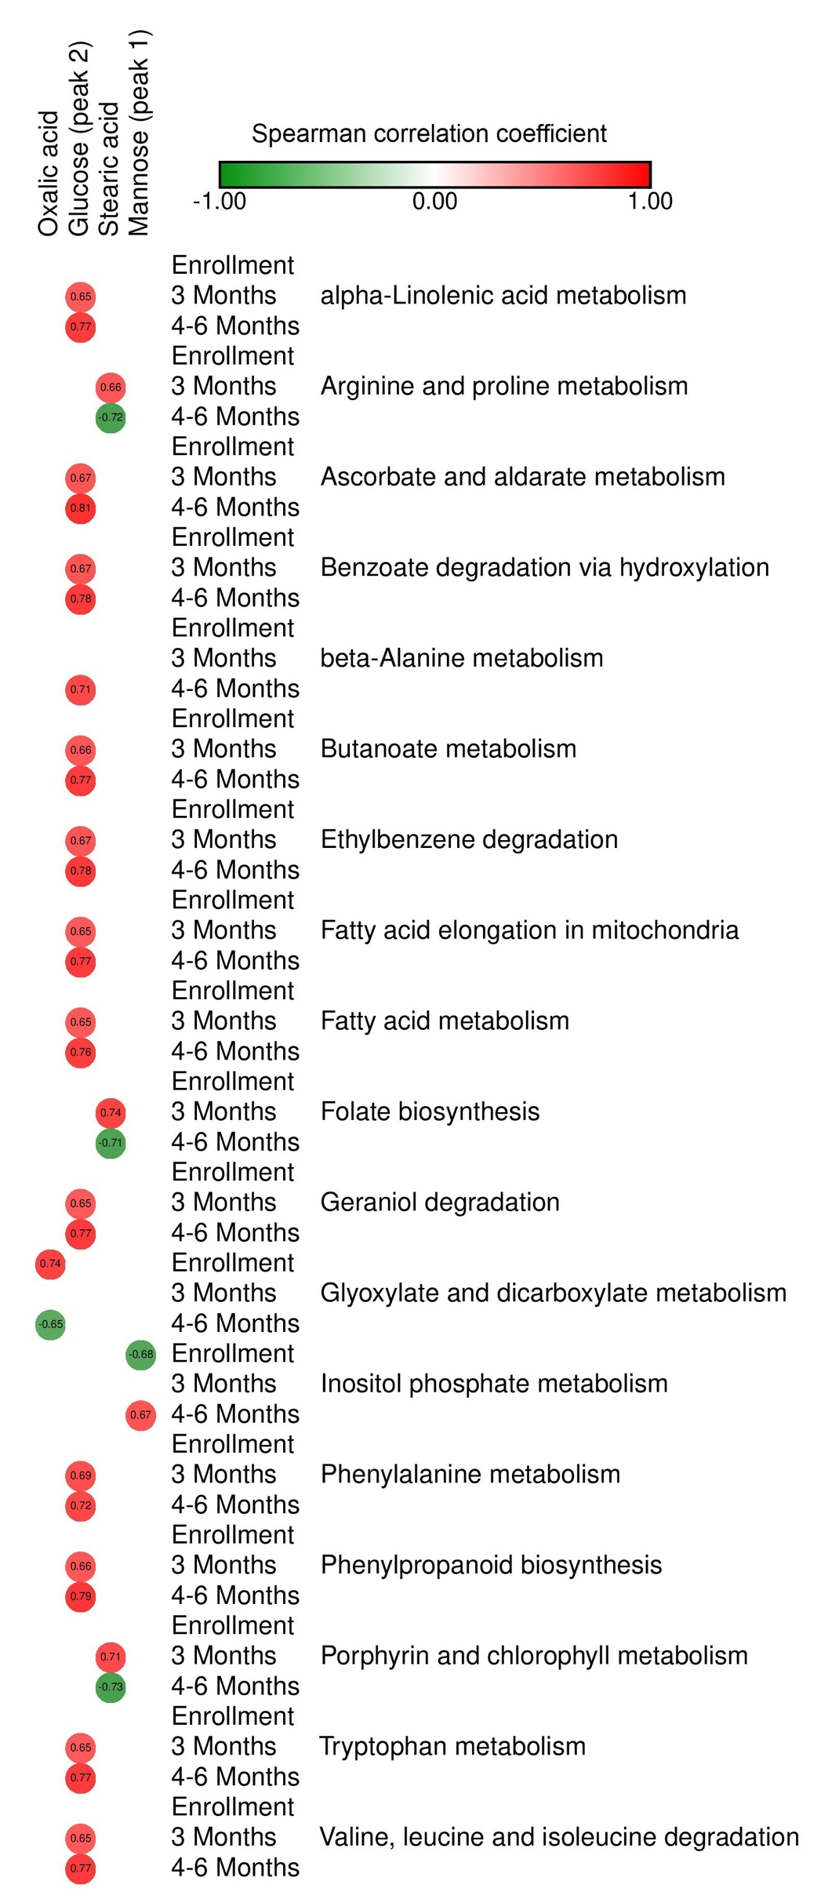
Arginine and proline metabolism | 3 Months | NA | NA | NA | 0.65730648129
 | 4-6 Months | NA | NA | NA | -0.72377570551
 | Enrollment | NA | NA | NA | NA
Ascorbate and aldarate metabolism | 3 Months | NA | 0.66717898491 | NA | NA
 | 4-6 Months | NA | 0.80980869076 | NA | NA
 | Enrollment | NA | NA | NA | NA
Benzoate degradation via hydroxylation | 3 Months | NA | 0.67245646532 | NA | NA
 | 4-6 Months | NA | 0.77509094176 | NA | NA
 | Enrollment | NA | NA | NA | NA
beta-Alanine metabolism | 3 Months | NA | #N/D | NA | NA
 | 4-6 Months | NA | 0.71352679508 | NA | NA
 | Enrollment | NA | NA | NA | NA
Butanoate metabolism | 3 Months | NA | 0.65715567066 | NA | NA
 | 4-6 Months | NA | 0.7726626157 | NA | NA
 | Enrollment | NA | NA | NA | NA
Ethylbenzene degradation | 3 Months | NA | 0.66721517095 | NA | NA
 | 4-6 Months | NA | 0.77725182927 | NA | NA
 | Enrollment | NA | NA | NA | NA
Fatty acid elongation in mitochondria | 3 Months | NA | 0.65271452759 | NA | NA
 | 4-6 Months | NA | 0.77385334614 | NA | NA
 | Enrollment | NA | NA | NA | NA
Fatty acid metabolism | 3 Months | NA | 0.65389566805 | NA | NA
 | 4-6 Months | NA | 0.75913904394 | NA | NA
 | Enrollment | NA | NA | NA | NA
Folate biosynthesis | 3 Months | NA | NA | NA | 0.74172446857
 | 4-6 Months | NA | NA | NA | -0.70973186871
 | Enrollment | NA | NA | NA | NA
Geraniol degradation | 3 Months | NA | 0.65271452759 | NA | NA
 | 4-6 Months | NA | 0.77385334614 | NA | NA
 | Enrollment | 0.73866453109 | NA | NA | NA
Glyoxylate and dicarboxylate metabolism | 3 Months | NA | NA | NA | NA
 | 4-6 Months | -0.65255624166 | NA | NA | NA
 | Enrollment | NA | NA | -0.67782866128 | NA
Inositol phosphate metabolism | 3 Months | NA | NA | NA | NA
 | 4-6 Months | NA | NA | 0.67113204188 | NA
 | Enrollment | NA | NA | NA | NA
Phenylalanine metabolism | 3 Months | NA | 0.69476990534 | NA | NA
 | 4-6 Months | NA | 0.72090321769 | NA | NA
 | Enrollment | NA | NA | NA | NA
Phenylpropanoid biosynthesis | 3 Months | NA | 0.66089133946 | NA | NA
 | 4-6 Months | NA | 0.78983600425 | NA | NA
 | Enrollment | NA | NA | NA | NA
Porphyrin and chlorophyll metabolism | 3 Months | NA | NA | NA | 0.70728463169
 | 4-6 Months | NA | NA | NA | -0.72549222327
 | Enrollment | NA | NA | NA | NA
Tryptophan metabolism | 3 Months | NA | 0.65159870543 | NA | NA
 | 4-6 Months | NA | 0.7737484755 | NA | NA
 | Enrollment | NA | NA | NA | NA
Valine, leucine and isoleucine degradation | 3 Months | NA | 0.65218375924 | NA | NA
 | 4-6 Months | NA | 0.77377564209 | NA | NA

Both_Path_Metab_Maas
 |  | Diethylene glycol | Homoserine | alpha-D-Glucopyranoside | Hydrocinnamic acid
 | Enrollment | 0.6188857047 | NA | NA | NA
alpha-Linolenic acid metabolism | 3 Months | NA | NA | NA | NA
 | 4-6 Months | 0.80760318622 | NA | NA | NA
 | Enrollment | 0.69927465714 | NA | NA | NA
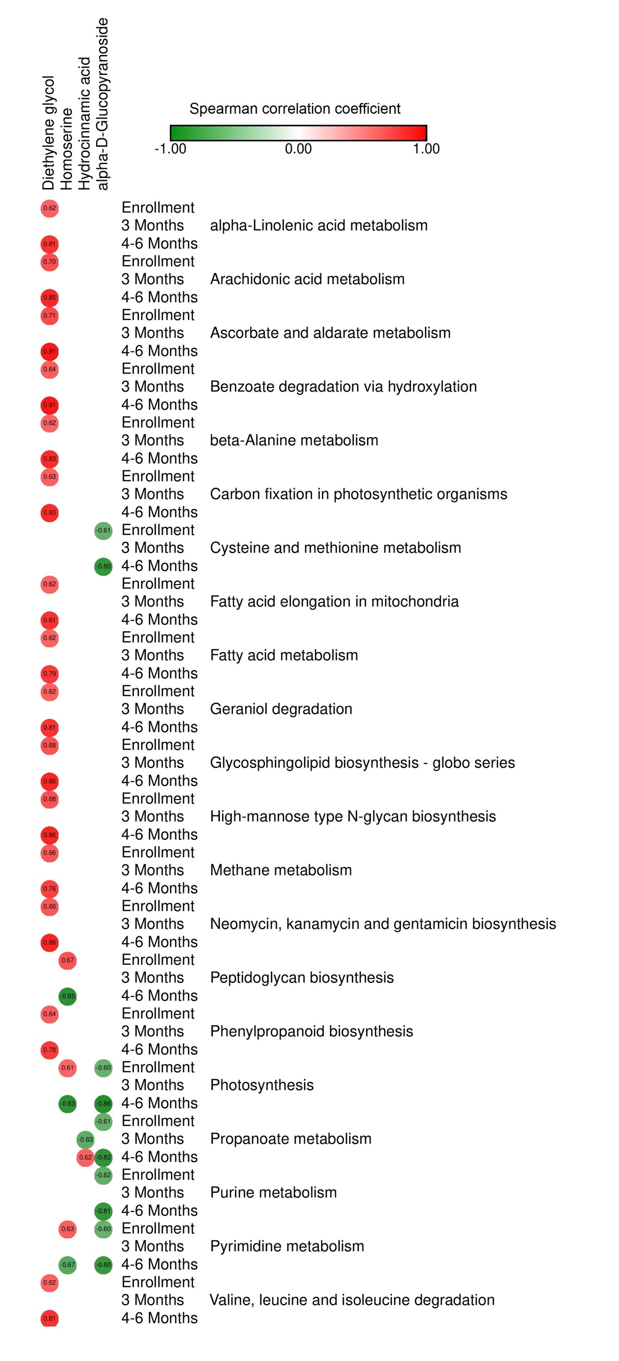
Arachidonic acid metabolism | 3 Months | NA | NA | NA | NA
 | 4-6 Months | 0.85120175413 | NA | NA | NA
 | Enrollment | 0.71028174837 | NA | NA | NA
Ascorbate and aldarate metabolism | 3 Months | NA | NA | NA | NA
 | 4-6 Months | 0.90909506293 | NA | NA | NA
 | Enrollment | 0.63747997832 | NA | NA | NA
Benzoate degradation via hydroxylation | 3 Months | NA | NA | NA | NA
 | 4-6 Months | 0.91063410261 | NA | NA | NA
 | Enrollment | 0.61543574078 | NA | NA | NA
beta-Alanine metabolism | 3 Months | NA | NA | NA | NA
 | 4-6 Months | 0.83000226021 | NA | NA | NA
 | Enrollment | 0.62657669423 | NA | NA | NA
Carbon fixation in photosynthetic organisms | 3 Months | NA | NA | NA | NA
 | 4-6 Months | 0.83152280629 | NA | NA | NA
 | Enrollment | NA | NA | -0.60759241617 | NA
Cysteine and methionine metabolism | 3 Months | NA | NA | NA | NA
 | 4-6 Months | NA | NA | -0.80459486401 | NA
 | Enrollment | 0.6188857047 | NA | NA | NA
Fatty acid elongation in mitochondria | 3 Months | NA | NA | NA | NA
 | 4-6 Months | 0.80760318622 | NA | NA | NA
 | Enrollment | 0.6217387749 | NA | NA | NA
Fatty acid metabolism | 3 Months | NA | NA | NA | NA
 | 4-6 Months | 0.79001399681 | NA | NA | NA
 | Enrollment | 0.6188857047 | NA | NA | NA
Geraniol degradation | 3 Months | NA | NA | NA | NA
 | 4-6 Months | 0.80760318622 | NA | NA | NA
 | Enrollment | 0.68148469697 | NA | NA | NA
Glycosphingolipid biosynthesis - globo series | 3 Months | NA | NA | NA | NA
 | 4-6 Months | 0.86149357892 | NA | NA | NA
 | Enrollment | 0.68148469697 | NA | NA | NA
High-mannose type N-glycan biosynthesis | 3 Months | NA | NA | NA | NA
 | 4-6 Months | 0.86149357892 | NA | NA | NA
 | Enrollment | 0.65821893708 | NA | NA | NA
Methane metabolism | 3 Months | NA | NA | NA | NA
 | 4-6 Months | 0.75828222664 | NA | NA | NA
 | Enrollment | 0.6573490803 | NA | NA | NA
Neomycin, kanamycin and gentamicin biosynthesis | 3 Months | NA | NA | NA | NA
 | 4-6 Months | 0.85812156311 | NA | NA | NA
 | Enrollment | NA | 0.67283458115 | NA | NA
Peptidoglycan biosynthesis | 3 Months | NA | NA | NA | NA
 | 4-6 Months | NA | -0.84917383904 | NA | NA
 | Enrollment | 0.63585461595 | NA | NA | NA
Phenylpropanoid biosynthesis | 3 Months | NA | NA | NA | NA
 | 4-6 Months | 0.77847317842 | NA | NA | NA
 | Enrollment | NA | 0.60674001497 | -0.60081840095 | NA
Photosynthesis | 3 Months | NA | NA | NA | NA
 | 4-6 Months | NA | -0.82972874364 | -0.86292932949 | NA
 | Enrollment | NA | NA | -0.60618173092 | NA
Propanoate metabolism | 3 Months | NA | NA | NA | -0.63476808475
 | 4-6 Months | NA | NA | -0.82385904829 | 0.62459446097
 | Enrollment | NA | NA | -0.62074075094 | NA
Purine metabolism | 3 Months | NA | NA | NA | NA
 | 4-6 Months | NA | NA | -0.81080543626 | NA
 | Enrollment | NA | 0.62941367617 | -0.60319293487 | NA
Pyrimidine metabolism | 3 Months | NA | NA | NA | NA
 | 4-6 Months | NA | -0.66930807685 | -0.79899799295 | NA
 | Enrollment | 0.6188857047 | NA | NA | NA
Valine, leucine and isoleucine degradation | 3 Months | NA | NA | NA | NA
 | 4-6 Months | 0.80760318622 | NA | NA | NA

HighGeneticRisk_Spec_Metab_Maas
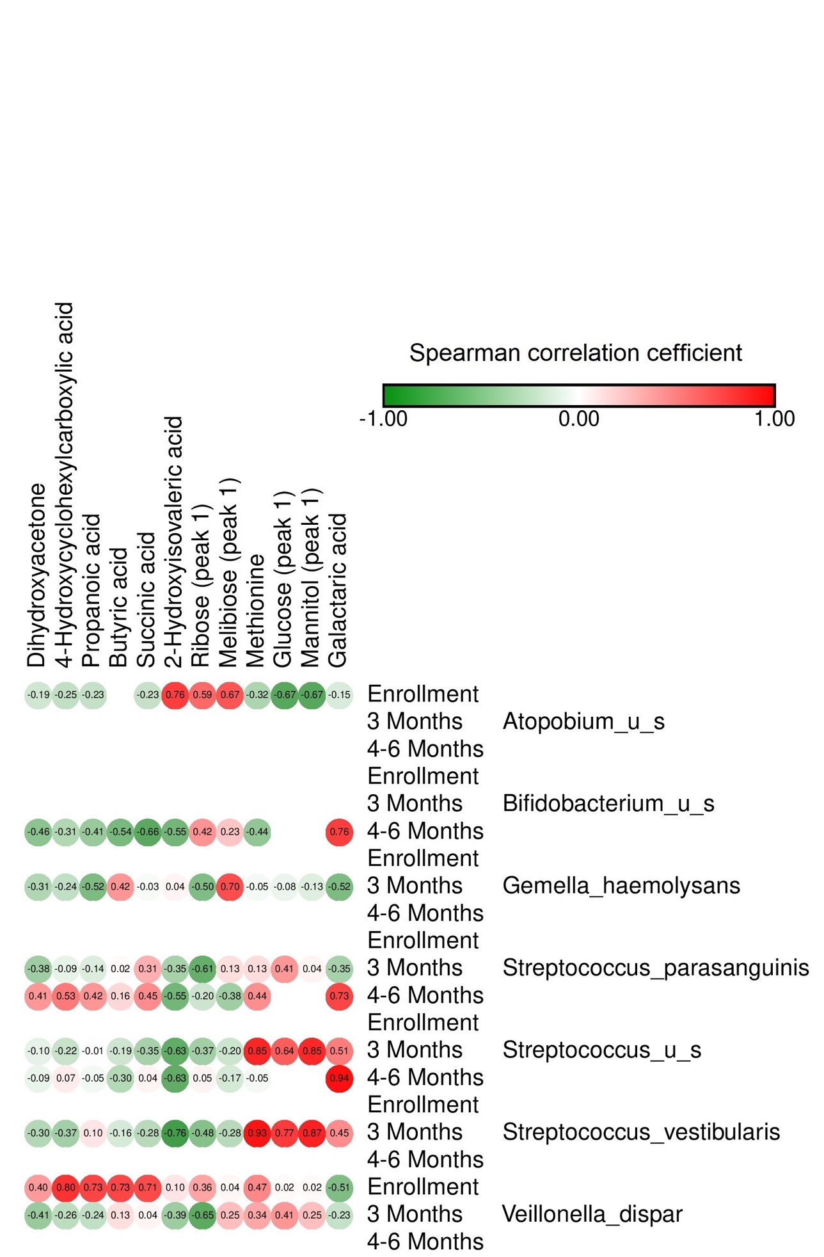
 |  | Dihydroxyacetone | Butyric acid | 2-Hydroxyisovaleric acid | Propanoic acid | Methionine | 4-Hydroxycyclohexylcarboxylic acid | Succinic acid | Ribose (peak 1) | Glucose (peak 1) | Galactaric acid | Mannitol (peak 1) | Melibiose (peak 1)
 | Enrollment | -0.189826058 | NA | 0.758953311 | -0.234992591 | -0.32375891 | -0.24759074 | -0.226965512 | 0.592890239 | -0.668450735 | -0.15185123 | -0.668450736 | 0.671950461
Atopobium_u_s | 3 Months | NA | NA | NA | NA | NA | NA | NA | NA | NA | NA | NA | NA
 | 4-6 Months | NA | NA | NA | NA | NA | NA | NA | NA | NA | NA | NA | NA
 | Enrollment | NA | NA | NA | NA | NA | NA | NA | NA | NA | NA | NA | NA
Bifidobacterium_u_s | 3 Months | NA | NA | NA | NA | NA | NA | NA | NA | NA | NA | NA | NA
 | 4-6 Months | -0.457078816 | -0.536520747 | -0.554392981 | -0.409522548 | -0.435441964 | -0.311307015 | -0.65695012 | 0.423117002 | NA | 0.758838454 | NA | 0.226600358
 | Enrollment | NA | NA | NA | NA | NA | NA | NA | NA | NA | NA | NA | NA
Gemella_haemolysans | 3 Months | -0.313380566 | 0.417576781 | 0.043008486 | -0.518727253 | -0.046664129 | -0.24428786 | -0.032833764 | -0.504845774 | -0.075535217 | -0.518073293 | -0.131318535 | 0.696356891
 | 4-6 Months | NA | NA | NA | NA | NA | NA | NA | NA | NA | NA | NA | NA
 | Enrollment | NA | NA | NA | NA | NA | NA | NA | NA | NA | NA | NA | NA
Streptococcus_parasanguinis | 3 Months | -0.38324391 | 0.017935684 | -0.35304023 | -0.13818694 | 0.133130102 | -0.092816763 | 0.314608249 | -0.614123111 | 0.407744757 | -0.351403933 | 0.044918324 | 0.131073334
 | 4-6 Months | 0.409427431 | 0.157565589 | -0.55435781 | 0.416802943 | 0.442610688 | 0.52575093 | 0.451925465 | -0.200096202 | NA | 0.731929115 | NA | -0.379934701
 | Enrollment | NA | NA | NA | NA | NA | NA | NA | NA | NA | NA | NA | NA
Streptococcus_u_s | 3 Months | -0.10061694 | -0.192728417 | -0.632131753 | -0.013621495 | 0.852990908 | -0.217948077 | -0.354264643 | -0.36586 | 0.639758646 | 0.512612432 | 0.847478406 | -0.203707499
 | 4-6 Months | -0.085505803 | -0.296041357 | -0.627766922 | -0.053030509 | -0.045503942 | 0.072539205 | 0.04362951 | 0.046081713 | NA | 0.941320658 | NA | -0.16915747
 | Enrollment | NA | NA | NA | NA | NA | NA | NA | NA | NA | NA | NA | NA
Streptococcus_vestibularis | 3 Months | -0.303817469 | -0.162328637 | -0.755048337 | 0.103001899 | 0.925348882 | -0.370708405 | -0.281976714 | -0.479765002 | 0.774222134 | 0.449962891 | 0.872481857 | -0.282886133
 | 4-6 Months | NA | NA | NA | NA | NA | NA | NA | NA | NA | NA | NA | NA
 | Enrollment | 0.395373868 | 0.725362806 | 0.101488716 | 0.734256291 | 0.46918447 | 0.802858639 | 0.707909853 | 0.359797925 | 0.021813912 | -0.508117727 | 0.021813936 | 0.036961208
Veillonella_dispar | 3 Months | -0.406031878 | 0.12813407 | -0.392812308 | -0.244635096 | 0.344295091 | -0.261518451 | 0.042373222 | -0.649866646 | 0.412656325 | -0.229195176 | 0.251276586 | 0.254564157
 | 4-6 Months | NA | NA | NA | NA | NA | NA | NA | NA | NA | NA | NA | NA

StdGeneticRisk_Spec_Metab_Maas
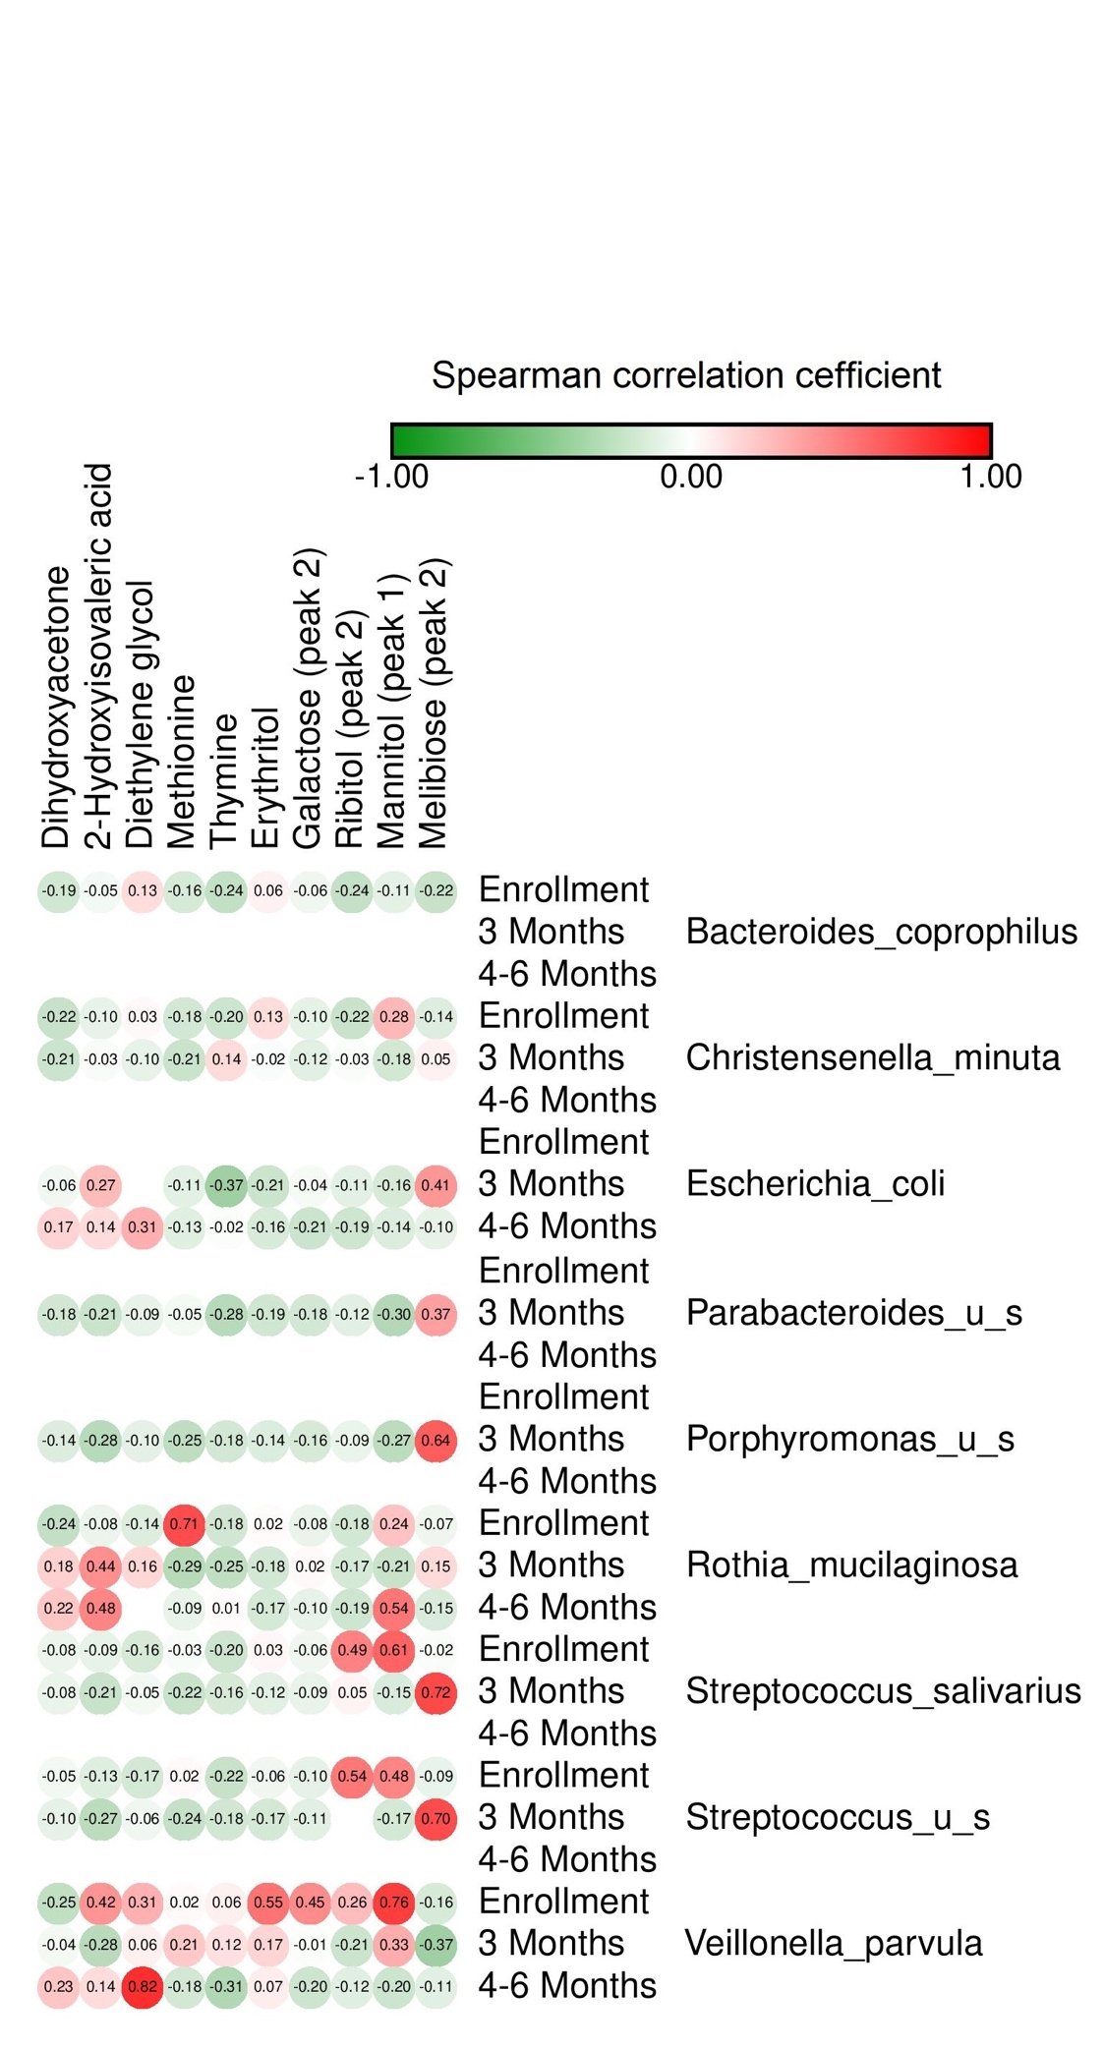
 |  | Dihydroxyacetone | 2-Hydroxyisovaleric acid | Diethylene glycol | Methionine | Thymine | Erythritol | Ribitol (peak 2) | Galactose (peak 2) | Mannitol (peak 1) | Melibiose (peak 2)
 | Enrollment | -0.187276964 | -0.045945954 | 0.134386821 | -0.164853865 | -0.240902094 | 0.055344758 | -0.235401892 | -0.063685463 | -0.106492477 | -0.219652512
Bacteroides_coprophilus | 3 Months | NA | NA | NA | NA | NA | NA | NA | NA | NA | NA
 | 4-6 Months | NA | NA | NA | NA | NA | NA | NA | NA | NA | NA
 | Enrollment | -0.219428672 | -0.096209745 | 0.027362117 | -0.175856392 | -0.201626836 | 0.134368047 | -0.217256863 | -0.10357117 | 0.280708875 | -0.136168024
Christensenella_minuta | 3 Months | -0.205795889 | -0.029642286 | -0.096405565 | -0.209624108 | 0.135602242 | -0.022456307 | -0.025481732 | -0.116379891 | -0.179767409 | 0.053862826
 | 4-6 Months | NA | NA | NA | NA | NA | NA | NA | NA | NA | NA
 | Enrollment | NA | NA | NA | NA | NA | NA | NA | NA | NA | NA
Escherichia_coli | 3 Months | -0.05758928 | 0.27154252 | NA | -0.110578067 | -0.372537748 | -0.207939534 | -0.112376228 | -0.040190752 | -0.159412259 | 0.411322062
 | 4-6 Months | 0.172815353 | 0.140641435 | 0.312762062 | -0.125900053 | -0.016393679 | -0.155337019 | -0.194472075 | -0.206057078 | -0.13988855 | -0.096809488
 | Enrollment | NA | NA | NA | NA | NA | NA | NA | NA | NA | NA
Parabacteroides_u_s | 3 Months | -0.182746494 | -0.211171196 | -0.09481619 | -0.04794288 | -0.284475733 | -0.189143564 | -0.116017658 | -0.177782516 | -0.296722198 | 0.374970603
 | 4-6 Months | NA | NA | NA | NA | NA | NA | NA | NA | NA | NA
 | Enrollment | NA | NA | NA | NA | NA | NA | NA | NA | NA | NA
Porphyromonas_u_s | 3 Months | -0.137330134 | -0.284958874 | -0.104561632 | -0.253566993 | -0.17891752 | -0.14098076 | -0.085872335 | -0.158869294 | -0.269562371 | 0.63990475
 | 4-6 Months | NA | NA | NA | NA | NA | NA | NA | NA | NA | NA
 | Enrollment | -0.236443453 | -0.079559972 | -0.135123171 | 0.707085922 | -0.182064094 | 0.017610759 | -0.17831314 | -0.084995867 | 0.237352625 | -0.06841719
Rothia_mucilaginosa | 3 Months | 0.184123995 | 0.440606901 | 0.156340499 | -0.287097689 | -0.250407879 | -0.177677073 | -0.168979307 | 0.024585866 | -0.212627094 | 0.145608064
 | 4-6 Months | 0.223094514 | 0.481436443 | NA | -0.090295663 | 0.014582065 | -0.1697363 | -0.194297086 | -0.096394293 | 0.538144021 | -0.14902283
 | Enrollment | -0.076321027 | -0.092680538 | -0.158547903 | -0.026005179 | -0.200331595 | 0.032783135 | 0.49313231 | -0.061061346 | 0.611643774 | -0.021462165
Streptococcus_salivarius | 3 Months | -0.082278637 | -0.212962867 | -0.048628637 | -0.218951522 | -0.159524694 | -0.115084734 | 0.046933759 | -0.089665946 | -0.152137293 | 0.717265644
 | 4-6 Months | NA | NA | NA | NA | NA | NA | NA | NA | NA | NA
 | Enrollment | -0.051735719 | -0.13246101 | -0.172029553 | 0.023171551 | -0.222780409 | -0.060953876 | 0.535132453 | -0.099358269 | 0.479387762 | -0.091520038
Streptococcus_u_s | 3 Months | -0.099867642 | -0.267725374 | -0.063243257 | -0.23520148 | -0.18145981 | -0.171102183 | NA | -0.114403447 | -0.174567065 | 0.704580298
 | 4-6 Months | NA | NA | NA | NA | NA | NA | NA | NA | NA | NA
 | Enrollment | -0.246621922 | 0.420596633 | 0.307619036 | 0.023167026 | 0.057700704 | 0.548112791 | 0.263035032 | 0.453738366 | 0.75951315 | -0.164108701
Veillonella_parvula | 3 Months | -0.044883527 | -0.277579505 | 0.060305987 | 0.209904733 | 0.122518875 | 0.170523282 | -0.205611075 | -0.014942712 | 0.325608534 | -0.372874601
 | 4-6 Months | 0.231634926 | 0.136573522 | 0.817800611 | -0.177723376 | -0.310159079 | 0.071690374 | -0.120090377 | -0.19788805 | -0.203126214 | -0.113107888

Csection_Spec_Metab_Maas
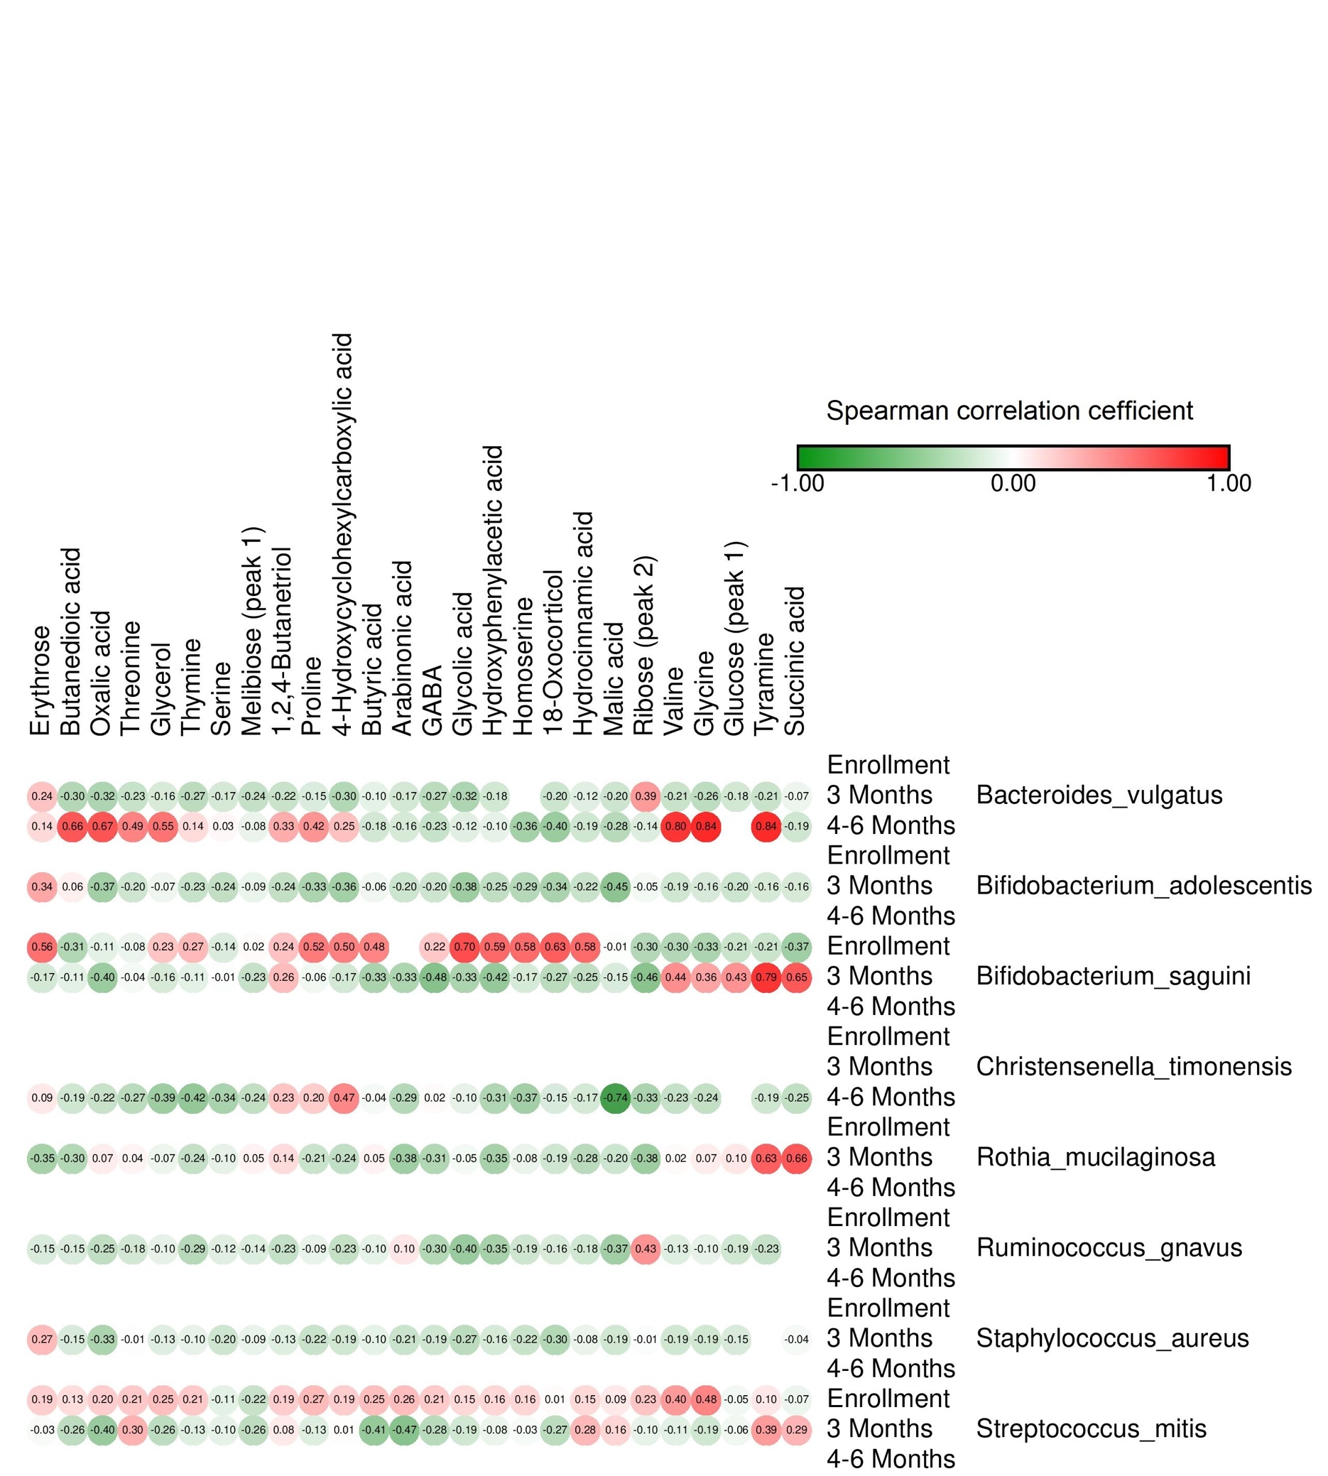
 |  | Glycolic acid | Butyric acid | Threonine | Glycerol | Valine | Serine | Glycine | Butanedioic acid | Proline | Homoserine | 1,2,4-Butanetriol | Erythrose | Oxalic acid | GABA | Thymine | Malic acid | 4-Hydroxycyclohexylcarboxylic acid | Succinic acid | Hydroxyphenylacetic acid | Tyramine | Arabinonic acid | Ribose (peak 2) | 18-Oxocorticol | Glucose (peak 1) | Hydrocinnamic acid | Melibiose (peak 1)
 | Enrollment | NA | NA | NA | NA | NA | NA | NA | NA | NA | NA | NA | NA | NA | NA | NA | NA | NA | NA | NA | NA | NA | NA | NA | NA | NA | NA
Bacteroides_vulgatus | 3 Months | -0.321177339 | -0.103217741 | -0.226200585 | -0.156392554 | -0.213686411 | -0.168006274 | -0.261176367 | -0.298631552 | -0.147974097 | NA | -0.218561367 | 0.23775262 | -0.321876858 | -0.271020412 | -0.267196047 | -0.199218174 | -0.300520827 | -0.072951344 | -0.180674558 | -0.214018023 | -0.170875457 | 0.394472562 | -0.201695738 | -0.17912981 | -0.123382064 | -0.235948624
 | 4-6 Months | -0.120814196 | -0.177199748 | 0.486171266 | 0.547076446 | 0.797860002 | 0.030898606 | 0.839823523 | 0.6577945 | 0.418313563 | -0.356842781 | 0.325056328 | 0.14348225 | 0.668937916 | -0.22638689 | 0.139416602 | -0.281337937 | 0.245699052 | -0.191041024 | -0.098875255 | 0.835627285 | -0.15912748 | -0.136535594 | -0.395534073 | NA | -0.19073461 | -0.08095448
 | Enrollment | NA | NA | NA | NA | NA | NA | NA | NA | NA | NA | NA | NA | NA | NA | NA | NA | NA | NA | NA | NA | NA | NA | NA | NA | NA | NA
Bifidobacterium_adolescentis | 3 Months | -0.384670671 | -0.062496743 | -0.195338756 | -0.066463272 | -0.191580308 | -0.242679506 | -0.157794841 | 0.059544078 | -0.327624544 | -0.293263278 | -0.237301129 | 0.344628443 | -0.369795646 | -0.198462087 | -0.226679838 | -0.450425422 | -0.364266031 | -0.163666258 | -0.251076404 | -0.163895831 | -0.201672539 | -0.051555586 | -0.336439789 | -0.200846582 | -0.215783739 | -0.088181165
 | 4-6 Months | NA | NA | NA | NA | NA | NA | NA | NA | NA | NA | NA | NA | NA | NA | NA | NA | NA | NA | NA | NA | NA | NA | NA | NA | NA | NA
 | Enrollment | 0.697826274 | 0.48345251 | -0.075334584 | 0.231301147 | -0.297801543 | -0.143866133 | -0.329791543 | -0.307499223 | 0.517301423 | 0.583483961 | 0.243032666 | 0.558551764 | -0.108553896 | 0.218767098 | 0.273573906 | -0.011464306 | 0.498887414 | -0.37220585 | 0.591567577 | -0.210325728 | NA | -0.297039693 | 0.632327902 | -0.210533795 | 0.581078171 | 0.021464341
Bifidobacterium_saguini | 3 Months | -0.327643732 | -0.33461434 | -0.036949298 | -0.158968709 | 0.439617649 | -0.010267104 | 0.355022942 | -0.108142411 | -0.055671788 | -0.165140811 | 0.264293872 | -0.171643789 | -0.396036634 | -0.476689001 | -0.107651984 | -0.150944332 | -0.172781707 | 0.653732239 | -0.418564719 | 0.793502316 | -0.326418855 | -0.459563683 | -0.271394759 | 0.427948862 | -0.249004718 | -0.227247012
 | 4-6 Months | NA | NA | NA | NA | NA | NA | NA | NA | NA | NA | NA | NA | NA | NA | NA | NA | NA | NA | NA | NA | NA | NA | NA | NA | NA | NA
 | Enrollment | NA | NA | NA | NA | NA | NA | NA | NA | NA | NA | NA | NA | NA | NA | NA | NA | NA | NA | NA | NA | NA | NA | NA | NA | NA | NA
Christensenella_timonensis | 3 Months | NA | NA | NA | NA | NA | NA | NA | NA | NA | NA | NA | NA | NA | NA | NA | NA | NA | NA | NA | NA | NA | NA | NA | NA | NA | NA
 | 4-6 Months | -0.098229624 | -0.037845592 | -0.274872659 | -0.387445107 | -0.229534847 | -0.341328345 | -0.237295226 | -0.188725828 | 0.198962979 | -0.368048747 | 0.226328477 | 0.092058642 | -0.219512436 | 0.018907807 | -0.42191288 | -0.742518677 | 0.472232306 | -0.248253593 | -0.312898281 | -0.191833302 | -0.292927536 | -0.332275492 | -0.152932726 | NA | -0.166358638 | -0.243543239
 | Enrollment | NA | NA | NA | NA | NA | NA | NA | NA | NA | NA | NA | NA | NA | NA | NA | NA | NA | NA | NA | NA | NA | NA | NA | NA | NA | NA
Rothia_mucilaginosa | 3 Months | -0.048454912 | 0.051786745 | 0.04456709 | -0.072171077 | 0.021355215 | -0.099147202 | 0.068977497 | -0.303002958 | -0.208699915 | -0.081067287 | 0.142177384 | -0.352445009 | 0.074245119 | -0.306839765 | -0.23523831 | -0.202524459 | -0.244518664 | 0.658935407 | -0.352241871 | 0.627509019 | -0.375805255 | -0.381156046 | -0.188880162 | 0.096074052 | -0.276459514 | 0.049833169
 | 4-6 Months | NA | NA | NA | NA | NA | NA | NA | NA | NA | NA | NA | NA | NA | NA | NA | NA | NA | NA | NA | NA | NA | NA | NA | NA | NA | NA
 | Enrollment | NA | NA | NA | NA | NA | NA | NA | NA | NA | NA | NA | NA | NA | NA | NA | NA | NA | NA | NA | NA | NA | NA | NA | NA | NA | NA
Ruminococcus_gnavus | 3 Months | -0.399597876 | -0.103692598 | -0.178320423 | -0.100632493 | -0.131809112 | -0.12166029 | -0.099892184 | -0.149521346 | -0.091082285 | -0.193205664 | -0.232489427 | -0.152497814 | -0.24960547 | -0.302739171 | -0.288283801 | -0.37375347 | -0.233132825 | NA | -0.35271888 | -0.228701998 | 0.097111974 | 0.427510285 | -0.156237357 | -0.188437194 | -0.184605717 | -0.141400665
 | 4-6 Months | NA | NA | NA | NA | NA | NA | NA | NA | NA | NA | NA | NA | NA | NA | NA | NA | NA | NA | NA | NA | NA | NA | NA | NA | NA | NA
 | Enrollment | NA | NA | NA | NA | NA | NA | NA | NA | NA | NA | NA | NA | NA | NA | NA | NA | NA | NA | NA | NA | NA | NA | NA | NA | NA | NA
Staphylococcus_aureus | 3 Months | -0.269551169 | -0.1028637 | -0.012102455 | -0.128471614 | -0.185465997 | -0.195580978 | -0.186879276 | -0.152927979 | -0.215796639 | -0.217875314 | -0.130006873 | 0.271835391 | -0.331033161 | -0.189057635 | -0.096682545 | -0.188301637 | -0.185711975 | -0.035404761 | -0.164857717 | NA | -0.211803568 | -0.013959098 | -0.302018659 | -0.153052121 | -0.083365993 | -0.09068314
 | 4-6 Months | NA | NA | NA | NA | NA | NA | NA | NA | NA | NA | NA | NA | NA | NA | NA | NA | NA | NA | NA | NA | NA | NA | NA | NA | NA | NA
 | Enrollment | 0.151974959 | 0.253443651 | 0.213139244 | 0.251795506 | 0.397745504 | -0.108791876 | 0.477131397 | 0.132515637 | 0.271417062 | 0.162589828 | 0.194718602 | 0.192521804 | 0.195416807 | 0.209608064 | 0.213653561 | 0.089360764 | 0.194216182 | -0.069494827 | 0.157278219 | 0.095076993 | 0.258410587 | 0.22879583 | 0.013970674 | -0.05046412 | 0.152524994 | -0.221207689
Streptococcus_mitis | 3 Months | -0.186920862 | -0.411373602 | 0.301713198 | -0.260414941 | -0.109265587 | -0.098208922 | -0.187666485 | -0.258827858 | -0.131261169 | -0.030738452 | 0.080966479 | -0.027905266 | -0.400639908 | -0.279893236 | -0.130822272 | 0.163326067 | 0.012400095 | 0.290024883 | -0.078652577 | 0.393157818 | -0.471767208 | -0.096268592 | -0.267493223 | -0.055056241 | 0.277264964 | -0.259814348
 | 4-6 Months | NA | NA | NA | NA | NA | NA | NA | NA | NA | NA | NA | NA | NA | NA | NA | NA | NA | NA | NA | NA | NA | NA | NA | NA | NA | NA

Formula_Spec_Metab_Maas
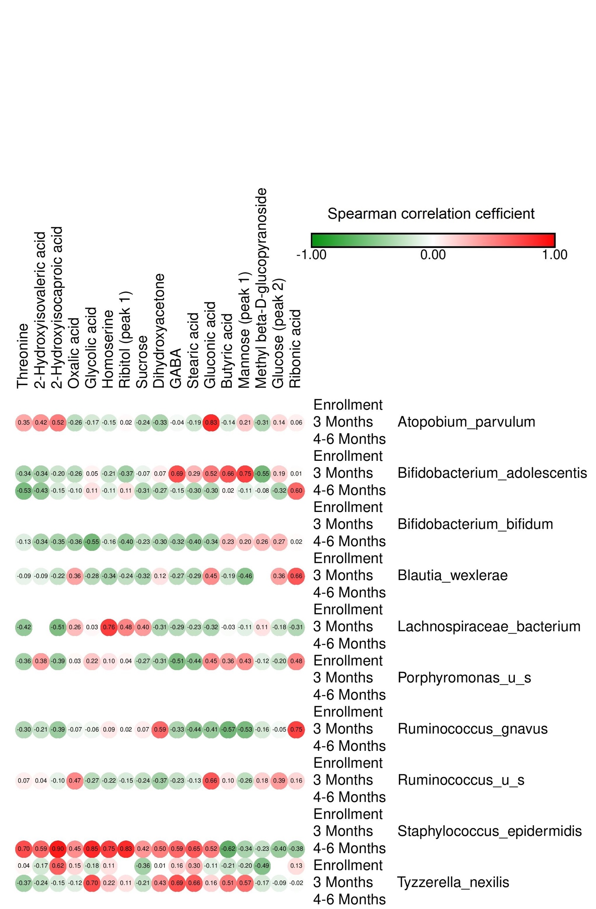
 |  | Glycolic acid | Dihydroxyacetone | Butyric acid | Threonine | 2-Hydroxyisovaleric acid | Homoserine | Oxalic acid | GABA | Ribitol (peak 1) | Methyl beta-D-glucopyranoside | Glucose (peak 2) | 2-Hydroxyisocaproic acid | Mannose (peak 1) | Gluconic acid | Stearic acid | Ribonic acid | Sucrose
 | Enrollment | NA | NA | NA | NA | NA | NA | NA | NA | NA | NA | NA | NA | NA | NA | NA | NA | NA
Atopobium_parvulum | 3 Months | -0.167626519 | -0.332523628 | -0.140069844 | 0.349558611 | 0.42234599 | -0.147031424 | -0.264646463 | -0.038691428 | 0.023146828 | -0.307235311 | 0.141759556 | 0.516997139 | 0.208105643 | 0.834353421 | -0.191640067 | 0.061829845 | -0.242615853
 | 4-6 Months | NA | NA | NA | NA | NA | NA | NA | NA | NA | NA | NA | NA | NA | NA | NA | NA | NA
 | Enrollment | NA | NA | NA | NA | NA | NA | NA | NA | NA | NA | NA | NA | NA | NA | NA | NA | NA
Bifidobacterium_adolescentis | 3 Months | 0.048686218 | 0.065912406 | 0.659872341 | -0.341276523 | -0.343028481 | -0.206912181 | -0.26050107 | 0.689581404 | -0.367004631 | -0.545963804 | 0.186088229 | -0.199976925 | 0.747455427 | 0.523191826 | 0.287404252 | 0.011759537 | -0.073846811
 | 4-6 Months | 0.112753864 | -0.265704726 | 0.022361029 | -0.525797446 | -0.434289079 | -0.109269487 | -0.104471917 | -0.150552385 | 0.106107101 | -0.078542489 | -0.317966673 | -0.152598883 | -0.112127341 | -0.29921517 | -0.295945782 | 0.596022651 | -0.310552889
 | Enrollment | NA | NA | NA | NA | NA | NA | NA | NA | NA | NA | NA | NA | NA | NA | NA | NA | NA
Bifidobacterium_bifidum | 3 Months | NA | NA | NA | NA | NA | NA | NA | NA | NA | NA | NA | NA | NA | NA | NA | NA | NA
 | 4-6 Months | -0.548594747 | -0.302293677 | 0.231154922 | -0.129049589 | -0.335084877 | -0.160358179 | -0.361165887 | -0.321689144 | -0.401407315 | 0.264000671 | 0.270499891 | -0.349340663 | 0.199939536 | -0.339522179 | -0.397265757 | 0.016865313 | -0.233539817
 | Enrollment | NA | NA | NA | NA | NA | NA | NA | NA | NA | NA | NA | NA | NA | NA | NA | NA | NA
Blautia_wexlerae | 3 Months | -0.281732849 | 0.115007259 | -0.193622937 | -0.090171837 | -0.094622545 | -0.344892141 | 0.358022956 | -0.267634829 | -0.242909452 | #N/D | 0.364278618 | -0.224849554 | -0.462030609 | 0.448010673 | -0.291055975 | 0.657627035 | -0.321398943
 | 4-6 Months | NA | NA | NA | NA | NA | NA | NA | NA | NA | NA | NA | NA | NA | NA | NA | NA | NA
 | Enrollment | NA | NA | NA | NA | NA | NA | NA | NA | NA | NA | NA | NA | NA | NA | NA | NA | NA
Lachnospiraceae_bacterium | 3 Months | 0.032486536 | -0.310543682 | -0.02502791 | -0.424254952 | NA | 0.762617856 | 0.264646432 | -0.288244608 | 0.482705758 | 0.109138298 | -0.183258917 | -0.509617037 | -0.109427138 | -0.315636852 | -0.233572637 | -0.310481593 | 0.39687497
 | 4-6 Months | NA | NA | NA | NA | NA | NA | NA | NA | NA | NA | NA | NA | NA | NA | NA | NA | NA
 | Enrollment | 0.216756741 | -0.305833972 | 0.364730602 | -0.356110527 | 0.376969489 | 0.103565575 | 0.033843832 | -0.509366473 | 0.039889675 | -0.116522411 | -0.198657381 | -0.393184786 | 0.432752413 | 0.448347812 | -0.442376013 | 0.483846128 | -0.27355891
Porphyromonas_u_s | 3 Months | NA | NA | NA | NA | NA | NA | NA | NA | NA | NA | NA | NA | NA | NA | NA | NA | NA
 | 4-6 Months | NA | NA | NA | NA | NA | NA | NA | NA | NA | NA | NA | NA | NA | NA | NA | NA | NA
 | Enrollment | NA | NA | NA | NA | NA | NA | NA | NA | NA | NA | NA | NA | NA | NA | NA | NA | NA
Ruminococcus_gnavus | 3 Months | -0.06055311 | 0.593744213 | -0.565383778 | -0.303919288 | -0.211468956 | 0.091280165 | -0.065680824 | -0.325393948 | 0.015012276 | -0.159721446 | -0.045753573 | -0.39493563 | -0.52777653 | -0.412480073 | -0.441746142 | 0.747892988 | 0.070872266
 | 4-6 Months | NA | NA | NA | NA | NA | NA | NA | NA | NA | NA | NA | NA | NA | NA | NA | NA | NA
 | Enrollment | NA | NA | NA | NA | NA | NA | NA | NA | NA | NA | NA | NA | NA | NA | NA | NA | NA
Ruminococcus_u_s | 3 Months | -0.274151117 | -0.365052953 | 0.09947675 | 0.065748725 | 0.042064479 | -0.217066957 | 0.469977479 | -0.227961278 | -0.149960241 | 0.179001651 | 0.394294626 | -0.100813233 | -0.257425088 | 0.660269963 | -0.12899002 | 0.161934698 | -0.238485396
 | 4-6 Months | NA | NA | NA | NA | NA | NA | NA | NA | NA | NA | NA | NA | NA | NA | NA | NA | NA
 | Enrollment | NA | NA | NA | NA | NA | NA | NA | NA | NA | NA | NA | NA | NA | NA | NA | NA | NA
Staphylococcus_epidermidis | 3 Months | NA | NA | NA | NA | NA | NA | NA | NA | NA | NA | NA | NA | NA | NA | NA | NA | NA
 | 4-6 Months | 0.848628663 | 0.503089266 | -0.617572722 | 0.70160511 | 0.594989824 | 0.751104609 | 0.446189201 | 0.591049053 | 0.834304946 | -0.231129821 | -0.402023822 | 0.897026362 | -0.340443979 | 0.521732702 | 0.652979933 | -0.382767943 | 0.417386095
 | Enrollment | -0.183319219 | 0.013052715 | -0.206317848 | 0.035035342 | -0.166412963 | 0.114403379 | 0.149411048 | 0.159393275 | #N/D | -0.490899994 | #N/D | 0.618746391 | -0.19922441 | -0.113797355 | 0.301481599 | 0.128994677 | -0.363515116
Tyzzerella_nexilis | 3 Months | 0.696415138 | 0.426221367 | 0.511867287 | -0.367724647 | -0.241671863 | 0.218442782 | -0.122778286 | 0.689726673 | 0.113876734 | -0.167793747 | -0.091352613 | -0.150288264 | 0.574597373 | 0.163877168 | 0.656184413 | -0.016373165 | -0.214173293
 | 4-6 Months | NA | NA | NA | NA | NA | NA | NA | NA | NA | NA | NA | NA | NA | NA | NA | NA | NA

Abx_Yes_Spec_Metab_Maas
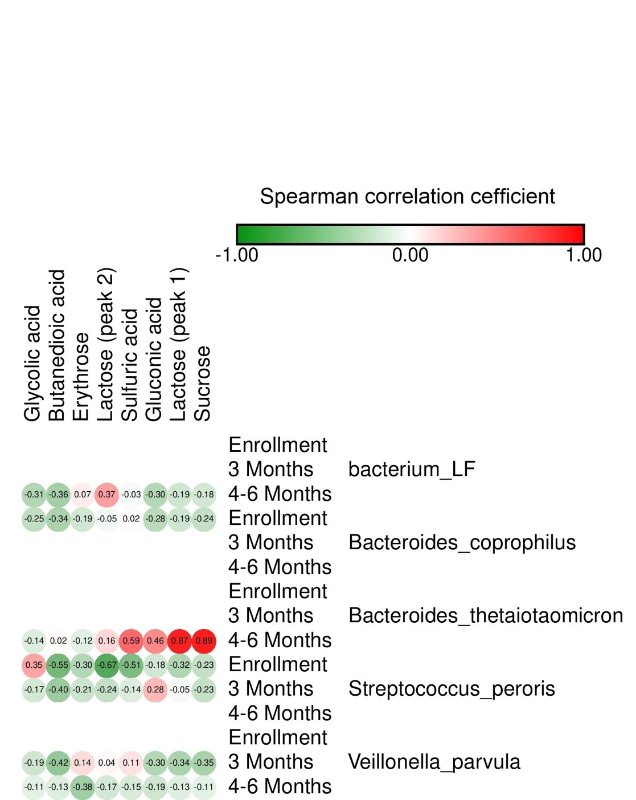
 |  | Glycolic acid | Butanedioic acid | Sulfuric acid | Erythrose | Gluconic acid | Lactose (peak 1) | Lactose (peak 2) | Sucrose
 | Enrollment | NA | NA | NA | NA | NA | NA | NA | NA
bacterium_LF | 3 Months | NA | NA | NA | NA | NA | NA | NA | NA
 | 4-6 Months | -0.306357604 | -0.362412273 | -0.030369203 | 0.070402409 | -0.303528697 | -0.193492546 | 0.373390983 | -0.180267309
 | Enrollment | -0.25162772 | -0.335706082 | 0.019922394 | -0.186615167 | -0.276512235 | -0.192752103 | -0.051975302 | -0.237649001
Bacteroides_coprophilus | 3 Months | NA | NA | NA | NA | NA | NA | NA | NA
 | 4-6 Months | NA | NA | NA | NA | NA | NA | NA | NA
 | Enrollment | NA | NA | NA | NA | NA | NA | NA | NA
Bacteroides_thetaiotaomicron | 3 Months | NA | NA | NA | NA | NA | NA | NA | NA
 | 4-6 Months | -0.135033606 | 0.017398487 | 0.592897771 | -0.115874738 | 0.459222886 | 0.870872766 | 0.156563235 | 0.888896355
 | Enrollment | 0.353780828 | -0.551882032 | -0.511618734 | -0.297796256 | -0.175570711 | -0.31908394 | -0.672323282 | -0.233584709
Streptococcus_peroris | 3 Months | -0.172217867 | -0.398523786 | -0.138623488 | -0.205838335 | 0.279045356 | -0.045238754 | -0.237426413 | -0.233880836
 | 4-6 Months | NA | NA | NA | NA | NA | NA | NA | NA
 | Enrollment | NA | NA | NA | NA | NA | NA | NA | NA
Veillonella_parvula | 3 Months | -0.193746707 | -0.422728666 | 0.114946514 | 0.138093244 | -0.302820246 | -0.335370796 | 0.035824857 | -0.34970067
 | 4-6 Months | -0.108414431 | -0.134989454 | -0.154652558 | -0.375224384 | -0.193314069 | -0.131405213 | -0.172844527 | -0.107426801

Cross_Sect_Path_Metab
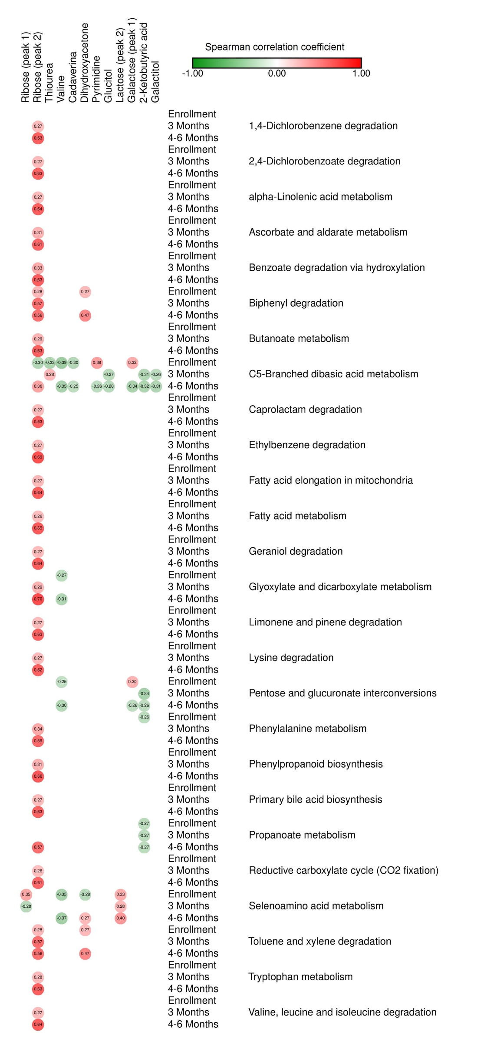
 |  | Dihydroxyacetone | Valine | Ribose (peak 1) | Ribose (peak 2) | Lactose (peak 2) | Thiourea | Glucitol | Cadaverina | Galactitol | 2-Ketobutyric acid | Galactose (peak 1) | Pyrimidine
 | Enrollment | NA | NA | NA | NA | NA | NA | NA | NA | NA | NA | NA | NA
1,4-Dichlorobenzene degradation | 3 Months | NA | NA | NA | 0.26890161373 | NA | NA | NA | NA | NA | NA | NA | NA
 | 4-6 Months | NA | NA | NA | 0.63131839568 | NA | NA | NA | NA | NA | NA | NA | NA
 | Enrollment | NA | NA | NA | NA | NA | NA | NA | NA | NA | NA | NA | NA
2,4-Dichlorobenzoate degradation | 3 Months | NA | NA | NA | 0.2706241043 | NA | NA | NA | NA | NA | NA | NA | NA
 | 4-6 Months | NA | NA | NA | 0.6250088547 | NA | NA | NA | NA | NA | NA | NA | NA
 | Enrollment | NA | NA | NA | NA | NA | NA | NA | NA | NA | NA | NA | NA
alpha-Linolenic acid metabolism | 3 Months | NA | NA | NA | 0.27097138724 | NA | NA | NA | NA | NA | NA | NA | NA
 | 4-6 Months | NA | NA | NA | 0.64103268522 | NA | NA | NA | NA | NA | NA | NA | NA
 | Enrollment | NA | NA | NA | NA | NA | NA | NA | NA | NA | NA | NA | NA
Ascorbate and aldarate metabolism | 3 Months | NA | NA | NA | 0.3099820325 | NA | NA | NA | NA | NA | NA | NA | NA
 | 4-6 Months | NA | NA | NA | 0.61026379356 | NA | NA | NA | NA | NA | NA | NA | NA
 | Enrollment | NA | NA | NA | NA | NA | NA | NA | NA | NA | NA | NA | NA
Benzoate degradation via hydroxylation | 3 Months | NA | NA | NA | 0.33135610223 | NA | NA | NA | NA | NA | NA | NA | NA
 | 4-6 Months | NA | NA | NA | 0.63344535606 | NA | NA | NA | NA | NA | NA | NA | NA
 | Enrollment | 0.27393782768 | NA | NA | 0.28030505929 | NA | NA | NA | NA | NA | NA | NA | NA
Biphenyl degradation | 3 Months | NA | NA | NA | 0.57372396877 | NA | NA | NA | NA | NA | NA | NA | NA
 | 4-6 Months | 0.47368227245 | NA | NA | 0.56164787394 | NA | NA | NA | NA | NA | NA | NA | NA
 | Enrollment | NA | NA | NA | NA | NA | NA | NA | NA | NA | NA | NA | NA
Butanoate metabolism | 3 Months | NA | NA | NA | 0.29490664237 | NA | NA | NA | NA | NA | NA | NA | NA
 | 4-6 Months | NA | NA | NA | 0.62586621144 | NA | NA | NA | NA | NA | NA | NA | NA
 | Enrollment | NA | -0.38572185356 | NA | -0.3030548947 | NA | -0.3251481372 | NA | -0.29681345638 | NA | NA | 0.32043347491 | 0.38202272302
C5-Branched dibasic acid metabolism | 3 Months | NA | NA | NA | NA | NA | 0.27880615442 | -0.27282676982 | NA | -0.25849052231 | -0.3076295259 | NA | NA
 | 4-6 Months | NA | -0.34586362071 | NA | 0.36211257623 | NA | NA | -0.28412779672 | -0.25333884264 | -0.31299135266 | -0.32386818281 | -0.33888712063 | -0.26103326939
 | Enrollment | NA | NA | NA | NA | NA | NA | NA | NA | NA | NA | NA | NA
Caprolactam degradation | 3 Months | NA | NA | NA | 0.2706241043 | NA | NA | NA | NA | NA | NA | NA | NA
 | 4-6 Months | NA | NA | NA | 0.6250088547 | NA | NA | NA | NA | NA | NA | NA | NA
 | Enrollment | NA | NA | NA | NA | NA | NA | NA | NA | NA | NA | NA | NA
Ethylbenzene degradation | 3 Months | NA | NA | NA | 0.27216316511 | NA | NA | NA | NA | NA | NA | NA | NA
 | 4-6 Months | NA | NA | NA | 0.68832655375 | NA | NA | NA | NA | NA | NA | NA | NA
 | Enrollment | NA | NA | NA | NA | NA | NA | NA | NA | NA | NA | NA | NA
Fatty acid elongation in mitochondria | 3 Months | NA | NA | NA | 0.27097138724 | NA | NA | NA | NA | NA | NA | NA | NA
 | 4-6 Months | NA | NA | NA | 0.64103268522 | NA | NA | NA | NA | NA | NA | NA | NA
 | Enrollment | NA | NA | NA | NA | NA | NA | NA | NA | NA | NA | NA | NA
Fatty acid metabolism | 3 Months | NA | NA | NA | 0.26376161829 | NA | NA | NA | NA | NA | NA | NA | NA
 | 4-6 Months | NA | NA | NA | 0.64563987817 | NA | NA | NA | NA | NA | NA | NA | NA
 | Enrollment | NA | NA | NA | NA | NA | NA | NA | NA | NA | NA | NA | NA
Geraniol degradation | 3 Months | NA | NA | NA | 0.27097138724 | NA | NA | NA | NA | NA | NA | NA | NA
 | 4-6 Months | NA | NA | NA | 0.64103268522 | NA | NA | NA | NA | NA | NA | NA | NA
 | Enrollment | NA | -0.26984051502 | NA | NA | NA | NA | NA | NA | NA | NA | NA | NA
Glyoxylate and dicarboxylate metabolism | 3 Months | NA | NA | NA | 0.29305906568 | NA | NA | NA | NA | NA | NA | NA | NA
 | 4-6 Months | NA | -0.31269764064 | NA | 0.70022469092 | NA | NA | NA | NA | NA | NA | NA | NA
 | Enrollment | NA | NA | NA | NA | NA | NA | NA | NA | NA | NA | NA | NA
Limonene and pinene degradation | 3 Months | NA | NA | NA | 0.2706241043 | NA | NA | NA | NA | NA | NA | NA | NA
 | 4-6 Months | NA | NA | NA | 0.6250088547 | NA | NA | NA | NA | NA | NA | NA | NA
 | Enrollment | NA | NA | NA | NA | NA | NA | NA | NA | NA | NA | NA | NA
Lysine degradation | 3 Months | NA | NA | NA | 0.27058826451 | NA | NA | NA | NA | NA | NA | NA | NA
 | 4-6 Months | NA | NA | NA | 0.62480497611 | NA | NA | NA | NA | NA | NA | NA | NA
 | Enrollment | NA | -0.25063248509 | NA | NA | NA | NA | NA | NA | NA | NA | 0.30367909904 | NA
Pentose and glucuronate interconversions | 3 Months | NA | NA | NA | NA | NA | NA | NA | NA | NA | -0.34412584119 | NA | NA
 | 4-6 Months | NA | -0.30033961109 | NA | NA | NA | NA | NA | NA | NA | -0.2579861983 | -0.25864028423 | NA
 | Enrollment | NA | NA | NA | NA | NA | NA | NA | NA | NA | -0.26226734545 | NA | NA
Phenylalanine metabolism | 3 Months | NA | NA | NA | 0.33968334879 | NA | NA | NA | NA | NA | NA | NA | NA
 | 4-6 Months | NA | NA | NA | 0.5877956225 | NA | NA | NA | NA | NA | NA | NA | NA
 | Enrollment | NA | NA | NA | NA | NA | NA | NA | NA | NA | NA | NA | NA
Phenylpropanoid biosynthesis | 3 Months | NA | NA | NA | 0.31155727903 | NA | NA | NA | NA | NA | NA | NA | NA
 | 4-6 Months | NA | NA | NA | 0.65619086892 | NA | NA | NA | NA | NA | NA | NA | NA
 | Enrollment | NA | NA | NA | NA | NA | NA | NA | NA | NA | NA | NA | NA
Primary bile acid biosynthesis | 3 Months | NA | NA | NA | 0.2706241043 | NA | NA | NA | NA | NA | NA | NA | NA
 | 4-6 Months | NA | NA | NA | 0.6250088547 | NA | NA | NA | NA | NA | NA | NA | NA
 | Enrollment | NA | NA | NA | NA | NA | NA | NA | NA | NA | -0.27417003324 | NA | NA
Propanoate metabolism | 3 Months | NA | NA | NA | NA | NA | NA | NA | NA | NA | -0.27422769484 | NA | NA
 | 4-6 Months | NA | NA | NA | 0.56779894982 | NA | NA | NA | NA | NA | -0.2715567379 | NA | NA
 | Enrollment | NA | NA | NA | NA | NA | NA | NA | NA | NA | NA | NA | NA
Reductive carboxylate cycle (CO2 fixation) | 3 Months | NA | NA | NA | 0.25861553724 | NA | NA | NA | NA | NA | NA | NA | NA
 | 4-6 Months | NA | NA | NA | 0.61074136675 | NA | NA | NA | NA | NA | NA | NA | NA
 | Enrollment | -0.28419495242 | -0.34663550247 | 0.34552897355 | NA | 0.32593431248 | NA | NA | NA | NA | NA | NA | NA
Selenoamino acid metabolism | 3 Months | NA | NA | -0.28203826052 | NA | 0.27958484613 | NA | NA | NA | NA | NA | NA | NA
 | 4-6 Months | 0.27487301183 | -0.36620601576 | NA | NA | 0.40396162783 | NA | NA | NA | NA | NA | NA | NA
 | Enrollment | 0.27393782768 | NA | NA | 0.28030505929 | NA | NA | NA | NA | NA | NA | NA | NA
Toluene and xylene degradation | 3 Months | NA | NA | NA | 0.57372396877 | NA | NA | NA | NA | NA | NA | NA | NA
 | 4-6 Months | 0.47368227245 | NA | NA | 0.56164787394 | NA | NA | NA | NA | NA | NA | NA | NA
 | Enrollment | NA | NA | NA | NA | NA | NA | NA | NA | NA | NA | NA | NA
Tryptophan metabolism | 3 Months | NA | NA | NA | 0.27639704497 | NA | NA | NA | NA | NA | NA | NA | NA
 | 4-6 Months | NA | NA | NA | 0.63102468539 | NA | NA | NA | NA | NA | NA | NA | NA
 | Enrollment | NA | NA | NA | NA | NA | NA | NA | NA | NA | NA | NA | NA
Valine, leucine and isoleucine degradation | 3 Months | NA | NA | NA | 0.27066574369 | NA | NA | NA | NA | NA | NA | NA | NA
 | 4-6 Months | NA | NA | NA | 0.64104706154 | NA | NA | NA | NA | NA | NA | NA | NA

Longit_NotExp_Path_Metab
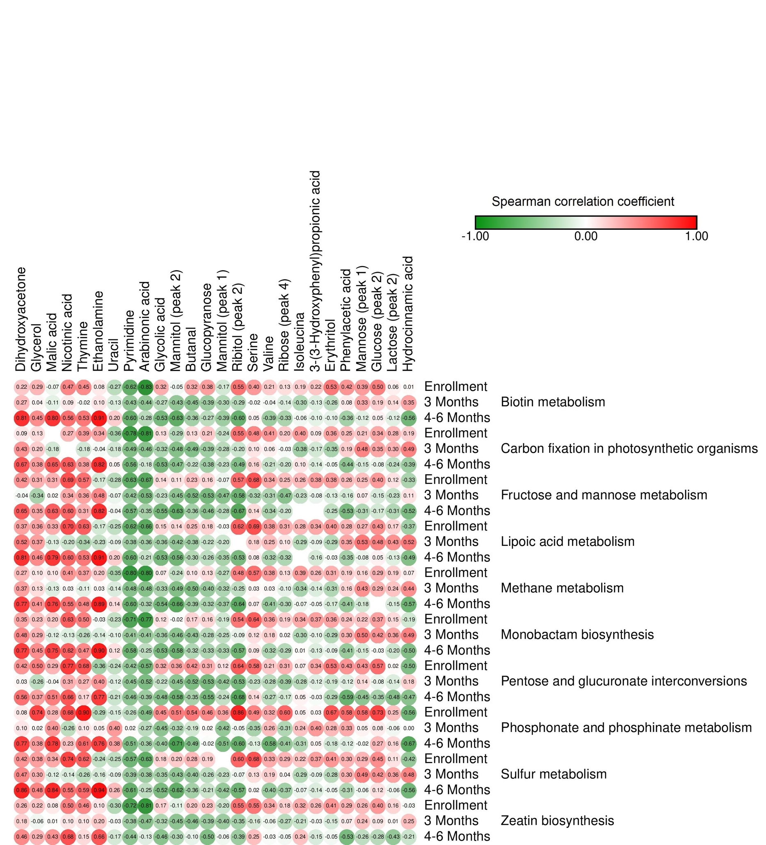
 |  | Glycolic acid | Dihydroxyacetone | Valine | Isoleucina | Butanal | Serine | Glycerol | Nicotinic acid | Uracil | Pyrimidine | Arabinonic acid | Thymine | Malic acid | Ethanolamine | Erythritol | Phenylacetic acid | Glucopyranose | Mannitol (peak 1) | Ribose (peak 4) | Mannitol (peak 2) | 3-(3-Hydroxyphenyl)propionic acid | Ribitol (peak 2) | Hydrocinnamic acid | Mannose (peak 1) | Glucose (peak 2) | Lactose (peak 2)
 | Enrollment | 0,320764893 | 0,216595126 | 0,20582049 | 0,1901392 | 0,321706623 | 0,399000438 | 0,285742257 | 0,473883805 | NA | -0,270412338 | -0,620786436 | -0,834640241 | 0,387639128 | 0,453976407 | -0,069291131 | 0,081591602 | 0,525367379 | 0,418362386 | 0,378716594 | -0,170910312 | 0,129167139 | -0,051308094 | 0,222321559 | 0,550584542 | 0,014544367 | 0,393102451 | 0,503764919 | 0,062890762
Biotin metabolism | 3 Months | -0,267838131 | 0,265711743 | -0,043612018 | -0,302969391 | -0,454276751 | -0,017399775 | 0,038179465 | 0,08745743 | -0,174767963 | -0,133405375 | -0,427430024 | -0,437256361 | NA | -0,019960316 | -0,10768766 | 0,102213232 | -0,259852115 | 0,082532613 | -0,392299709 | -0,303691421 | -0,143123745 | -0,428051621 | -0,131605309 | -0,285703252 | 0,345481234 | 0,330172892 | 0,187422336 | 0,136171971
 | 4-6 Months | -0,534277431 | 0,813832242 | -0,389217529 | -0,055758432 | -0,362252255 | 0,051841186 | 0,450974826 | 0,56365429 | 0,133388403 | 0,196010609 | -0,603870966 | -0,278001451 | -0,697981407 | 0,531609951 | 0,801057847 | 0,914862167 | -0,100326273 | -0,360273486 | -0,270081275 | -0,386336036 | -0,332105415 | -0,630824087 | -0,103388669 | -0,597403758 | -0,556290911 | -0,117751793 | 0,051679592 | -0,117182123
 | Enrollment | 0,128478736 | 0,094301184 | 0,409088381 | 0,395507387 | 0,132418932 | 0,477170287 | 0,134927303 | 0,273474851 | NA | -0,355399409 | -0,778497786 | -0,81377734 | 0,253386309 | 0,390213424 | NA | 0,343840378 | 0,362140938 | 0,254749551 | 0,213260047 | -0,236070877 | 0,203462234 | -0,288232536 | 0,091800154 | 0,547322935 | 0,190300199 | 0,213200712 | 0,34121094 | 0,282811071
Carbon fixation in photosynthetic organisms | 3 Months | -0,32166796 | 0,426404186 | 0,061614941 | -0,375031668 | -0,490478183 | 0,101938244 | 0,197447256 | NA | -0,222104739 | -0,176004254 | -0,488580498 | -0,460500248 | NA | -0,178498834 | -0,175995027 | -0,036684734 | -0,347385454 | 0,19290168 | -0,388245367 | -0,277653628 | -0,03068758 | -0,47987404 | -0,17192697 | -0,204433602 | 0,49035382 | 0,481826063 | 0,35281588 | 0,302966742
 | 4-6 Months | -0,529687416 | 0,674722724 | -0,212206201 | 0,097484334 | -0,219974251 | 0,162938559 | 0,376194028 | 0,634951013 | NA | 0,051699644 | -0,560653888 | -0,182476473 | -0,606778185 | 0,379887598 | 0,654959574 | 0,819276324 | -0,052602605 | -0,444723204 | -0,37513097 | -0,226301996 | -0,197839831 | -0,471365392 | -0,135041102 | -0,486642185 | -0,385929399 | -0,150628951 | -0,079555736 | -0,241196853
 | Enrollment | 0,140219187 | 0,422190341 | 0,342594996 | 0,264714052 | 0,233509719 | 0,677642438 | 0,308765548 | 0,691311675 | NA | -0,280956874 | -0,633636816 | -0,665587447 | 0,279355213 | 0,5666878 | 0,308279984 | -0,168559367 | 0,380323617 | 0,264391375 | 0,158577788 | -0,066657448 | 0,247998793 | 0,109061367 | 0,377924319 | 0,573020543 | -0,333442634 | 0,252180432 | 0,404541457 | 0,119589513
Fructose and mannose metabolism | 3 Months | -0,228403313 | -0,036462418 | -0,313885149 | -0,228137236 | -0,519468954 | -0,315672925 | -0,337336097 | 0,337535612 | -0,116626995 | -0,072796418 | -0,421921993 | -0,528646468 | NA | 0,360396488 | 0,024288882 | 0,475551141 | -0,132645783 | -0,157584823 | -0,534022474 | -0,470964607 | -0,466703903 | -0,446840707 | -0,075939873 | -0,580178872 | 0,108323598 | 0,071516805 | -0,152630874 | -0,225059691
 | 4-6 Months | -0,545314443 | 0,652422748 | -0,33604175 | NA | -0,359415854 | 0,138828035 | 0,348779458 | 0,601357507 | -0,101746529 | -0,039617392 | -0,565235007 | -0,354162759 | -0,643439263 | 0,311382573 | 0,633915067 | 0,816646562 | -0,245498111 | -0,529242894 | -0,46198138 | -0,280322764 | -0,20045005 | -0,626134245 | NA | -0,6684712 | -0,515097015 | -0,31460476 | -0,174341278 | -0,30826806
 | Enrollment | 0,15497178 | 0,366166309 | 0,382514321 | 0,281741297 | 0,2451837 | 0,688774319 | 0,356585344 | 0,704716178 | NA | -0,248772532 | -0,618132257 | -0,664248581 | 0,316884322 | 0,626989223 | 0,325906948 | -0,166481906 | 0,401185224 | 0,282619598 | 0,176962048 | -0,028209429 | 0,313026559 | 0,144839431 | 0,340103711 | 0,623945497 | -0,366158034 | 0,272658449 | 0,433911473 | 0,172933791
Lipoic acid metabolism | 3 Months | -0,3621088 | 0,524711396 | 0,2544314 | -0,287102067 | -0,380614764 | 0,182229479 | 0,373371717 | -0,198344238 | -0,133437374 | -0,093260162 | -0,378584555 | -0,358164951 | NA | -0,336788876 | -0,133248233 | -0,232362492 | -0,288504033 | 0,353224943 | -0,216791961 | -0,202384039 | 0,100331644 | -0,424601899 | -0,086996023 | NA | 0,517717055 | 0,532712172 | 0,484799579 | 0,431847758
 | 4-6 Months | -0,528758994 | 0,805564154 | -0,322085174 | NA | -0,299280118 | 0,075678877 | 0,458377072 | 0,597095847 | 0,135829327 | 0,197122893 | -0,595256972 | -0,212824053 | -0,671603085 | 0,529874739 | 0,788760067 | 0,910764234 | -0,032071308 | -0,351618609 | -0,264547894 | -0,34827915 | -0,315696837 | -0,560497658 | -0,159670218 | -0,528546287 | -0,492278547 | -0,078357865 | 0,053180081 | -0,126612413
 | Enrollment | 0,070792345 | 0,271491745 | 0,37820931 | 0,387076714 | 0,102814655 | 0,568262736 | 0,099096817 | 0,409807425 | NA | -0,347934658 | -0,796108341 | -0,796132991 | 0,178968884 | 0,368884118 | 0,098707425 | 0,195759657 | 0,306259533 | 0,19310409 | 0,134346713 | -0,271812306 | 0,133841061 | -0,237238779 | 0,26011216 | 0,484554741 | 0,066439796 | 0,158729792 | 0,291271905 | 0,1917435
Methane metabolism | 3 Months | -0,330223396 | 0,373376728 | 0,02769232 | -0,344961705 | -0,501128661 | 0,034844153 | 0,132734295 | 0,025927215 | -0,191651426 | -0,144620842 | -0,477983986 | -0,479718659 | NA | -0,107591746 | -0,132561233 | 0,028255248 | -0,307460548 | 0,16491344 | -0,403989463 | -0,319644432 | -0,09807063 | -0,488975947 | -0,1413752 | -0,251924136 | 0,442456597 | 0,432676945 | 0,293782535 | 0,235179102
 | 4-6 Months | -0,543674057 | 0,774985929 | -0,405110592 | -0,066545634 | -0,385444383 | 0,066900458 | 0,414055958 | 0,552632361 | 0,078874863 | 0,141520109 | -0,602724388 | -0,321165396 | -0,700529208 | 0,479113811 | 0,764921667 | 0,887827817 | -0,165297725 | -0,405420975 | -0,318530313 | -0,372448042 | -0,301190088 | -0,658478221 | -0,046266366 | -0,641318441 | -0,571437692 | -0,177413536 | NA | -0,152098569
 | Enrollment | 0,121125795 | 0,348844831 | 0,359775284 | 0,336212936 | 0,170694521 | 0,640095622 | 0,228730259 | 0,632728426 | NA | -0,233037126 | -0,707514947 | -0,772504229 | 0,242631101 | 0,503931043 | 0,200975613 | -0,034943001 | 0,358039144 | 0,235490812 | 0,162529274 | -0,189031323 | 0,188053874 | -0,018699625 | 0,372885723 | 0,536607003 | -0,187011854 | 0,219227049 | 0,367719931 | 0,145033372
Monobactam biosynthesis | 3 Months | -0,362139944 | 0,475740157 | 0,182167782 | -0,30254651 | -0,427641688 | 0,123732754 | 0,291229544 | -0,126875631 | -0,145741447 | -0,102424952 | -0,413589328 | -0,407304075 | NA | -0,255723499 | -0,124324499 | -0,141233821 | -0,28962146 | 0,296163194 | -0,281962583 | -0,253036002 | 0,02466123 | -0,455152426 | -0,097164061 | -0,088577397 | 0,492948872 | 0,500432648 | 0,42143403 | 0,363382975
 | 4-6 Months | -0,528983833 | 0,769967397 | -0,318577163 | 0,010450494 | -0,316201338 | 0,091382408 | 0,446462827 | 0,619184551 | 0,058022807 | 0,12065332 | -0,580971905 | -0,253779319 | -0,655882999 | 0,46672897 | 0,747440492 | 0,897909101 | -0,08611149 | -0,406476409 | -0,326976388 | -0,332859368 | -0,291759512 | -0,576737626 | -0,134436479 | -0,570235278 | -0,49764393 | -0,154425674 | -0,025183405 | -0,198406377
 | Enrollment | 0,317913946 | 0,417793966 | 0,212710609 | 0,068465607 | 0,423630994 | 0,578197762 | 0,504590315 | 0,770553621 | NA | -0,239475734 | -0,419737682 | -0,56910719 | 0,446596352 | 0,67552289 | 0,288546285 | -0,361869426 | 0,531811675 | 0,429080763 | 0,312133076 | 0,120020102 | 0,306700495 | 0,356454379 | 0,338238929 | 0,638285178 | -0,502015142 | 0,428704774 | 0,567159221 | 0,022722284
Pentose and glucuronate interconversions | 3 Months | -0,221123305 | 0,034701569 | -0,277117478 | -0,27651198 | -0,51837829 | -0,2311081 | -0,25811009 | 0,307650885 | -0,162986412 | -0,119345316 | -0,448077292 | -0,515756452 | NA | 0,272821163 | -0,03611008 | 0,399499703 | -0,192036797 | -0,124942281 | -0,527188098 | -0,424716482 | -0,38601983 | -0,445354345 | -0,121442079 | -0,530884262 | 0,17683225 | 0,140539695 | -0,076340545 | -0,138234164
 | 4-6 Months | -0,475190844 | 0,555732043 | -0,267810258 | 0,052481184 | -0,352748586 | 0,144653306 | 0,366769249 | 0,661112852 | -0,268129816 | -0,205564344 | -0,462689741 | -0,394025107 | -0,52305109 | 0,165452393 | 0,50898615 | 0,766712812 | -0,290923958 | -0,59071776 | -0,55081428 | -0,240050097 | -0,171913583 | -0,583521575 | -0,0329244 | -0,683108151 | -0,469164241 | -0,451502567 | -0,34758252 | -0,481486398
 | Enrollment | 0,45249564 | 0,082928456 | 0,323553017 | 0,053752626 | 0,538939815 | 0,493931571 | 0,742924633 | 0,684997513 | NA | -0,152400616 | -0,259555609 | -0,489673519 | 0,668757778 | 0,904926623 | 0,278503785 | -0,291935543 | 0,670634055 | 0,57567414 | 0,463929816 | 0,363614507 | 0,603504614 | 0,508996215 | 0,032499427 | 0,861293768 | -0,558516025 | 0,579230695 | 0,733639973 | 0,246207043
Phosphonate and phosphinate metabolism | 3 Months | -0,453813794 | 0,100124638 | 0,259843481 | 0,239859455 | -0,187412422 | -0,346680843 | 0,021135718 | -0,263457036 | 0,367861678 | 0,397138579 | 0,021391635 | -0,268018614 | NA | 0,103802764 | 0,402282973 | 0,054115349 | 0,276426135 | 0,33137987 | 0,017471334 | -0,419618638 | -0,313149064 | -0,317019875 | 0,398433042 | -0,051960061 | NA | 0,049135011 | 0,077316725 | -0,056475602
 | 4-6 Months | -0,403529708 | 0,765940114 | -0,578620588 | -0,306699684 | -0,486698355 | -0,126031344 | 0,375531252 | 0,230321578 | 0,327423678 | 0,376707289 | -0,514300599 | -0,356064838 | -0,662685734 | 0,60567963 | 0,783015206 | 0,756589759 | -0,180882607 | -0,124849892 | -0,023765895 | -0,510854929 | -0,413937587 | -0,712634603 | 0,047416129 | -0,604894976 | -0,669630894 | -0,023009063 | 0,26690836 | 0,157037884
 | Enrollment | 0,1758215 | 0,420614232 | 0,329883966 | 0,224479244 | 0,277454351 | 0,67702128 | 0,376406601 | 0,740042071 | NA | -0,25057029 | -0,569655568 | -0,625800995 | 0,323941883 | 0,622765044 | 0,339054572 | -0,244902617 | 0,412315147 | 0,298097421 | 0,185383362 | NA | 0,290388546 | 0,202448261 | 0,374298326 | 0,603788226 | -0,421391611 | 0,291658686 | 0,44632434 | 0,112552524
Sulfur metabolism | 3 Months | -0,349287187 | 0,467629458 | 0,191536665 | -0,286108113 | -0,400925741 | 0,130157997 | 0,297453259 | -0,138309612 | -0,13580795 | -0,094805388 | -0,389260223 | -0,381252854 | NA | -0,262667379 | -0,119737151 | -0,155159683 | -0,276679146 | 0,297912713 | -0,256384838 | -0,233436786 | 0,038932829 | -0,431403734 | -0,089533096 | -0,065928118 | 0,47851211 | 0,487506186 | 0,418550881 | 0,363436067
 | 4-6 Months | -0,523008453 | 0,855234131 | -0,399145805 | -0,070537242 | -0,359136282 | 0,023757625 | 0,481838739 | 0,550568735 | 0,200663938 | 0,262971076 | -0,60658092 | -0,252093435 | -0,703994718 | 0,591954442 | 0,842948882 | 0,937313781 | -0,053525473 | -0,305434084 | -0,209878187 | -0,415335501 | -0,370784111 | -0,624351116 | -0,139370161 | -0,569399031 | -0,562206125 | -0,059000091 | 0,116251507 | -0,06286502
 | Enrollment | 0,174210407 | 0,25997553 | 0,337190126 | 0,317947812 | 0,202614081 | 0,545115501 | 0,216212292 | 0,497126563 | NA | -0,29583989 | -0,721749564 | -0,810279385 | 0,283459588 | 0,461523642 | 0,081520099 | 0,101383695 | 0,406759857 | 0,291000384 | 0,231828083 | -0,200898433 | 0,1758514 | -0,108425711 | 0,262944419 | 0,54952522 | -0,028499311 | 0,264089347 | 0,398940445 | 0,160006975
Zeatin biosynthesis | 3 Months | -0,315058118 | 0,176845679 | -0,064534471 | -0,209245954 | -0,462641261 | -0,160325961 | -0,06313159 | 0,098021987 | -0,074312533 | -0,030872681 | -0,380746027 | -0,469218244 | NA | 0,103952645 | 0,012607637 | 0,203271134 | -0,149382903 | 0,07078842 | -0,389535196 | -0,397029026 | -0,274572755 | -0,450313774 | -0,03034405 | -0,347334675 | 0,248418113 | 0,237444317 | 0,091662163 | 0,014946943
 | 4-6 Months | -0,464376317 | 0,463440878 | -0,027092704 | 0,238865855 | -0,095407575 | 0,251919069 | 0,291424943 | 0,683394028 | -0,218432416 | -0,167734702 | -0,442816507 | -0,127318551 | -0,439533685 | 0,146403741 | 0,425991426 | 0,662089001 | -0,053263083 | -0,532873488 | -0,498536588 | -0,05881622 | -0,053496087 | -0,302249569 | -0,152584592 | -0,389687416 | -0,207222234 | -0,255019517 | -0,283254349 | -0,4250862

Longit_Exp_Spec_Metab
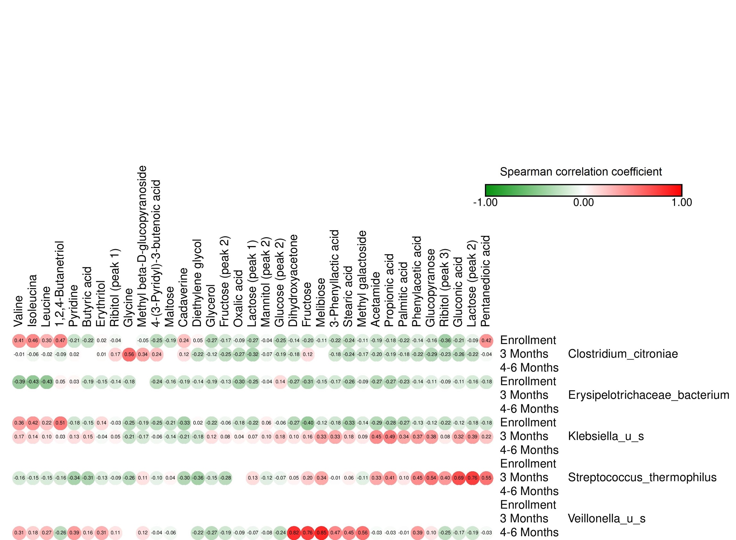
 |  | Acetamide | Propionic acid | Pyridine | Dihydroxyacetone | Valine (peak 1) | Butyric acid | Leucine | Isoleucina | Diethylene glycol (I) | Glycerol | Glycine | 1,2,4-Butanetriol | Oxalic acid | 4-(3-Pyridyl)-3-butenoic acid | Erythritol | 3-Phenyllactic acid | Phenylacetic acid | Glucopyranose | Mannitol (peak 2) | Ribitol (peak 1) | Methyl beta-D-glucopyranoside (I) | Cadaverine | Fructose (peak 2) | Gluconic acid | Glucose (peak 2) | Ribitol (peak 3) | Stearic acid | Fructose | Methyl galactoside | Pentanedioic acid | Maltose | Lactose (peak 1) | Palmitic acid | Lactose (peak 2) | Melibiose
 | Enrollment | -0.19375840967 | -0.18364213319 | -0.20752921051 | -0.14259314124 | 0.41216202095 | -0.21575124426 | 0.29701643786 | 0.46368481185 | 0.045710392021 | -0.26697816532 | NA | 0.46679499347 | -0.093323751829 | -0.25361306206 | 0.020796167727 | -0.22235910253 | -0.13774976511 | -0.15948959795 | -0.035492690071 | -0.043715111794 | -0.046945342184 | 0.23532176898 | -0.17160795117 | -0.21132745965 | -0.25046484946 | -0.36018138579 | -0.23843189088 | -0.20269659436 | -0.10950837879 | 0.42038174369 | -0.19205806247 | -0.2692876113 | -0.21921280011 | -0.089469269762 | -0.11188937323
Clostridium_citroniae | 3 Months | -0.20106058838 | -0.18884617903 | 0.017297070667 | -0.17959385374 | -0.01375347972 | NA | -0.023197219484 | -0.059392116592 | -0.22101685792 | -0.11919499264 | 0.56279002705 | -0.08679759706 | -0.26971984204 | 0.23530114962 | 0.012574924114 | -0.18325285988 | -0.22054340524 | -0.29173469375 | -0.072601235309 | 0.16829984302 | 0.33803033674 | 0.11639381506 | -0.24979689906 | -0.26121013757 | -0.1867516638 | -0.23163103373 | -0.2446660429 | 0.12476286639 | -0.171740217 | -0.03558706728 | NA | -0.32272977176 | -0.17889523926 | -0.22154487141 | NA
 | 4-6 Months | NA | NA | NA | NA | NA | NA | NA | NA | NA | NA | NA | NA | NA | NA | NA | NA | NA | NA | NA | NA | NA | NA | NA | NA | NA | NA | NA | NA | NA | NA | NA | NA | NA | NA | NA
 | Enrollment | -0.27118863105 | -0.26543703957 | 0.034661733804 | -0.2715613886 | -0.39077530906 | -0.18568264542 | -0.43034685906 | -0.43371085397 | -0.13720676107 | -0.19230254639 | -0.18155382542 | 0.045426749551 | -0.30205353942 | -0.23921607853 | -0.15046984141 | -0.17002710923 | -0.13896160976 | -0.11297140778 | -0.042695671412 | -0.13570834529 | NA | -0.18782731216 | -0.12600558883 | -0.11444876378 | 0.13674969617 | -0.09351824573 | -0.2641090058 | -0.31019011311 | -0.092401026044 | -0.1788338573 | -0.15734483609 | -0.25267936271 | -0.23160913155 | -0.15744040818 | -0.15256509816
Erysipelotrichaceae_bacterium | 3 Months | NA | NA | NA | NA | NA | NA | NA | NA | NA | NA | NA | NA | NA | NA | NA | NA | NA | NA | NA | NA | NA | NA | NA | NA | NA | NA | NA | NA | NA | NA | NA | NA | NA | NA | NA
 | 4-6 Months | NA | NA | NA | NA | NA | NA | NA | NA | NA | NA | NA | NA | NA | NA | NA | NA | NA | NA | NA | NA | NA | NA | NA | NA | NA | NA | NA | NA | NA | NA | NA | NA | NA | NA | NA
 | Enrollment | -0.2863919762 | -0.28391900317 | -0.17679627247 | -0.27407308123 | 0.35586370867 | -0.15358372114 | 0.21919632708 | 0.41642765682 | 0.019162866869 | -0.21855264377 | -0.25344389081 | 0.51324038205 | -0.18238634786 | -0.24507357874 | 0.14313014876 | -0.18259516503 | -0.12994788493 | -0.11633817751 | 0.061945797894 | -0.032984120775 | -0.19452224018 | -0.33492917455 | -0.059417401958 | -0.12351010188 | -0.057976168797 | -0.22430986741 | -0.33016899428 | -0.40277652605 | -0.13508077009 | -0.18233145793 | -0.20697940798 | -0.22492264446 | -0.27304488149 | -0.1783392566 | -0.11954378517
Klebsiella_u_s | 3 Months | 0.4461310448 | 0.48948298762 | 0.12672821163 | 0.099070399688 | 0.17287983408 | 0.14546925193 | 0.099546936962 | 0.14306125068 | -0.17819863371 | 0.11839998459 | -0.21281799116 | 0.031461401064 | 0.043303936933 | -0.055912605326 | -0.037062141516 | 0.33347353438 | 0.37004113961 | 0.37951635303 | 0.10226740996 | 0.050098131398 | -0.16832977705 | -0.2118288576 | 0.077287928497 | 0.3242287039 | 0.18337458339 | 0.082175263363 | 0.17845431071 | 0.1639462961 | 0.088241442214 | 0.22202260362 | -0.14219261977 | 0.066249887779 | 0.34210963841 | 0.38677274248 | 0.32952026561
 | 4-6 Months | NA | NA | NA | NA | NA | NA | NA | NA | NA | NA | NA | NA | NA | NA | NA | NA | NA | NA | NA | NA | NA | NA | NA | NA | NA | NA | NA | NA | NA | NA | NA | NA | NA | NA | NA
 | Enrollment | NA | NA | NA | NA | NA | NA | NA | NA | NA | NA | NA | NA | NA | NA | NA | NA | NA | NA | NA | NA | NA | NA | NA | NA | NA | NA | NA | NA | NA | NA | NA | NA | NA | NA | NA
Streptococcus_thermophilus | 3 Months | 0.33370732825 | 0.41461122436 | -0.34068656647 | 0.045516179097 | -0.16494894396 | -0.31292538616 | -0.15208409673 | -0.14747244818 | -0.35818174041 | -0.15419731627 | -0.26405173274 | -0.16358180171 | NA | -0.097777346062 | -0.1317833726 | -0.011899774948 | 0.4465040301 | 0.53816693608 | -0.12327358773 | -0.091738057483 | 0.11025584554 | -0.29921585512 | -0.2772797791 | 0.69135293826 | -0.073942728928 | 0.40096824551 | 0.058822265185 | 0.19590111486 | -0.11300446616 | 0.54851830473 | 0.038956824638 | 0.13366822488 | 0.095595586361 | 0.75925192747 | 0.33544248387
 | 4-6 Months | NA | NA | NA | NA | NA | NA | NA | NA | NA | NA | NA | NA | NA | NA | NA | NA | NA | NA | NA | NA | NA | NA | NA | NA | NA | NA | NA | NA | NA | NA | NA | NA | NA | NA | NA
 | Enrollment | NA | NA | NA | NA | NA | NA | NA | NA | NA | NA | NA | NA | NA | NA | NA | NA | NA | NA | NA | NA | NA | NA | NA | NA | NA | NA | NA | NA | NA | NA | NA | NA | NA | NA | NA
Veillonella_u_s | 3 Months | NA | NA | NA | NA | NA | NA | NA | NA | NA | NA | NA | NA | NA | NA | NA | NA | NA | NA | NA | NA | NA | NA | NA | NA | NA | NA | NA | NA | NA | NA | NA | NA | NA | NA | NA
 | 4-6 Months | -0.025926006269 | -0.025487220003 | 0.3855063475 | 0.82406638081 | 0.30509218343 | 0.16070196132 | 0.27140006233 | 0.18241284746 | -0.21706722914 | -0.27438759423 | NA | -0.25902680621 | -0.087552603426 | -0.037030542609 | 0.31454651583 | 0.46969092086 | 0.38501999568 | 0.099809180019 | -0.076862589269 | 0.10679858955 | 0.12236215769 | NA | -0.19194112386 | -0.16730209582 | -0.23879690503 | -0.24937885985 | 0.44594933673 | 0.75666140577 | 0.55717828826 | -0.032114060175 | -0.055914959778 | -0.069621577766 | -0.01274284411 | -0.1859543593 | 0.85045225578

Longit_NotExp_Spec_Metab
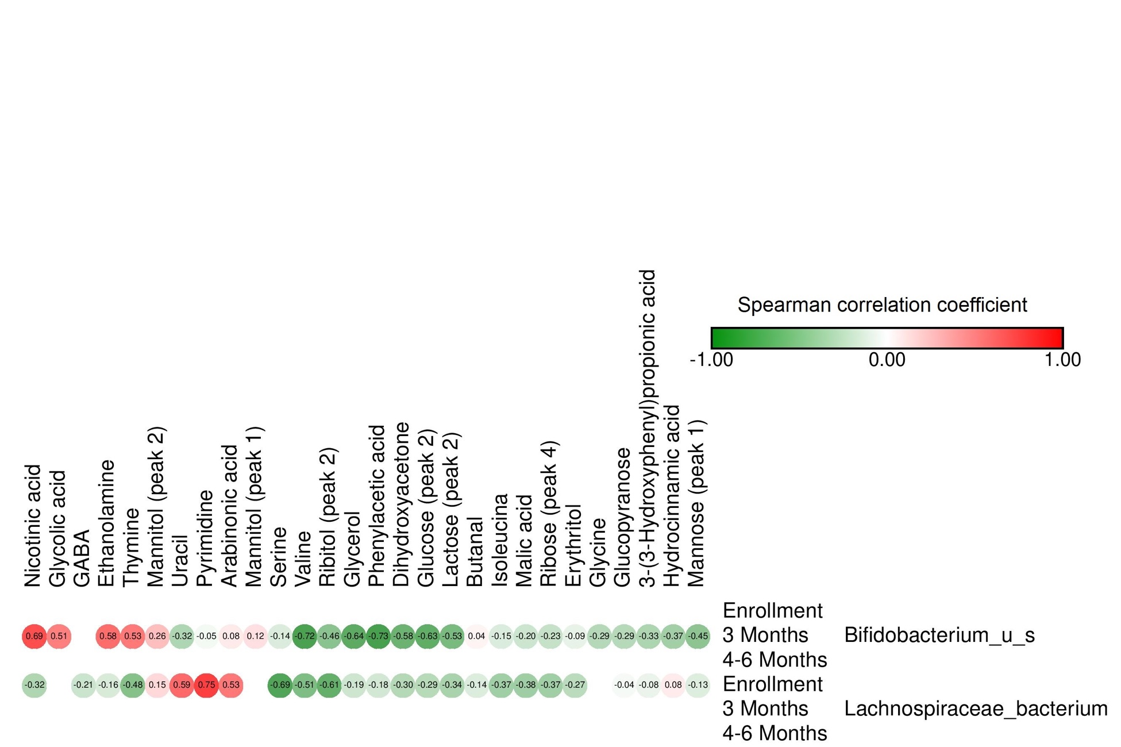
 |  | Glycolic acid | Dihydroxyacetone | Valine | Isoleucina | Butanal | Serine | Glycerol | Nicotinic acid | Glycine | Uracil | Pyrimidine | Arabinonic acid | GABA | Thymine | Malic acid | Ethanolamine | Erythritol | Phenylacetic acid | Glucopyranose | Mannitol (peak 1) | Ribose (peak 4) | Mannitol (peak 2) | 3-(3-Hydroxyphenyl)propionic acid | Ribitol (peak 2) | Hydrocinnamic acid | Mannose (peak 1) | Glucose (peak 2) | Lactose (peak 2)
 | Enrollment | NA | NA | NA | NA | NA | NA | NA | NA | NA | NA | NA | NA | NA | NA | NA | NA | NA | NA | NA | NA | NA | NA | NA | NA | NA | NA | NA | NA
Bifidobacterium_u_s | 3 Months | 0.50660489584 | -0.58323910487 | -0.71997723401 | -0.14654552022 | 0.043778031204 | -0.14435431807 | -0.64435776242 | 0.69377986964 | -0.29418575883 | -0.31643821445 | -0.04950085705 | 0.083971399705 | NA | 0.52627436767 | -0.20050200229 | 0.57589087087 | -0.092898219873 | -0.73196942478 | -0.28792260055 | 0.12394690647 | -0.23165283812 | 0.25589435328 | -0.32584806571 | -0.46242345139 | -0.36781253734 | -0.45300968296 | -0.62981580954 | -0.53276272676
 | 4-6 Months | NA | NA | NA | NA | NA | NA | NA | NA | NA | NA | NA | NA | NA | NA | NA | NA | NA | NA | NA | NA | NA | NA | NA | NA | NA | NA | NA | NA
 | Enrollment | NA | -0.2951045113 | -0.51052424004 | -0.3715861577 | -0.13695182448 | -0.6887604565 | -0.19327746964 | -0.31924407384 | NA | 0.58937811637 | 0.75476456102 | 0.53326314704 | -0.2050406938 | -0.48070350768 | -0.3754555008 | -0.15582076577 | -0.27201445748 | -0.17754230044 | -0.036782930022 | NA | -0.37213821233 | 0.15045261703 | -0.084112058978 | -0.61376156052 | 0.080017712372 | -0.13298255294 | -0.28720274853 | -0.34072679979
Lachnospiraceae_bacterium | 3 Months | NA | NA | NA | NA | NA | NA | NA | NA | NA | NA | NA | NA | NA | NA | NA | NA | NA | NA | NA | NA | NA | NA | NA | NA | NA | NA | NA | NA
 | 4-6 Months | NA | NA | NA | NA | NA | NA | NA | NA | NA | NA | NA | NA | NA | NA | NA | NA | NA | NA | NA | NA | NA | NA | NA | NA | NA | NA | NA | NA

