Age_dist_2001
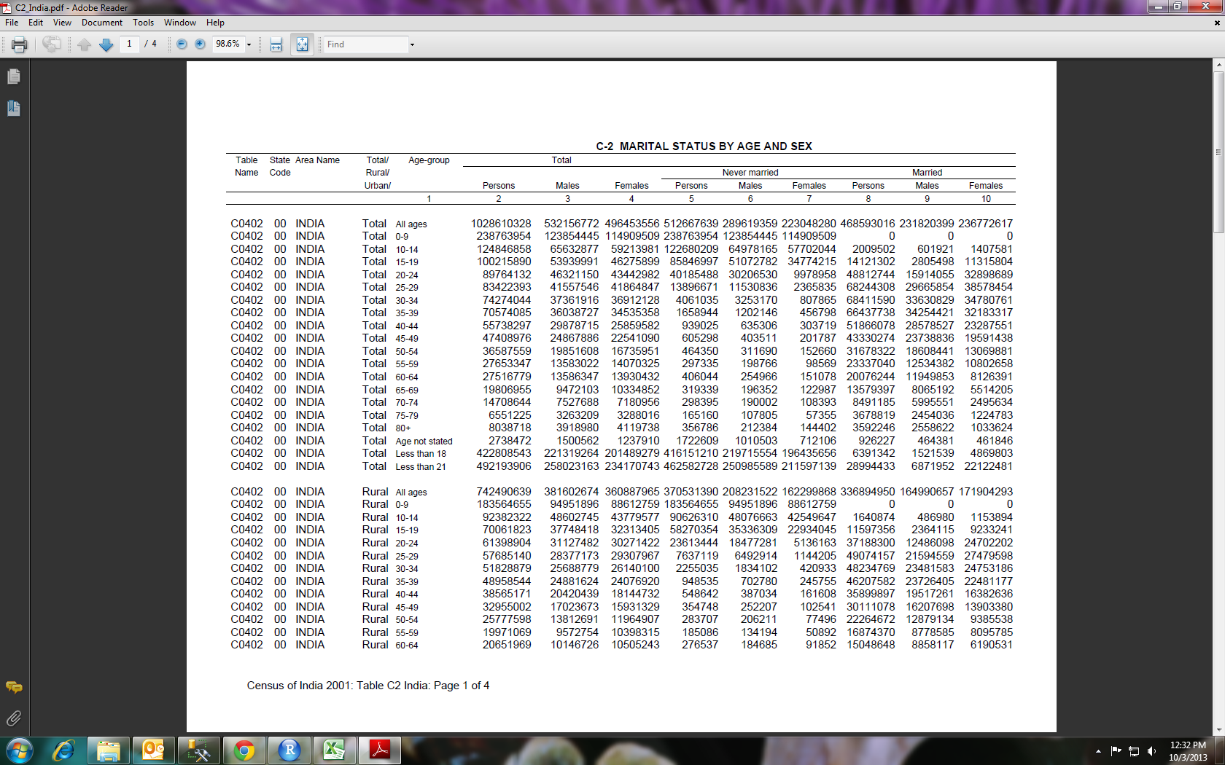
All ages | 1028610328 | 532156772 | 496453556
0-9 | 238763954 | 123854445 | 114909509
10-14 | 124846858 | 65632877 | 59213981
15-19 | 100215890 | 53939991 | 46275899
20-24 | 89764132 | 46321150 | 43442982
25-29 | 83422393 | 41557546 | 41864847
30-34 | 74274044 | 37361916 | 36912128
35-39 | 70574085 | 36038727 | 34535358
40-44 | 55738297 | 29878715 | 25859582
45-49 | 47408976 | 24867886 | 22541090
50-54 | 36587559 | 19851608 | 16735951
55-59 | 27653347 | 13583022 | 14070325
60-64 | 27516779 | 13586347 | 13930432
65-69 | 19806955 | 9472103 | 10334852
70-74 | 14708644 | 7527688 | 7180956
75-79 | 6551225 | 3263209 | 3288016
80+ | 8038718 | 3918980 | 4119738
Age not stated | 2738472 | 1500562 | 1237910
Less than 18 | 422808543 | 221319264 | 201489279
Less than 21 | 492193906 | 258023163 | 234170743

