Exploring test
Protrader 3 software Bug report

Application type: Desktop application for Windows

Test platform configuration:

CPU type: |  | Intel Core i3
GPU type: |  | Intel GMA 4000
RAM: |  | 3 Gb
HDD: |  | 500 Gb
OS: |  | Windows 7 Ultimate (build 2600)

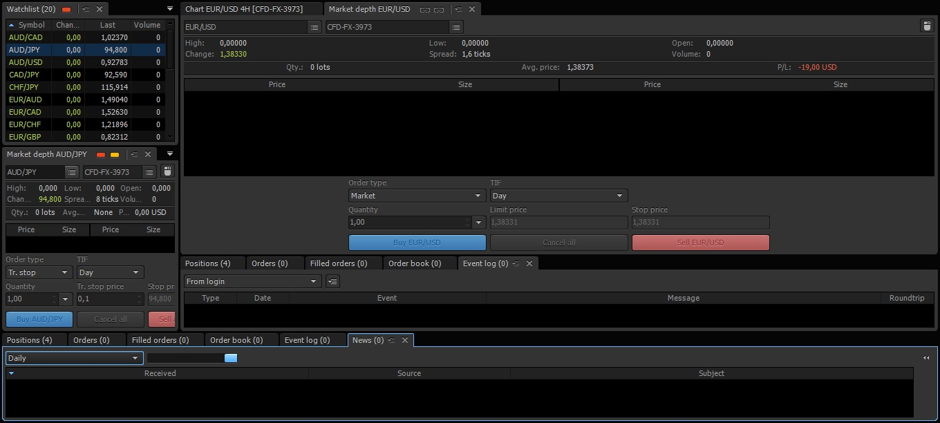
Test results:
ID | Bug Description | Test conditions | Notes | Screenshot (if available)
1 | News feed cannot be displayed. | Trying to open tab "news" and set any of "period of displaying" | Status bar at the right of "period of displaying" list shows user, that it trying to connect. Maybe problem is on news server.

2 | Applicaion crashed | Constantly clicking on "Lock/Unlock workspace" button. | It happened once, and I won't be able to repeat this bug again. Application threw standard windows notification about "close program or find solution in the web", than it reloaded itself and start to behave normally. | I couldn't catch this moment unfortunately

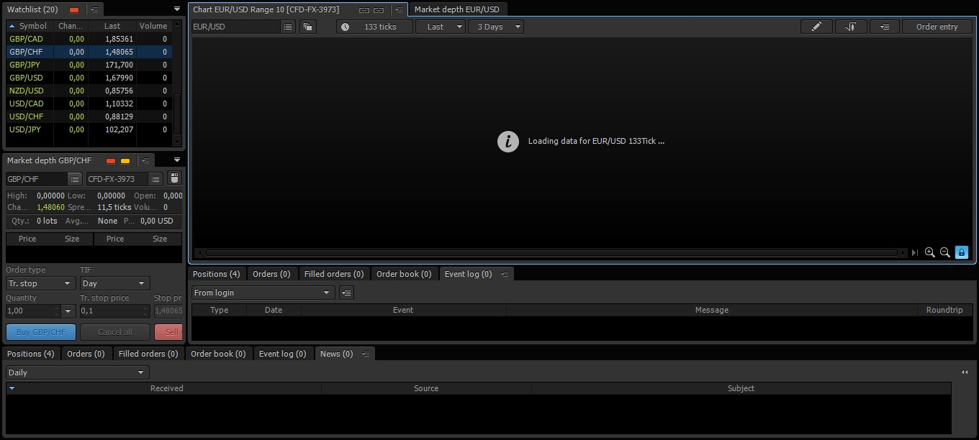
3 | Chart cannot be refreshed or refresh time is too long. | By selecting random aggregation type in chart window. | Sometimes chart refresh stucks like it showed on attached screenshot, sometimes refreshing needs a lot of time (more than 5 seconds).

4 | GUI render bug | After closing/opening app window. | You can see a GUI render bug into Market depth Tab. This bug appeared accidentally. I've closed desktop app window while testing web app. When re-open it, saw this. | 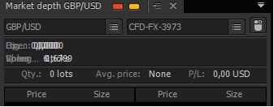

Application type: Web application

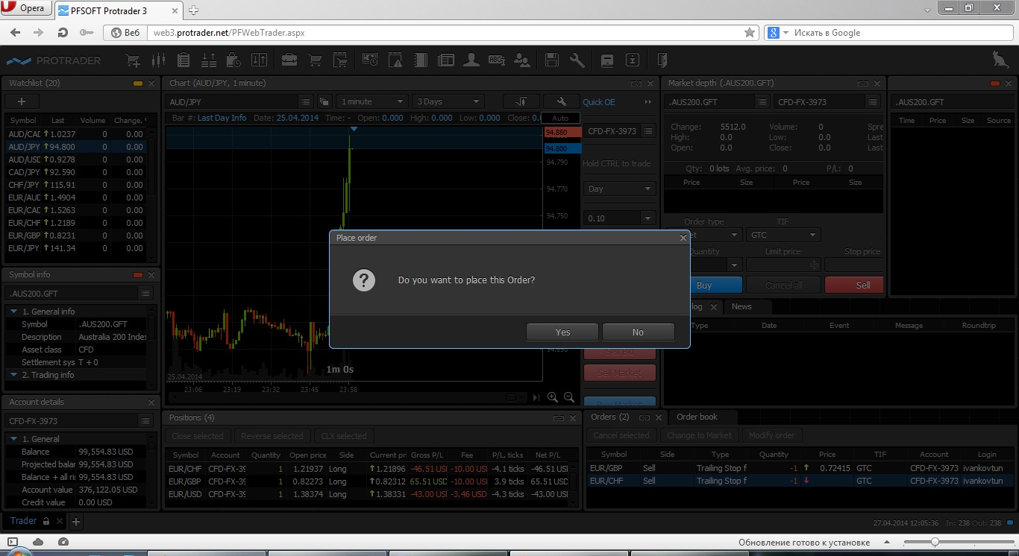
ID | Bug Description | Test conditions | Notes | Screenshot (if available)
1 | Active "Buy/Sell" buttons at Sunday. | Pressing "buy", "sell", "ask", "bid" buttons | Instead of desktop application (were those buttons are inactive today) , in web app user is allowed to press buttons although trading is not allowed at Sunday. Application even open a confirmation dialog (as on attached screenshot).

2 | News Tab is empty | The tab is empty, and in web app there is no "period of displaying" list, which can be used to refresh news feed. | News refreshed and saved only in Android app.

3 | Watchlist can't be saved | Adding strings to Watchlist, than lock workspace and logout. | After logout, watchlist is became default on next login from another browser, or another PC. Under Opera browser, user is able to see his watchlist after login again, but when user will try to login his account from another browser or a desktop app - he'll see the default watchlist.

4 | Incorrect zoom in chart appearance at "auto" mode | EUR/GBP chart, any scale from 1 minute to 1 day. | Accidentally, web app started to display EUR/GBP chart with weird zoom in auto mode. Desktop app still display this chart normally. You can compare two screenshots. (Web app on the left) | 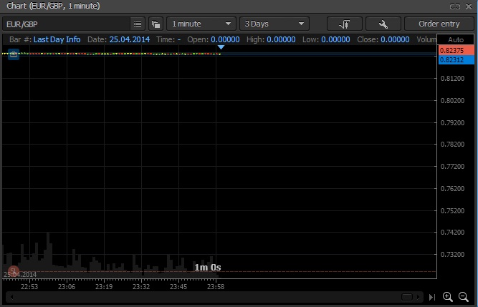 | 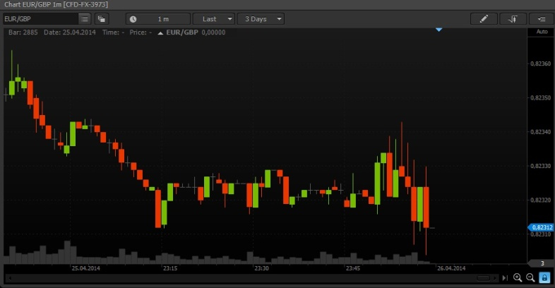

Application type: Android app

Test platform:

 | Hardware model: | Motorola Razr HD
 | OS ver.: | Android 4.1.2

ID | Bug Description | Test conditions | Notes | Screenshot (if available)

1 | Uninthuitive welcome screen skipping | first launch of the app | When launching app first time, there's a greetings window all over main screen. I spent about 30 seconds trying switch it off. You can't tap on it, you can't wipe it, it has no button. The only way was to press Android "back" button, which is mainly used to go back, or exit the app.

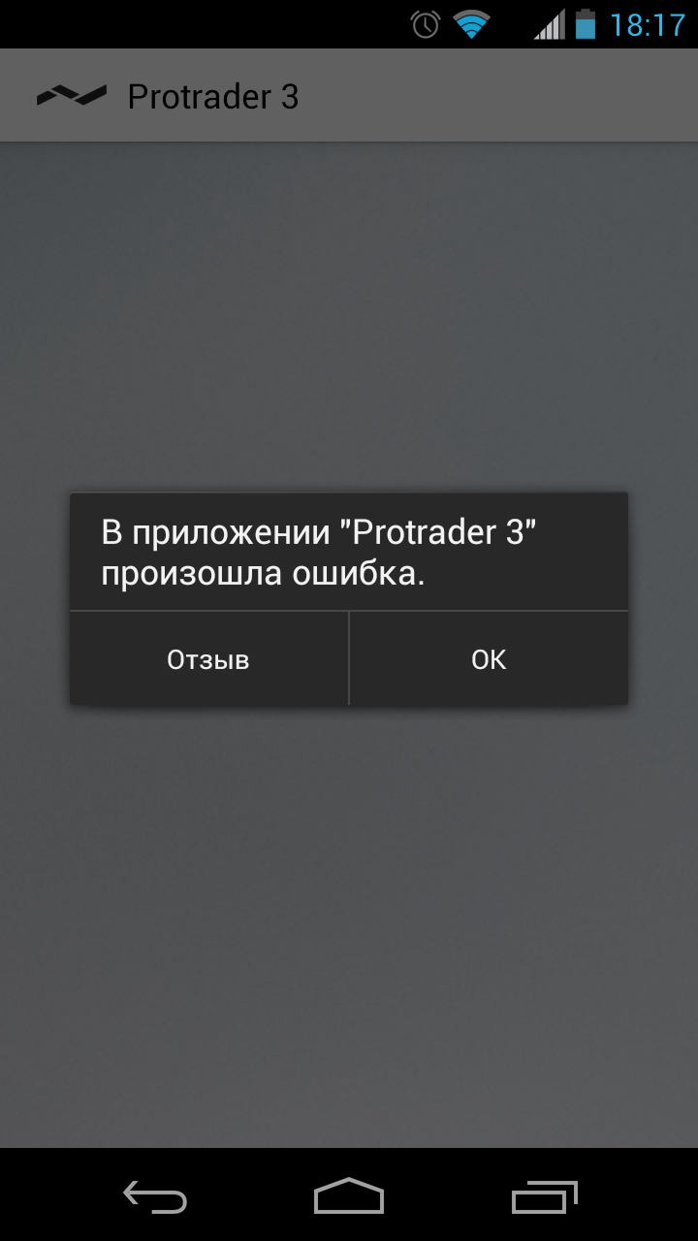
2 | Application crashes | Watchlist->any item->"chart" button->choose "H4" from list. | On every forex (and most of other) item, if user try to edit chart by selecting "H4" (4 hour timescale), application will crash. Sometimes the app can reload automatically to login screen, but often it just close. After some such cases, test platform started to turn on bluetooth, and turn off wi-fi occasionally. Reboot helped.

Selenium automated test
I wondered, if I could use Selenium IDE for simple test of login/logout function in ProTrader 3 Web App.
So I've downloaded all needed software, setup and tweak it.
And now let me introduce you my first test script:

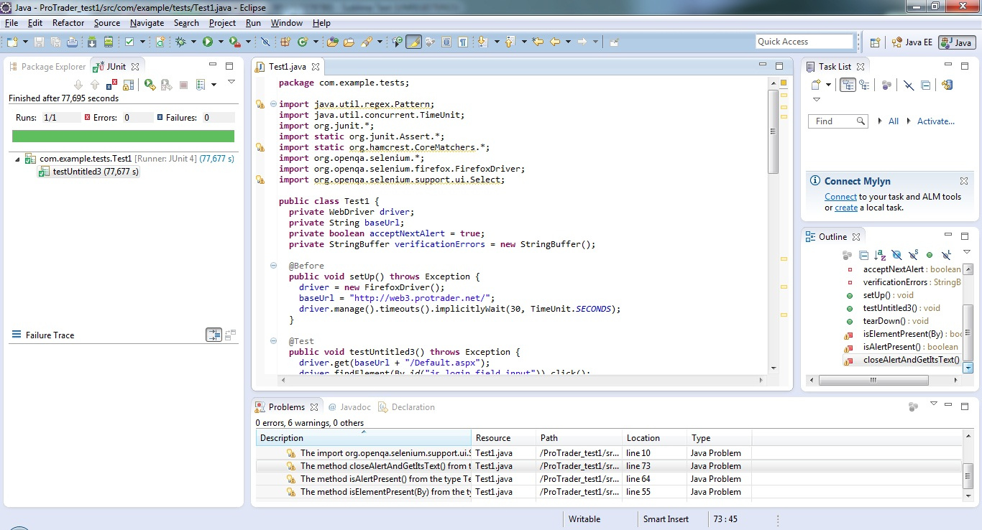
package com.example.tests;

import java.util.regex.Pattern;
import java.util.concurrent.TimeUnit;
import org.junit.*;
import static org.junit.Assert.*;
import static org.hamcrest.CoreMatchers.*;
import org.openqa.selenium.*;
import org.openqa.selenium.firefox.FirefoxDriver;
import org.openqa.selenium.support.ui.Select;

public class Test1 {
private WebDriver driver;
private String baseUrl;
private boolean acceptNextAlert = true;
private StringBuffer verificationErrors = new StringBuffer();

@Before
public void setUp() throws Exception {
driver = new FirefoxDriver();
baseUrl = "http://web3.protrader.net/";
driver.manage().timeouts().implicitlyWait(30, TimeUnit.SECONDS);
}

@Test
public void testUntitled3() throws Exception {
driver.get(baseUrl + "/Default.aspx");
driver.findElement(By.id("js_login_field_input")).click();
driver.findElement(By.id("js_login_field_input")).clear();
driver.findElement(By.id("js_login_field_input")).sendKeys("ivankovtun");
//I don't know why? But every time Selenium generates test, it places line, that click
//"Submit" button, BEFORE entering password. Needed to put those line into right place.
//driver.findElement(By.id("js_blutn_login")).click();
driver.findElement(By.id("js_passw_field_input")).clear();
driver.findElement(By.id("js_passw_field_input")).sendKeys("6301949");
driver.findElement(By.id("js_blutn_login")).click();
//Three lines below were generated by selenium IDE. I had to remove them, because
// they followed to insufficient elements.
//driver.findElement(By.id("js_oet_description_toggler")).click();
//driver.findElement(By.id("js_oe_radio_buy")).click();
//driver.findElement(By.id("js_oe_radio_buy")).click();
driver.findElement(By.id("js_main_top_exit_button")).click();
driver.findElement(By.id("div_551")).click();
}

@After
public void tearDown() throws Exception {
driver.quit();
String verificationErrorString = verificationErrors.toString();
if (!"".equals(verificationErrorString)) {
fail(verificationErrorString);
}
}

private boolean isElementPresent(By by) {
try {
driver.findElement(by);
return true;
} catch (NoSuchElementException e) {
return false;
}
}

private boolean isAlertPresent() {
try {
driver.switchTo().alert();
return true;
} catch (NoAlertPresentException e) {
return false;
}
}

private String closeAlertAndGetItsText() {
try {
Alert alert = driver.switchTo().alert();
String alertText = alert.getText();
if (acceptNextAlert) {
alert.accept();
} else {
alert.dismiss();
}
return alertText;
} finally {
acceptNextAlert = true;
}
}
}

