Cst
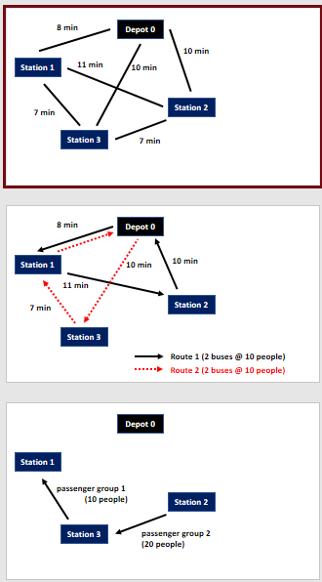
 |  | k
 |  | 1 | 2
i | 1 | 1 | 0
 | 2 | 0 | 1
 | 3 | 1 | 1

