Sheet1
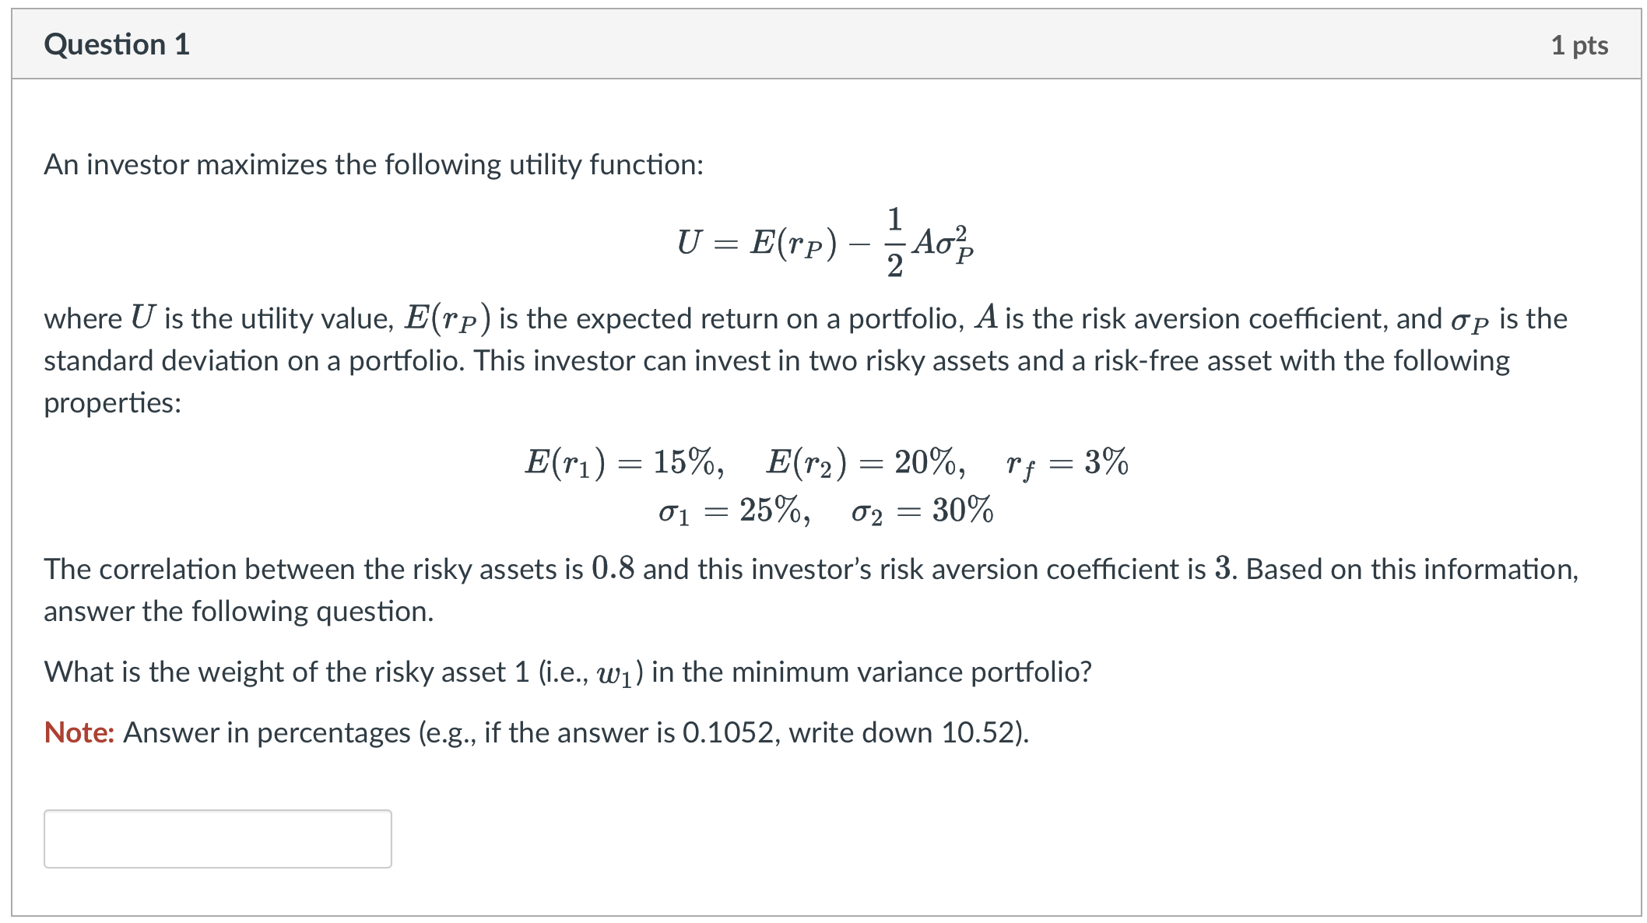
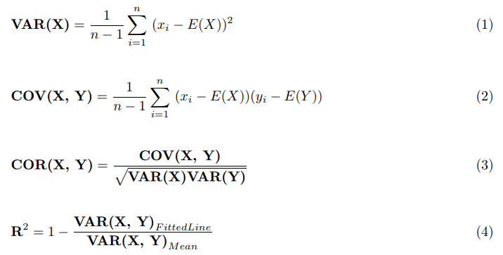

correlation | 0.8
risk aversion (A) | 3
σ_1 | 0.25 | σ_1 square | 0.0625
σ_2 | 0.3 | σ_2 square | 0.09
R_1 | 0.15 | covaraince | 0.06
R_2 | 0.2
rf | 0.03
how to minimise variance

w1 | 0.92307692308
w2 | 0.076923076923
w1 square | 0.85207100592
w2 square | 0.0059171597633
σ_p | 0.062307692308

tangency portfolio return
r1 premium | 0.12
r2 premium | 0.17
w1 | 0.14906832298
w2 | 0.85093167702

weight of risk free in optimal complete protfolio
rp | 0.19254658385
w1 square | 0.022221364916
w2 square | 0.72408471895

σ_p square | 0.081778094981
weight in tangent | 0.66255144033
weight in risk free | 0.33744855967

sharpe ratio of OCP
sharpe | 0.56840691389

Sheet2
