SmallGrid
 | Before
 |  | 1 | 2

1 |  | 4
2 |  |  | 6

 |  |  |  |  | # Edge case here C2+ and contacts two mirrors at the side, assumption that it only reverses back out

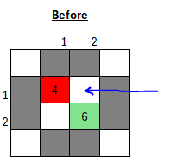
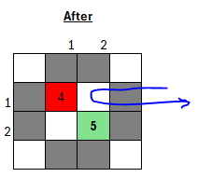
 |  |  |  | Edge Case 1
 | After
 |  | 1 | 2

1 |  | 4
2 |  |  | 6

