Forecasting
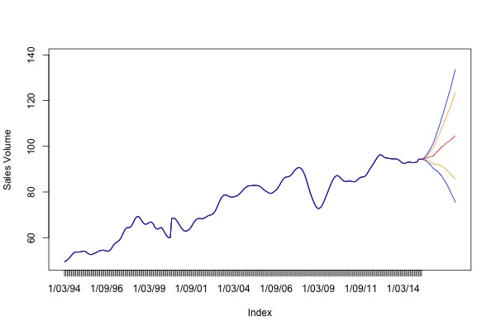
Forecasting
 | Features | Coef
 | ar1 | 1.402756338
 | ar2 | -0.441929633
 | Population (000s) | 0.001091031
 | New arrivals (immigrants) Nos. | -0.000017
 | Employed - full-time Persons ('000) | 0.000213768
 | Employed - Total Persons ('000) | 0.004741534
 | Unemployed - looking for full-time work Persons ('000) | -0.001151242
 | Unemployment (% ) | -0.344983607
 | NAB Business Conditions | -0.014086235
 | NAB Business Confidence | 0.004268032
 | Gross disposable household income (AUD bn) | 0.087252682
 | Avg. weekly Earnings; Persons; Full Time; Adult; Ordinary time earnings (AUD) | -0.001002422
 | Purchase of vehicles: Chain volume measures (AUD bn) | 33.28746537
 | Rent and other dwelling services: Chain volume measures (AUD bn) | -2.656782132
 | Recreation and culture: Chain volume measures (AUD bn) | -9.715438041
 | Food: Chain volume measures (AUD bn) | -6.9309151
 | Final Consumption Expenduture: Chain volume measures (AUD bn) | 2.396251513
 | Total Liabilities (including share capital) (AUD bn) | 0.117588966
 | Total Liabilities - Loans and placements (AUD bn) | -0.139330943
 | Interest Rates (%) | -0.06738145
 | New Motor Cars and station wagons Personal Finance (AUD bn) | -4.136010568
 | Used Motor Cars and station wagons (AUD bn) | -0.235211913
 | Aust. Passenger vehicles nos. | 0.0000306
 | Aust. Sports utility vehicles nos. | 0.00000211
 | Average Age of Motor Vehicles (years) | -2.923628365
 | Oil Prices (USD / bbl) | -0.005677156
 | AUDUSD | -0.912777075
 | AUDJPY | 0.037099175
 | AUDEUR | 2.742210503
Back | Trade Weighted Index | -0.058835781

NAB Business Conditions
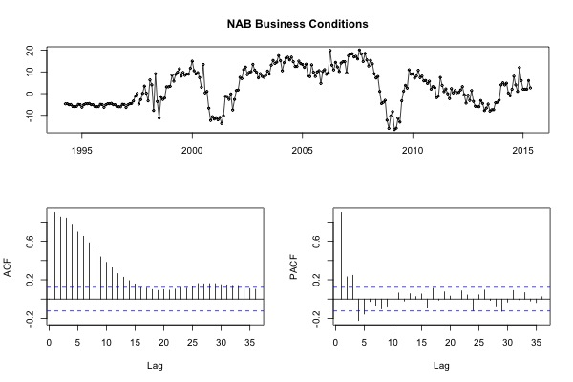
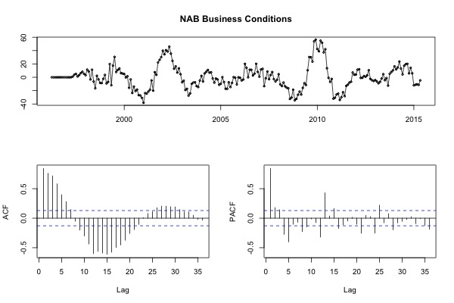
NAB Business Conditions
Back

Forecasting | STL Diagram | Cross correlation with Sales Volume
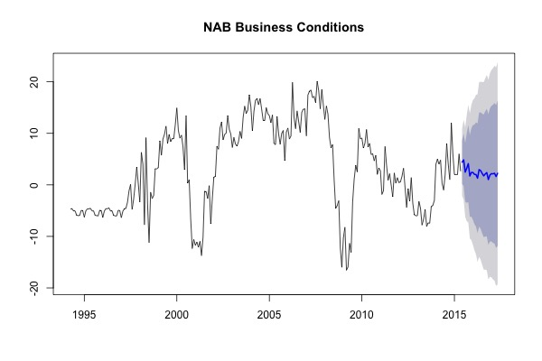
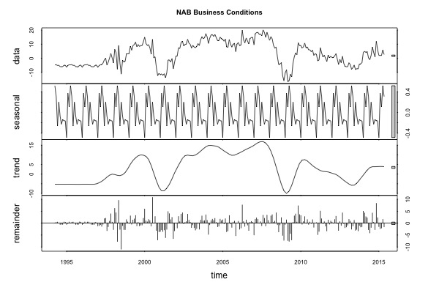
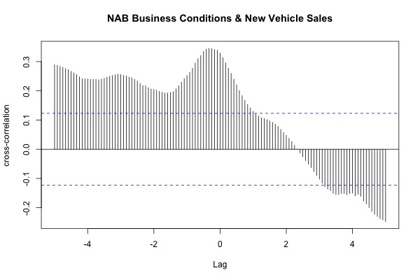

ACF (Autocorrelation) | ACF (Autocorrelation) - 12 Difference

NAB Business Confidence
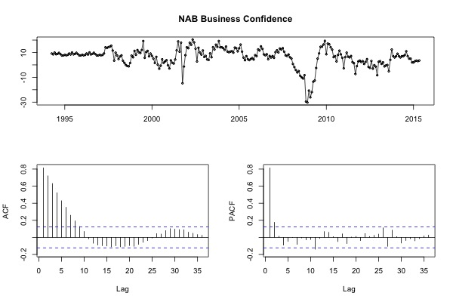
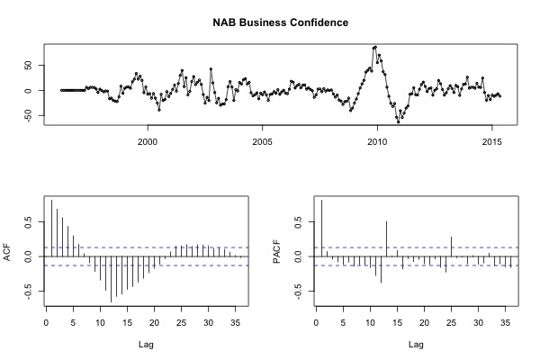
NAB Business Confidence
Back

Forecasting | STL Diagram | Cross correlation with Sales Volume
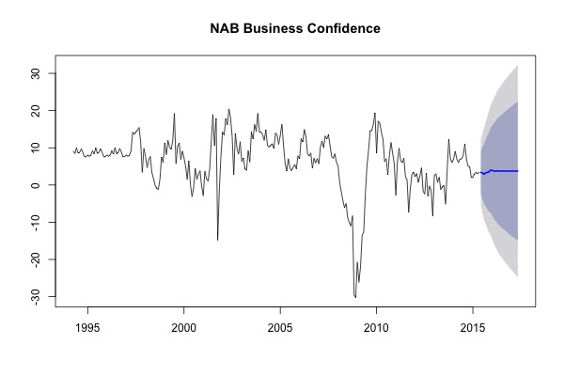
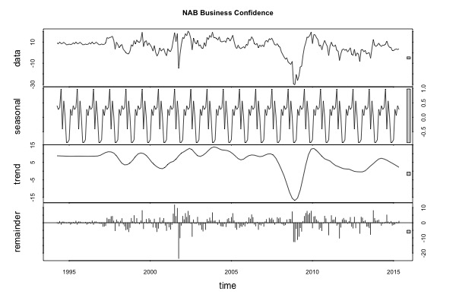
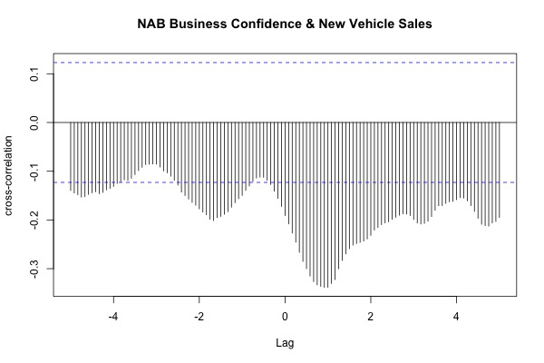

ACF (Autocorrelation) | ACF (Autocorrelation) - 12 Difference

Used Motor
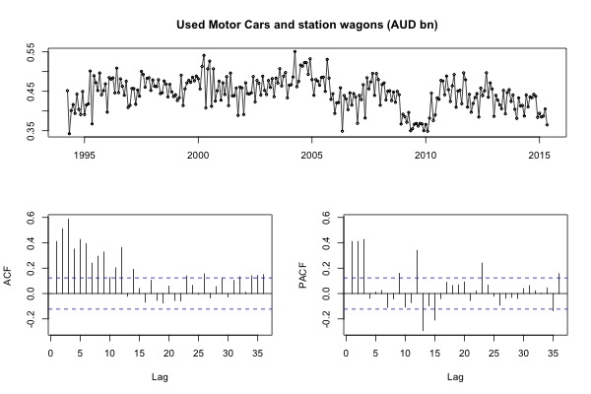
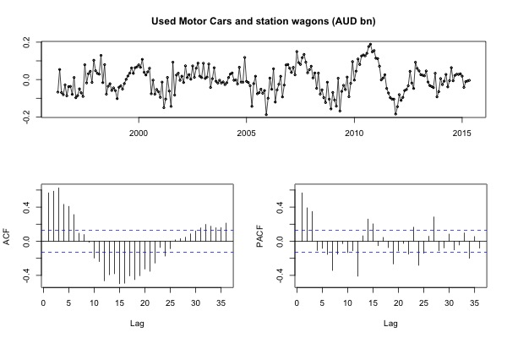
Used Motor Cars and station wagons (AUD bn)
Back

Forecasting | STL Diagram | Cross correlation with Sales Volume
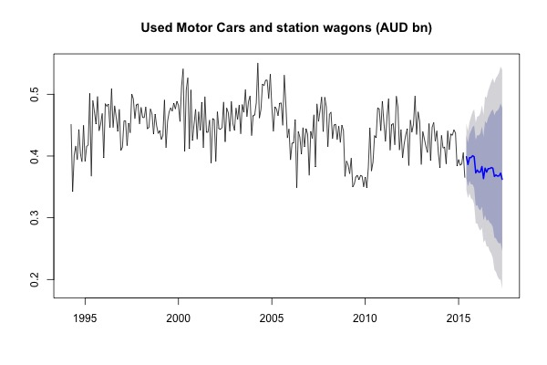
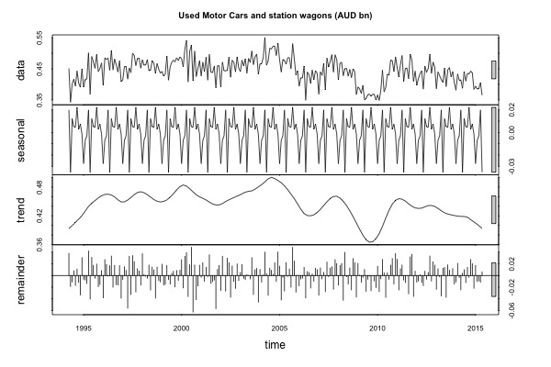
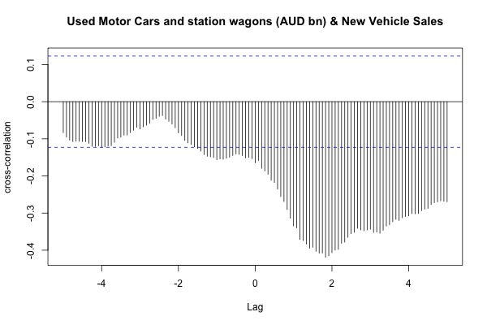

ACF (Autocorrelation) | ACF (Autocorrelation) - 12 Difference

Average Age of Motor Vehicles
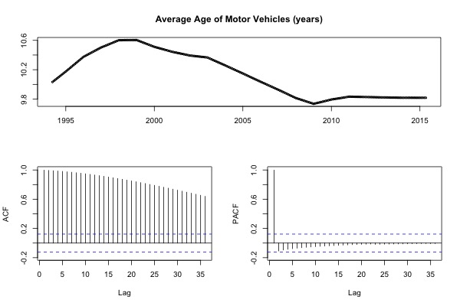
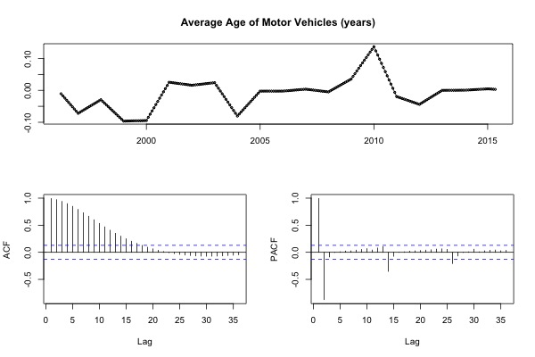
Average Age of Motor Vehicles
Back

Forecasting | STL Diagram | Cross correlation with Sales Volume
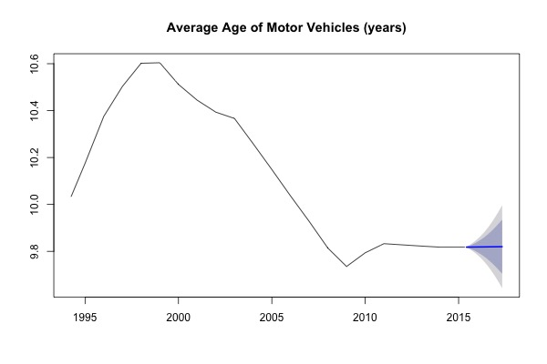
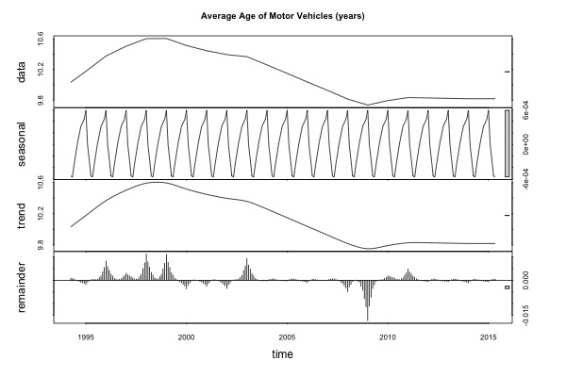
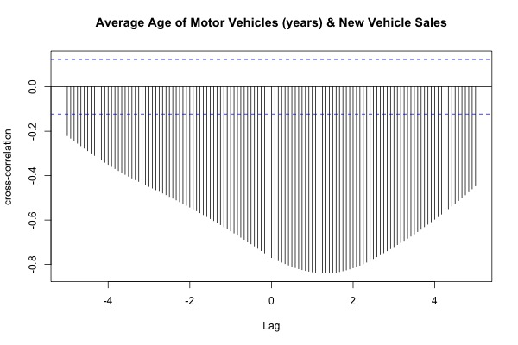

ACF (Autocorrelation) | ACF (Autocorrelation) - 12 Difference

