Coefficients
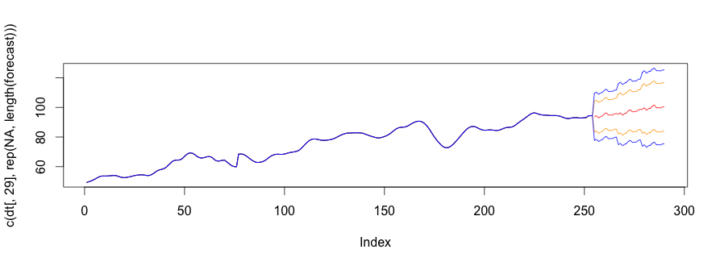
Features | Coefficients
Population (000s) | -0.022918941
New arrivals (immigrants) Nos. | 0.000139567
Employed - full-time Persons ('000) | -0.001838852
Employed - Total Persons ('000) | 0.00398329
Unemployed - looking for full-time work Persons ('000) | 0.002569828
Unemployment (% ) | 2.207038517
NAB Business Conditions | 0.007215261
NAB Business Confidence | 0.029486551
Gross disposable household income (AUD bn) | 0.705488313
Avg. weekly Earnings; Persons; Full Time; Adult; Ordinary time earnings (AUD) | 0.011081886
Purchase of vehicles: Chain volume measures (AUD bn) | 53.80590052
Rent and other dwelling services: Chain volume measures (AUD bn) | 11.36746311
Recreation and culture: Chain volume measures (AUD bn) | -0.963908774
Food: Chain volume measures (AUD bn) | -1.549736617
Final Consumption Expenduture: Chain volume measures (AUD bn) | -0.265810606
Total Liabilities (including share capital) (AUD bn) | 0.251283022
Total Liabilities - Loans and placements (AUD bn) | -0.264871431
Interest Rates (%) | 0.714602859
New Motor Cars and station wagons Personal Finance (AUD bn) | 5.058823391
Used Motor Cars and station wagons (AUD bn) | -5.711133491
Aust. Passenger vehicles nos. | 7.09E-05
Aust. Sports utility vehicles nos. | -3.59E-05
Average Age of Motor Vehicles (years) | -0.871485678
Oil Prices (USD / bbl) | -5.95E-05
AUDUSD | -7.986945537
AUDJPY | -0.125161411
AUDEUR | -18.32462278
Trade Weighted Index | 0.580196422

