Idea
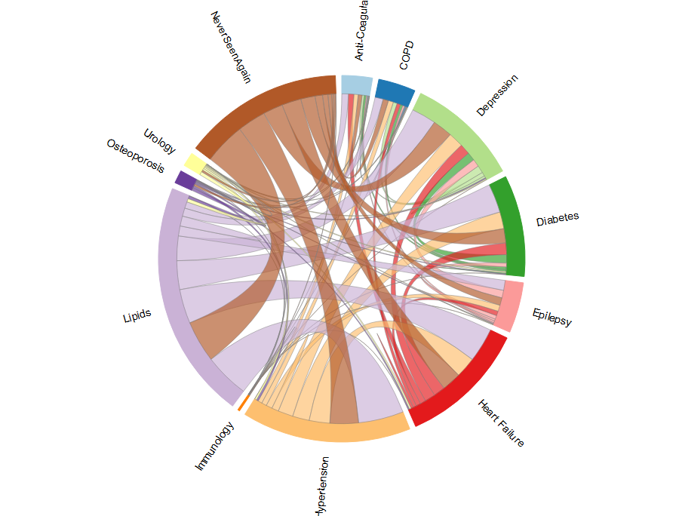
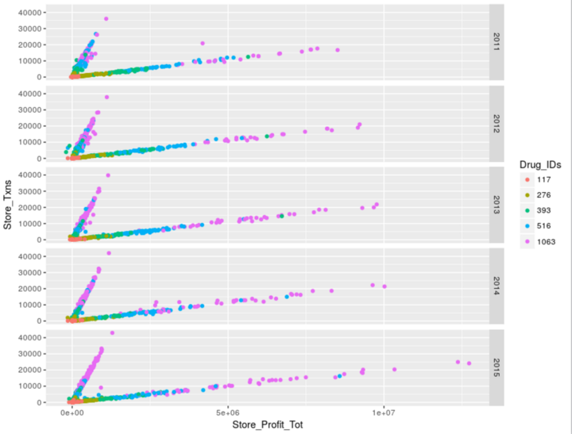
1 | 种族，生活饮食习惯 | ABS
2 | 处方text mining
3 | 处方药品组合
4 | 药品先后顺序、次数、间隔、计量
5 | 政府补贴
6 | Ingredient text mining
7 | 生产商信息

 | 销售地区 （次数，金额，百分比）
 | 销售距离
 | 上次销售距离
 | 药品成分
 | 上次药品成分距离

 | Drug Perc by Gender Index
 | Drug Perc by Age Index
 | Drug dosage (kertile, baysian)

