result
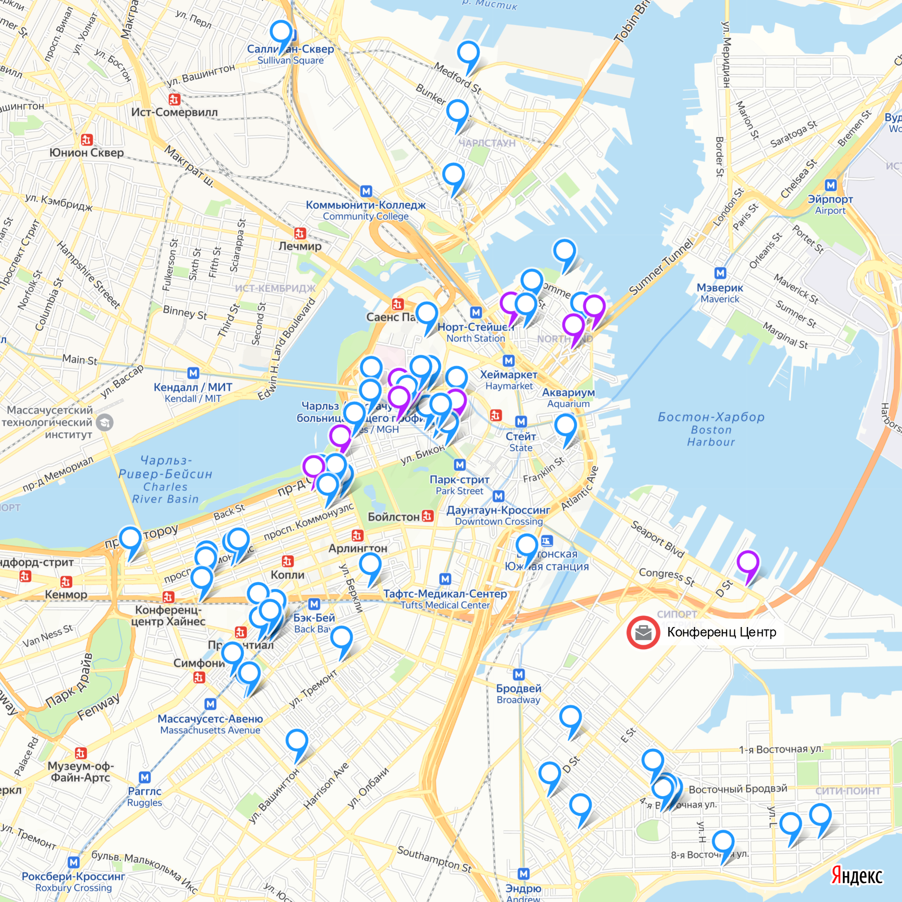
id | Размещение | Количество гостей | Общая цена | Рейтинг
7614517 | top | 1 | $500.00 | 9.85
6554785 | top | 1 | $577.00 | 9.85
3377100 | top | 1 | $815.00 | 9.85
2216767 | top | 1 | $567.00 | 9.75
3528826 | top | 1 | $792.00 | 9.75
6444148 | top | 1 | $453.00 | 9.65
7181950 | top | 1 | $620.00 | 9.55
12269155 | top | 1 | $600.00 | 9.55
11223924 | top | 1 | $635.00 | 9.55
9218362 | top | 1 | $541.00 | 9.4
8704161 | group | 2 | $1,550.00 | 9.85
5709298 | group | 2 | $667.00 | 9.85
6326257 | group | 2 | $1,610.00 | 9.85
3890373 | group | 2 | $725.00 | 9.85
2754975 | group | 2 | $510.00 | 9.85
11122394 | group | 3 | $1,675.00 | 9.75
13005579 | group | 2 | $595.00 | 9.55
10175033 | group | 3 | $650.00 | 9.55
9259184 | group | 2 | $730.00 | 9.55
8458210 | group | 2 | $775.00 | 9.55
1131634 | group | 2 | $657.00 | 9.45
7713728 | group | 3 | $825.00 | 9.4
11758169 | group | 3 | $850.00 | 9.4
6317722 | group | 2 | $665.00 | 9.4
6296656 | group | 2 | $710.00 | 9.4
6310903 | group | 4 | $1,175.00 | 9.4
4090224 | group | 3 | $1,560.00 | 9.4
257588 | group | 3 | $700.00 | 9.4
5163162 | group | 4 | $598.00 | 9.4
6317446 | group | 2 | $694.00 | 9.4
1551205 | group | 2 | $1,405.00 | 9.35
4632511 | group | 2 | $1,015.00 | 9.35
5454513 | group | 3 | $679.00 | 9.35
5581575 | group | 3 | $1,020.00 | 9.35
9231486 | group | 2 | $1,700.00 | 9.35
4532603 | group | 2 | $782.00 | 9.35
11371205 | group | 3 | $1,410.00 | 9.35
5455004 | group | 3 | $679.00 | 9.35
11120777 | group | 2 | $1,130.00 | 9.35
2881388 | group | 3 | $2,235.00 | 9.35 | https://yandex.ru/maps/?um=constructor%3Ae4b6d8e0c373e07e7fd48b3c3413c62381108e482d9fff5955eba5993756cebf&source=constructorLink
2277821 | group | 2 | $1,610.00 | 9.35 |  | топ-менеджер | участник
5455293 | group | 3 | $679.00 | 9.35
6213822 | group | 3 | $679.00 | 9.35
7611271 | group | 4 | $1,446.00 | 9.3
8309711 | group | 2 | $855.00 | 9.25
3870046 | group | 2 | $975.00 | 9.25
10542140 | group | 2 | $1,150.00 | 9.25
9855805 | group | 2 | $537.00 | 9.25
6677469 | group | 2 | $935.00 | 9.25
3721095 | group | 3 | $1,055.00 | 9.2
708802 | group | 2 | $450.00 | 9.2
13032590 | group | 3 | $615.00 | 9.2
5690424 | group | 4 | $2,320.00 | 9.15
11306586 | group | 2 | $450.00 | 9.15
10070404 | group | 2 | $537.00 | 9.15
10653150 | group | 2 | $507.00 | 9.15
3673688 | group | 3 | $2,097.00 | 9.15
12987348 | group | 3 | $838.00 | 9.1
3601030 | group | 2 | $705.00 | 9.1
12916551 | group | 2 | $417.00 | 9.1
11588543 | group | 2 | $850.00 | 9.1
5076880 | group | 2 | $775.00 | 9.1
4518380 | group | 2 | $659.00 | 9.1
6972426 | group | 2 | $1,850.00 | 9.1
4977034 | group | 2 | $1,320.00 | 9.1
8556025 | group | 2 | $735.00 | 9.05
1094599 | group | 3 | $883.00 | 9.05
Итог: | 67 | 150 | $62,005.00 | 9.4
Цена размещения: |  | Топ-менеджера | $610.00
 |  | Участника | $399.32

