3 Part List
3. Part List
Screenshots per mode: Status filter (All, Candidate, Active, Inactive), search with and without a result, combined filters, sorting, pagination and reset.

P01 - Part List - default (Status: All)
Sub-menu / Mode | Part List sub-menu
Condition / Steps | Open the Part List sub-menu. The search criteria are still at their defaults: Part Number empty, Part Name empty, Status = All, Sort by = Newer to Older.
Expected display | All parts (Candidate, Active, Inactive) are listed, 25 rows per page, ordered by Last Update, newest first. The table header shows "N parts · M incomplete mappings", counted over the whole filtered result (not only the current page).
Notes | A blue bar on the left of a row means the destination mapping is incomplete (no destination yet, or the destinations' total Case/Day differs from Max Case/Day). A bold orange Min MAD means the 6-month average MAD is below Min MAD (not applied to Candidate parts).
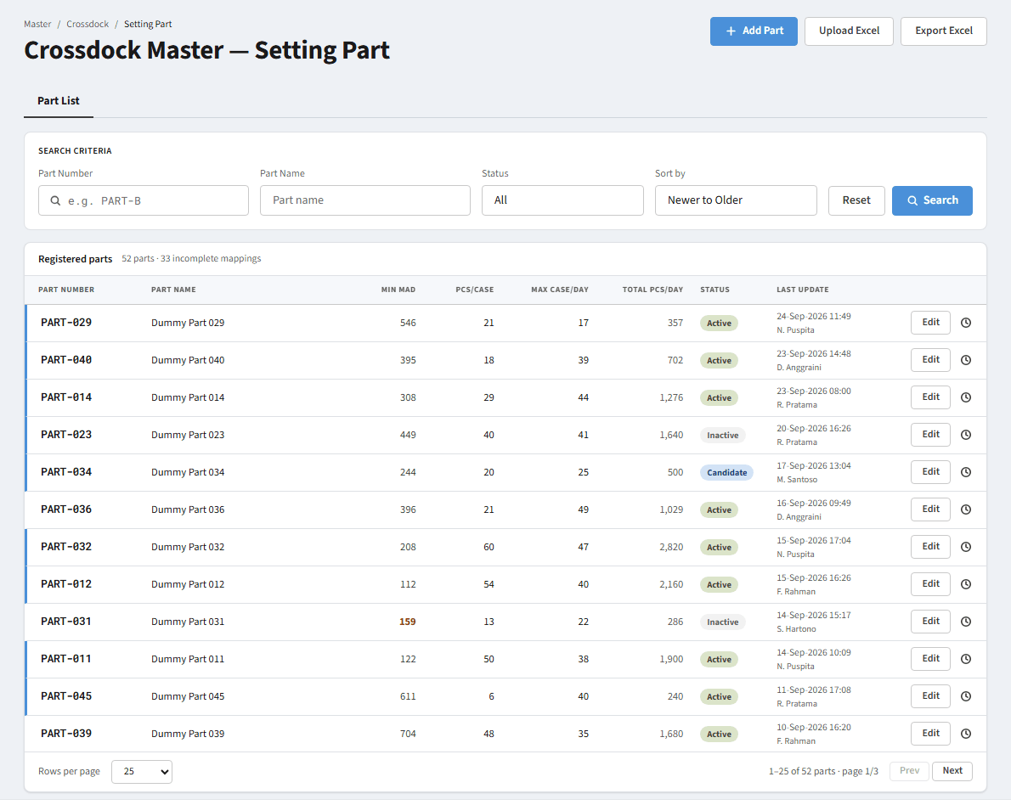
Screenshot P01

P02 - Filter Status = Candidate
Sub-menu / Mode | Part List sub-menu
Condition / Steps | Select "Candidate" in the Status dropdown.
Expected display | Only Candidate parts are listed. The counter and pagination follow the filtered result and the page returns to 1.
Notes | Candidate = a newly registered part with no MAD history yet. Min MAD is never flagged for this status.
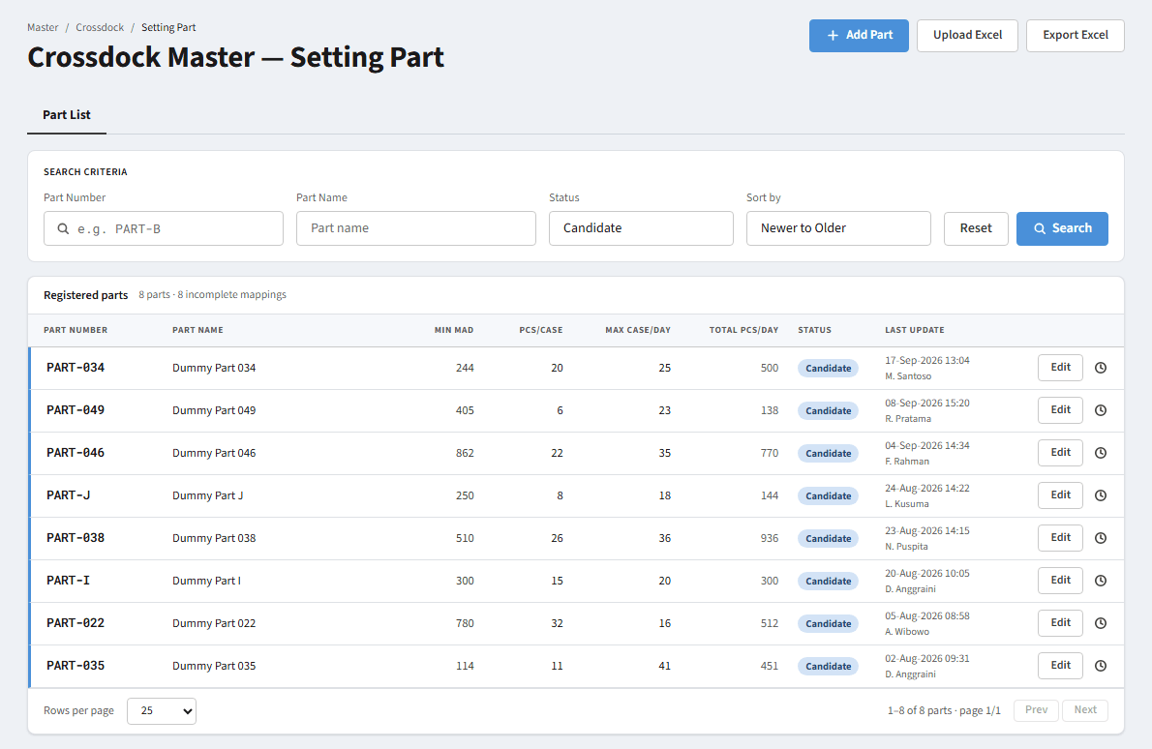
Screenshot P02

P03 - Filter Status = Active
Sub-menu / Mode | Part List sub-menu
Condition / Steps | Select "Active" in the Status dropdown.
Expected display | Only Active parts are listed. In the ongoing period only Active parts appear in the Mapping per Destination sub-menu.
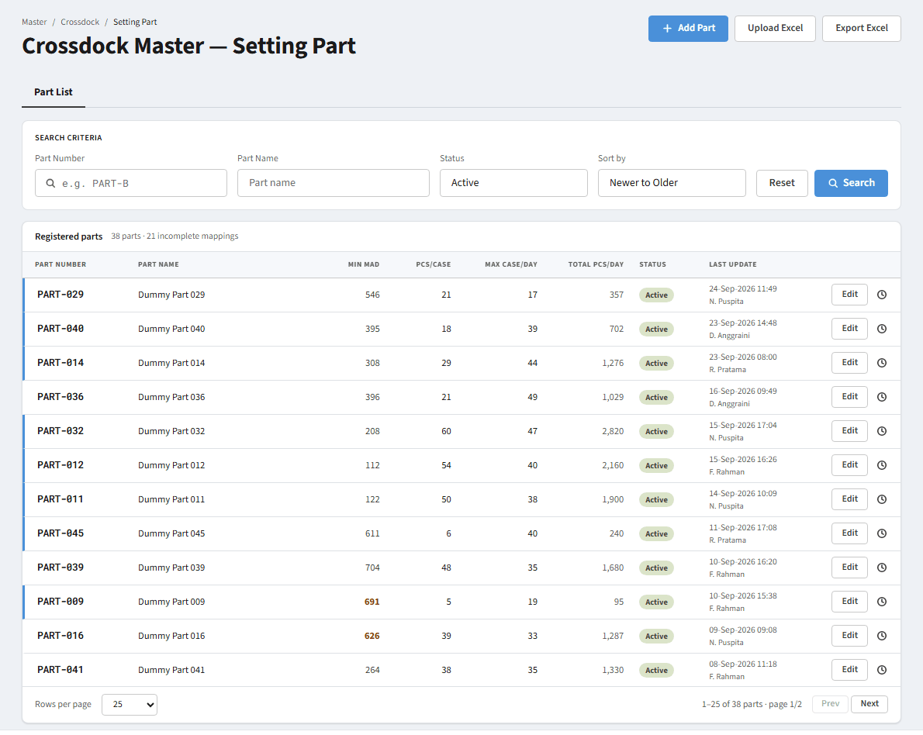
Screenshot P03

P04 - Filter Status = Inactive
Sub-menu / Mode | Part List sub-menu
Condition / Steps | Select "Inactive" in the Status dropdown.
Expected display | Only Inactive parts are listed.
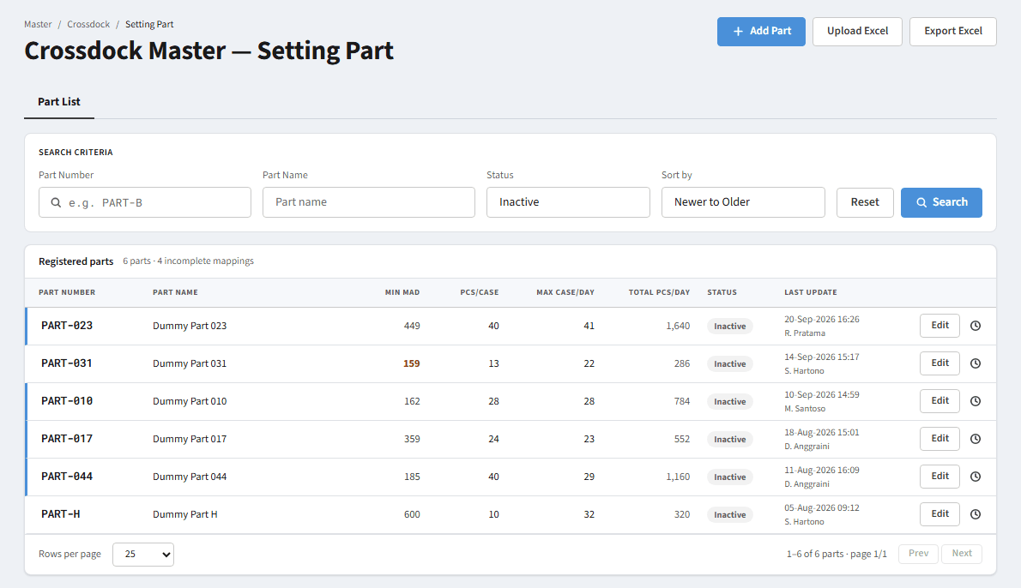
Screenshot P04

P05 - Search by Part Number - result found
Sub-menu / Mode | Part List sub-menu
Condition / Steps | Type "PART-B" in Part Number (Status = All).
Expected display | The table filters immediately to parts whose Part Number contains the text. In this example one row remains, the counter shows "1 part · ..." and the footer shows "1-1 of 1 part · page 1/1" with Prev/Next disabled.
Notes | Matching is "contains" and case-insensitive. The field offers Part Number suggestions (browser datalist) from the registered parts.
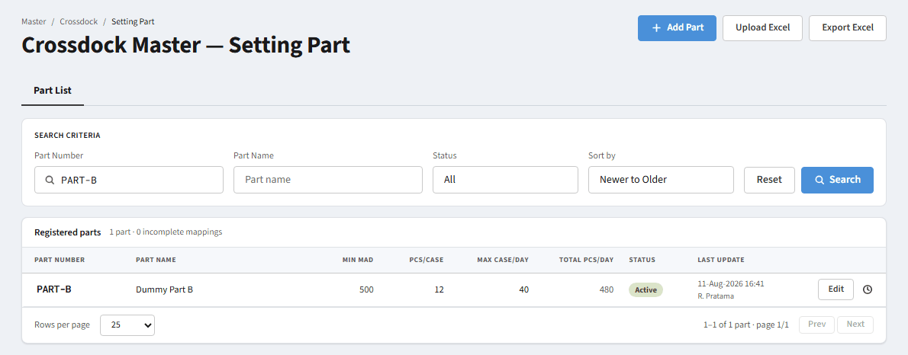
Screenshot P05

P06 - Search by Part Number - several results (partial text)
Sub-menu / Mode | Part List sub-menu
Condition / Steps | Type "PART-01" in Part Number.
Expected display | Every part whose Part Number contains "PART-01" is listed (PART-010 to PART-019).
Notes | No need to press Search; the result updates as you type (see OP-01).
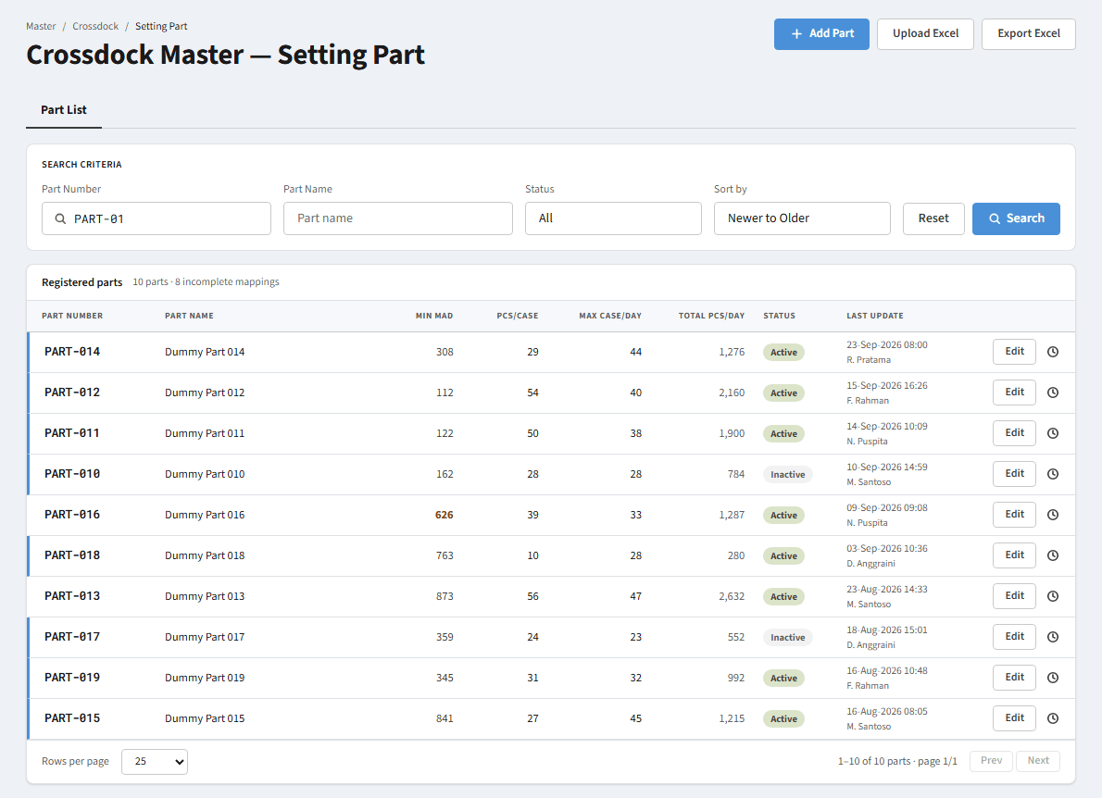
Screenshot P06

P07 - Search by Part Number - not found
Sub-menu / Mode | Part List sub-menu
Condition / Steps | Type "PART-ZZZ" in Part Number (a Part Number that does not exist).
Expected display | The table and pagination are hidden and an empty state appears: title "No matching parts", text "Loosen the search criteria or reset all filters." and a "Reset filter" button. The counter reads "0 parts · 0 incomplete mappings".
Notes | "Reset filter" does the same as the Reset button in the search criteria: every criterion returns to its default.
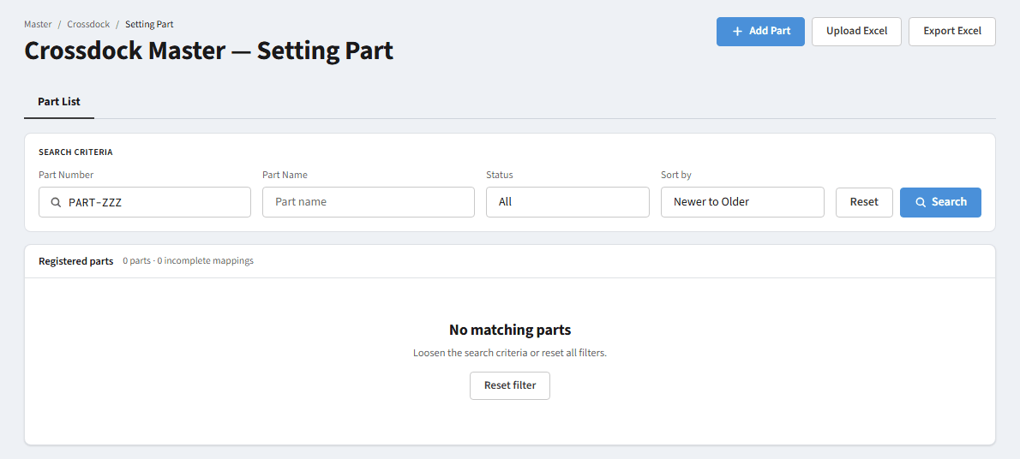
Screenshot P07

P08 - Search by Part Name - result found
Sub-menu / Mode | Part List sub-menu
Condition / Steps | Type "Part D" in Part Name.
Expected display | Only parts whose name contains "Part D" are listed.
Notes | Part Number and Part Name are combined with AND when both are filled.

Screenshot P08

P09 - Search by Part Name - not found
Sub-menu / Mode | Part List sub-menu
Condition / Steps | Type "Gearbox" in Part Name.
Expected display | The same empty state as P07 ("No matching parts").

Screenshot P09

P10 - Combined filters - result found (Candidate + Part Number)
Sub-menu / Mode | Part List sub-menu
Condition / Steps | Select Status = Candidate, then type "PART-I" in Part Number.
Expected display | The part that satisfies every criterion (AND) is listed: PART-I is a Candidate.
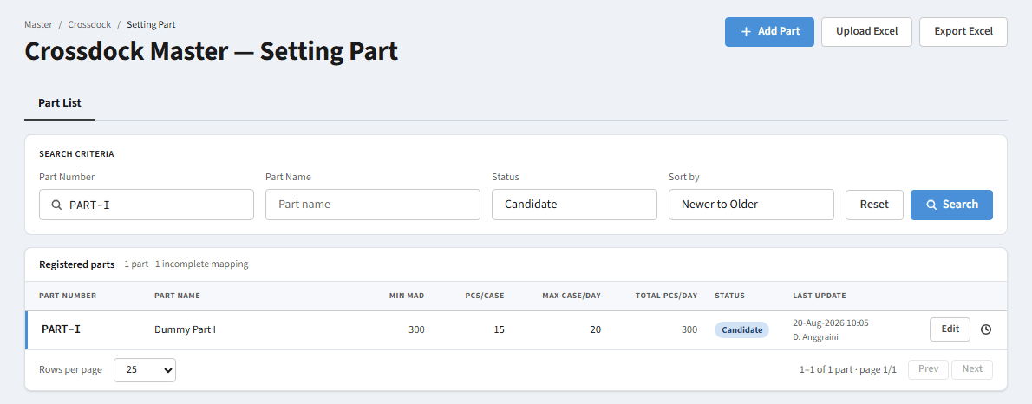
Screenshot P10

P11 - Combined filters - no result
Sub-menu / Mode | Part List sub-menu
Condition / Steps | Select Status = Candidate, then type "PART-A" in Part Number. PART-A exists but is Active.
Expected display | Empty state "No matching parts". The part exists but is filtered out by Status.
Notes | Typical case where a user thinks the part is not registered although the Status filter hides it.
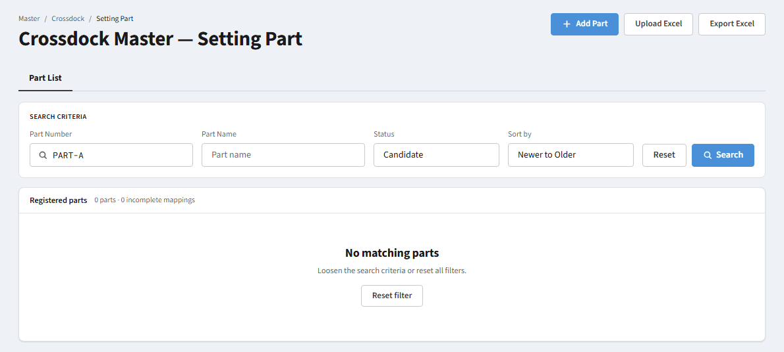
Screenshot P11

P12 - Sort by = Older to Newer
Sub-menu / Mode | Part List sub-menu
Condition / Steps | Change the Sort by dropdown to "Older to Newer".
Expected display | Rows are ordered by Last Update, oldest first. Other options: "Newer to Older" (default) and "Default" (Part Number A-Z).
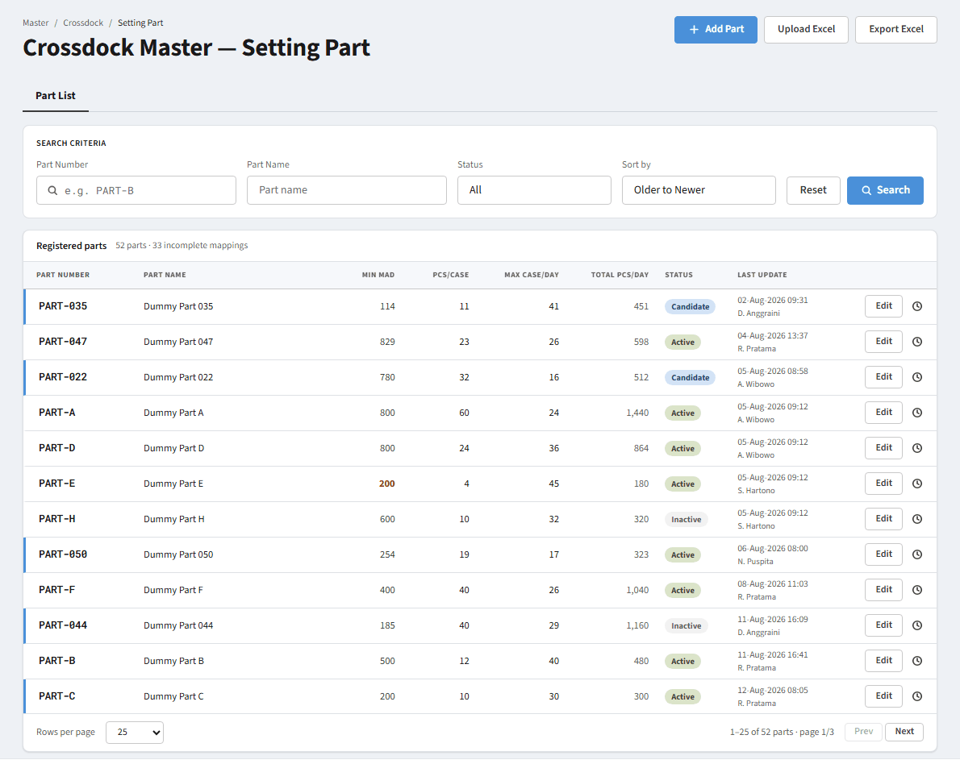
Screenshot P12

P13 - Pagination - next page
Sub-menu / Mode | Part List sub-menu
Condition / Steps | Click "Next" in the table footer.
Expected display | The next page is shown. The footer reads "26-50 of N parts · page 2/M" and "Prev" becomes enabled. "Rows per page" can be 25, 50 or 100.
Notes | Changing any filter or the page size always returns to page 1.
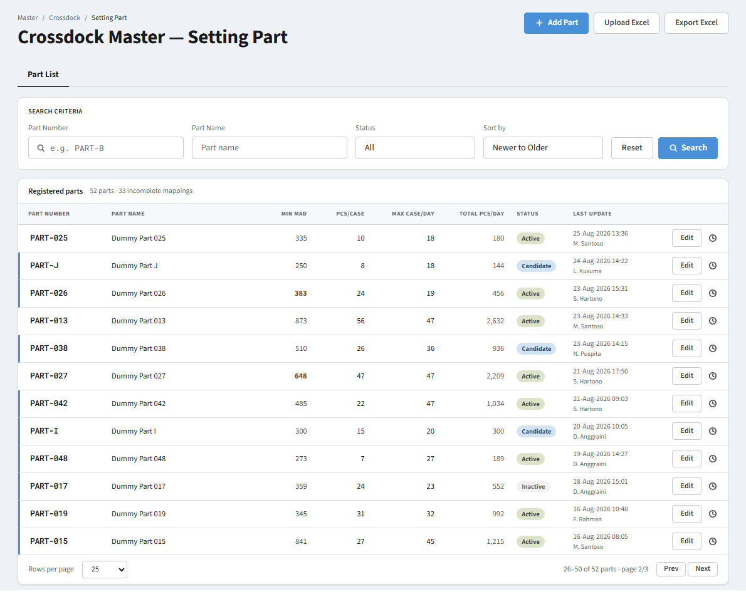
Screenshot P13

P14 - Reset the search criteria
Sub-menu / Mode | Part List sub-menu
Condition / Steps | After choosing a filter (for example Status = Inactive) click "Reset".
Expected display | Part Number and Part Name are cleared, Status = All, Sort by = Newer to Older. All parts are listed again.
Screenshot P14

4 Part Form & Modals
4. Part Form & Modals
Add Part, Edit Part, History setting and Upload Excel, including the Part No not-found state and the disabled Save button.

M01 - Add Part - empty form
Sub-menu / Mode | Part List sub-menu - modal "Add Part Candidate Crossdock"
Condition / Steps | Click "Add Part" in the page header.
Expected display | The modal opens. Status is locked to "Candidate" (new parts are always Candidate). Part No is empty, Part Name autofills (disabled), Effective Start Date defaults to tomorrow, Minimum MAD is empty. Max Case/Day is disabled until Pcs/Case is filled. Total Pcs/Day shows "-". The Save button is disabled.
Notes | Tooltip of the disabled Save: "Part No is required". Step 1 of the stepper is active (blue).
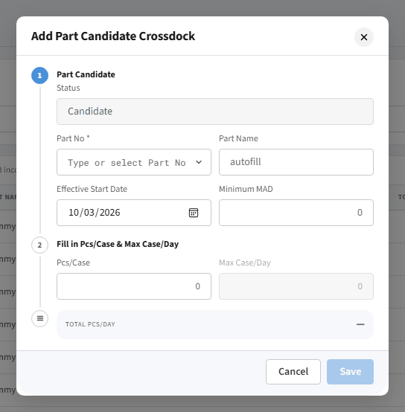
Screenshot M01

M02 - Add Part - Part No list opened
Sub-menu / Mode | Part List sub-menu - Add Part modal
Condition / Steps | Click the Part No field.
Expected display | A list of parts from the part master (Part No + name) that are NOT yet registered in the Part List is shown. Use the up/down arrows to move, Enter to select, Esc to close.
Notes | Parts that are already registered are not offered again, so Part No cannot be duplicated.
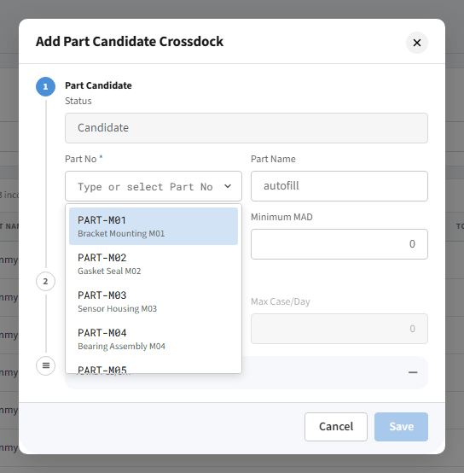
Screenshot M02

M03 - Add Part - Part No search (found)
Sub-menu / Mode | Part List sub-menu - Add Part modal
Condition / Steps | Type "M1" in the Part No field.
Expected display | The list is filtered by Part No or part name containing the text (PART-M10 to PART-M15).

Screenshot M03

M04 - Add Part - Part No search (not found)
Sub-menu / Mode | Part List sub-menu - Add Part modal
Condition / Steps | Type "XYZ" in the Part No field.
Expected display | The list shows a single line "Part not found". No Part No is selected and Save stays disabled.
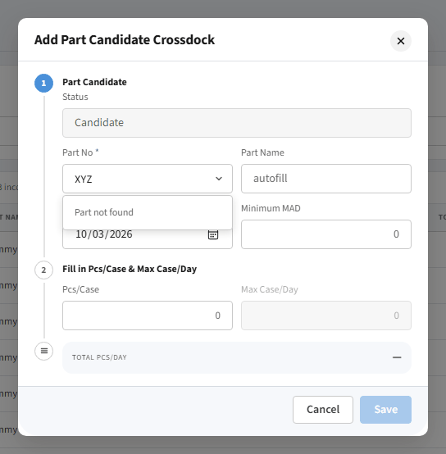
Screenshot M04

M05 - Add Part - Part No selected, Pcs/Case still empty
Sub-menu / Mode | Part List sub-menu - Add Part modal
Condition / Steps | Select PART-M01 from the list.
Expected display | Part Name autofills (Bracket Mounting M01). Step 1 gets a green check and step 2 becomes active. Max Case/Day stays locked (dimmed) with the tooltip "Enter Pcs/Case first". Save is still disabled with the tooltip "Enter Pcs/Case first (step 2)".
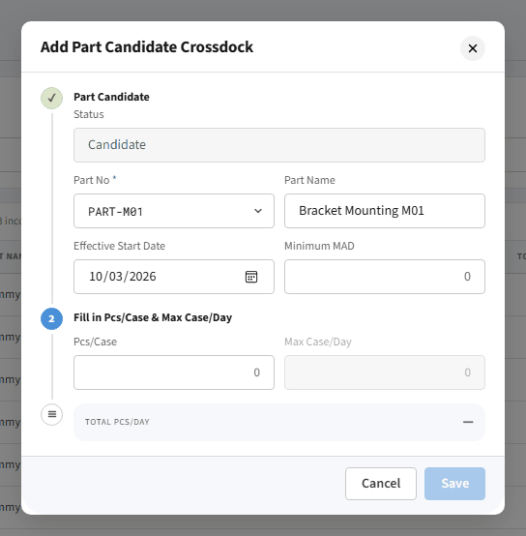
Screenshot M05

M06 - Add Part - all required fields filled
Sub-menu / Mode | Part List sub-menu - Add Part modal
Condition / Steps | Fill Minimum MAD = 300, Pcs/Case = 20, Max Case/Day = 15.
Expected display | Total Pcs/Day is calculated automatically = Pcs/Case x Max Case/Day = 300. All steps show a check. The Save button is enabled (tooltip "Save part data").
Notes | If Max Case/Day is cleared again, the Save tooltip becomes "Enter Max Case/Day (step 2)" and Save is disabled.
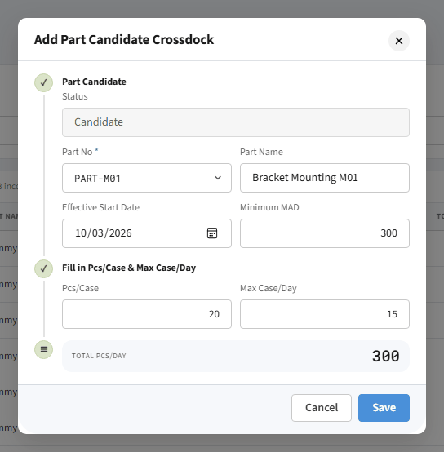
Screenshot M06

M07 - Edit a Candidate part
Sub-menu / Mode | Part List sub-menu - modal "Edit part data"
Condition / Steps | Search PART-I and click the "Edit" button on its row (or click the Part Number link; both open the same modal).
Expected display | The modal "Edit part data" opens. Part No is locked. Status can be changed (Candidate / Active / Inactive). Effective Start Date can be changed because the part is still Candidate. Pcs/Case, Max Case/Day and Minimum MAD can be changed; Total Pcs/Day is recalculated.
Notes | Saving returns the part's Sync Status to "No Sync" (BR-09).
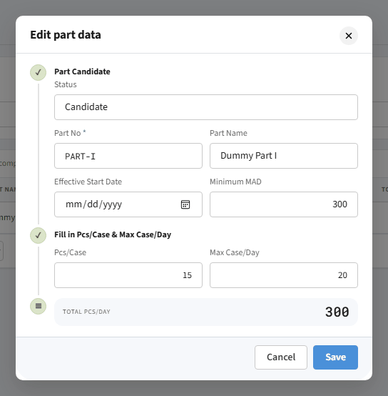
Screenshot M07

M08 - Edit an Active part
Sub-menu / Mode | Part List sub-menu - modal "Edit part data"
Condition / Steps | Search PART-A and click "Edit".
Expected display | Same as M07, but Effective Start Date is locked (grey) with the tooltip "Can only be changed while the status is still Candidate" because the date has already taken effect.
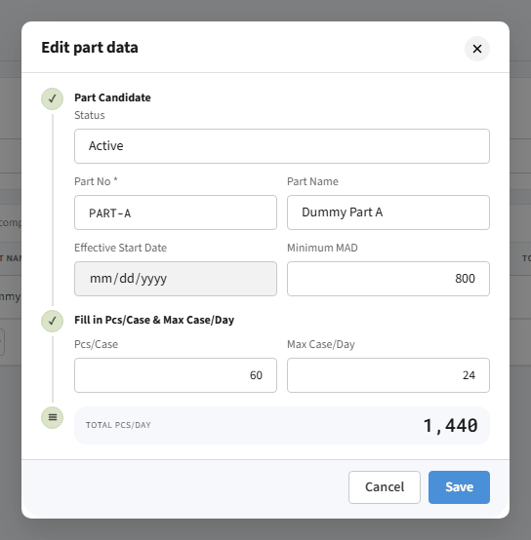
Screenshot M08

M09 - History setting - part with history
Sub-menu / Mode | Part List sub-menu - modal "History setting"
Condition / Steps | Click the clock (History) icon on a part row, for example PART-A.
Expected display | A change timeline, newest first: event title, time, field name, old value (struck through) → new value, and user name. The blue dot marks the latest event. "Close" closes the modal.
Notes | History in the prototype is dummy data; new saves are not recorded yet (OP-03).
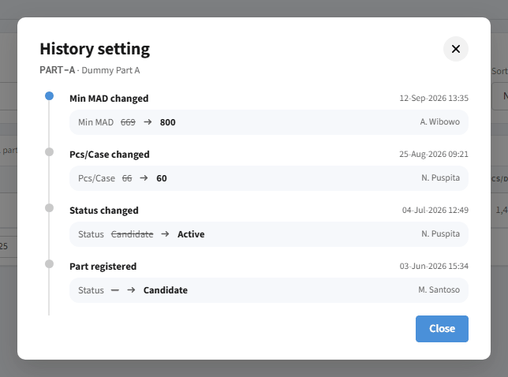
Screenshot M09

M10 - History setting - Candidate part
Sub-menu / Mode | Part List sub-menu - modal "History setting"
Condition / Steps | Click the History icon on a Candidate part, for example PART-I.
Expected display | Only one event: "Part registered" (Status - → Candidate), because nothing else has happened yet.
Notes | When a part has no history at all, the modal shows "No change history for this part yet."
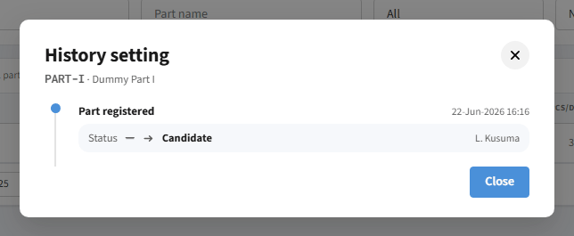
Screenshot M10

M11 - Upload Excel
Sub-menu / Mode | Part List sub-menu - modal "Upload Excel — part settings"
Condition / Steps | Click "Upload Excel" in the page header.
Expected display | The modal lists the template columns in the order of sheet "Upload" (part_no, minimum_mad, pcs_case, max_case_day, status, flag_add_edit, effective_start_date), the rules for Add and Edit, a drag-and-drop area (.xlsx max 5 MB, max 5,000 rows), the "Download template .xlsx" link and the "Close" and "Validate file" buttons. After "Validate file" the modal closes and the popup "Saved successfully" appears (MSG-17).
Notes | "Validate file" is the save button of the upload: it validates the uploaded file and, when every row is valid, saves the data (all-or-nothing, see FSD Crossdock Upload Batch), then shows the success popup (MSG-17). The base file for Edit rows is sheet "Upload" of the Part List Export Excel. In the prototype the file is not read, so the Part List does not change.
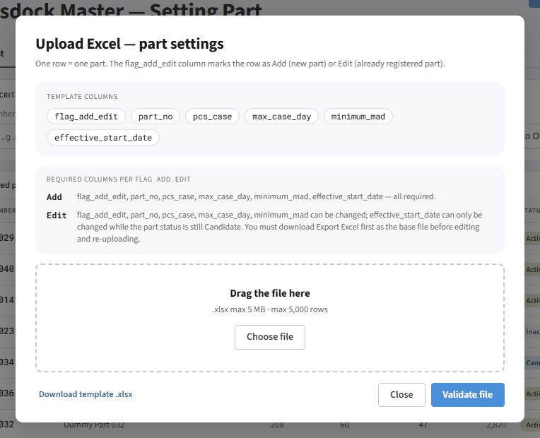
Screenshot M11

M12 - Result after saving a new part
Sub-menu / Mode | Part List sub-menu
Condition / Steps | In the form of M06 click "Save", then search PART-M01 in the Part List.
Expected display | The part is saved with Status Candidate and Sync Status No Sync, with Last Update and editor filled in. The modal closes. The new part does not yet appear in Mapping per Destination because it is not Active.
Notes | Last Update and editor name use constant prototype values (OP-10).
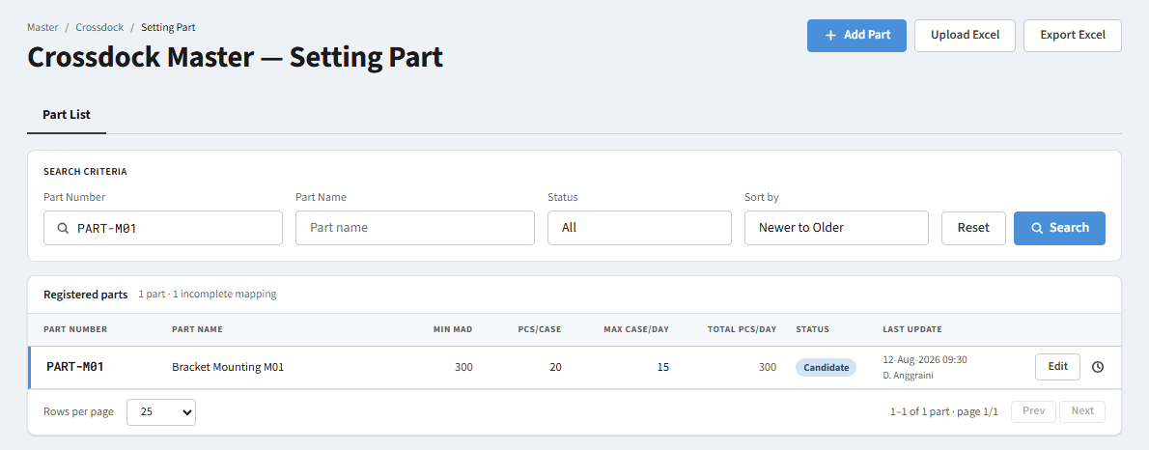
Screenshot M12

5 Destination Mapping
5. Mapping per Destination
Screenshots per mode: period and Sync Status filters, search with and without a result, destination details, edit mapping with its validation, and the Sync action.

D01 - Mapping per Destination - default
Sub-menu / Mode | Mapping per Destination sub-menu
Condition / Steps | Open the Mapping per Destination sub-menu. Default criteria: Calculation period = Sep 2026 (ongoing), Part Number empty, Sync Status = No Sync.
Expected display | Active parts of the ongoing period whose Sync Status is No Sync are listed. The "Sync (n)" button shows how many parts can be synchronised; "Export Excel" is enabled.
Notes | The default Sync Status "No Sync" hides parts that are Success/Failed until the filter is changed (see D09, OP-05).
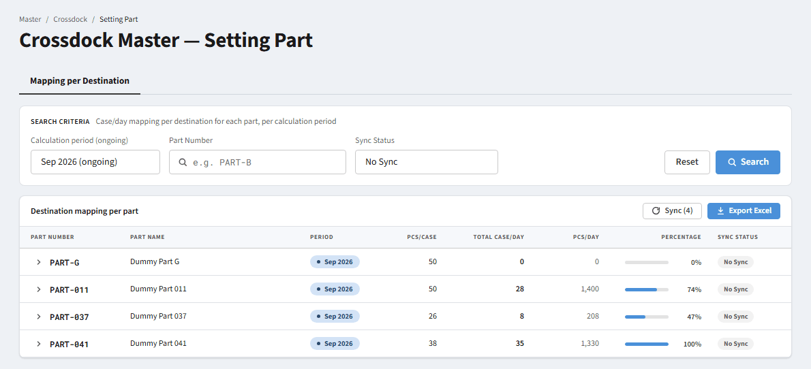
Screenshot D01

D02 - Filter Sync Status = All
Sub-menu / Mode | Mapping per Destination sub-menu
Condition / Steps | Change the Sync Status dropdown to "All".
Expected display | Active parts of the ongoing period with every Sync Status are listed, with a No Sync / Success / Failed chip in the Sync Status column.
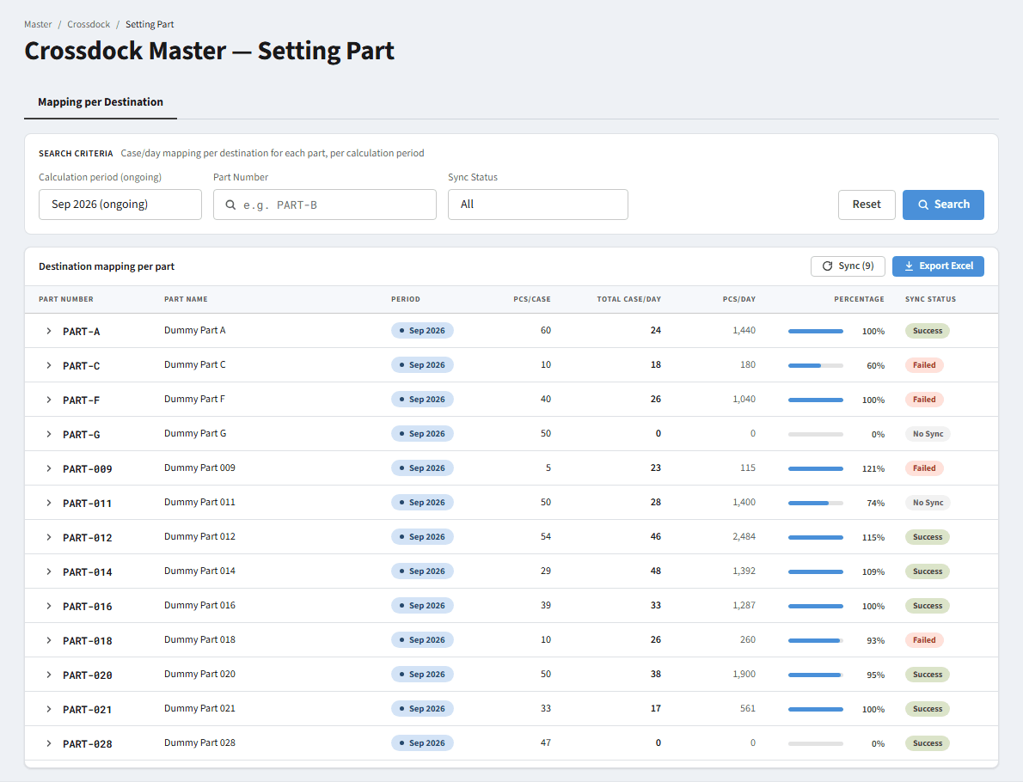
Screenshot D02

D03 - Filter Sync Status = Success
Sub-menu / Mode | Mapping per Destination sub-menu
Condition / Steps | Change Sync Status to "Success".
Expected display | Only parts with status Success are listed. The Sync button is disabled when no No Sync/Failed row is listed.
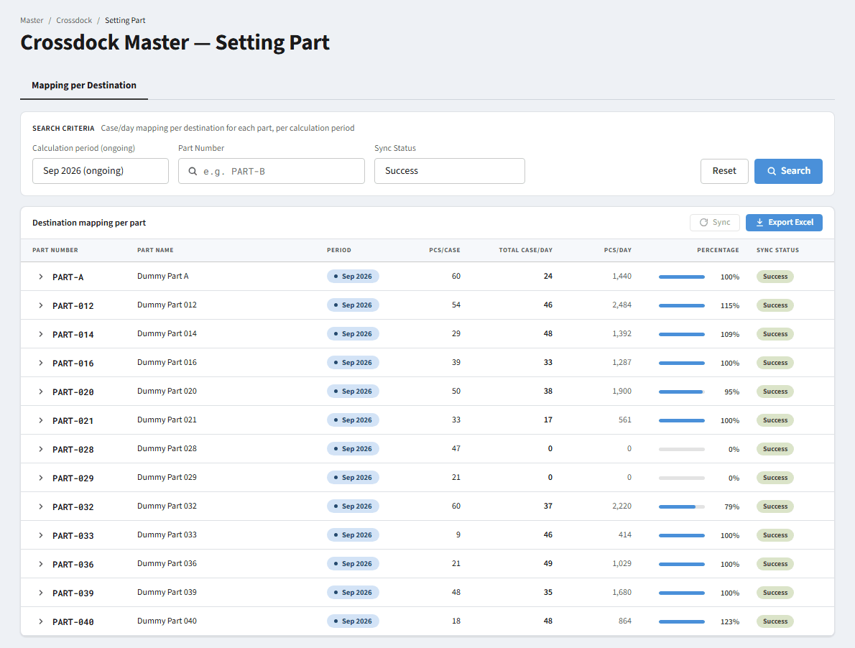
Screenshot D03

D04 - Filter Sync Status = Failed
Sub-menu / Mode | Mapping per Destination sub-menu
Condition / Steps | Change Sync Status to "Failed".
Expected display | Only parts whose synchronisation failed are listed. The "Sync (n)" button is enabled because Failed parts may be retried.
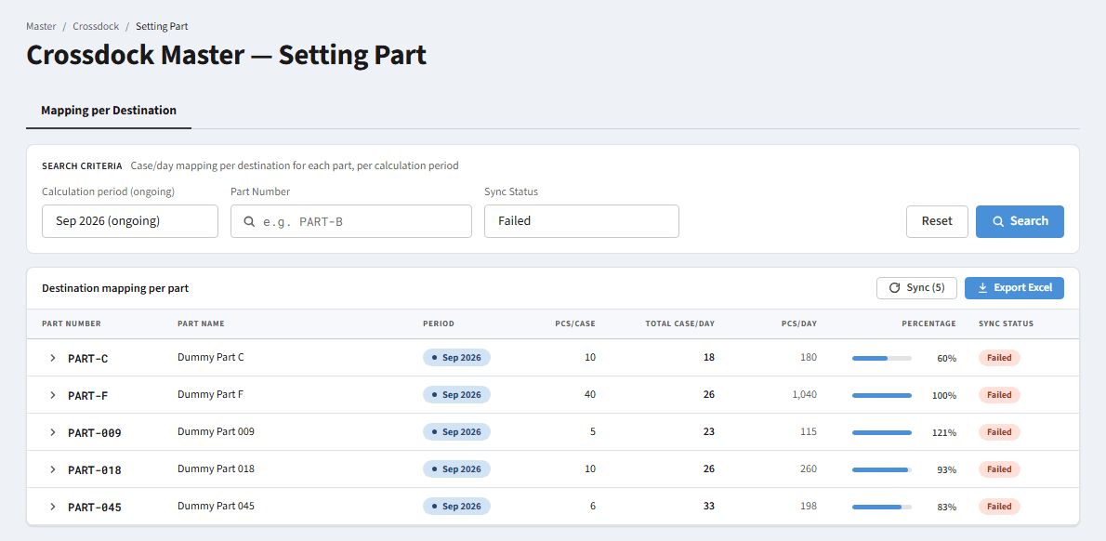
Screenshot D04

D05 - Filter Calculation period = Aug 2026 (past)
Sub-menu / Mode | Mapping per Destination sub-menu
Condition / Steps | Change Calculation period to "Aug 2026".
Expected display | Active parts of the Aug 2026 period are listed (with Sync Status = No Sync, the default). The label above the dropdown becomes "(past)". The Period chip is grey instead of blue.
Notes | Past periods cannot be edited (see D12).
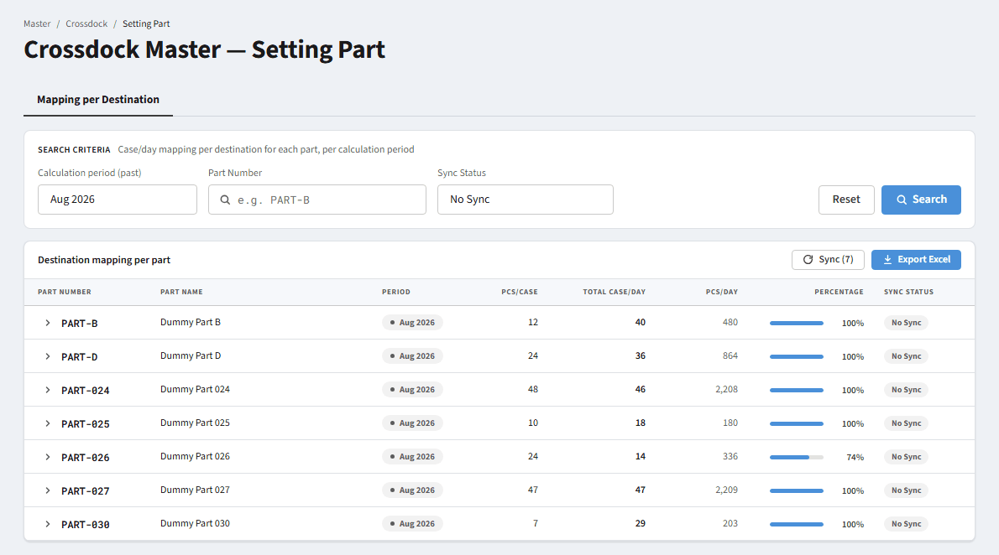
Screenshot D05

D06 - Calculation period = All periods, Sync Status = All
Sub-menu / Mode | Mapping per Destination sub-menu
Condition / Steps | Change Calculation period to "All periods" and Sync Status to "All".
Expected display | All Active parts of every period and every Sync Status are listed. The label becomes "(all)".
Notes | This table scrolls internally (max height 560 px) and has no pagination.
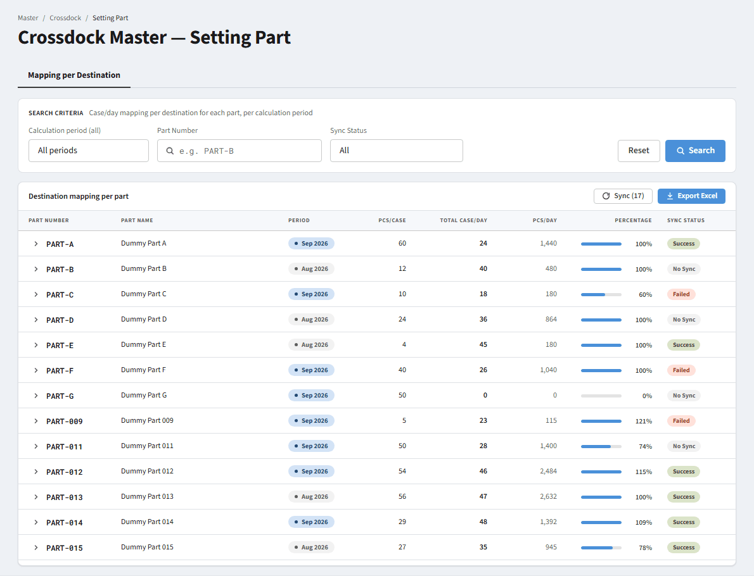
Screenshot D06

D07 - Search by Part Number - result found
Sub-menu / Mode | Mapping per Destination sub-menu
Condition / Steps | Set Sync Status = All, then type "PART-C" in Part Number.
Expected display | Only parts whose Part Number contains "PART-C" are listed. The Sync button shows "Sync (1)" because PART-C is Failed.
Notes | Matching is "contains" and case-insensitive.
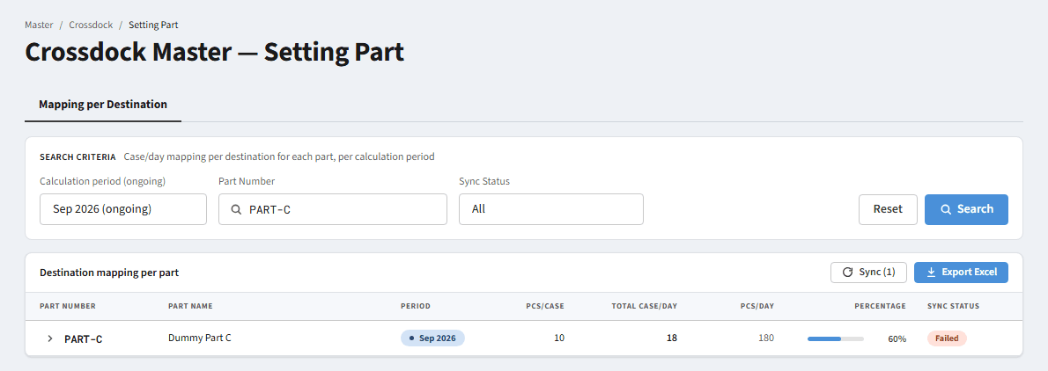
Screenshot D07

D08 - Search by Part Number - not found
Sub-menu / Mode | Mapping per Destination sub-menu
Condition / Steps | Set Sync Status = All, then type "PART-ZZZ".
Expected display | The table is hidden. Empty state: "No parts match these filters" with the text "Change the period or sync status, or press Reset to show all parts." The Sync button is disabled.
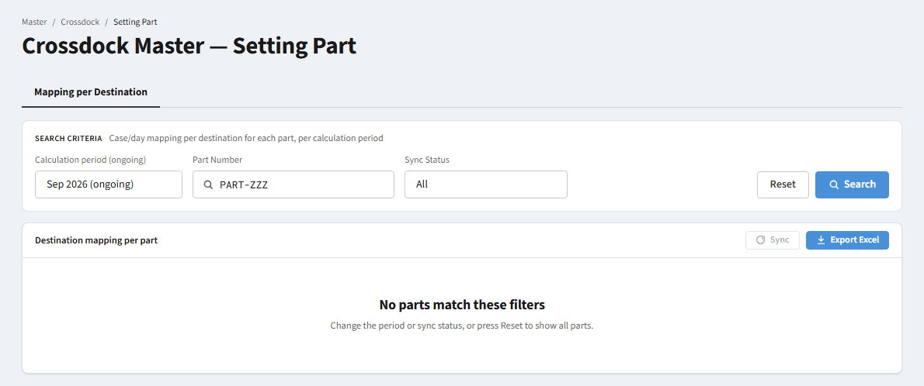
Screenshot D08

D09 - Part exists but is hidden by the default Sync Status
Sub-menu / Mode | Mapping per Destination sub-menu
Condition / Steps | With the default filter (Sync Status = No Sync) type "PART-C". PART-C is Failed.
Expected display | The same empty state as D08 even though the part exists. The cause is the Sync Status = No Sync filter.
Notes | A confusing case for users; suggestion: show the active filters in the empty state (OP-05).
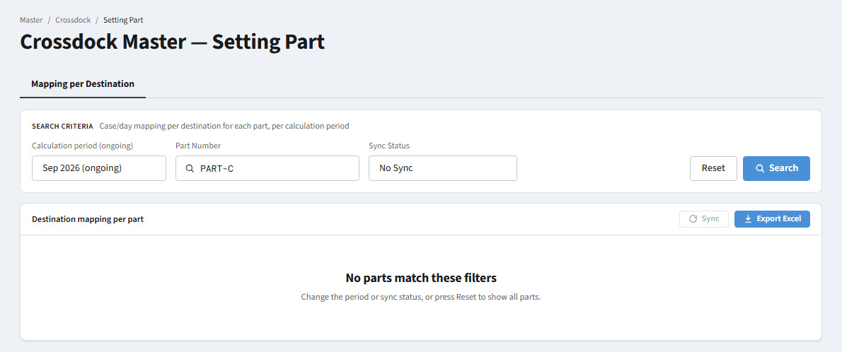
Screenshot D09

D10 - Non-Active parts never appear in the ongoing period
Sub-menu / Mode | Mapping per Destination sub-menu
Condition / Steps | Set Calculation period = All periods and Sync Status = All, then type "PART-I". PART-I is a Candidate.
Expected display | Empty state "No parts match these filters". In the ongoing period Mapping per Destination only lists parts with status Active, whatever the other filters are. Past periods list every part (any status), read-only.
Notes | Rule BR-12.
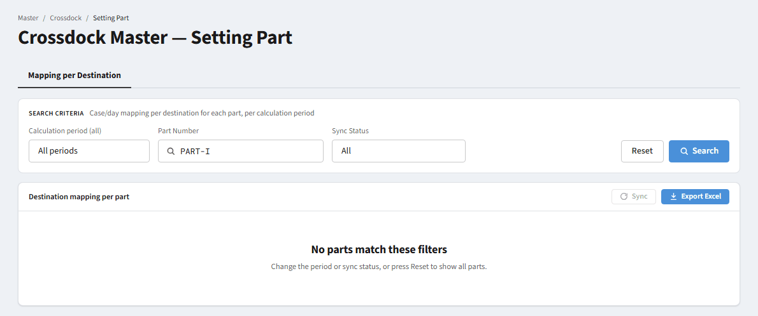
Screenshot D10

D11 - Destination details - ongoing period (view mode)
Sub-menu / Mode | Mapping per Destination sub-menu
Condition / Steps | Click the arrow on the left of a Part Number to open the row details (for example PART-C).
Expected display | The "Destination mapping" panel opens: the chip "18 / 30 case/day used" with the note "12 case/day left", and the destination table (CD - name, Case/Day, Pcs/Day, Percentage). All fields are read-only. The "Edit mapping" button is available because the period is ongoing.
Notes | Percentage on the parent row = total Case/Day used / Max Case/Day; on a destination row = that destination's share of the total allocation.
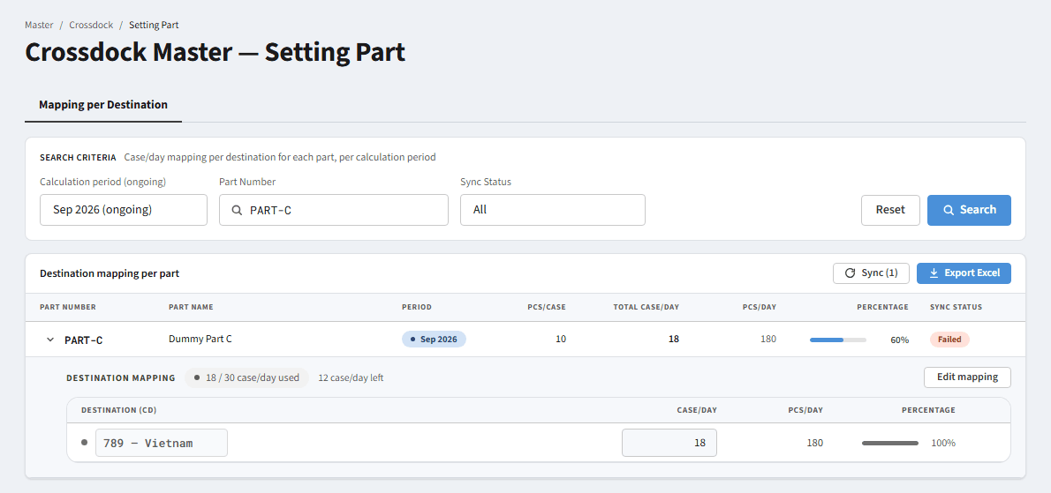
Screenshot D11

D12 - Destination details - past period (read-only)
Sub-menu / Mode | Mapping per Destination sub-menu
Condition / Steps | Choose Calculation period = Aug 2026, search PART-B and open its details.
Expected display | The details are shown but the "Edit mapping" button is replaced by the badge "Past period — read only". Mapping of a past period cannot be changed.
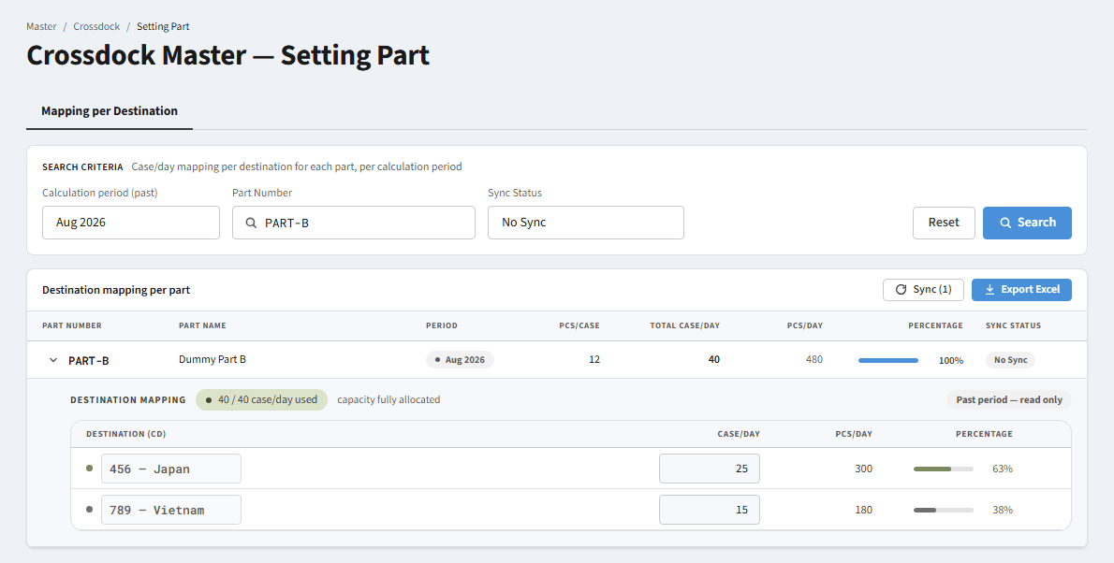
Screenshot D12

D13 - Edit mapping - edit mode
Sub-menu / Mode | Mapping per Destination sub-menu
Condition / Steps | In the details of PART-C click "Edit mapping".
Expected display | The Destination and Case/Day fields become editable, a delete icon (trash) appears per row and an "Add destination" button is shown. "Edit mapping" is replaced by "Cancel" and "Save". The "Split evenly" button appears only when there is more than one destination.
Notes | While editing, changes are kept in a draft; "Cancel" or closing the panel discards the draft.
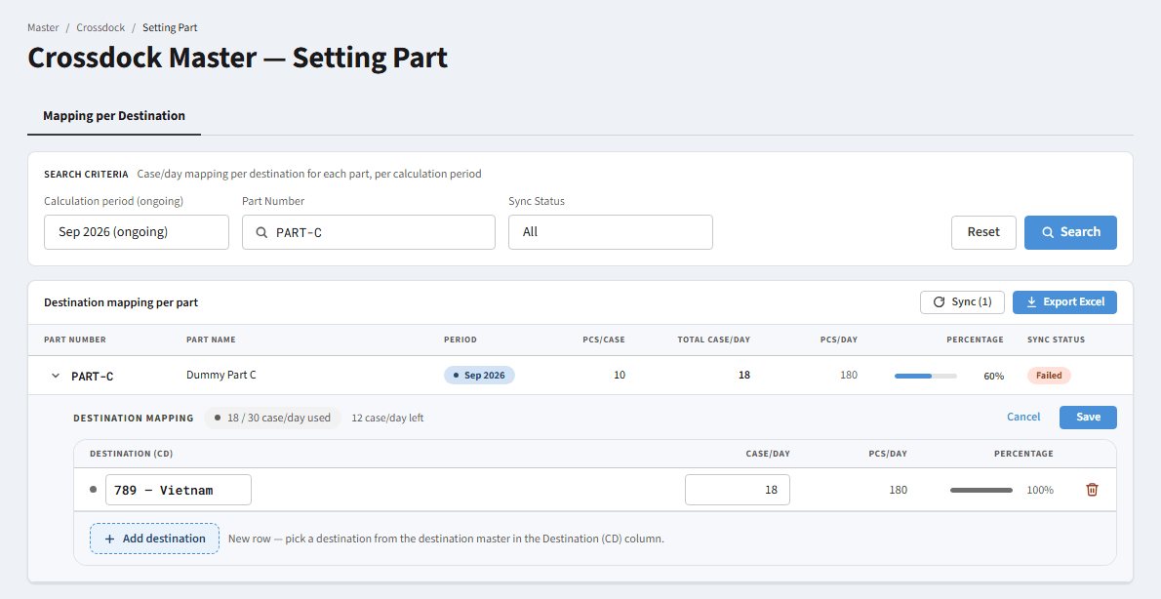
Screenshot D13

D14 - Edit mapping - allocation above Max Case/Day
Sub-menu / Mode | Mapping per Destination sub-menu
Condition / Steps | In edit mode change the Vietnam Case/Day to 50 (PART-C Max Case/Day = 30).
Expected display | The chip turns red "50 / 30 case/day used" with the note "20 case/day over". A banner appears: "Allocation of 50 case/day exceeds Max Case/Day (30). Reduce one of the destinations." The Save button is DISABLED.
Notes | Rule BR-16. Over-allocation is the only allocation that blocks Save (OP-04 decided).
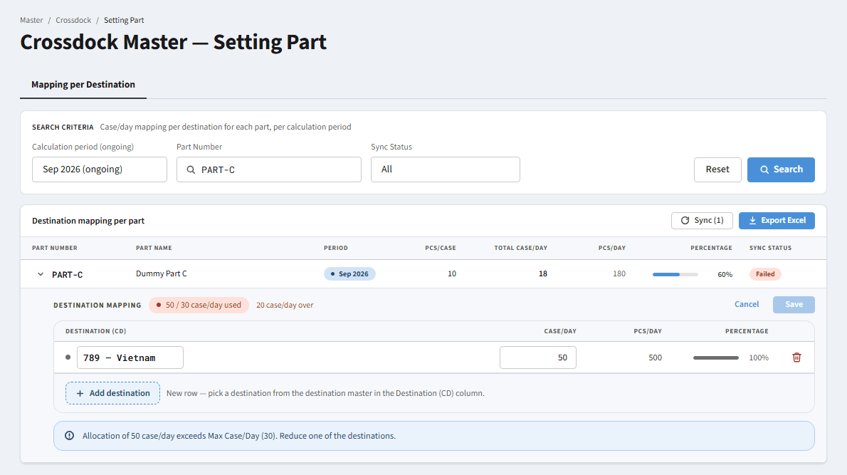
Screenshot D14

D15 - Edit mapping - allocation below Max Case/Day
Sub-menu / Mode | Mapping per Destination sub-menu
Condition / Steps | In edit mode change the Vietnam Case/Day to 10.
Expected display | The chip is grey "10 / 30 case/day used" with the note "20 case/day left". There is no error banner and Save stays enabled: allocating less than the capacity is allowed.
Notes | Allowed: total Case/Day may be below or equal to Max Case/Day (OP-04 decided).

Screenshot D15

D16 - Edit mapping - add a destination
Sub-menu / Mode | Mapping per Destination sub-menu
Condition / Steps | In edit mode of PART-F click "Add destination".
Expected display | A new row appears with the dropdown "Select destination" and Case/Day = 0. The dropdown lists the destination master (123 Thailand, 456 Japan, 789 Vietnam) and hides destinations already used by another row of the same part.
Notes | Save is disabled while any row has no destination selected; the banner MSG-16 is shown (OP-04 decided).
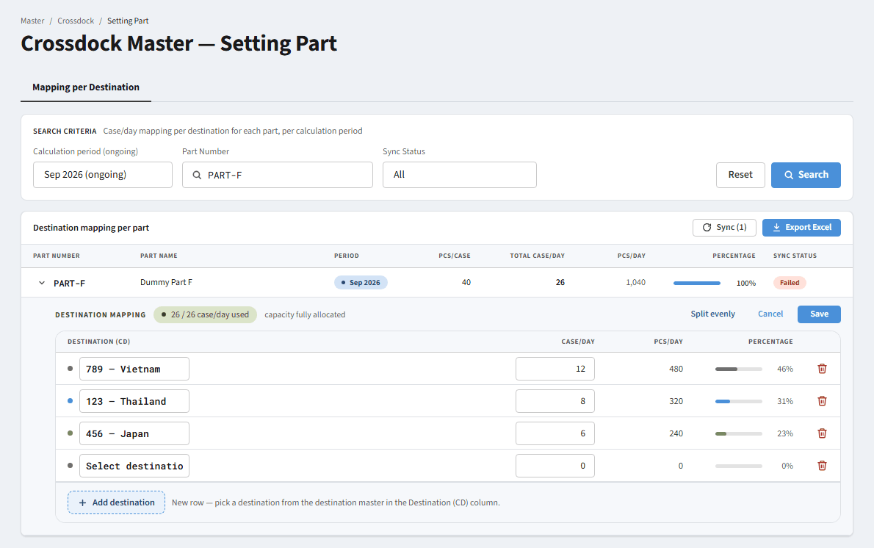
Screenshot D16

D17 - Destination details - part without destinations
Sub-menu / Mode | Mapping per Destination sub-menu
Condition / Steps | Search PART-G (Active, not yet mapped) and open its details.
Expected display | The chip "0 / N case/day used" with the note "no destination yet". The table area is replaced by the message "No destination yet - Click Edit mapping and add at least one destination so the part is included in the volume calculation."
Notes | In edit mode, Save stays disabled until there is at least one destination row.
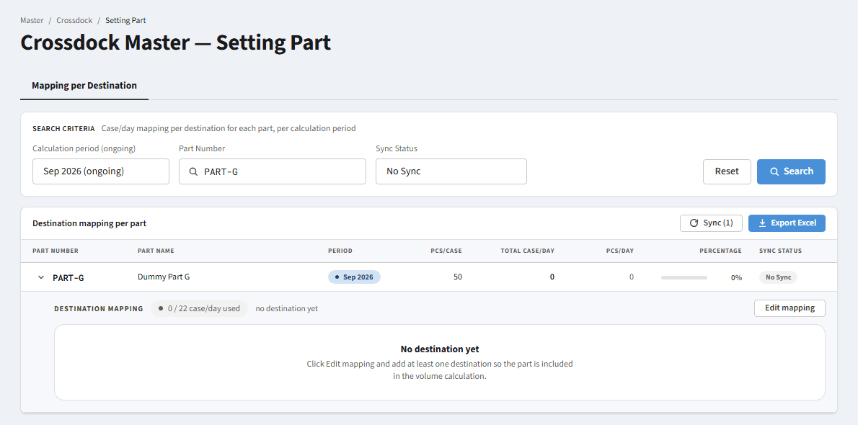
Screenshot D17

D18 - Result of Save - Sync Status returns to No Sync
Sub-menu / Mode | Mapping per Destination sub-menu
Condition / Steps | Set Sync Status = All, search PART-A (Success), edit the mapping (Vietnam 4 → 3) and click "Save".
Expected display | The mapping is saved, edit mode closes, the chip becomes "23 / 24 case/day used" (1 left) and Sync Status changes from Success to No Sync because the mapping changed.
Notes | Rule BR-09.
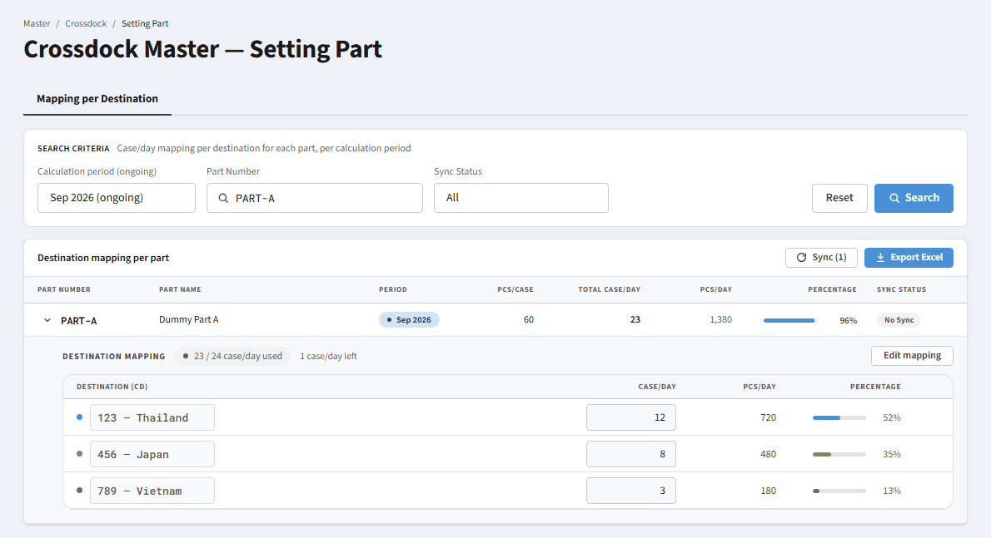
Screenshot D18

D19 - Sync action - result with the default filter
Sub-menu / Mode | Mapping per Destination sub-menu
Condition / Steps | With the default filter (No Sync) click the "Sync (n)" button.
Expected display | Every row of the filtered result that is No Sync or Failed becomes Success and leaves the No Sync result, so the empty state appears. The Sync button becomes disabled (nothing left).
Notes | After Sync the rows disappear from view; the user must switch the filter to All/Success to see them (OP-05).

Screenshot D19

D20 - Result of Sync - viewed with Sync Status = All
Sub-menu / Mode | Mapping per Destination sub-menu
Condition / Steps | After clicking Sync (D19), change Sync Status to "All".
Expected display | Parts that were No Sync/Failed are now Success. Sync only affects the rows of the active filter, not all data.
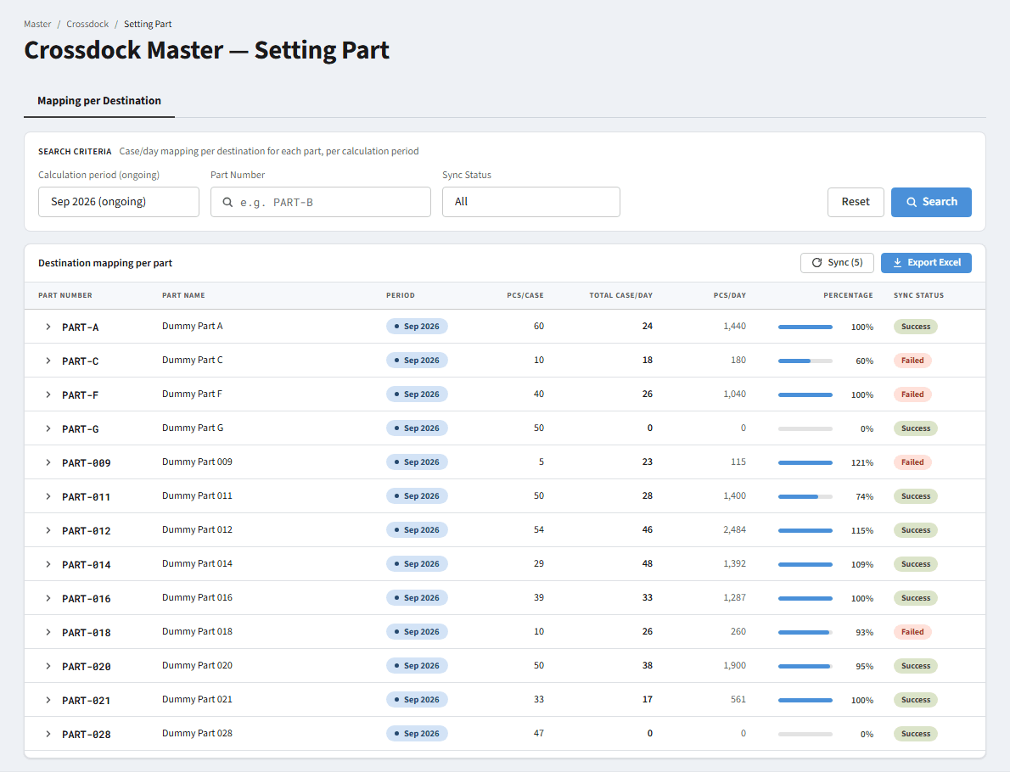
Screenshot D20

D21 - Edit mapping - "Split evenly"
Sub-menu / Mode | Mapping per Destination sub-menu
Condition / Steps | In edit mode of PART-A (3 destinations, Max Case/Day 24) change one value and click "Split evenly".
Expected display | Max Case/Day is split evenly over all destinations: 24 / 3 = 8 / 8 / 8. When it does not divide exactly, the remainder is handed out one by one from the top row.
Notes | The "Split evenly" button is only visible in edit mode with more than one destination.
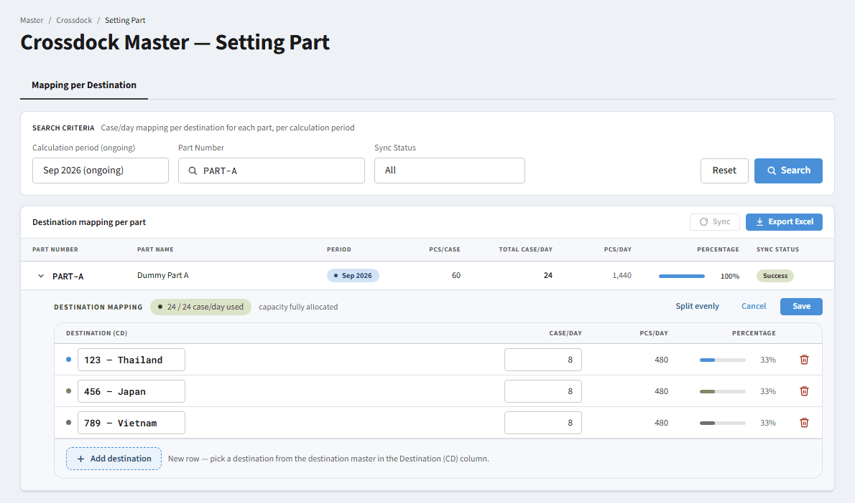
Screenshot D21

