Func Flow
Phase | Project Name |  |  |  |  |  |  |  |  |  | Page | 3/7
Block Name |  |  | Function Name |  |  | Created |  |  |  |  | By
Document Name |  |  | Title | Functional Flow |  | Updated |  |  |  |  | By

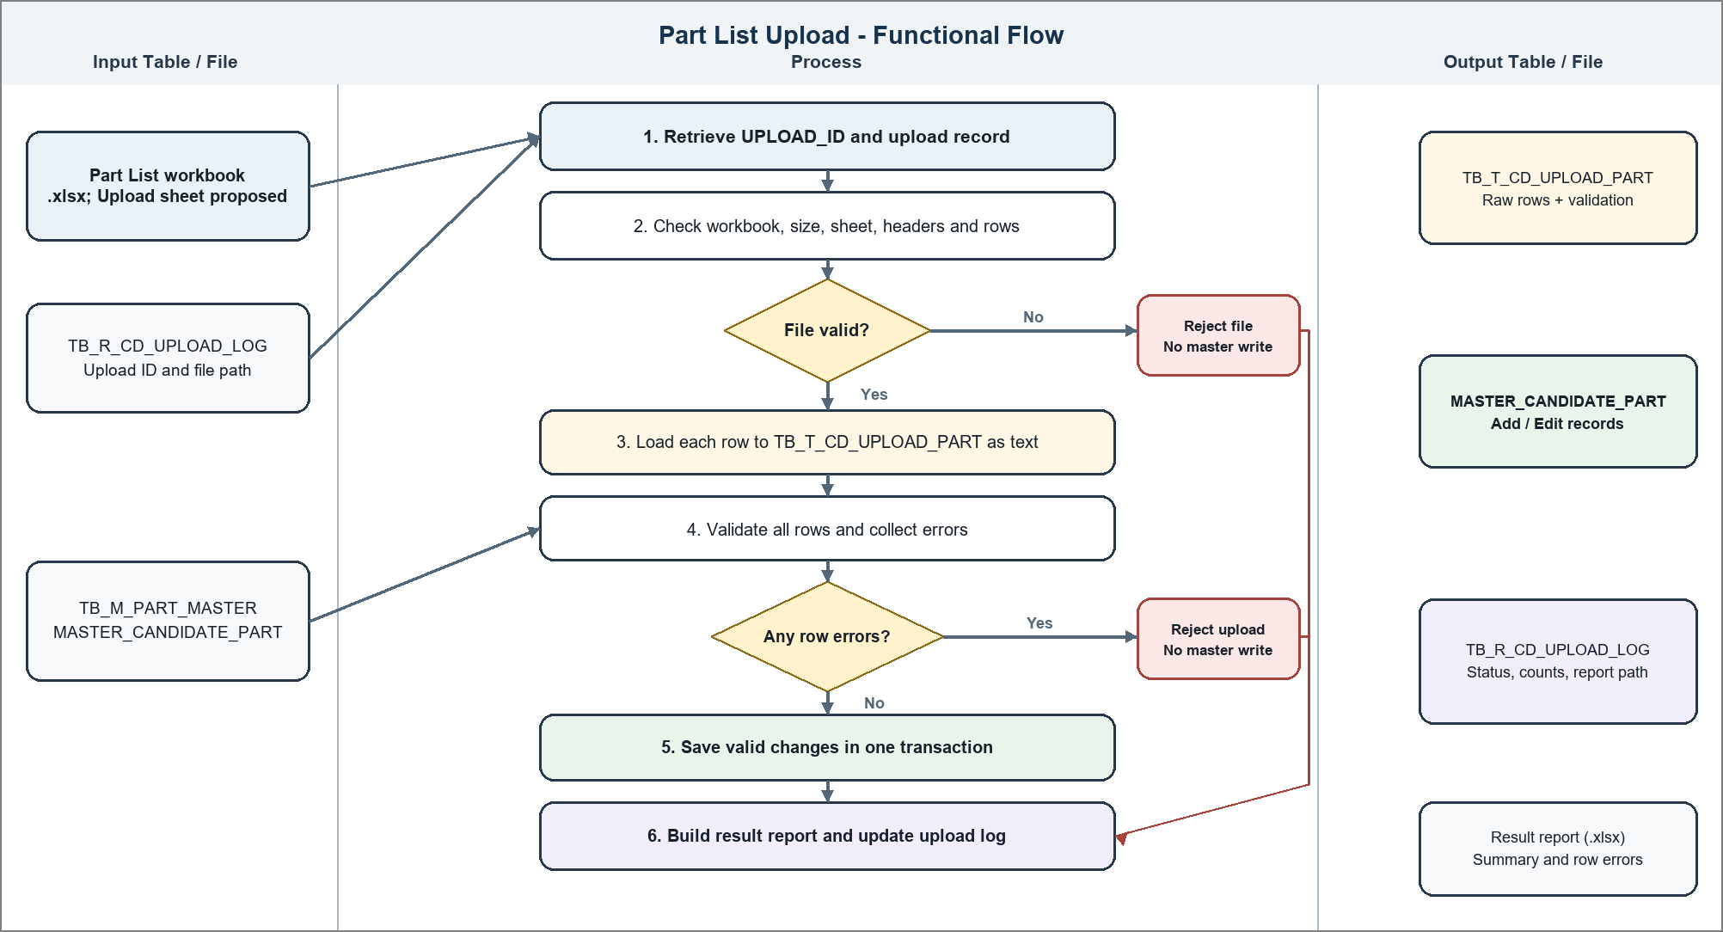
2. Functional Flow
Input Table / File |  | Process |  |  | Output Table / File |  | Description
 |  |  |  |  |  |  |  | 1. |  | Retrieve UPLOAD_ID and the
 |  |  |  |  |  |  |  |  |  | upload record from
 |  |  |  |  |  |  |  |  |  | TB_R_CD_UPLOAD_LOG.
 |  |  |  |  |  |  |  |  | - | If the record or stored file
 |  |  |  |  |  |  |  |  |  | is missing, log message no. 4
 |  |  |  |  |  |  |  |  |  | and stop.
 |  |  |  |  |  |  |  | 2. |  | Set STATUS = 'PROCESSING' and
 |  |  |  |  |  |  |  |  |  | START_DT, then check the
 |  |  |  |  |  |  |  |  |  | workbook extension, size, row
 |  |  |  |  |  |  |  |  |  | count, Upload sheet and
 |  |  |  |  |  |  |  |  |  | headers (see 4.1).
 |  |  |  |  |  |  |  |  | - | If invalid, log message no.
 |  |  |  |  |  |  |  |  |  | 5, set STATUS = REJECTED and
 |  |  |  |  |  |  |  |  |  | proceed to step 6.
 |  |  |  |  |  |  |  | 3. |  | Load every data row into
 |  |  |  |  |  |  |  |  |  | TB_T_CD_UPLOAD_PART as text
 |  |  |  |  |  |  |  |  |  | with UPLOAD_ID and Excel row
 |  |  |  |  |  |  |  |  |  | number.
 |  |  |  |  |  |  |  | 4. |  | Validate all rows and store
 |  |  |  |  |  |  |  |  |  | every validation error in the
 |  |  |  |  |  |  |  |  |  | temp table (see 4.2). If any
 |  |  |  |  |  |  |  |  |  | row fails, log message no. 6,
 |  |  |  |  |  |  |  |  |  | set STATUS = REJECTED and do
 |  |  |  |  |  |  |  |  |  | not write master data.
 |  |  |  |  |  |  |  | 5. |  | If all rows are valid, insert
 |  |  |  |  |  |  |  |  |  | Add rows and update Edit rows
 |  |  |  |  |  |  |  |  |  | in one transaction. Skip
 |  |  |  |  |  |  |  |  |  | unchanged Edit rows. If a
 |  |  |  |  |  |  |  |  |  | database error occurs, roll
 |  |  |  |  |  |  |  |  |  | back, log message no. 8 and
 |  |  |  |  |  |  |  |  |  | set STATUS = REJECTED.
 |  |  |  |  |  |  |  | 6. |  | Create the proposed result
 |  |  |  |  |  |  |  |  |  | workbook; update status,
 |  |  |  |  |  |  |  |  |  | counts, result path and
 |  |  |  |  |  |  |  |  |  | END_DT in TB_R_CD_UPLOAD_LOG.
 |  |  |  |  |  |  |  |  |  | Log message no. 9 if report
 |  |  |  |  |  |  |  |  |  | creation fails; write batch
 |  |  |  |  |  |  |  |  |  | end message no. 2 and return
 |  |  |  |  |  |  |  |  |  | status.

