Screen Flow
Phase |  | Project Name |  |  |  | Page | 3/9
Block Name |  |  | Function Name |  | Created | By
Document Name |  |  | Title | Screen Flow Diagram | Updated | By

2. Screen Flow

 | Screen Flow for Part List

Add Part modal

Add Part
Edit part data modal

Save
Part Number / Edit
Save
History setting modal
Saved successfully popup
History icon
Part List
Validate file

Upload Excel modal
Upload Excel

Export Excel

Excel file (.xlsx)

OK

 | Cancel / Close / X on any modal returns to the Part List without saving.

 | Screen Flow for Save (Add / Edit part data)

START

On Click of Save button

Mandatory items valid?

No
Yes

Save stays disabled
(tooltip)
Insert / update part
record
TB_M_PART_CANDIDATE

Sync Status = No Sync,
move part to top

Show Saved successfully

END

Screen Layout
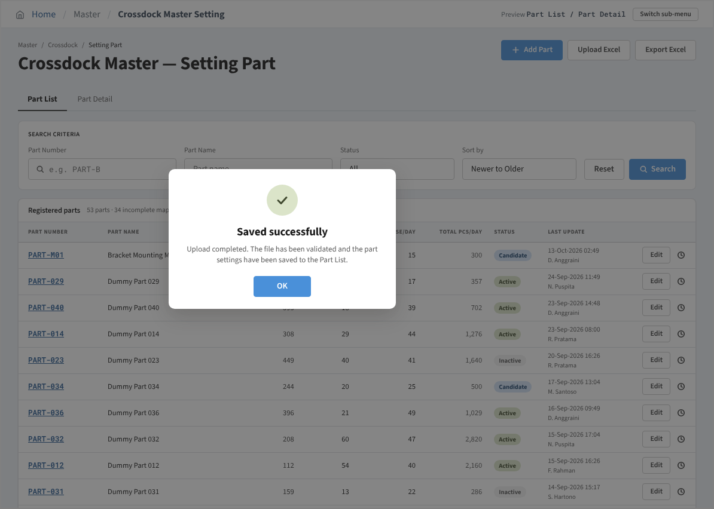
Phase |  | Project Name |  |  |  | Page | 4/9
Block Name |  |  | Function Name |  | Created | By
Document Name |  |  | Title | Screen Layout | Updated | By

3. Screen Layout

 | 1. Initial Mode - Part List (Status = All, Sort by = Newer to Older)
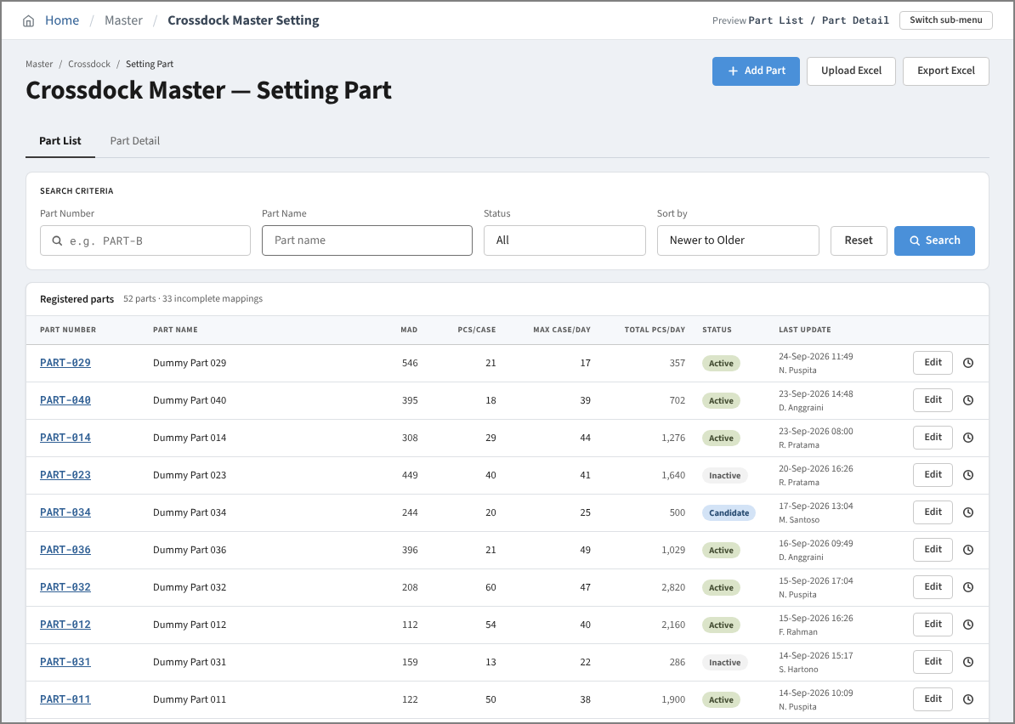

 | 2. Search Result Mode - Status = Candidate
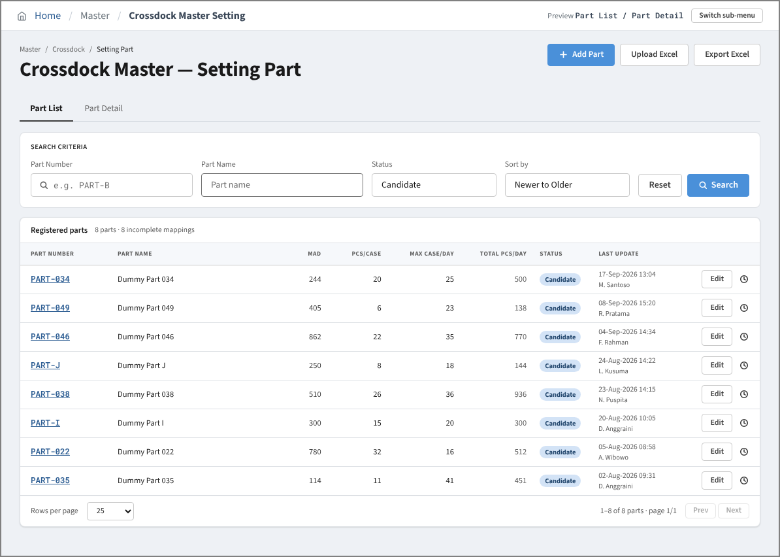

 | 3. Search Result Mode - no matching parts (empty state)
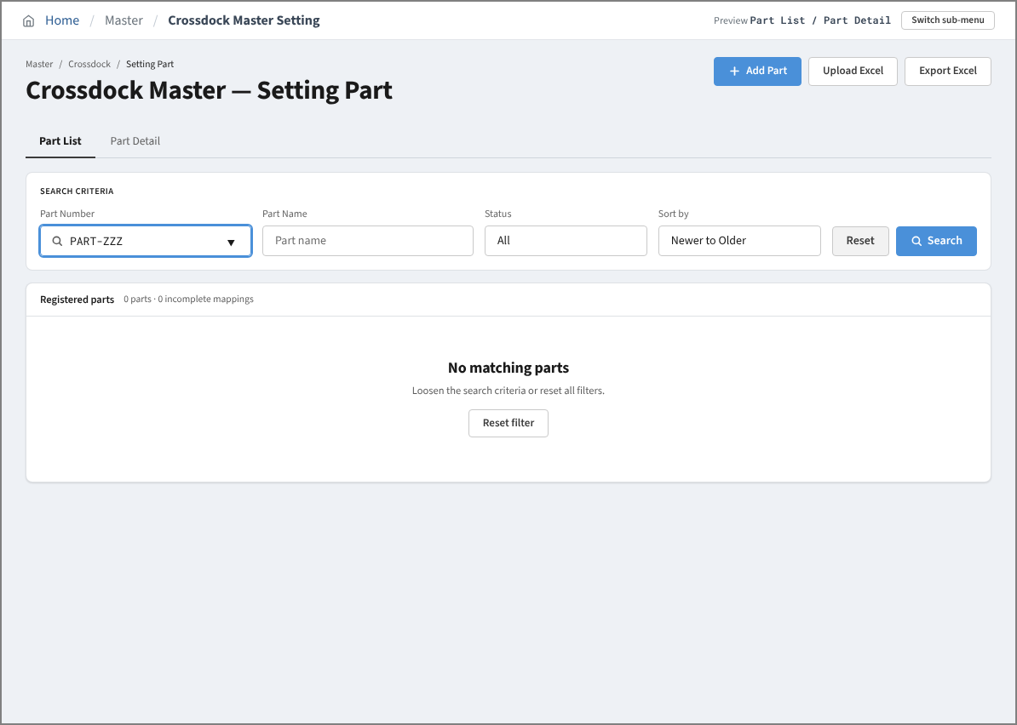

 | 4. Add Mode - empty form (Save disabled)
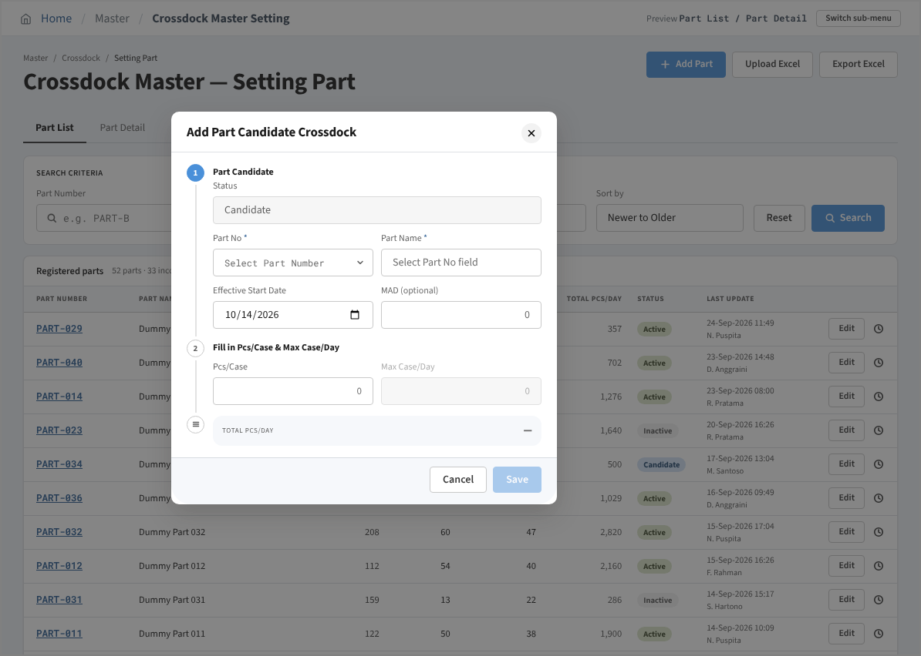

 | 5. Add Mode - Part No list (only parts not yet registered)
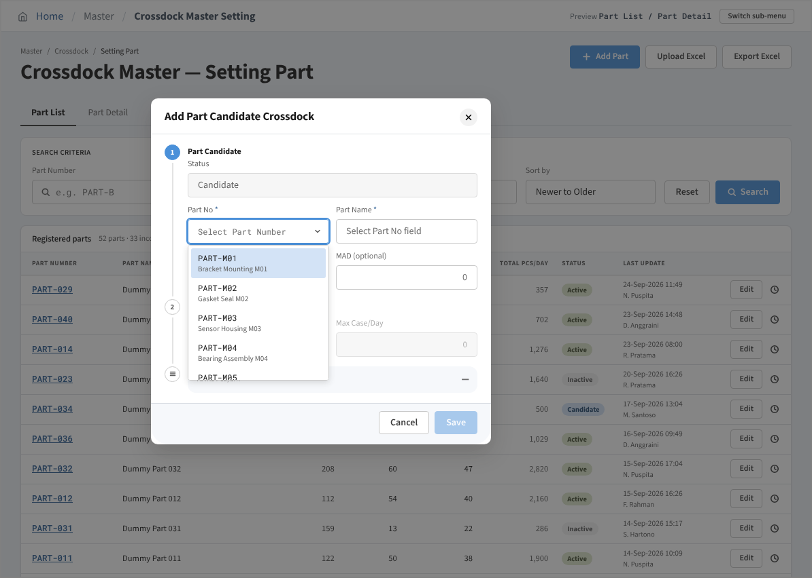

 | 6. Add Mode - Part No not found
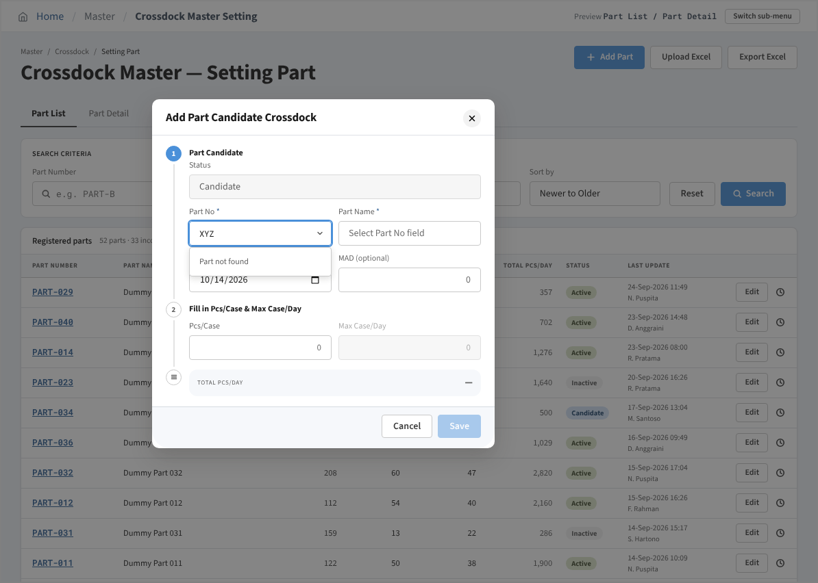

 | 7. Add Mode - all required items filled (Save enabled)
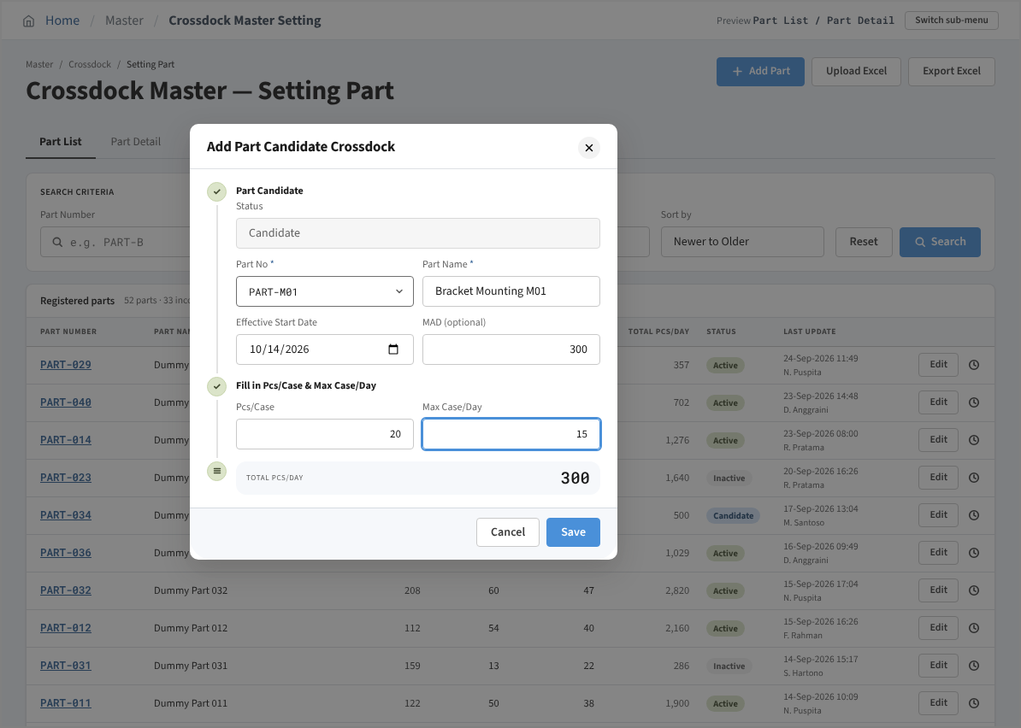

 | 8. Saved successfully popup after Save
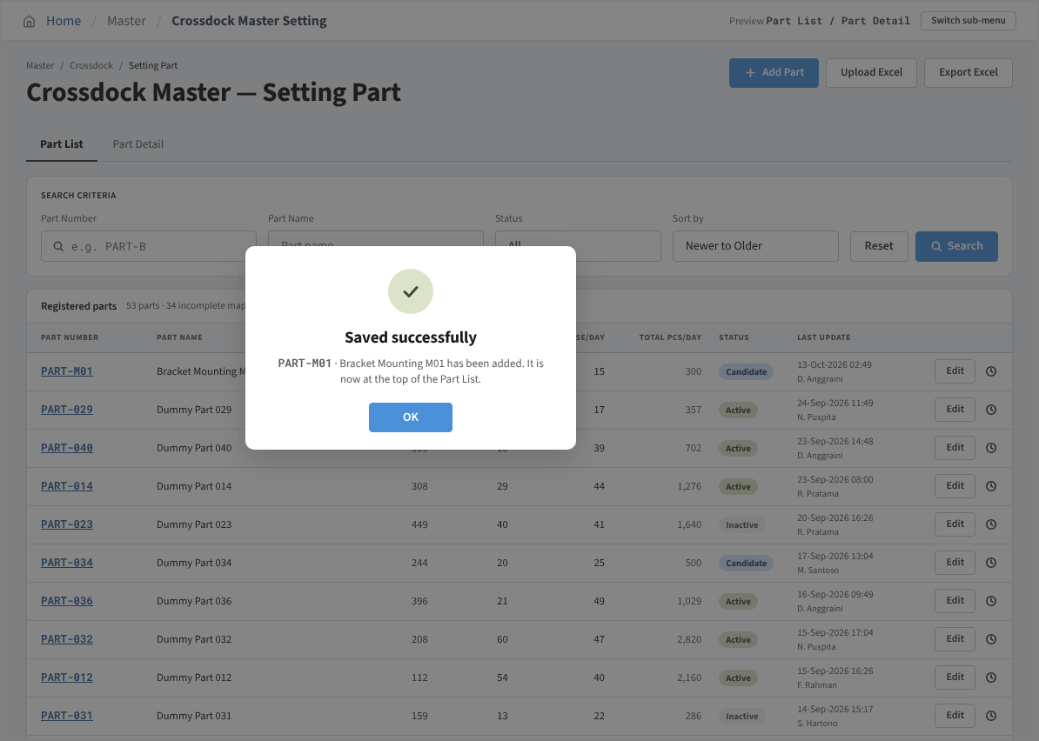

 | 9. Edit Mode - Candidate part (Effective Start Date editable)
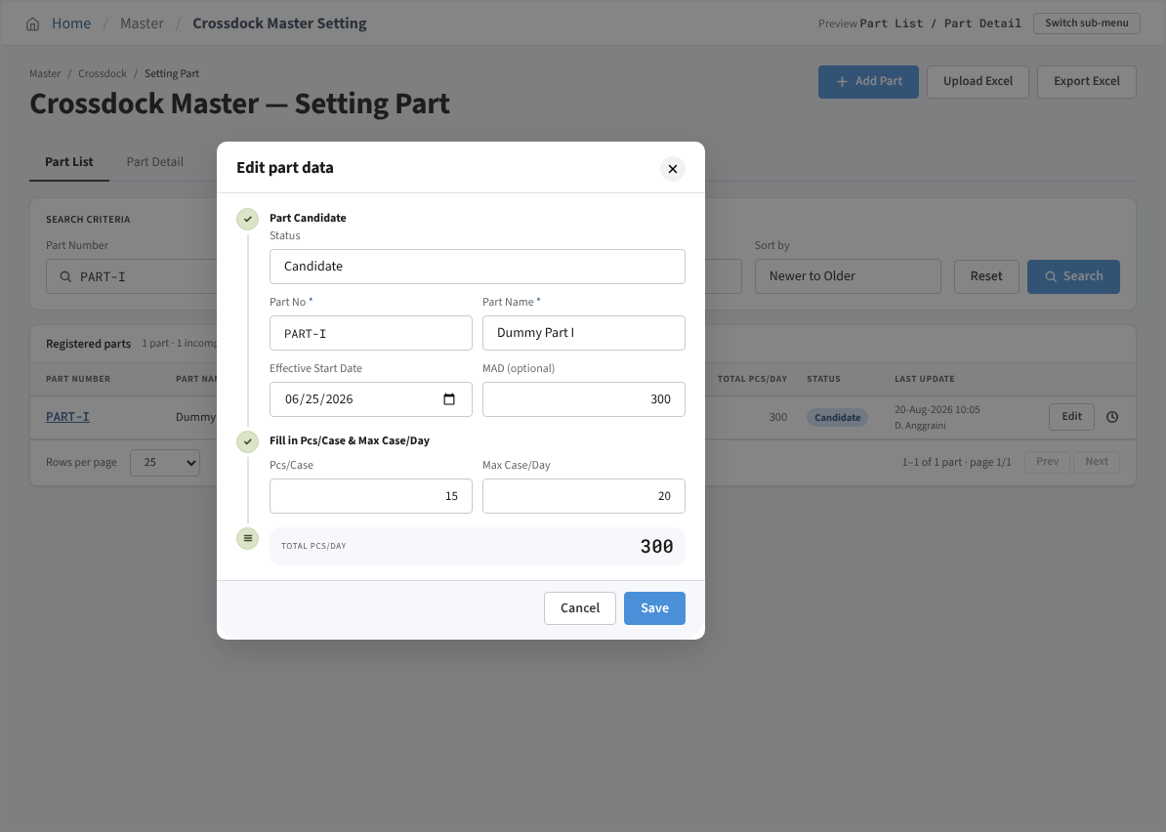

 | 10. Edit Mode - Active part (Effective Start Date locked)


 | 11. History Mode - History setting
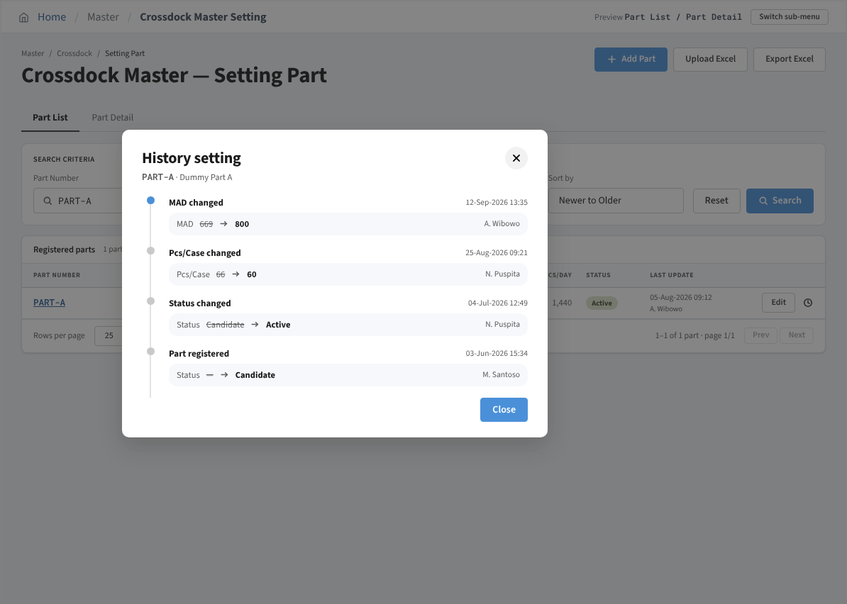

 | 12. Upload Mode - Upload Excel modal
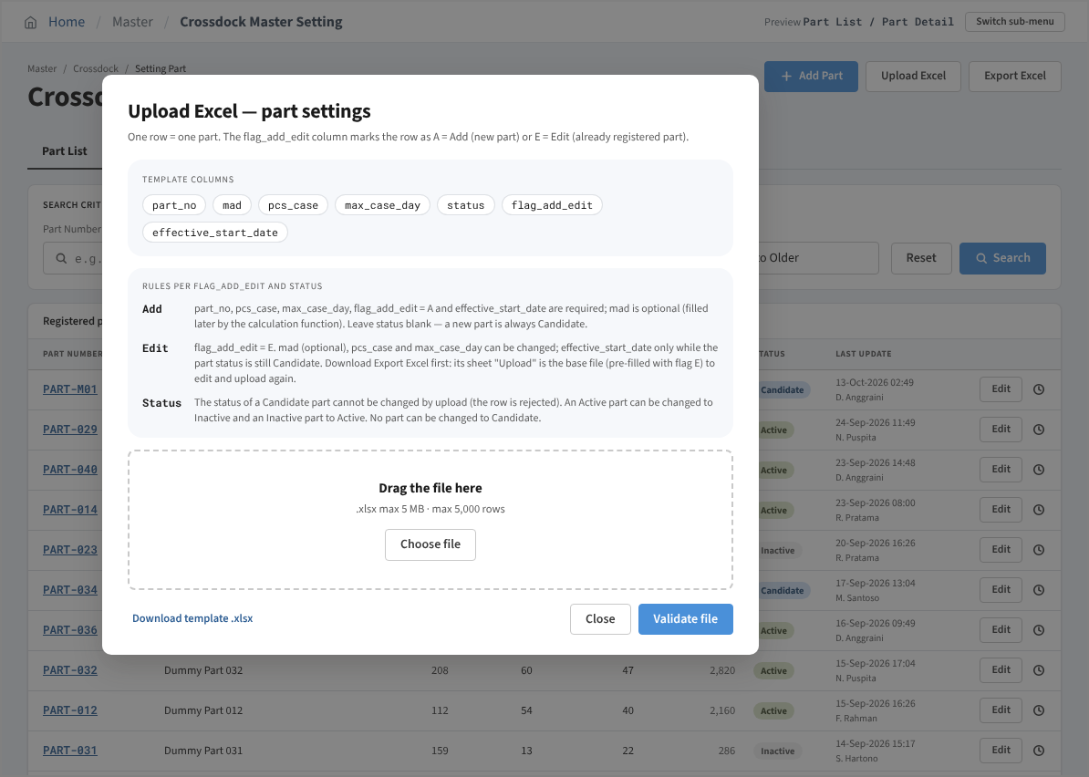

 | 13. Upload Mode - Saved successfully popup after Validate file

