Screen Flow
Phase |  | Project Name |  |  |  | Page | 3/9
Block Name |  |  | Function Name |  | Created | By
Document Name |  |  | Title | Screen Flow Diagram | Updated | By

2. Screen Flow

 | Screen Flow - Delivery Plan

→ View detail
← Back to Delivery
Plan
Detail in Detail

Delivery Plan Header

ASN Draft (separate UISS)
→ Group into 1 ASN
← Cancel / Back to
Delivery Plan

 | The ASN Draft screen is documented in its own UISS-Screen.

 | Screen Flow - Search Delivery Plan

START

On Click of Search button

Keep the criteria as the
active search

Retrieve Customer Order
Dates within range and
status
Customer Order / Supplier
PO (TBD)

Data found?

Yes

No
Display Delivery Plan
Header
Display message no. 4

END

 | Screen Flow - Select Date and Group into ASN

START

On Tick of Customer Order
Date check box

Ready to ASN and not in an
ASN?

Yes

Select all cases of the
date (all POs)

Enable Group into 1 ASN

No (check box
disabled)

On Click of Group into 1
ASN button

ASN Draft screen

END

Screen Layout
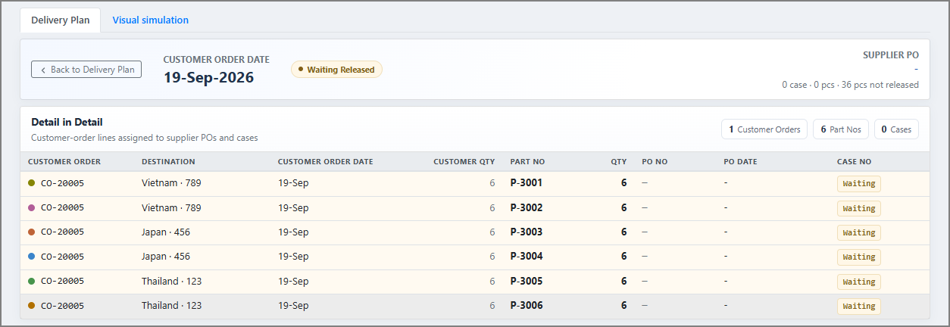
Phase |  | Project Name |  |  |  | Page | 4/9
Block Name |  |  | Function Name |  | Created | By
Document Name |  |  | Title | Screen Layout | Updated | By

3. Screen Layout

 | List Mode - No Selection (initial display)
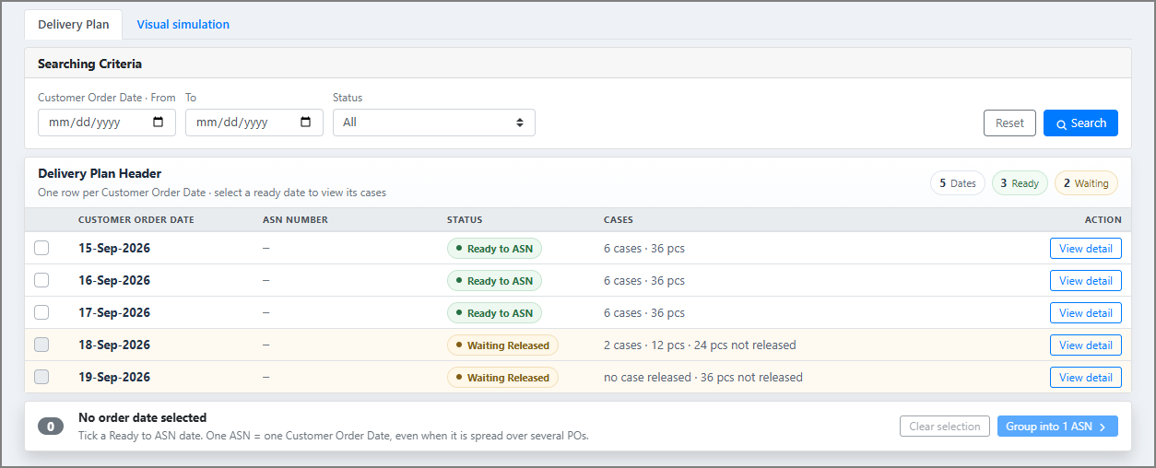

 | List Mode - Date Selected
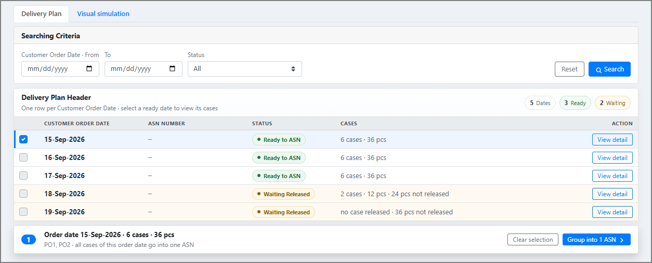

 | List Mode - After Search (Status = Waiting Released)

 | Detail Mode - Ready to ASN date (View detail)

 | Detail Mode - Waiting Released date (View detail)

