Screen Flow
Phase |  | Project Name |  |  |  | Page | 3/9
Block Name |  |  | Function Name |  | Created | By
Document Name |  |  | Title | Screen Flow Diagram | Updated | By

2. Screen Flow

 | Screen Flow for Mapping per Destination
→ Edit mapping
← Save / Cancel
Destination Mapping panel
(view)
Edit mapping mode

Expand
Upload Excel modal

Upload Excel

Mapping per Destination
list
Export Excel
Excel file (.xlsx)
Validate file
Saved successfully popup

Sync
RPA -> global system

OK

 | Close on the Upload Excel modal returns to the list without uploading. Closing the panel while editing discards the changes.

 | Screen Flow for Save (Edit mapping)

START

On Click of Save button

Total <= Max Case/Day and
every row has a
destination?

No

Yes
Save stays disabled, show
banner
Replace mapping of part
and ongoing period
TB_M_PART_CANDIDATE_DEST

Sync Status = No Sync
TB_M_PART_CANDIDATE

Back to view mode

Screen Layout
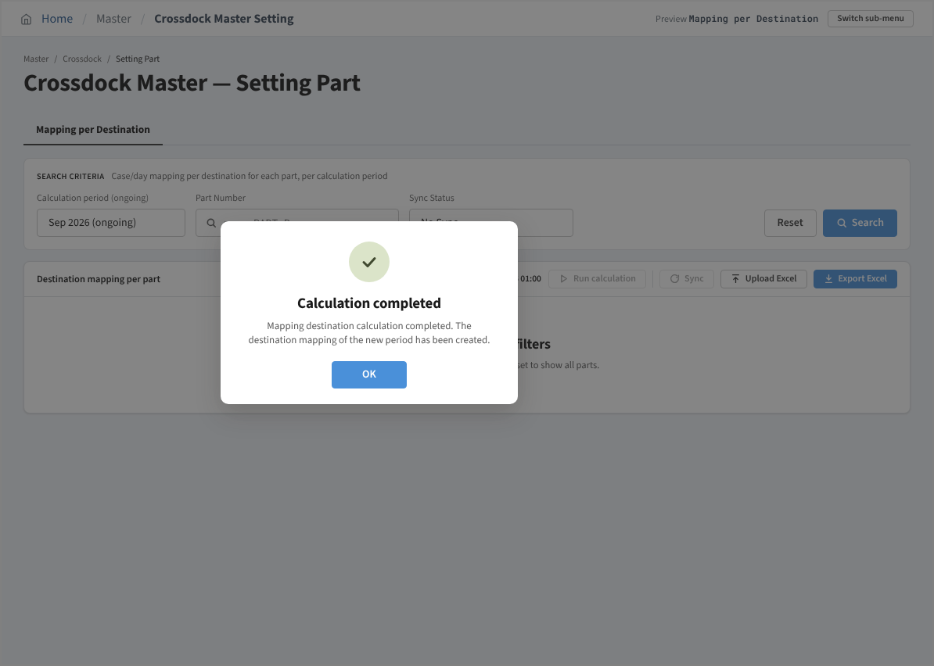
Phase |  | Project Name |  |  |  | Page | 4/9
Block Name |  |  | Function Name |  | Created | By
Document Name |  |  | Title | Screen Layout | Updated | By

3. Screen Layout

 | 1. Initial Mode - ongoing period, Sync Status = No Sync
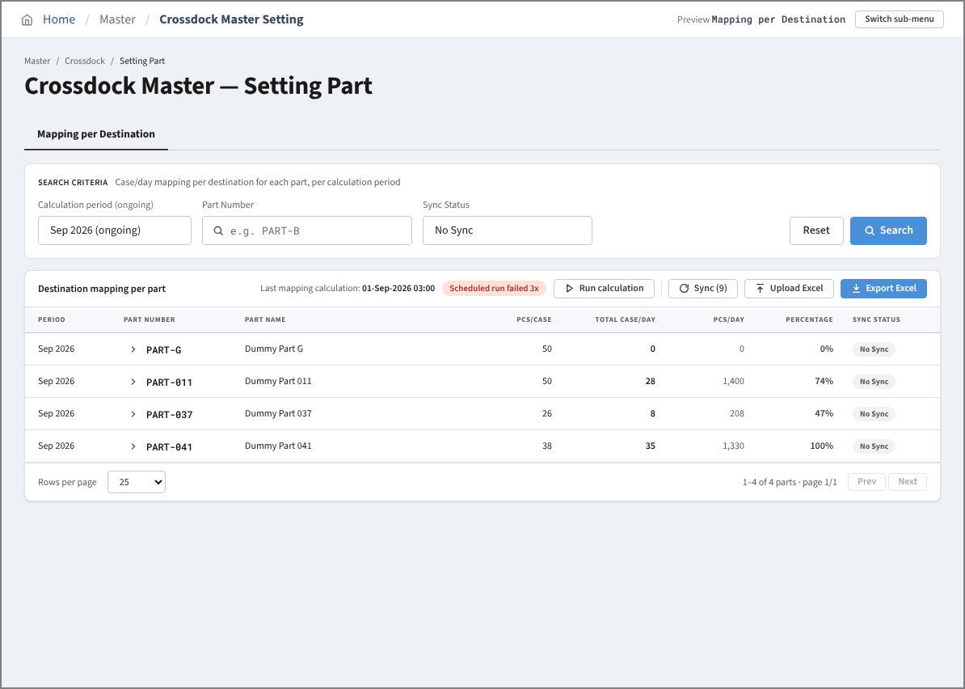

 | 2. Search Result Mode - Sync Status = All
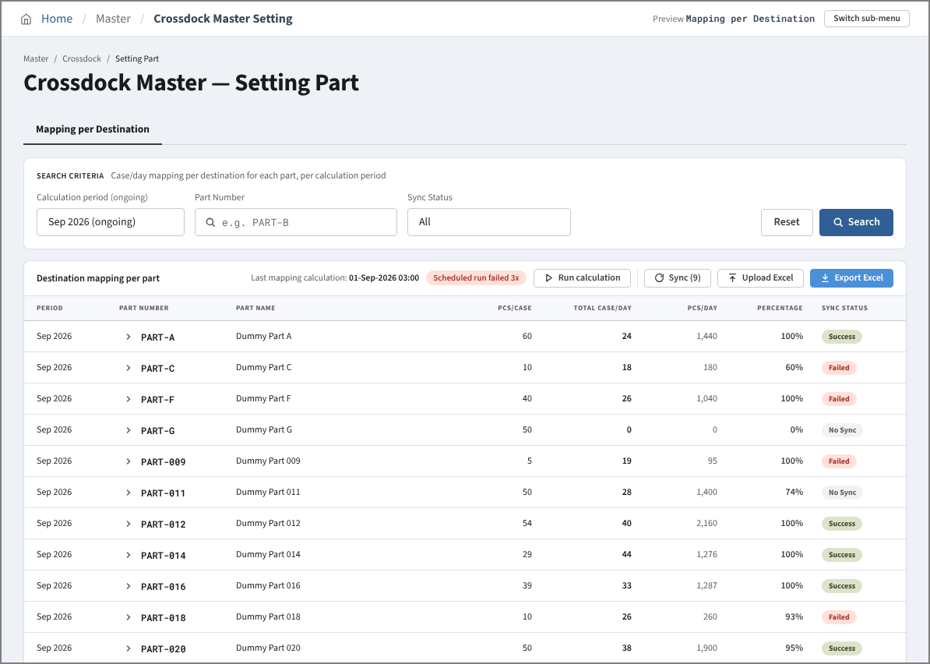

 | 3. Search Result Mode - past period (Upload Excel disabled)
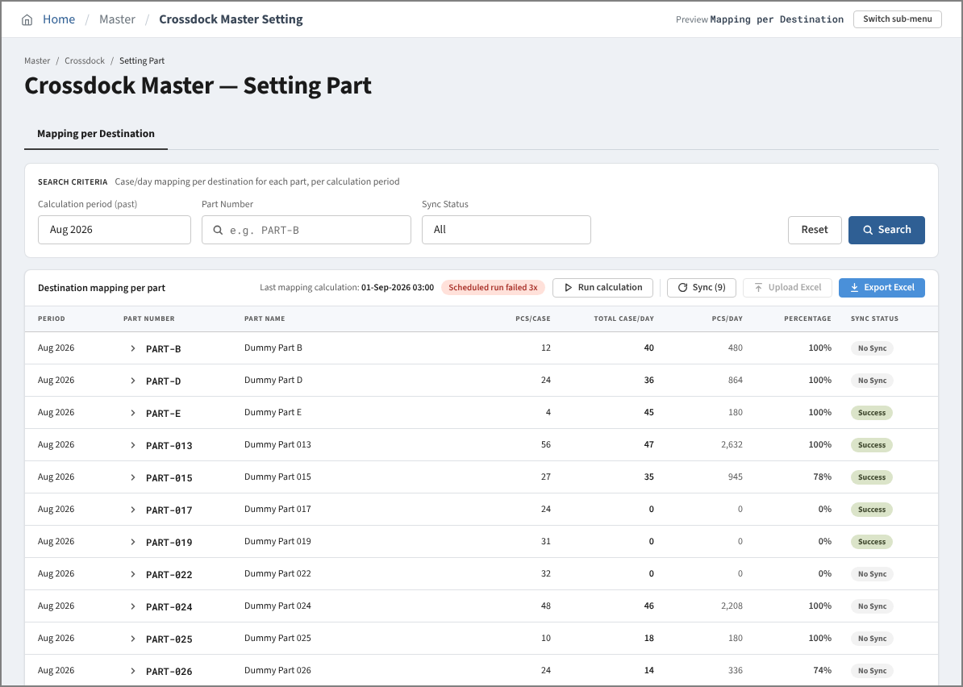

 | 4. Search Result Mode - no parts match the filters
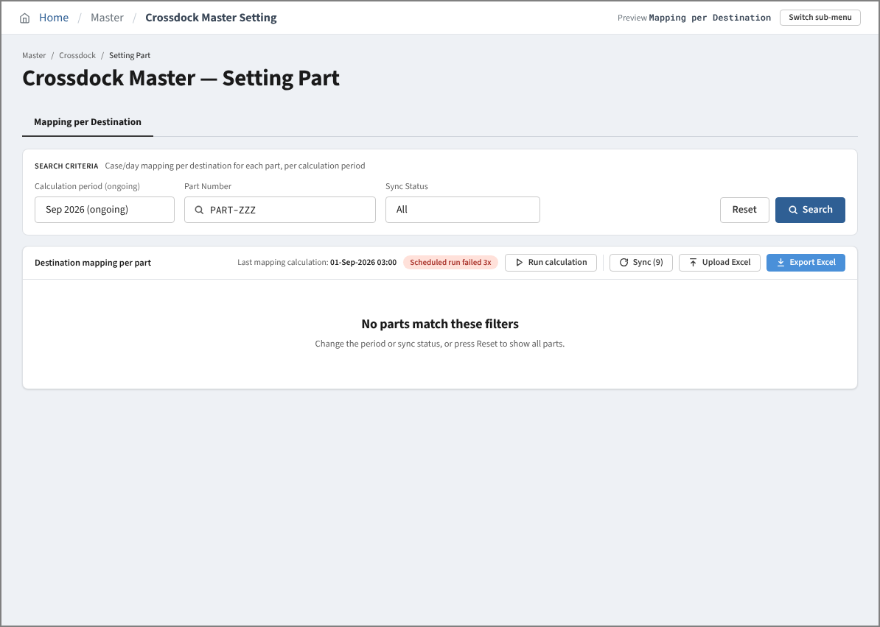

 | 5. Detail View Mode - ongoing period
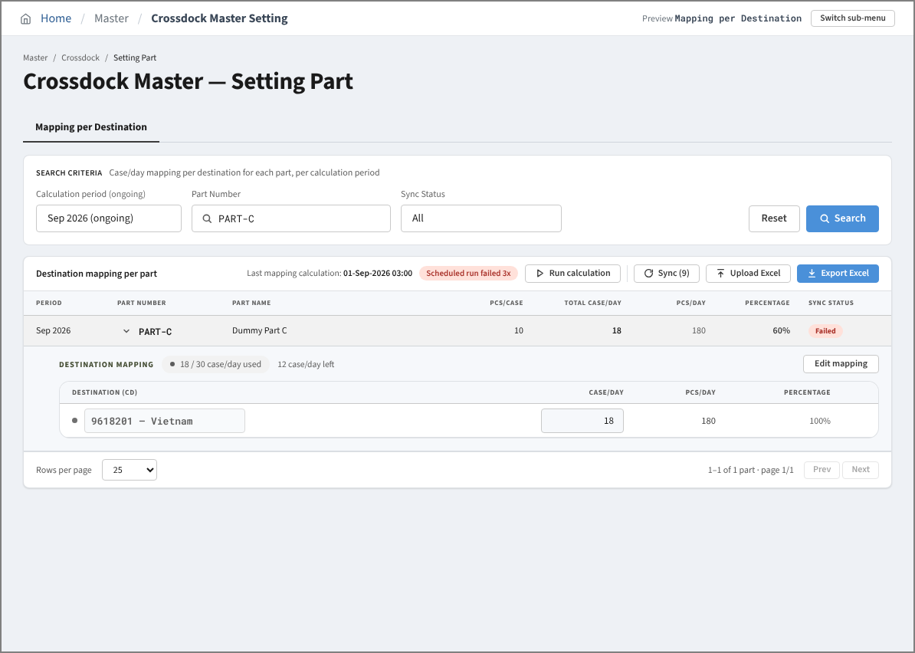

 | 6. Detail View Mode - past period (read only)
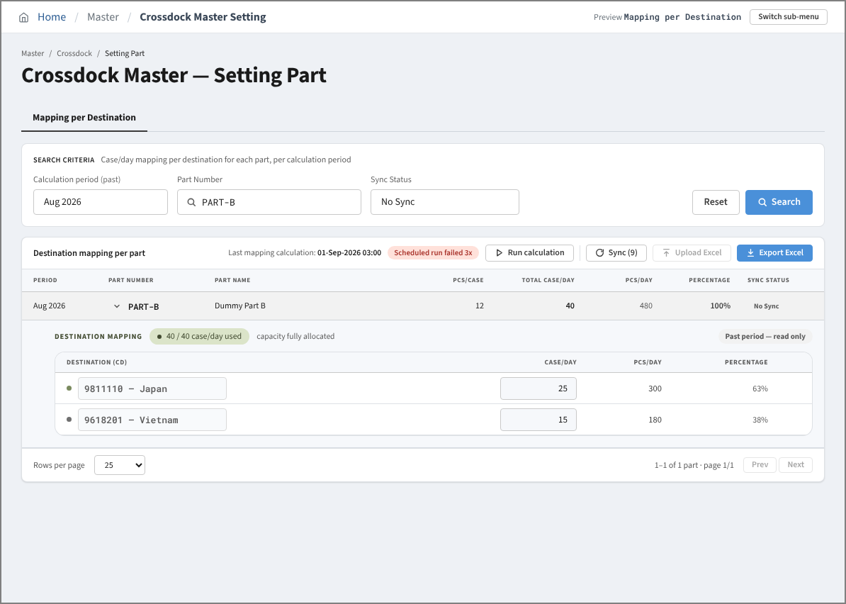

 | 7. Edit Mapping Mode
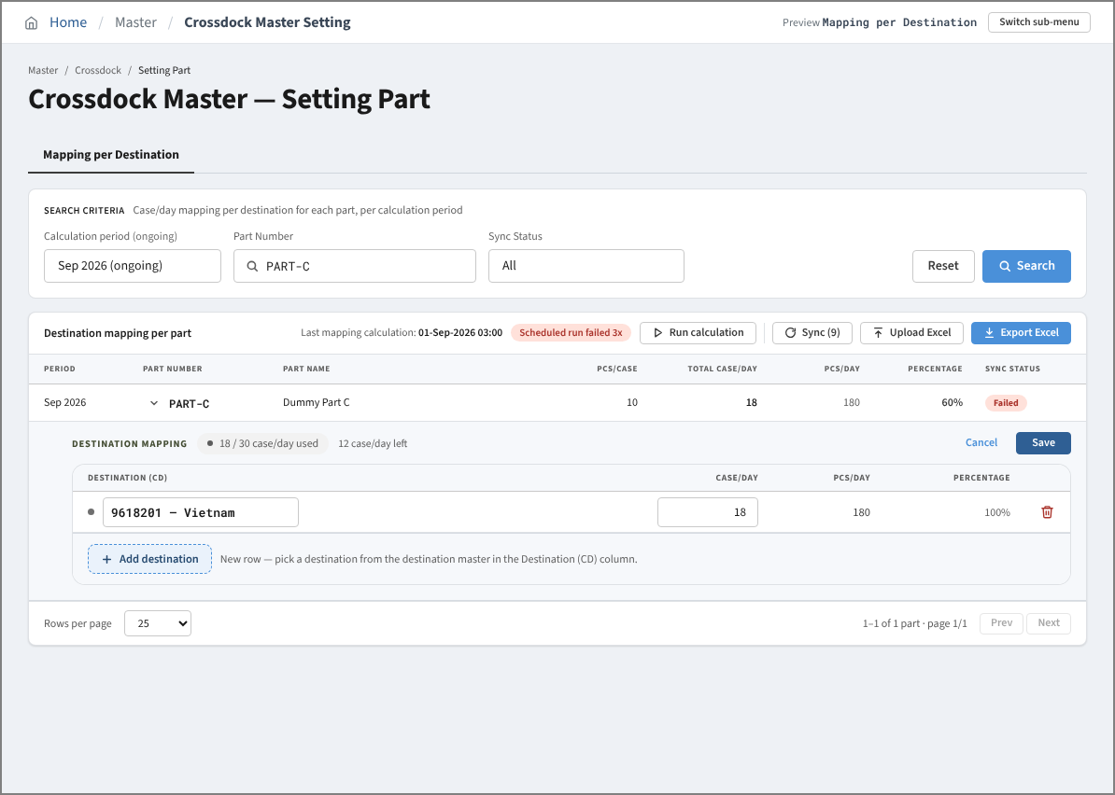

 | 8. Edit Mapping Mode - allocation above Max Case/Day (Save disabled)
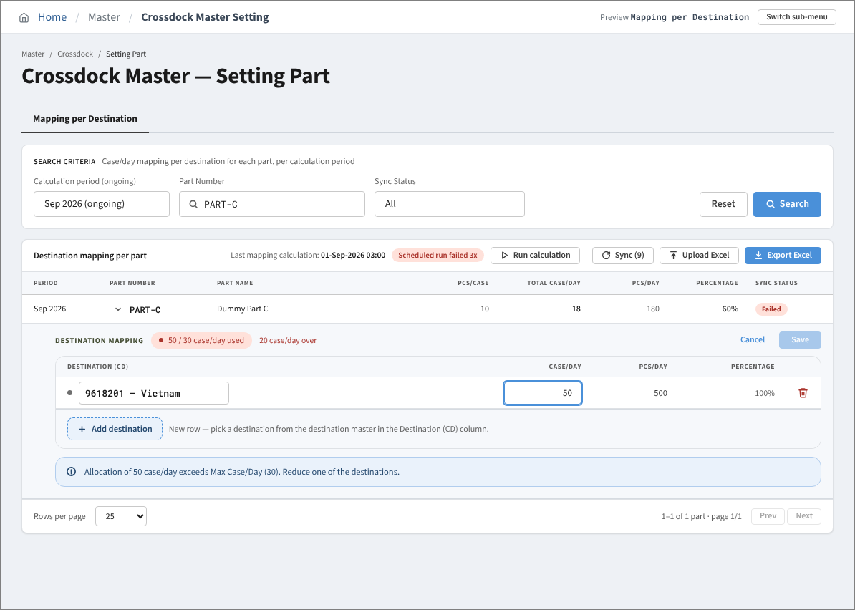

 | 9. Edit Mapping Mode - row without destination (Save disabled)
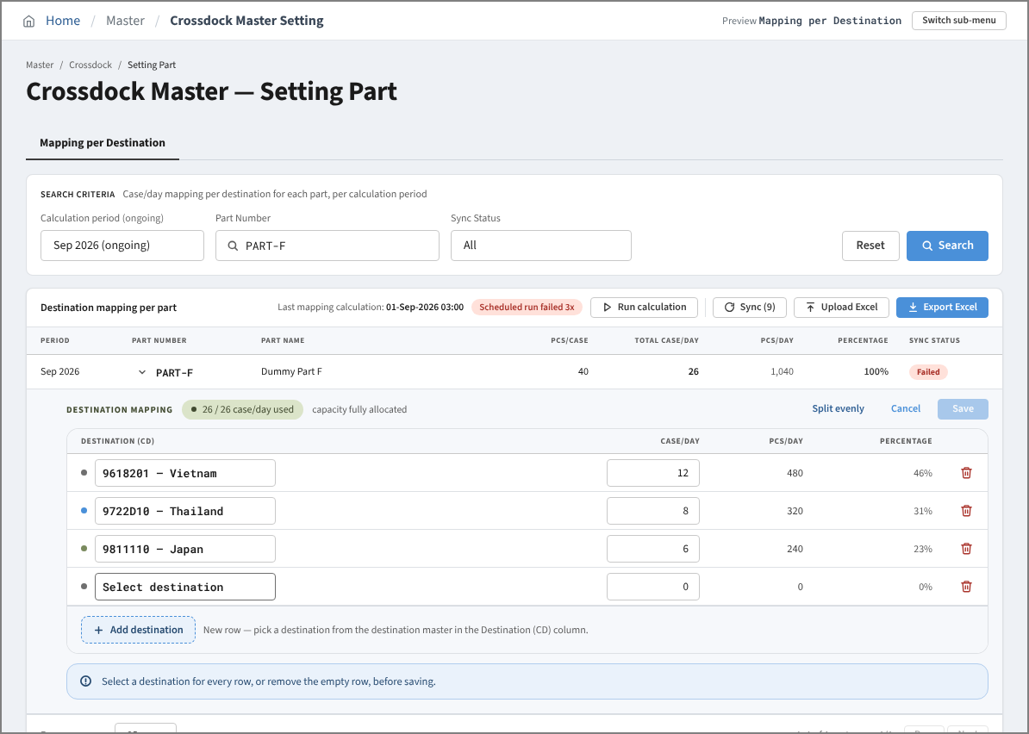

 | 10. Detail View Mode - part without destination
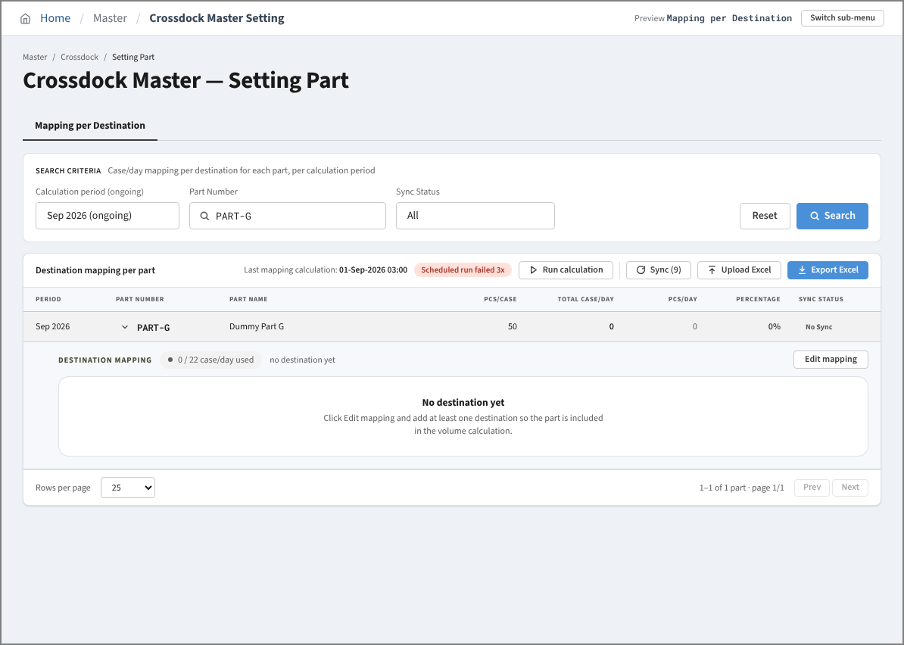

 | 11. Edit Mapping Mode - after Split evenly
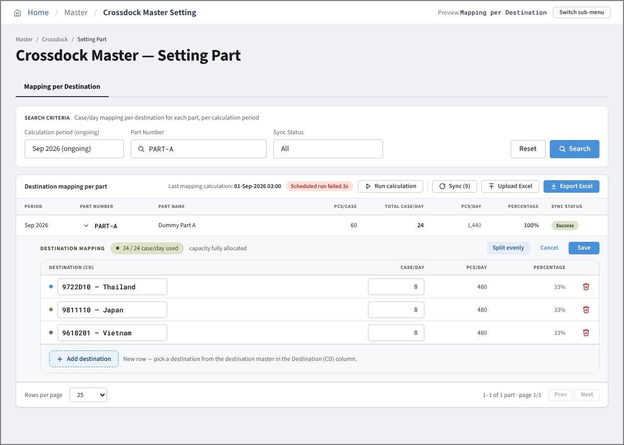

 | 12. Before Sync - Sync (9): 4 No Sync + 5 Failed Active parts of the ongoing period
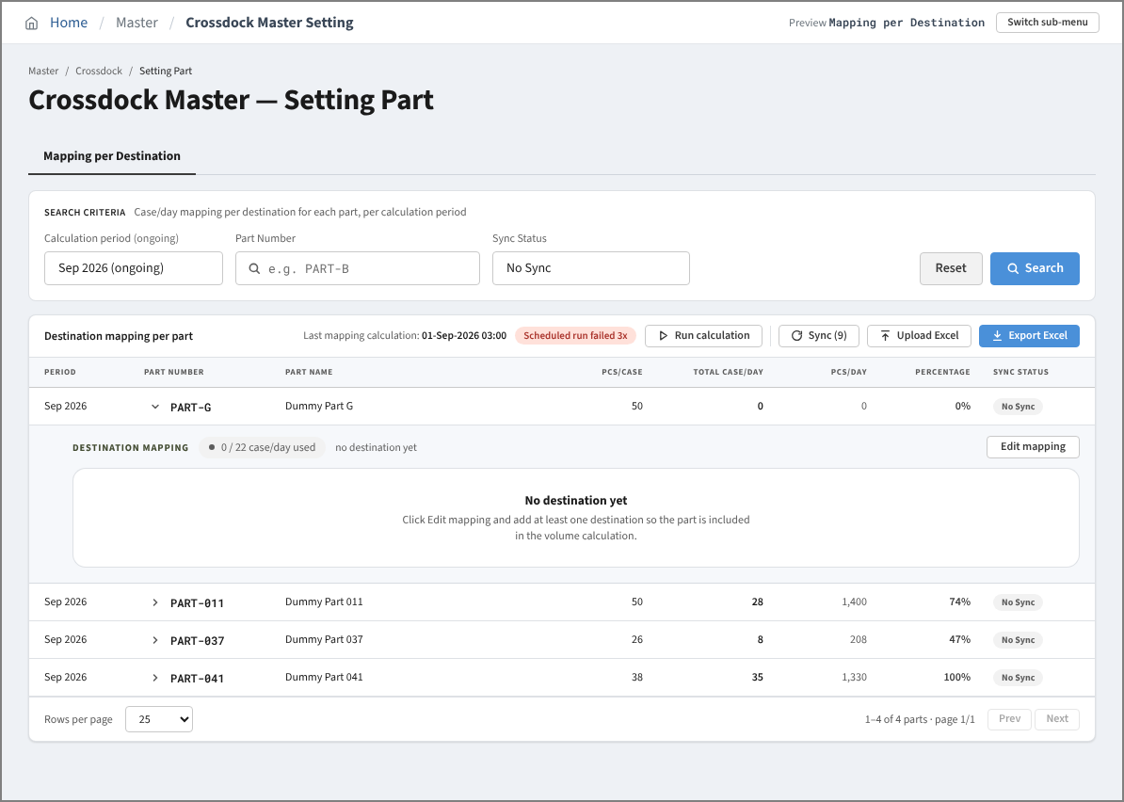

 | 13. After Sync - the 9 parts are Waiting for the RPA (viewed with Sync Status = All)
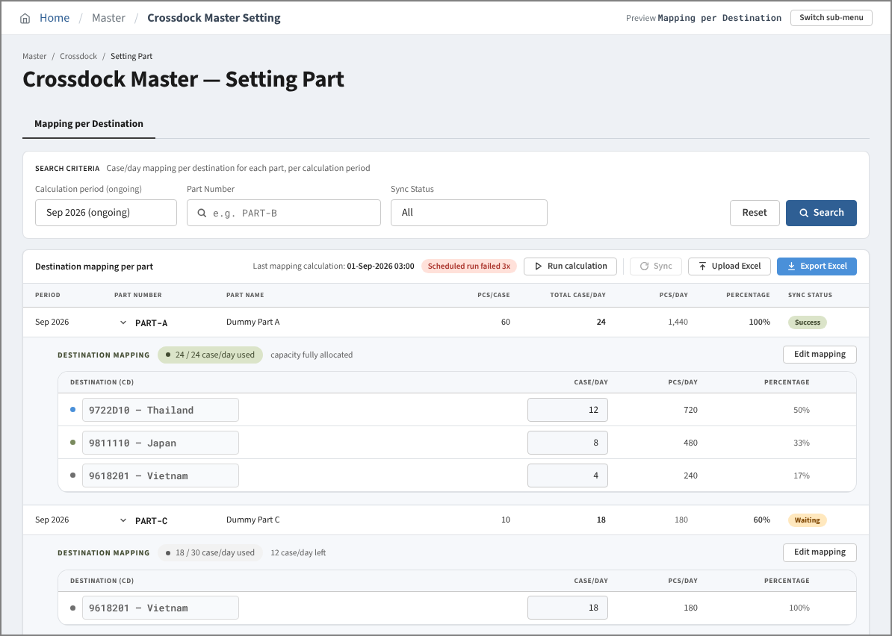

 | 14. Upload Mode - Upload Excel modal
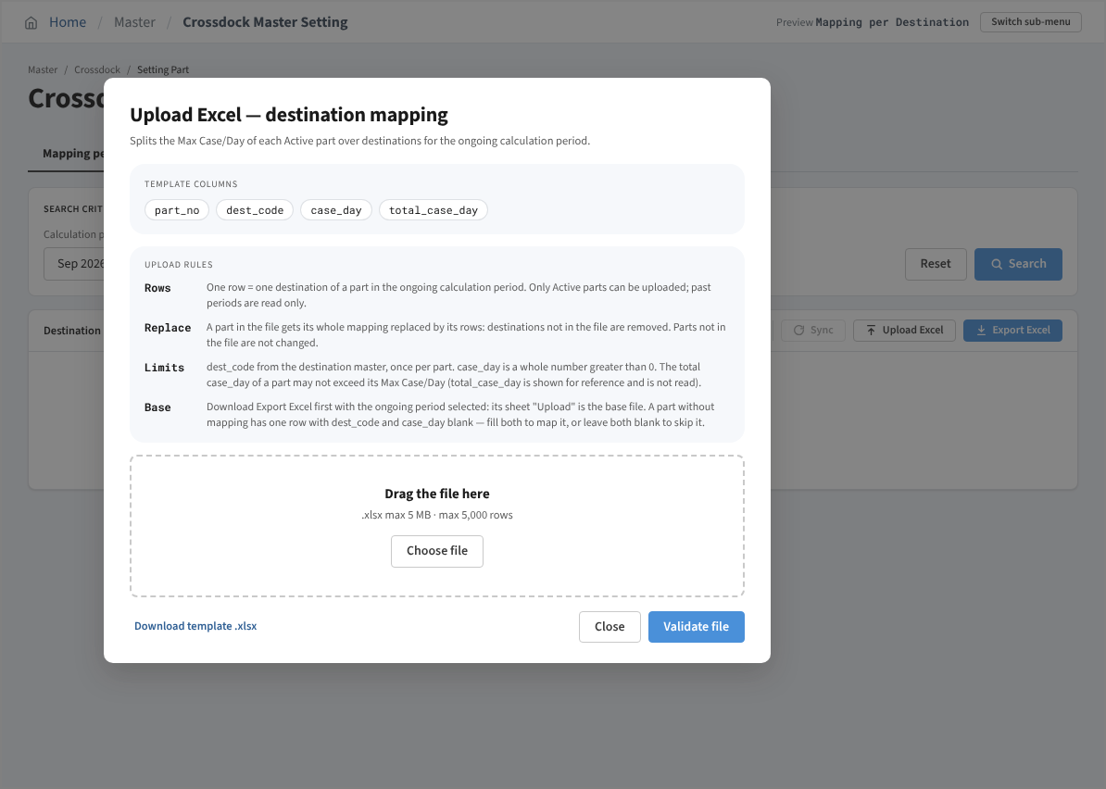

 | 15. Upload Mode - Saved successfully popup after Validate file
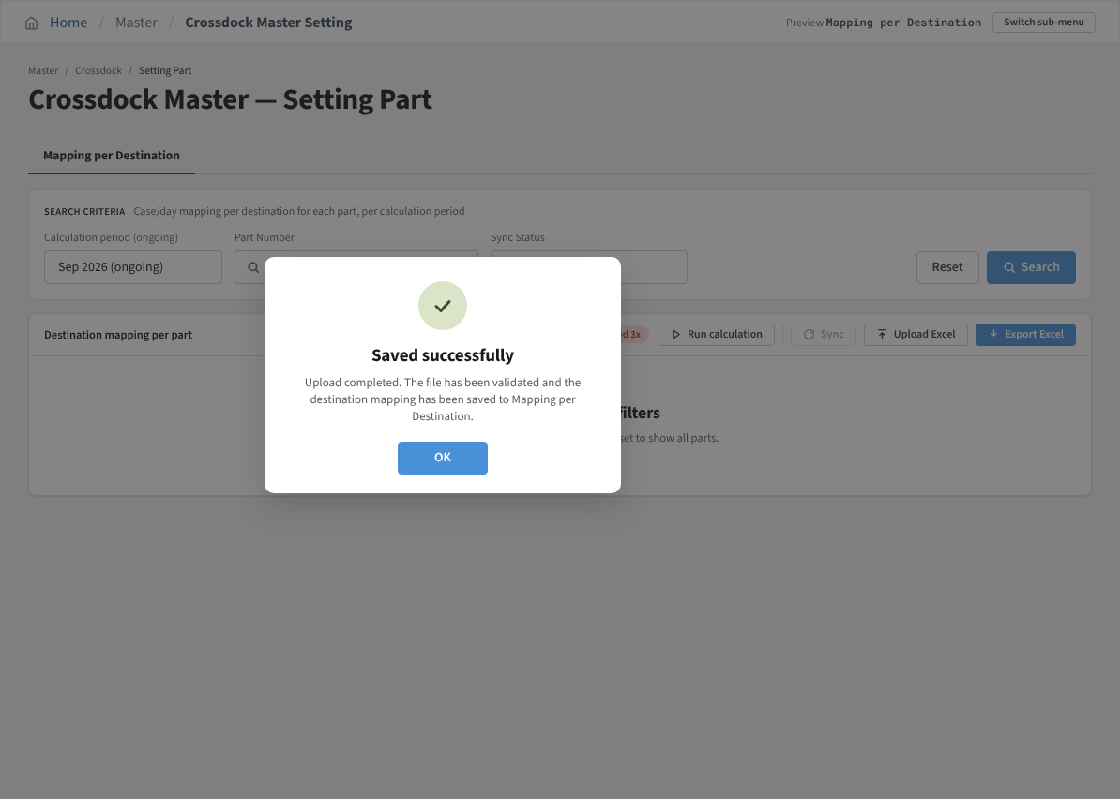

 | 16. Run calculation - Calculation completed popup

