Screen Flow
Phase |  | Project Name |  |  |  | Page | 3/9
Block Name |  |  | Function Name |  | Created | By
Document Name |  |  | Title | Screen Flow Diagram | Updated | By

2. Screen Flow

 | Screen Flow - Change Order Number

Detail: cases + candidates
Change Order Number
Confirmation
Expand
XD08 batch: UPD_STATUS 2
for a line in an ASN
Change Order Number - list
TB_R_INSTRUCTION /
TB_H_CROSSDOCK_ORDER_CHANGE
Yes

row removed

Screen Layout
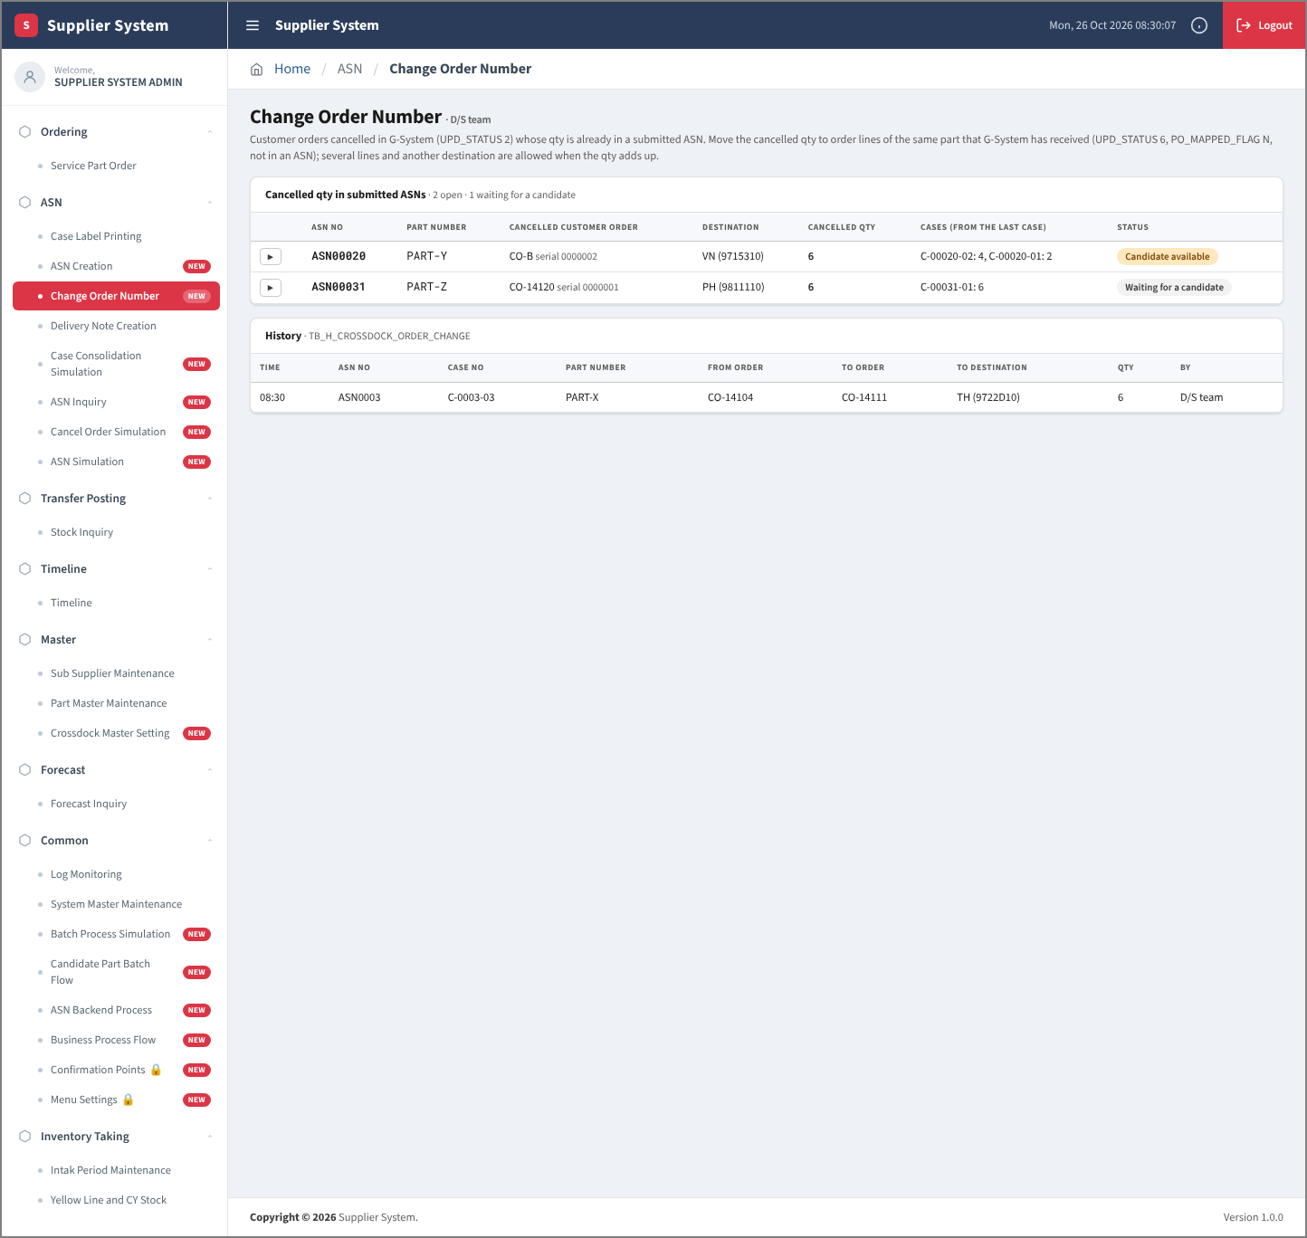
Phase |  | Project Name |  |  |  | Page | 4/9
Block Name |  |  | Function Name |  | Created | By
Document Name |  |  | Title | Screen Layout | Updated | By

3. Screen Layout

 | 1. List Mode with the detail of ASN00020 (partial cancel of CO-B: 6 of 8 pcs; candidates CO-E 4 + CO-F 2 pre-ticked, oldest first)
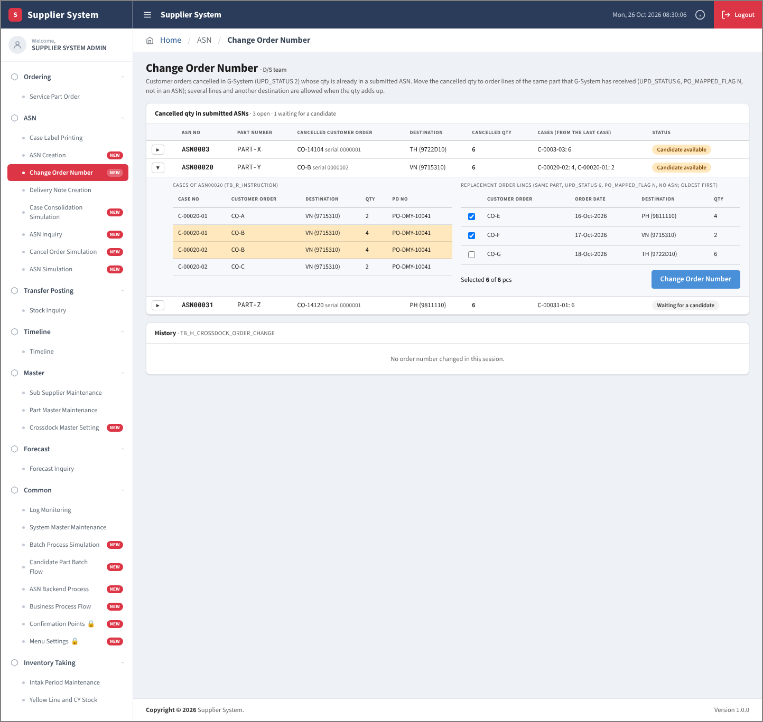

 | 2. Detail of ASN0003 (simulasi_asn.xlsx: CO-14104 cancelled after the ASN; candidate CO-14111, UPD_STATUS 6)
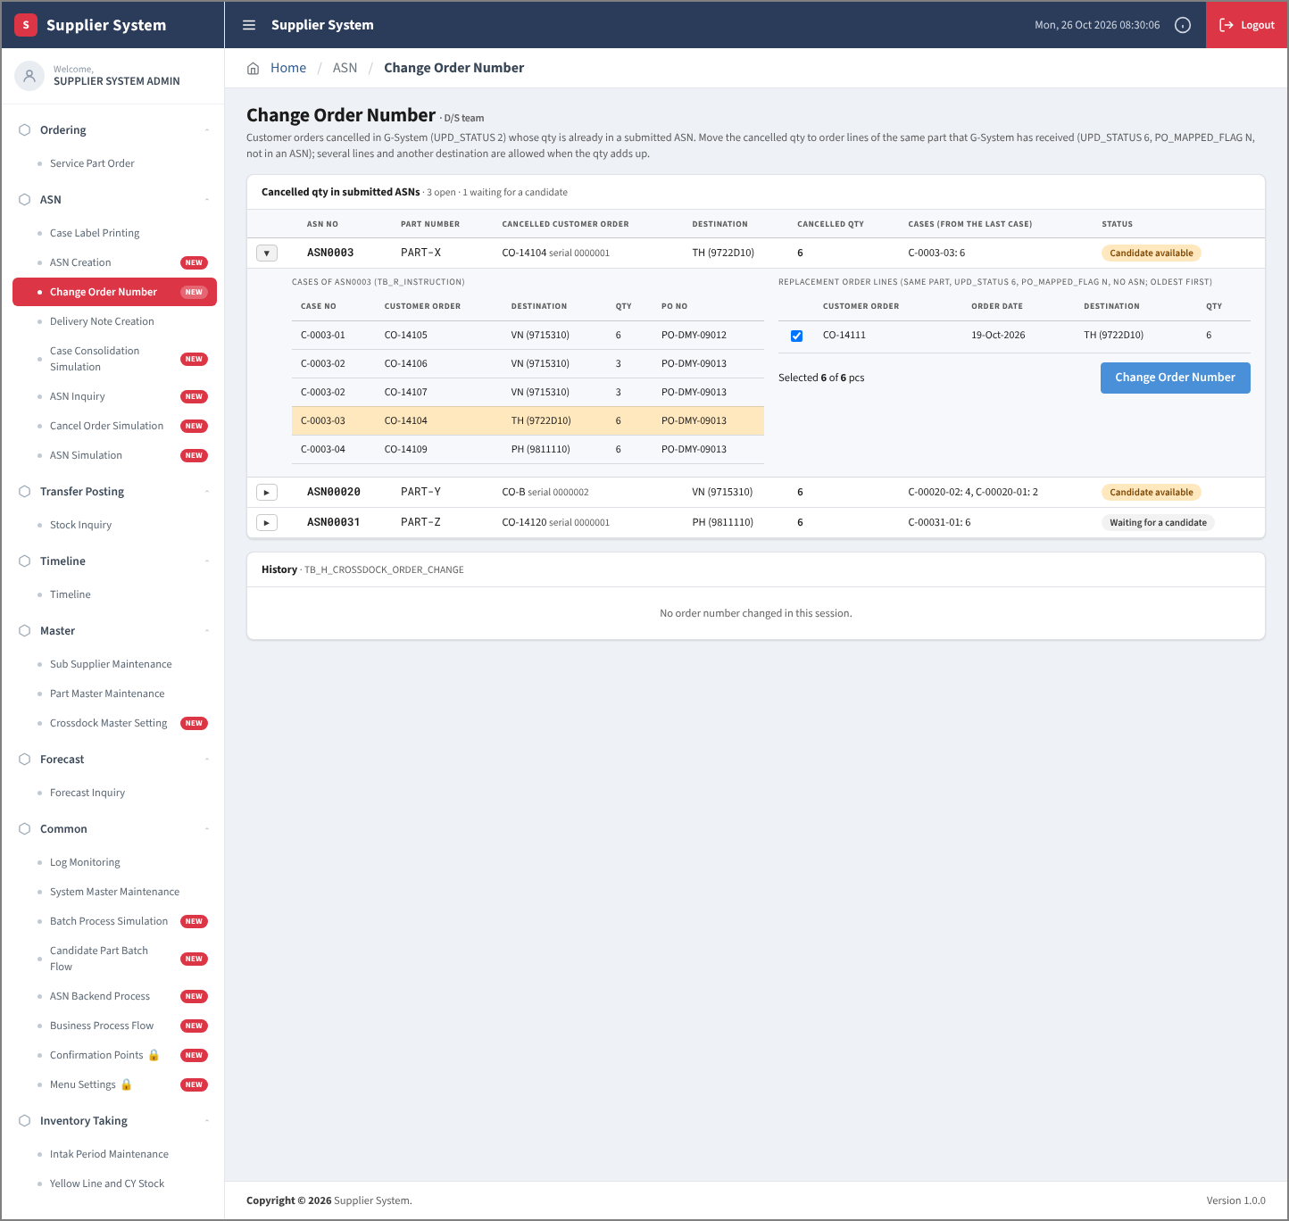

 | 3. Confirmation
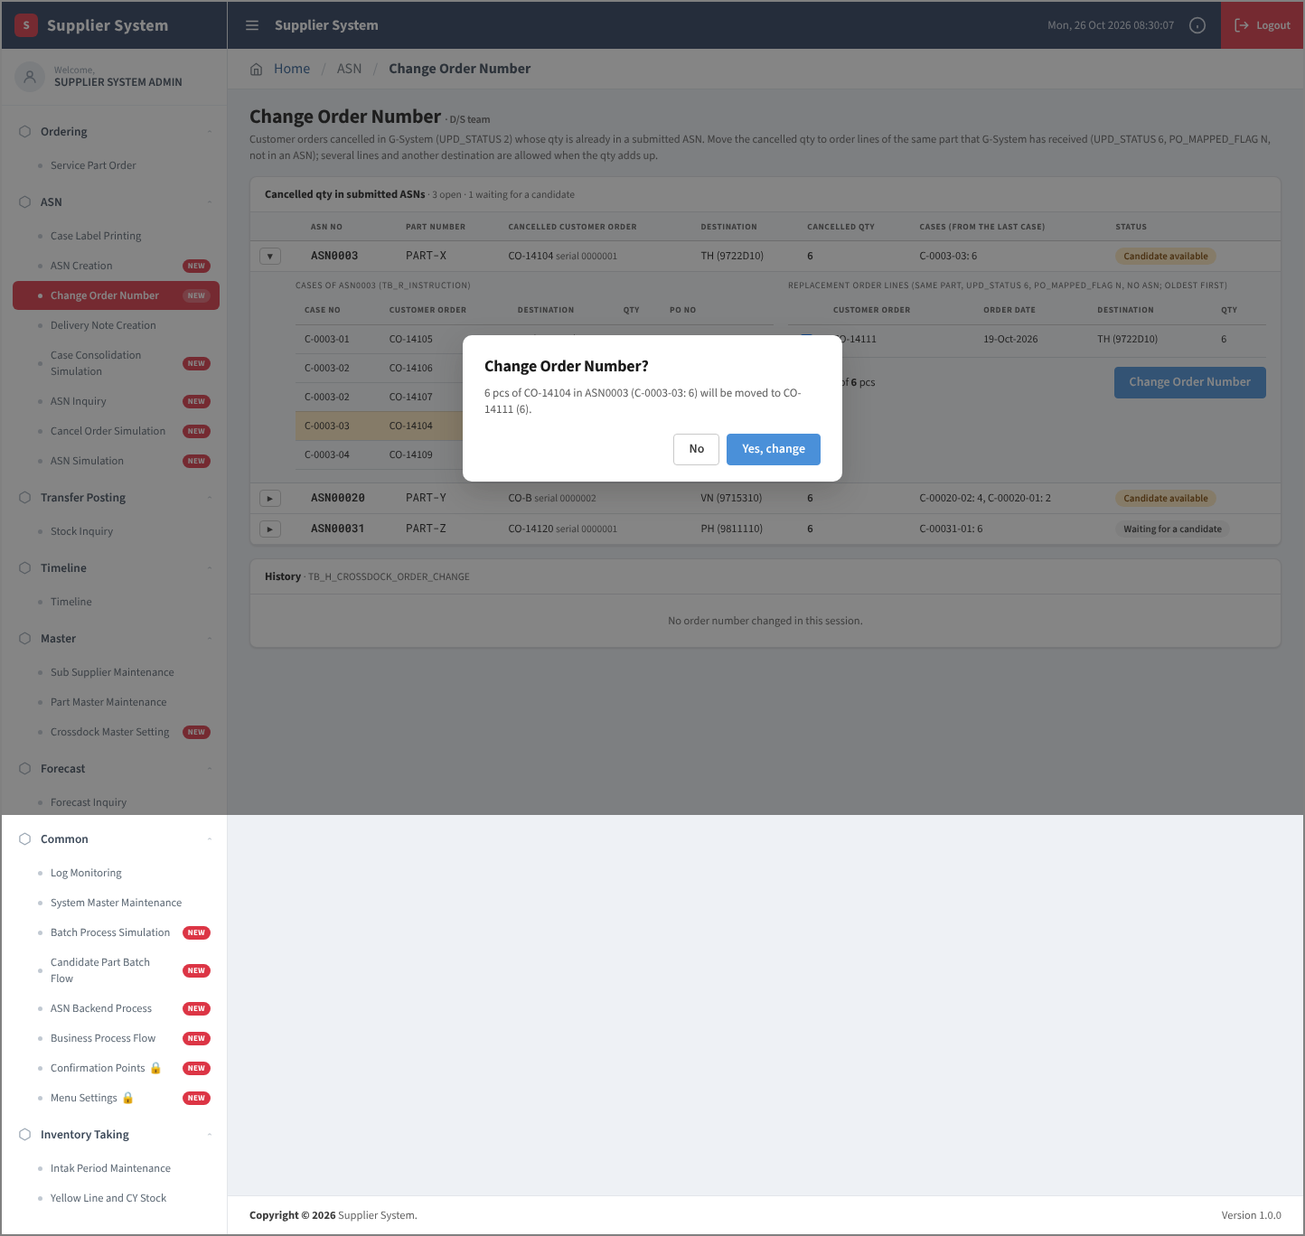

 | 4. After the change: row removed from the list, history written

