F1
Phase |  | FSD | Project Name | Crossdock Optimization (NSP) |  |  | Page | 1 / 3
Block Name |  |  | Crossdock |  | Function Name | Business Process Flow | Created | 19-Oct-26 | By | FID Rayhan
Document Name |  |  | Business Process Flow |  | Title | Level 2 – F1 Master Setup (weekly / monthly) | Updated | 19-Oct-26 | By | FID Rayhan

Level 2 – F1 Master Setup (weekly / monthly)
NSP Crossdock (XD01 – XD15)
 |  | Weekly · 21:30 | Any time (before the monthly run) | Monthly · scheduler (date not detailed) |  |  | After the monthly run (working day) |  |  | After [Sync]
M1
M12
External | G-System / DB Surrounding
Destination master
TB_M_H0125_DESTINATION (DB Surrounding)
Actual demand summary
TB_R_ACTUAL_DEMAND_SUMMARY (DB Surrounding)
M4
RPA : Modify Part Number and Destination in Crossdock Master (Supply Menu)

M2
AB01
M5
AB03
Y
XD05 Part status:
1. avg MAD ≥ Min MAD → Active, 2. avg MAD < Min MAD → Inactive
3. Part with status active → Destination mapped
M6
AB04
XD05 Mapping: Max Case/Day split per destination by MAD volume
M7
AB04
AB05
NSP | NSP Batch (System)
XD13
Destination Master Sync: delete – insert, retry 3x
XD04
Actual Demand Summary Sync: delete – insert
Check Dest Master?
Retrieve Part from Candidate?
Y
N
N
XD06 · XD07
Send crossdock master (CROSSDOCK_FLAG Y / N): G-System existing IF, AP POLE file by SFTP
M11
AB06
Log Monitoring:
Part outside candidate not calculated
Log Monitoring
Stop process, need register destination first

TB_R_ACTUAL_DEMAND_SUMMARY
 | NSP Database
TB_M_H0125_DESTINATION
TB_M_PART_CANDIDATE
TB_H_PART_CANDIDATE
TB_M_PART_CANDIDATE_DEST
TB_H_PART_CANDIDATE
TB_M_PART_CANDIDATE
TB_R_PART_DAD_RESULT
TB_M_PART_CANDIDATE_DEST
TB_M_PART_CANDIDATE
TB_M_H0125_DESTINATION
TB_M_PART_CANDIDATE_DEST
TB_H_PART_CANDIDATE
TB_M_PART_CANDIDATE
TB_M_PART_CANDIDATE_DEST

XD01 · XD02
Register / maintain candidate parts (screen or Excel upload)
M3
AB02
XD01 · XD02
Check History Part Candidate
M3
AB02
TMMIN | Procurement

M9
AB02
XD01 · XD03
Review / adjust mapping per destination (screen or Excel upload)
XD01
Sync Part with Status No Sync & Failed
M10
Check Dest Master?
 | D/S Team

Log Monitoring
Stop process, need register destination first

External | AP POLE (via SFTP)
TMMIN SFTP → TMA SFTP → receive IF by TMA
AP POLE Crossdock Kanban Part Master
M13

Label
Label
Label
Label
Label
D7
AB09
Legend :
NSP System
G-System / AP POLE
User (manual / screen)
Existing / manual
DB Storage (table)
Step No
Abnormality
Process flow
Data flow

F2
Phase |  | FSD | Project Name | Crossdock Optimization (NSP) |  |  | Page | 2 / 3
Block Name |  |  | Crossdock |  | Function Name | Business Process Flow | Created | 19-Oct-26 | By | FID Rayhan
Document Name |  |  | Business Process Flow |  | Title | Level 2 – F2 Daily Order to ASN | Updated | 19-Oct-26 | By | FID Rayhan

Level 2 – F2 Daily Order to ASN
NSP Crossdock (XD01 – XD15)
 |  | D-1 · during the day | 27:30 (D 03:30) · job chain XD12 → XD11 → XD08 | Day D · working hours |  |  |  |  | Day D · after submit
D1
D12
External | G-System / DB Surrounding
Release crossdock customer orders (ORDER_STATUS 7, multiples of pcs/case)
TB_R_H0253_ORDER_CONTROL_PRE (DB Surrounding)
existing
ASN feedback: ASN qty known in G-System (basis of the cancel SOP)
R: Existing ASN feedback

D2
D3
AB07
D6
AB08
D8
D10
AB13
NSP | NSP Batch (System)
existing
Release PO Supplier (CROSSDOCK_FLAG X)
XD08
Upsert status 7 rows + status 6 of existing keys (delta INTF_UPDATE_DT)
XD09
Pre-map order lines to PO (FIFO); Case Qty, PO Readiness, Ready / Not Ready
XD10
Lock + re-check; pack cases per destination by pcs/case; real mapping
XD10 (5.7)
Submit process (Submit ID): ASN No / Case No by existing sequence, ASN Created

 | NSP Database
TB_R_PRA_DAILY_ORDER_MANIFEST
TB_R_PRA_DAILY_ORDER_PART
TB_R_H0253_ORDER_CONTROL_PRE
#TEMP_INSTRUCTION
TB_R_H0253_ORDER_CONTROL_PRE
TB_R_PRA_DAILY_ORDER_MANIFEST TB_R_PRA_DAILY_ORDER_PART
TB_R_PRA_DAILY_ORDER_MAPPED
#TEMP_INSTRUCTION
TB_R_INSTRUCTION
TB_R_H0253_ORDER_CONTROL_PRE
TB_R_PRA_DAILY_ORDER_MAPPED
#TEMP_INSTRUCTION
TB_R_INSTRUCTION
TB_R_DAILY_ORDER_MANIFEST
TB_R_DAILY_ORDER_PART
TB_R_INSTRUCTION
TB_R_DAILY_ORDER_MANIFEST
TB_R_DAILY_ORDER_PART

TMMIN | D/S Team

D5
D7
AB09
AB10
D9
AB12
D11
D13
AB13
Supplier | Supplier
XD10
Choose Delivery Date + Rit, [Search]
XD10
Select Ready units
[Create ASN]
AB11
XD10
Case List: check cases, [Submit ASN] → [Yes, submit]
XD15
ASN Inquiry; download case label (1 label = 1 case of 1 destination)
Log Monitoring
Check the submit result per Submit ID

Label
Label
Label
Label
Label
D7
AB09
Legend :
NSP System
G-System / AP POLE
User (manual / screen)
Existing / manual
DB Storage (table)
Step No
Abnormality
Process flow
Data flow

F4
Phase |  | FSD | Project Name | Crossdock Optimization (NSP) |  |  |  | Page | 3 / 3
Block Name |  |  | Crossdock |  |  | Function Name | Business Process Flow |  | Created | 19-Oct-26 | By | FID Rayhan
Document Name |  |  | Business Process Flow |  |  | Title | Level 2 – F4 Hold & Cancel Crossdock Customer Order |  | Updated | 20-Oct-26 | By | FID Rayhan

Level 2 – F4 Hold & Cancel Crossdock Customer Order
NSP Crossdock (XD01 – XD15)
 |  | Day D · working hours (hold) |  |  | Any time · G-System (cancel) |  | 27:30 · job chain XD12 → XD11 → XD08 |  |  | Day D · working hours
C1
C2
AB16
External | G-System / DB Surrounding
SOP
Check the ASN feedback: only qty not yet in an ASN may be cancelled
R: Existing ASN feedback
Source
Cancel (with or without HOLD_FLAG): ORDER_STATUS 2; partial cancel = new SERIAL_NO
W: TB_R_H0253_ORDER_CONTROL_PRE (DB Surrounding, INTF_UPDATE_DT)

H3
C3
AB14
C4
AB15
AB16
C5
AB07
NSP | NSP Batch (System)
XD09
[Search]: lines with HOLD_FLAG Y are not pre-mapped; the unit is computed without the held destination
XD12
Upsert status 2 rows of crossdock lines + other changed rows of the line; CANCEL_STATUS P
XD11
Per line: CANCEL / VALID / IN ASN / OPEN; release open mapping; CANCELLED or CONFLICT
XD08
Upsert status 7 / 6 rows; valid qty is pre-mapped again by the next XD09

 | NSP Database
TB_R_H0253_ORDER_CONTROL_PRE
TB_R_H0253_ORDER_CONTROL_PRE
#TEMP_INSTRUCTION
TB_R_H0253_ORDER_CONTROL_PRE
#TEMP_INSTRUCTION
TB_R_H0253_ORDER_CONTROL_PRE
TB_R_H0253_ORDER_CONTROL_PRE
TB_R_INSTRUCTION
TB_R_PRA_DAILY_ORDER_MAPPED
TB_R_H0253_ORDER_CONTROL_PRE
TB_R_CROSSDOCK_CANCEL_RESULT
TB_R_H0253_ORDER_CONTROL_PRE
#TEMP_INSTRUCTION
TB_R_CROSSDOCK_CANCEL_RESULT

H1
H2
C7
AB16
C8
TMMIN | D/S Team
XD10
Monitor the destination detail of the delivery plan (View as D/S team)
XD10
Hold / Release a destination (all its order lines)
Log Monitoring
Check CONFLICT lines (LOG4)
manual
Handle the shipped case: allocate to an open order (same / other destination) or warehouse stock

H4
AB09
C6
AB12
Supplier | Supplier
XD10
[Create ASN] re-checks the hold: a line held after the tick → whole create fails, list refreshed
XD10
[Search] again; an open Case List of cancelled rows cannot be submitted

Label
Label
Label
Label
Label
D7
AB09
Legend :
NSP System
G-System / AP POLE
User (manual / screen)
Existing / manual
DB Storage (table)
Step No
Abnormality
Process flow
Data flow

User Process
Business user process (illustration)
What the business users (Procurement, D/S Team, Supplier) do, in time order, on which screen, what the system keeps and what to do when something goes wrong. Screens: prototype (names may show T-System / Supplier System).

👤 Procurement Registers candidate parts and checks the monthly status (XD01 Part List). |  |  | 👤 D/S Team Keeps the mapping per destination, sends it ([Sync]), holds destinations, handles CONFLICT. |  |  | 👤 Supplier Creates and submits the crossdock ASN, prints case labels (XD10, XD15).

No | Timeline | Persona | User action | Screen / menu | Illustration (screen) | System result (tables) | If it goes wrong | BPF step
U1 | Any time (before the monthly run) | 👤 Procurement | Register a new candidate part: Part No, Min MAD, Pcs/Case, Max Case/Day. | XD01 Part List → [Add] | 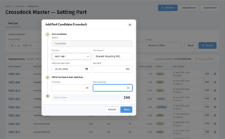 | TB_M_PART_CANDIDATE (status Candidate), TB_H_PART_CANDIDATE | Part No not found: message, correct the input. | M3
U2 | Any time (before the monthly run) | 👤 Procurement | Or register many parts at once with the Excel template. | XD01 Part List → [Upload Excel] (XD02) | 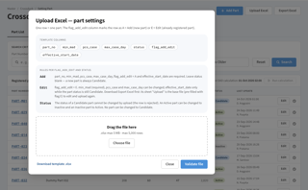 | Valid file saved; result report per upload | AB02: file rejected, correct sheet Re-upload and upload again. | M3
U3 | Monthly, after the scheduler | 👤 Procurement | Check the status (Active / Inactive) calculated by XD05 and the last success date. | XD01 Part List | 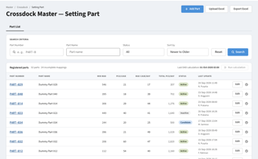 | TB_M_PART_CANDIDATE.STATUS (XD05 process 1) | AB04: run failed 3x, click [Run calculation (Part List)]. | M8
U4 | After the monthly run | 👤 D/S Team | Review the case/day split per destination of each Active part. | XD01 Mapping per Destination | 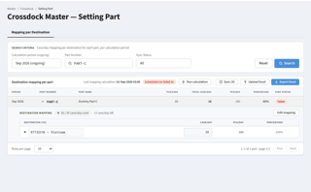 | TB_M_PART_CANDIDATE_DEST (XD05 process 2) | AB04 / AB05: click [Run calculation (Mapping)] after the cause is fixed. | M9
U5 | After the monthly run | 👤 D/S Team | Adjust the split in edit mode, or upload the mapping Excel. | Mapping → [Edit] / [Upload Excel] (XD03) | 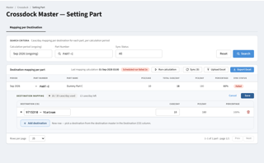 | TB_M_PART_CANDIDATE_DEST, SYNC_STATUS No Sync | Over allocation or missing destination: message; AB02 for the upload. | M9
U6 | After the monthly run | 👤 D/S Team | Click [Sync] to send the crossdock master to G-System and AP POLE. | Mapping → [Sync (n)] | 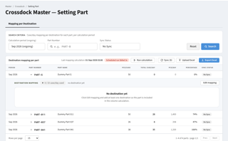 | XD06 / XD07; SYNC_STATUS Synced / Failed | AB06: parts Failed, click [Sync] again later. | M10
U7 | Day D · working hours | 👤 D/S Team | Check the destination detail of the delivery plan; hold a destination when needed. | XD10 ASN Crossdock Creation (D/S view) | 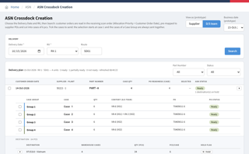 | TB_R_H0253_ORDER_CONTROL_PRE.HOLD_FLAG | - | H2
U8 | Day D · working hours | 👤 Supplier | Choose Delivery Date and Rit, click [Search]: units Ready / Partially Ready / Not Ready. | XD10 ASN Crossdock Creation | 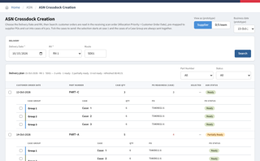 | XD09 pre-mapping (#TEMP_INSTRUCTION) | AB08: block without PO, send the Ready blocks or wait. | D5
U9 | Day D · working hours | 👤 Supplier | Tick units of one supplier + plant, choose the ASN option (first n Ready blocks) and click [Create ASN]. | XD10 → [Create ASN] | 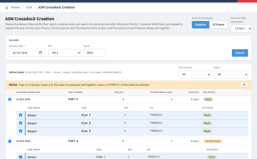 | TB_R_INSTRUCTION, PO_MAPPED_FLAG Y (whole line), MAPPED_QTY | AB09 hold message, AB10 no longer Ready, AB11 two suppliers: select again. | D7
U10 | Day D · working hours | 👤 Supplier | Check the Case List (supplier cases of pcs/case in scan order) and click [Submit ASN]. | XD10 Case List | 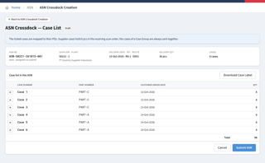 | Submit ID → ASN Created (TB_R_DAILY_ORDER_MANIFEST / PART) | AB12: order cancelled meanwhile, create again. | D9
U11 | Day D · after submit | 👤 Supplier | Check the result of the submit (Submit ID). | Log Monitoring | 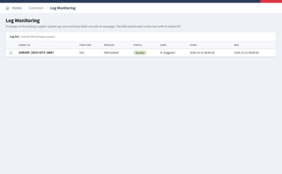 | Log per Submit ID | AB13: submit error, create and submit again. | D13
U12 | Day D · after submit | 👤 Supplier | Open the ASN and download the case labels (1 label = 1 case of 1 destination). | XD15 ASN Crossdock Inquiry | 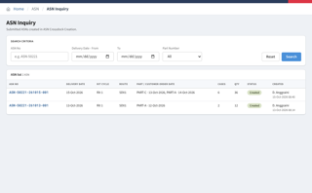 | TB_R_DAILY_ORDER_MANIFEST / PART | - | D11
U13 | Day D · after a cancel (XD11) | 👤 D/S Team | Check CONFLICT lines and handle the shipped case (open order or warehouse stock). | Log Monitoring |  | Log LOG4, TB_R_CROSSDOCK_CANCEL_RESULT | AB16: qty in an ASN was cancelled (SOP not followed). | C7

