Screen Flow
Phase |  | Project Name |  |  |  | Page | 3/9
Block Name |  |  | Function Name |  | Created | By
Document Name |  |  | Title | Screen Flow Diagram | Updated | By

2. Screen Flow

 | Screen Flow - ASN Crossdock

→ Create ASN
← Back / Cancel
Case List (sub screen)

ASN Crossdock Creation

ASN Inquiry (XD15)
menu
Submit? Y
Success notification

OK

 | Screen Flow - Search, Check Ready Status and Create ASN

START

Choose Delivery Date and
Rit, click Search

XD09: get customer orders,
pre-map to PO
(#TEMP_INSTRUCTION)

First block Ready? (blocks
in scan order)

N
Tick blocks (first n Ready
blocks per unit), Create
ASN: insert
TB_R_INSTRUCTION
Y
Not Ready: check box
disabled

Case List: Download Case
Label

↑ N

Submit?

Y
Save ASN (status 1
Created), show success
TB_R_DAILY_ORDER_MANIFEST
/ _PART

END

Screen Layout
Phase |  | Project Name |  |  |  | Page | 4/9
Block Name |  |  | Function Name |  | Created | By
Document Name |  |  | Title | Screen Layout | Updated | By

3. Screen Layout

 | 1. Initial Mode: choose Delivery Date and Rit, then Search
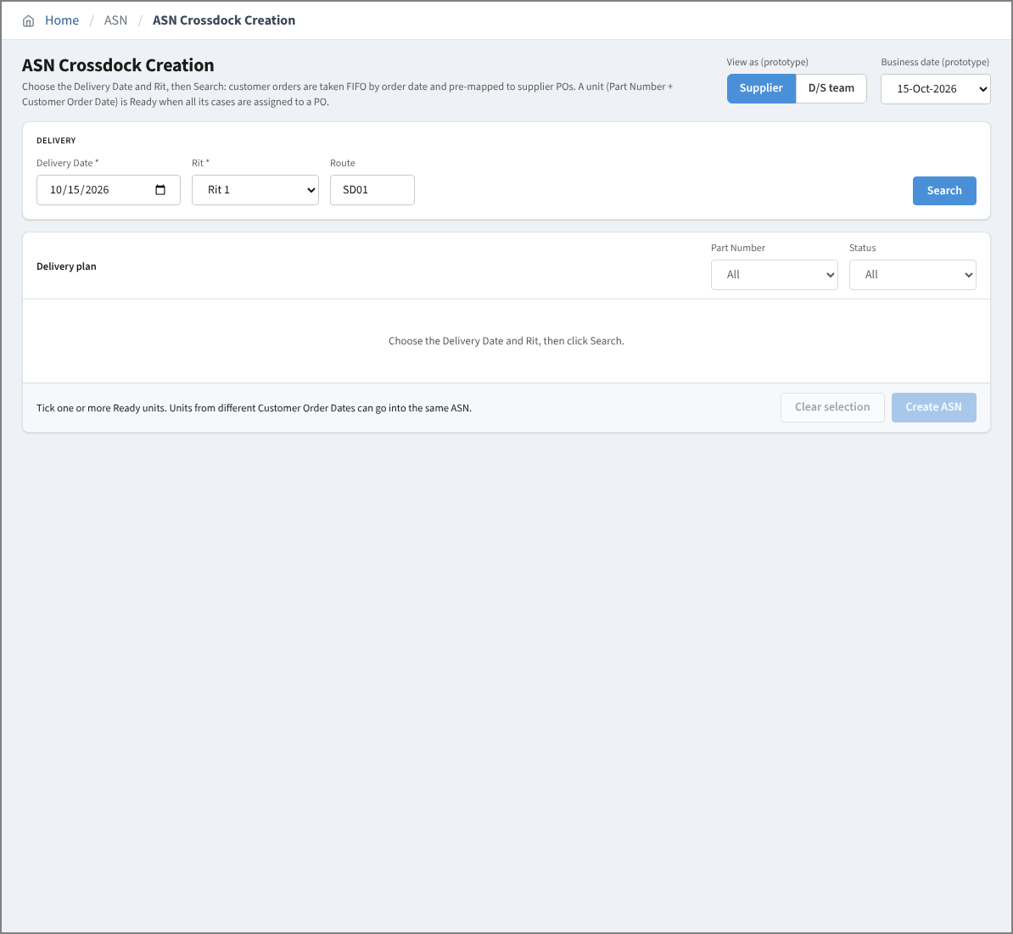

 | 2. Delivery plan after Search (supplier view, case level)
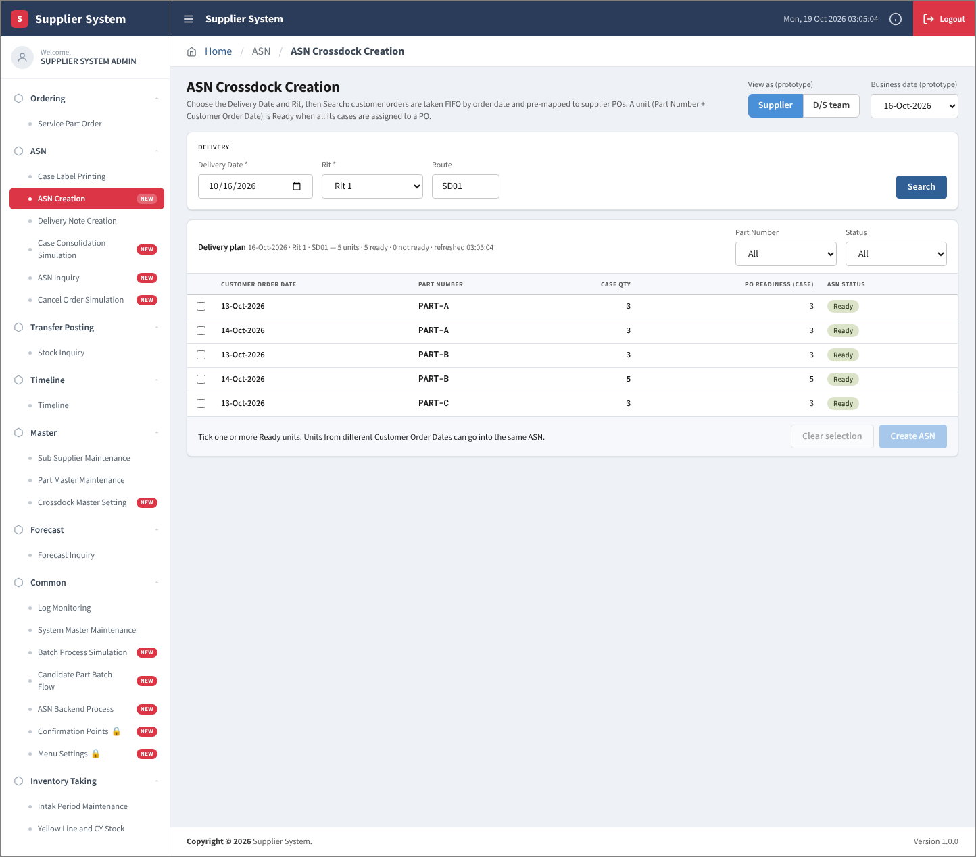

 | 3. D/S team: destination detail (Pcs/Case, Hold Flag) and customer orders of a destination
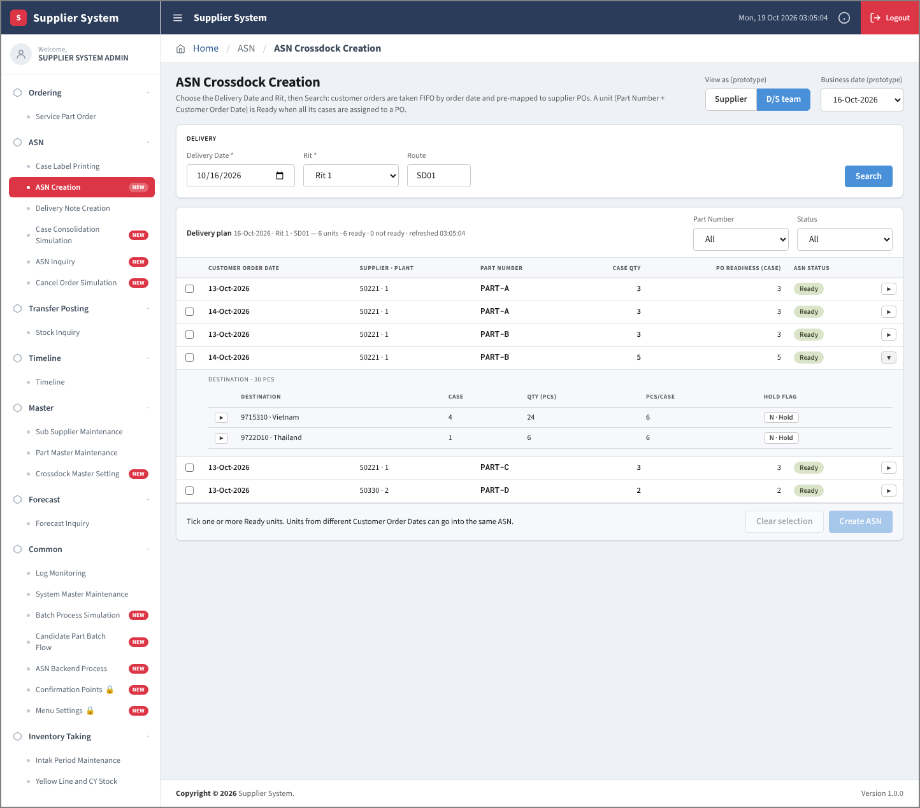

 | 4. D/S team: destination on hold; the unit is computed again (Ready)
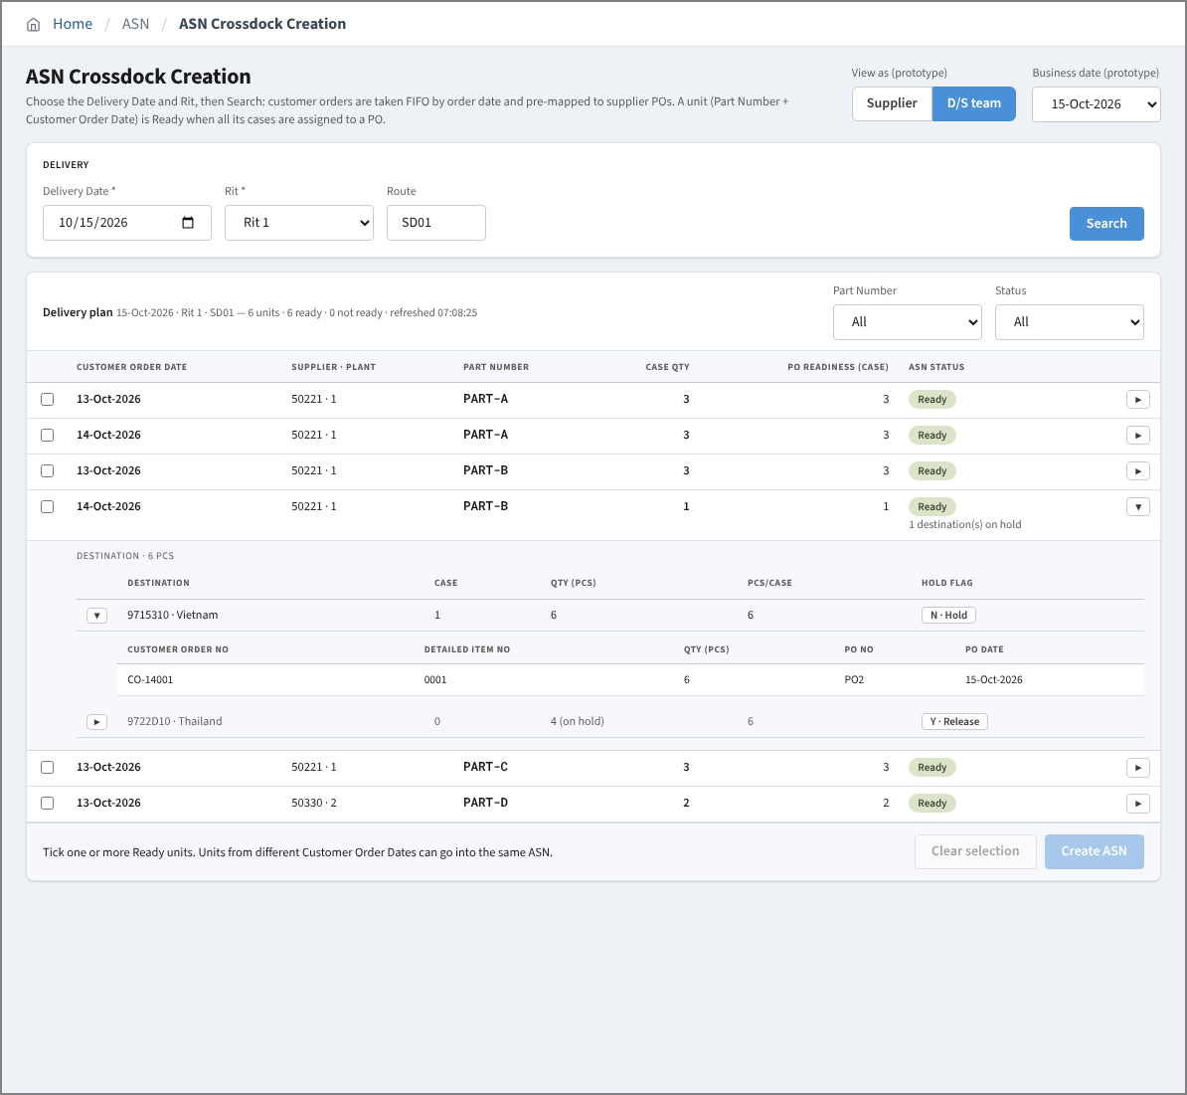

 | 5. Units of different Customer Order Dates selected
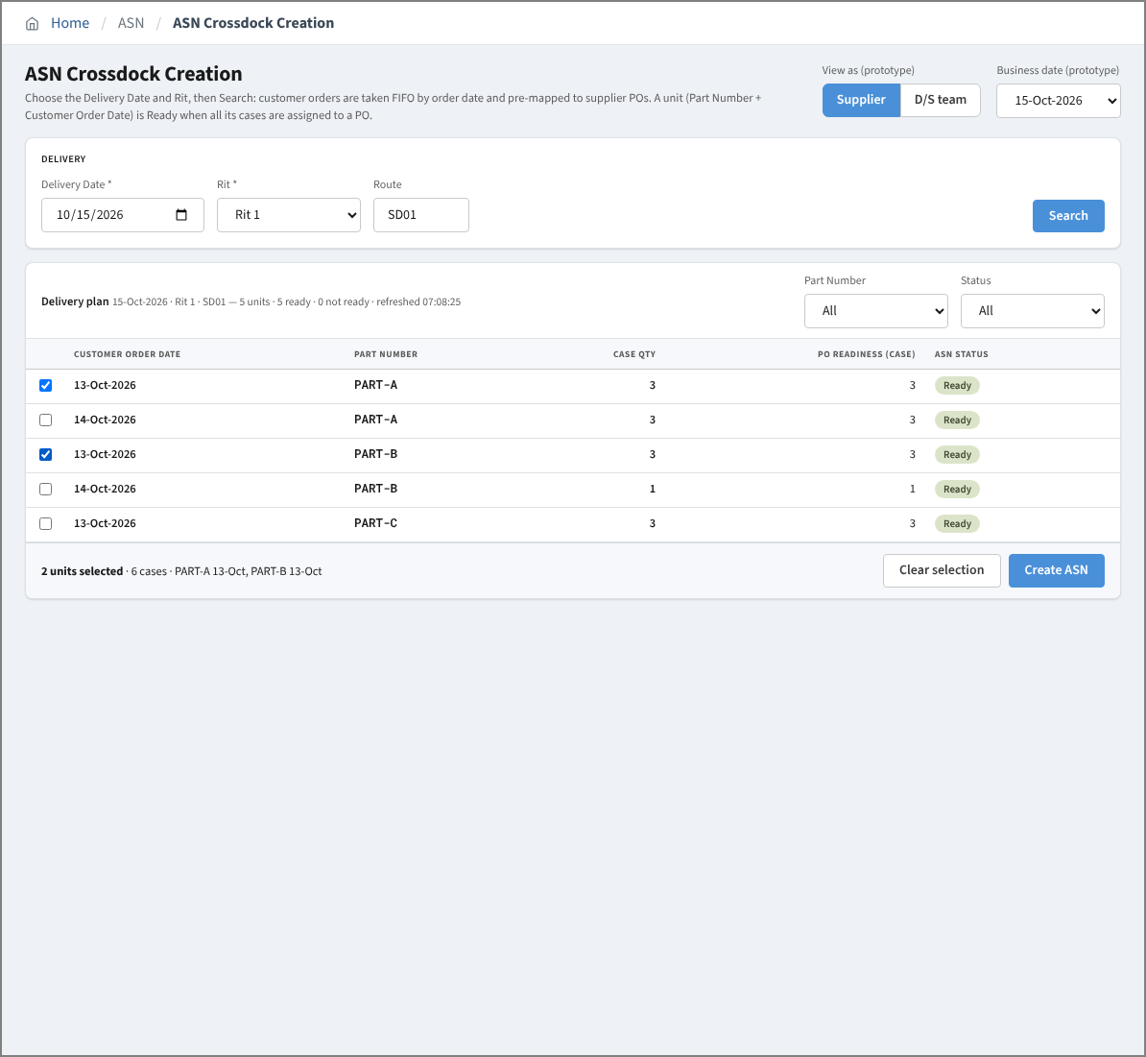

 | 5a. Other session (D/S team) holds a destination of a ticked unit
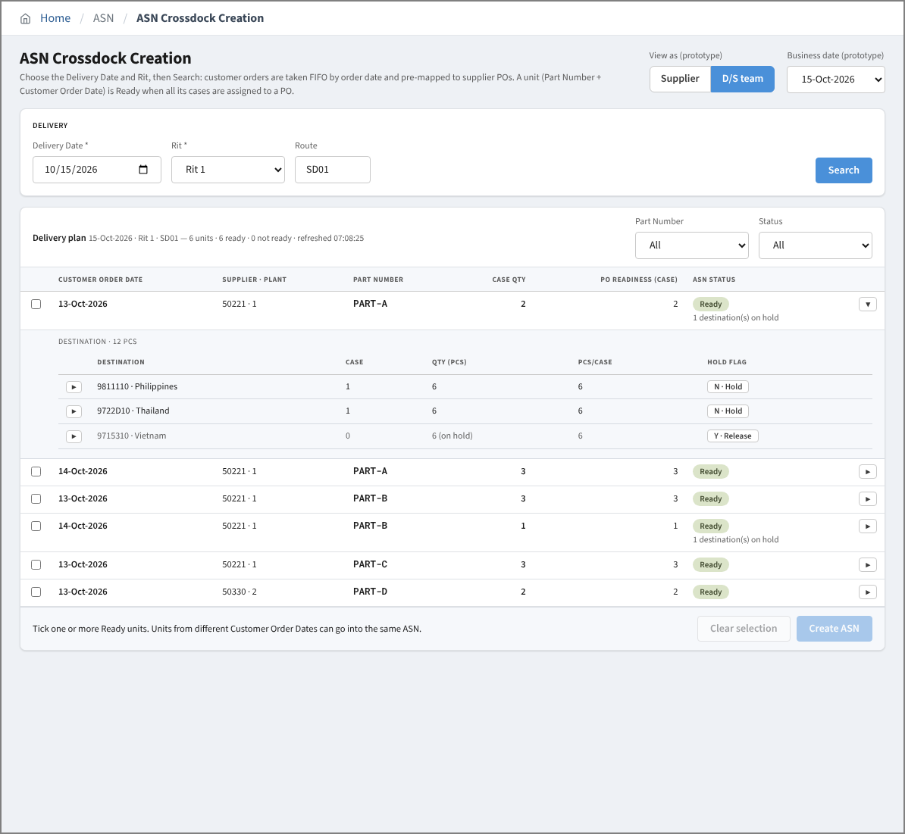

 | 5b. Create ASN: hold message, the whole create fails
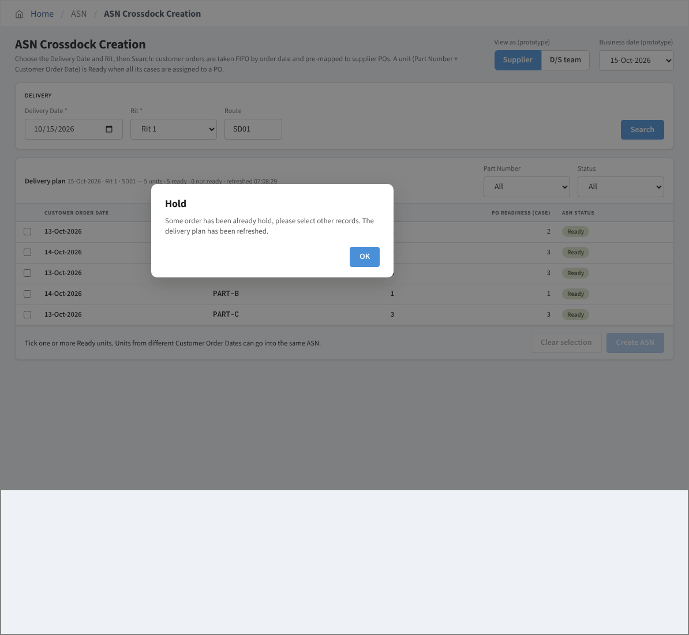

 | 5c. Delivery plan refreshed automatically, all units unticked
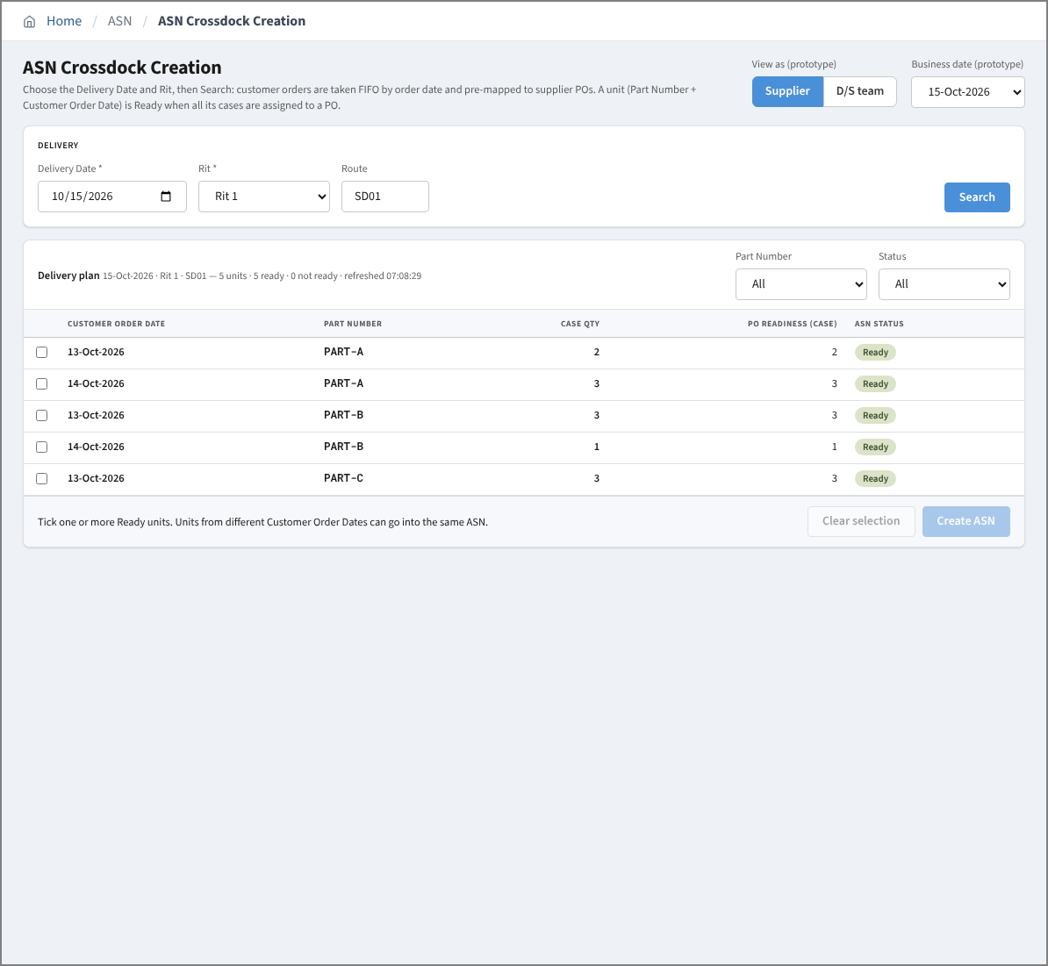

 | 5d. D/S team: units of two suppliers ticked, Create ASN: one supplier per ASN
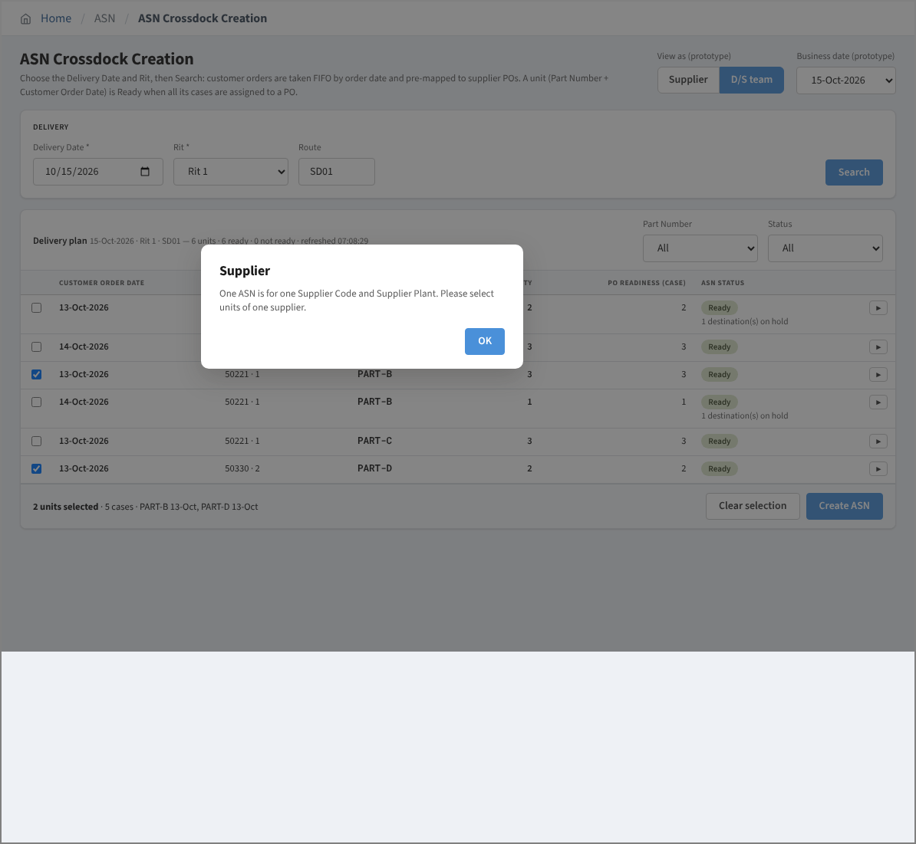

 | 6. Case List sub screen
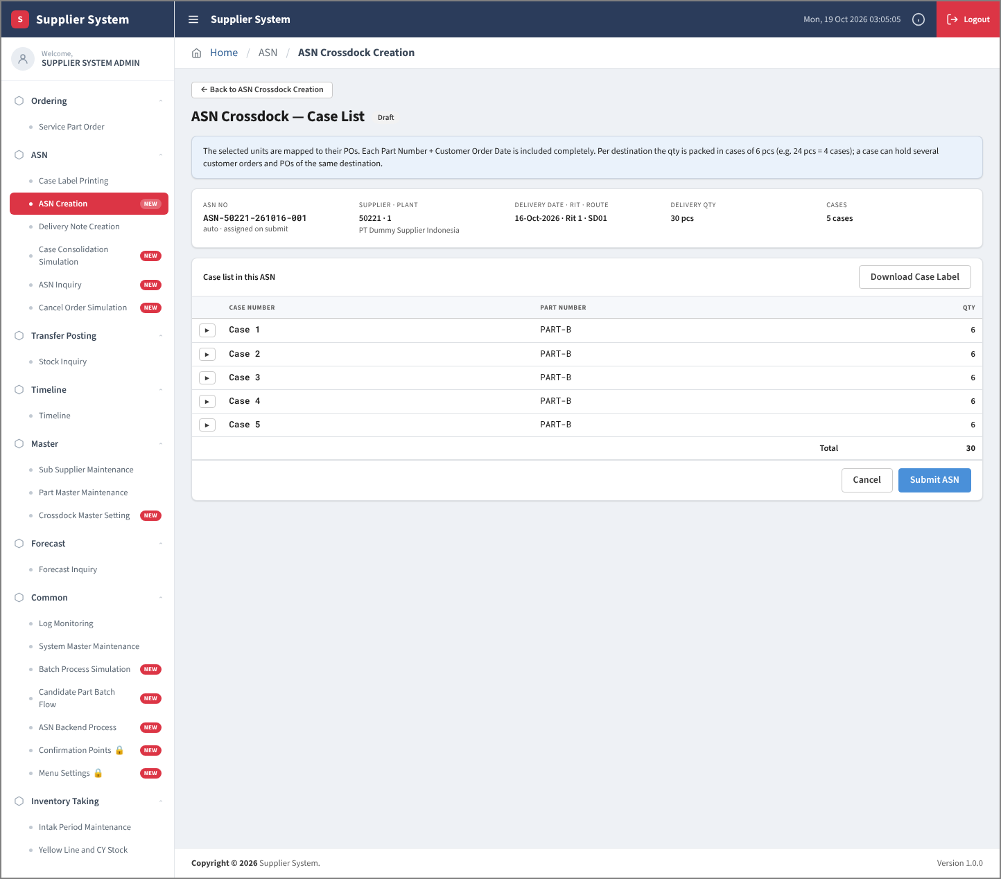

 | 7. Case List: PO detail of a case
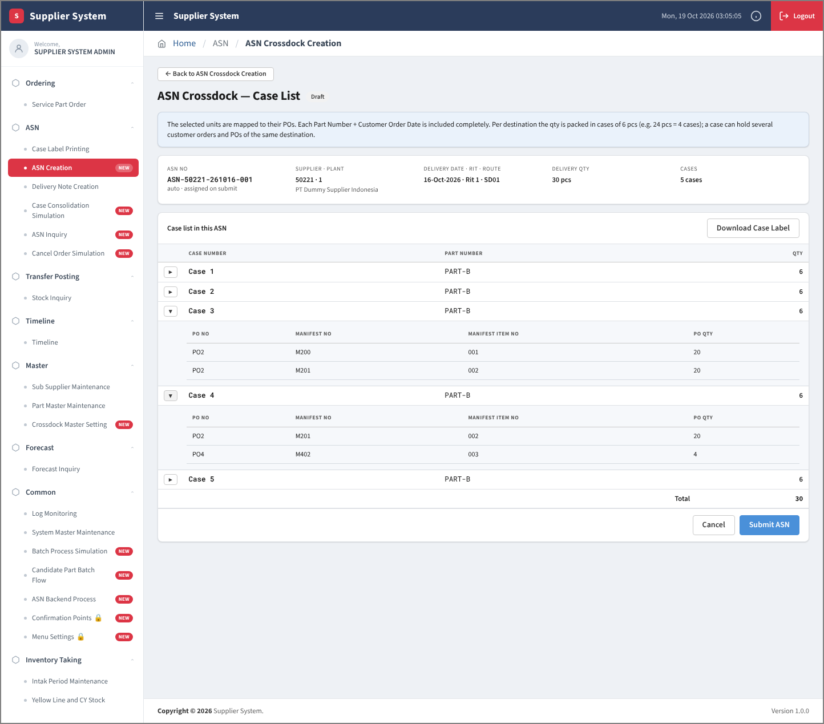

 | 8. Submit confirmation
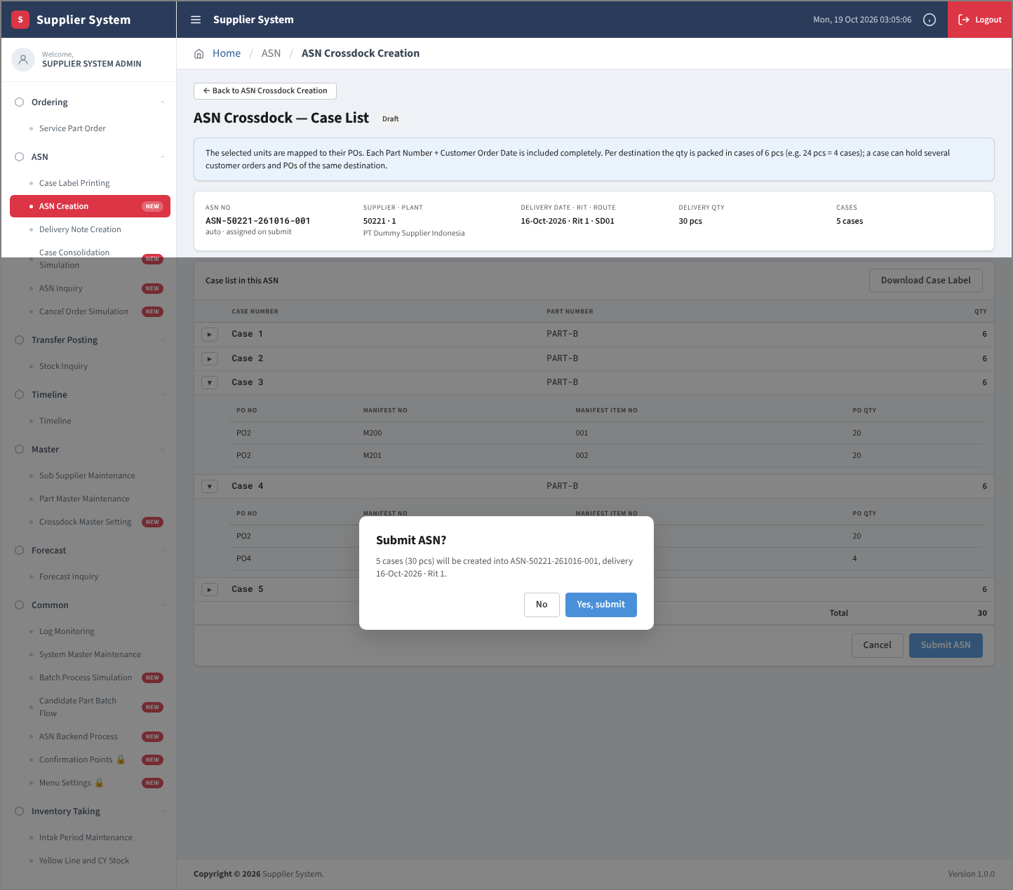

 | 9. Submit ID banner (result in Log Monitoring)
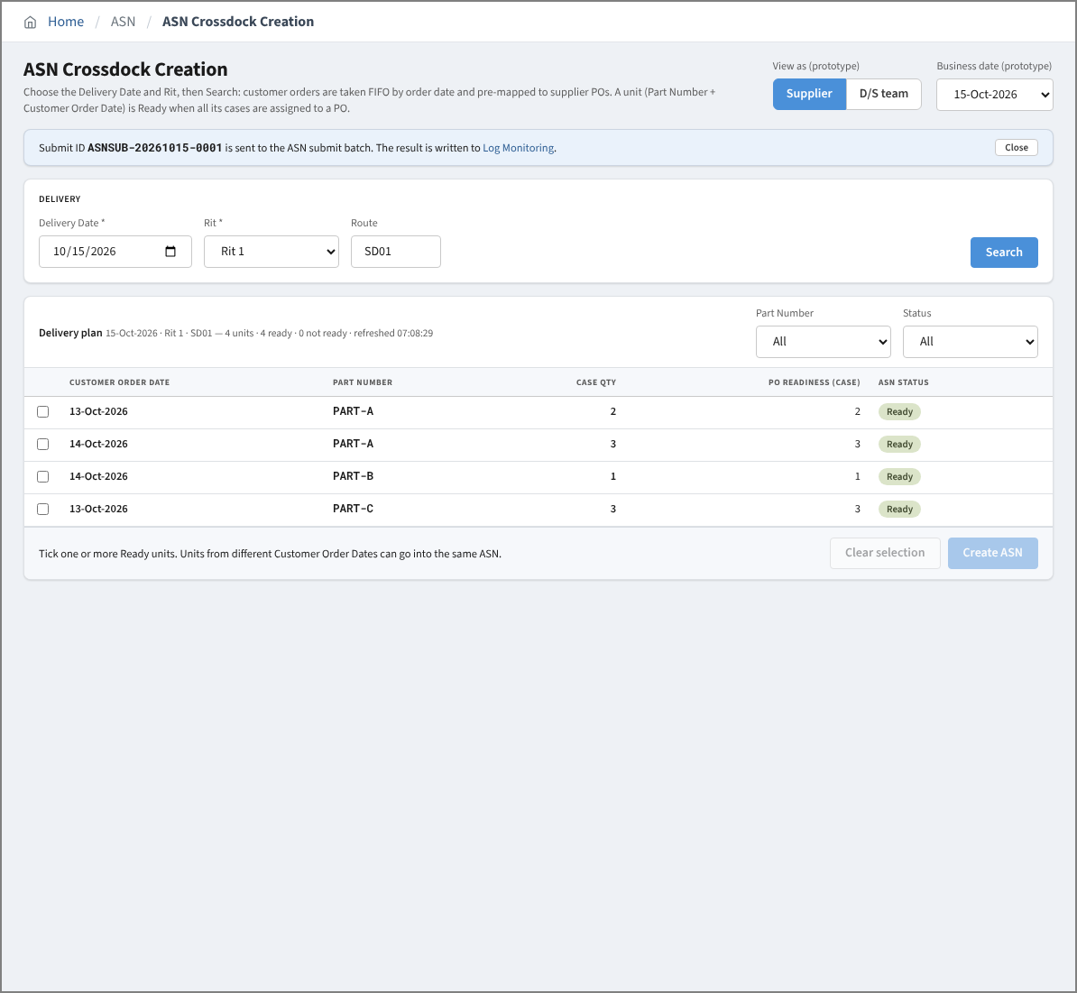

 | 10. Delivery plan after submit (Created units are no longer listed)

