Screen Flow
Phase |  | Project Name |  |  |  | Page | 3/9
Block Name |  |  | Function Name |  | Created | By
Document Name |  |  | Title | Screen Flow Diagram | Updated | By

2. Screen Flow

 | Screen Flow for Cross Dock Part Master (tabs)
→ Tab
← Tab
Part List tab
Mapping per Destination
tab

 | Screen Flow for Part List

Add Part modal

Add Part
Edit part data modal

Save
Part Number / Edit
Save
History setting modal
Saved successfully popup
History icon
Part List
Validate file

Upload Excel modal
Upload Excel

Export Excel

Excel file (.xlsx)

OK

 | Cancel / Close / X on any modal returns to the Part List without saving.

 | Screen Flow for Save (Add / Edit part data)

START

On Click of Save button

Mandatory items valid and
Max Case/Day >= mapped
total?

No
Yes
Save stays disabled
(tooltip / message no. 14)
Save the part
Part List

Sync Status = No Sync,
move part to top

Show Saved successfully

END

 | Screen Flow for Mapping per Destination
→ Edit mapping
← Save / Cancel
Destination Mapping panel
(view)
Edit mapping mode

Expand
Upload Excel modal

Upload Excel

Mapping per Destination
list
Export Excel
Excel file (.xlsx)
Validate file
Saved successfully popup

Sync
XD06 -> GTOPAS / XD07 ->
AP POLE

OK

 | Close on the Upload Excel modal returns to the list without uploading. Closing the panel while editing discards the changes.

 | Screen Flow for Save (Edit mapping)

START

On Click of Save button

Total <= Max Case/Day and
every row has a
destination?

No

Yes
Save stays disabled, show
banner
Replace mapping of part
and ongoing period
destination mapping

Sync Status = No Sync
Part List

Back to view mode

Screen Layout
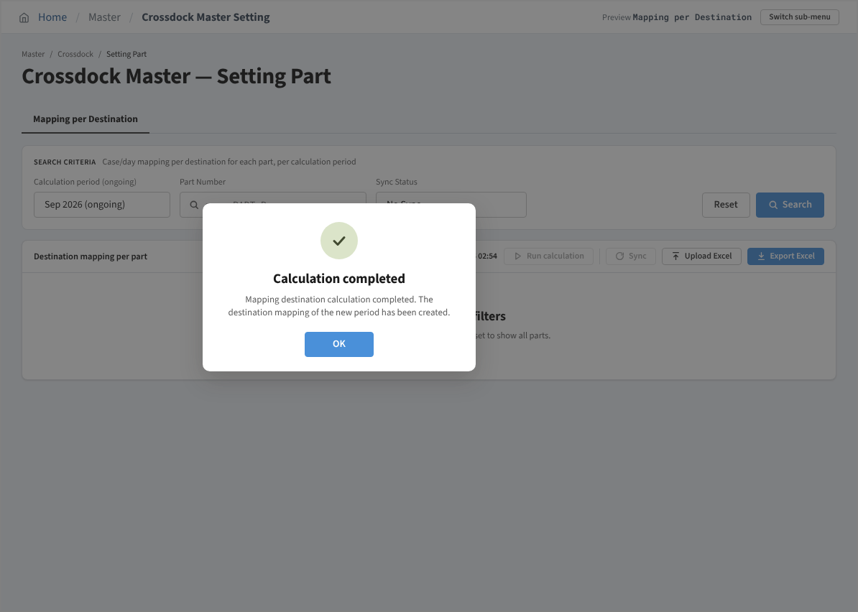
Phase |  | Project Name |  |  |  | Page | 4/9
Block Name |  |  | Function Name |  | Created | By
Document Name |  |  | Title | Screen Layout | Updated | By

3. Screen Layout

 | 1. Initial Mode - Part List (Status = All, Sort by = Newer to Older)
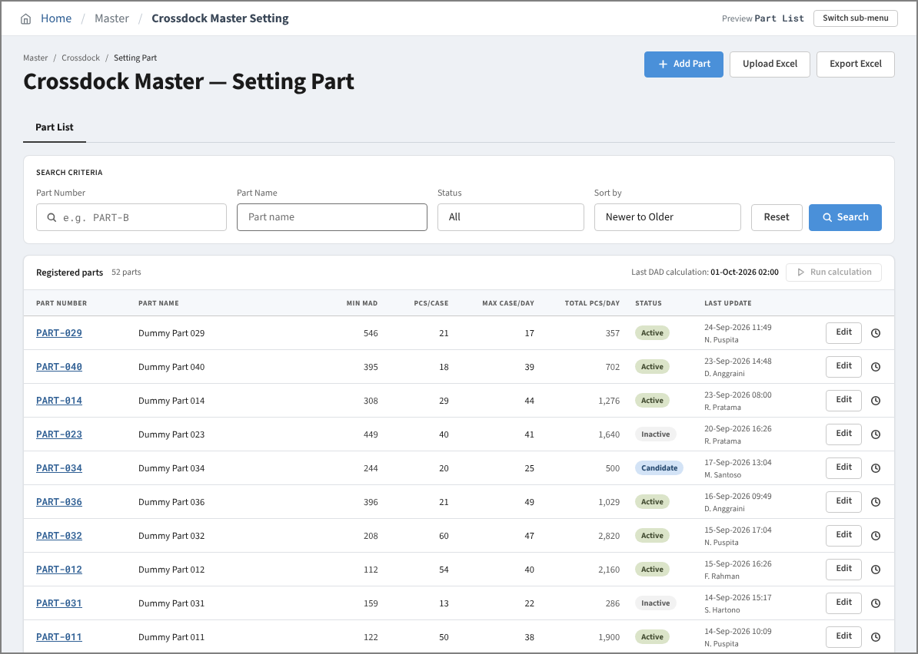

 | 2. Search Result Mode - Status = Candidate
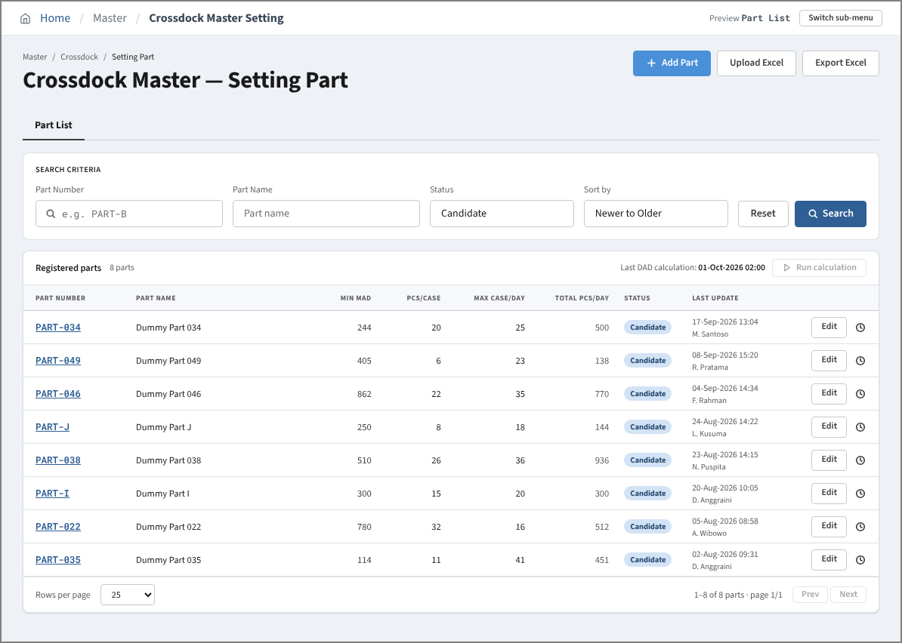

 | 3. Search Result Mode - no matching parts (empty state)
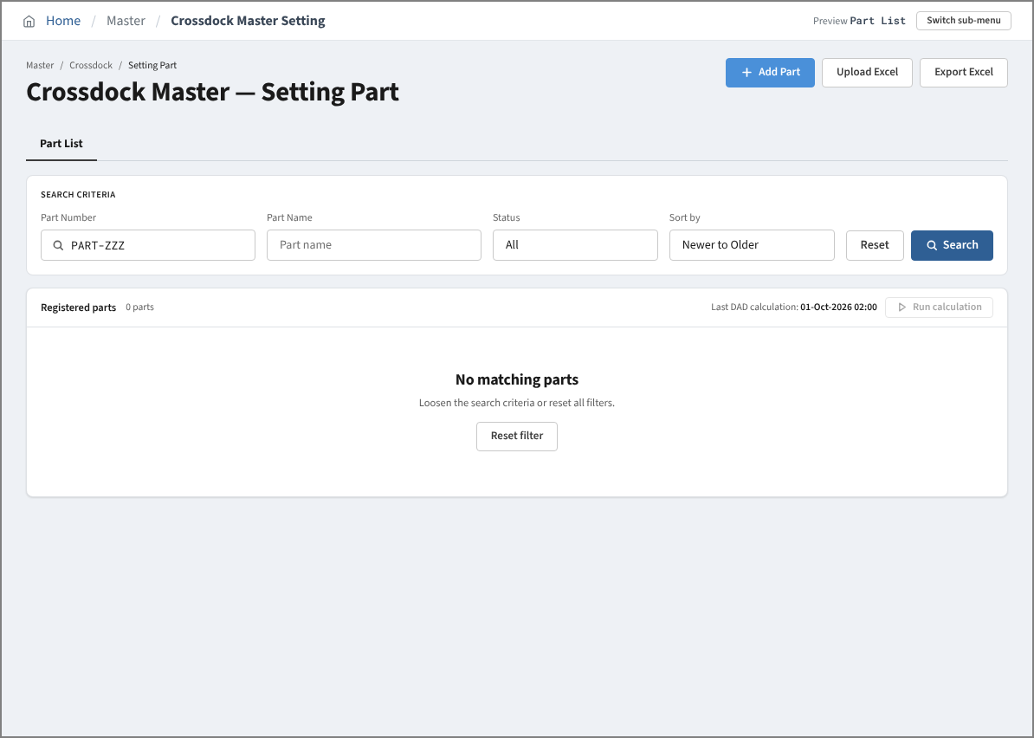

 | 4. Add Mode - empty form (Save disabled)
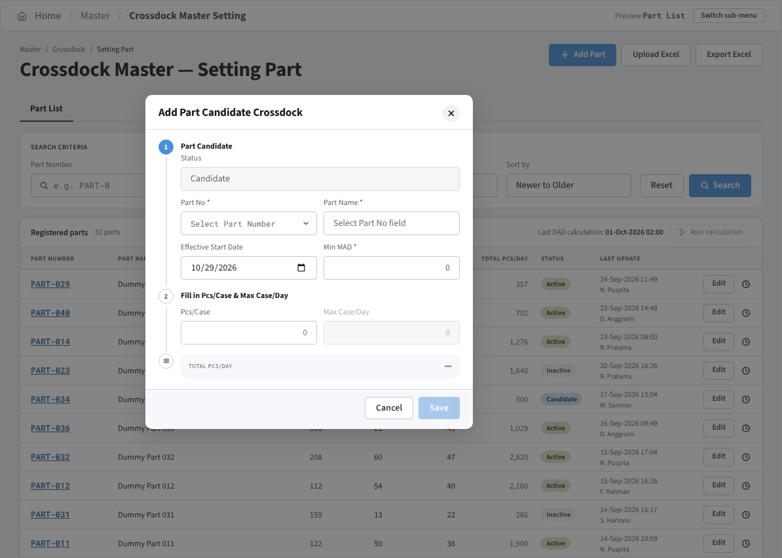

 | 5. Add Mode - Part No list (only parts not yet registered)
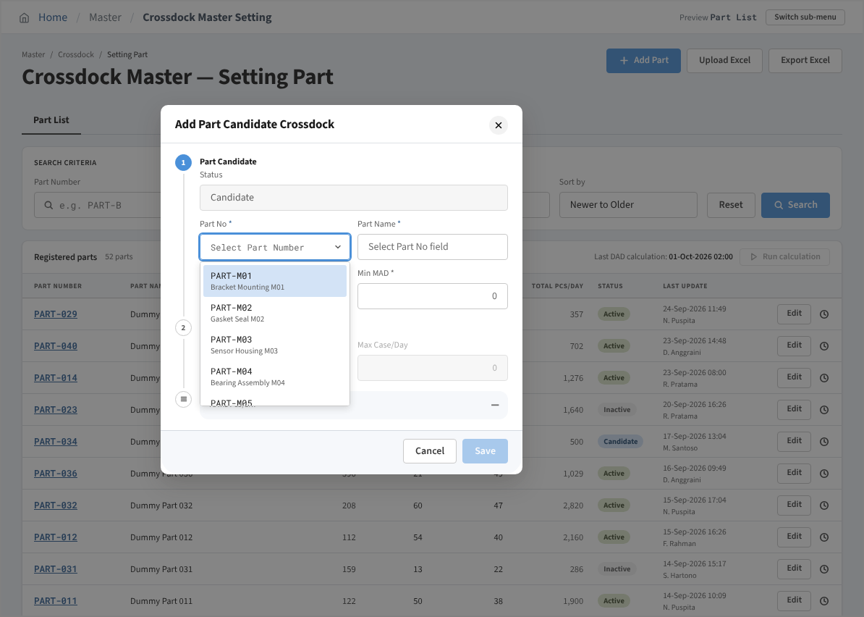

 | 6. Add Mode - Part No not found
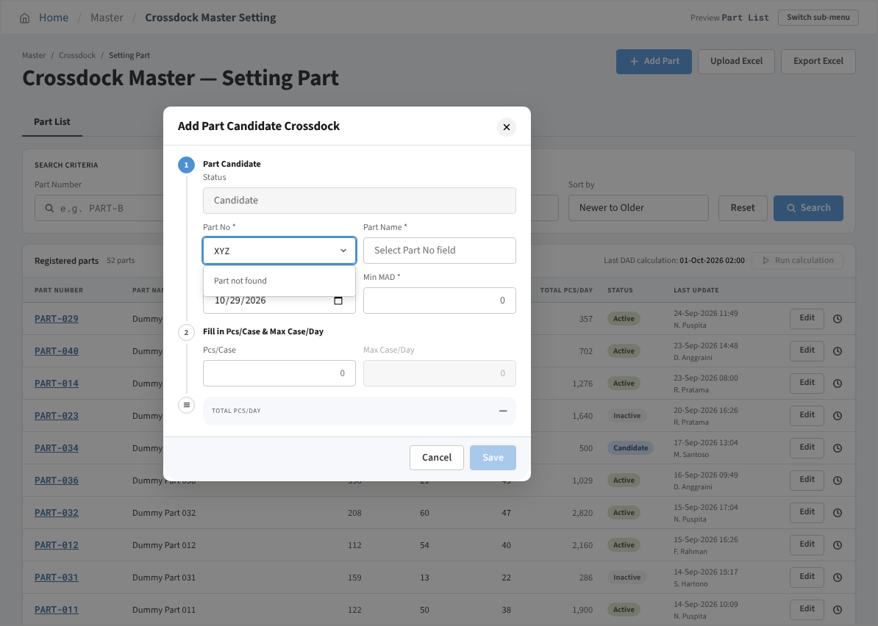

 | 7. Add Mode - all required items filled (Save enabled)
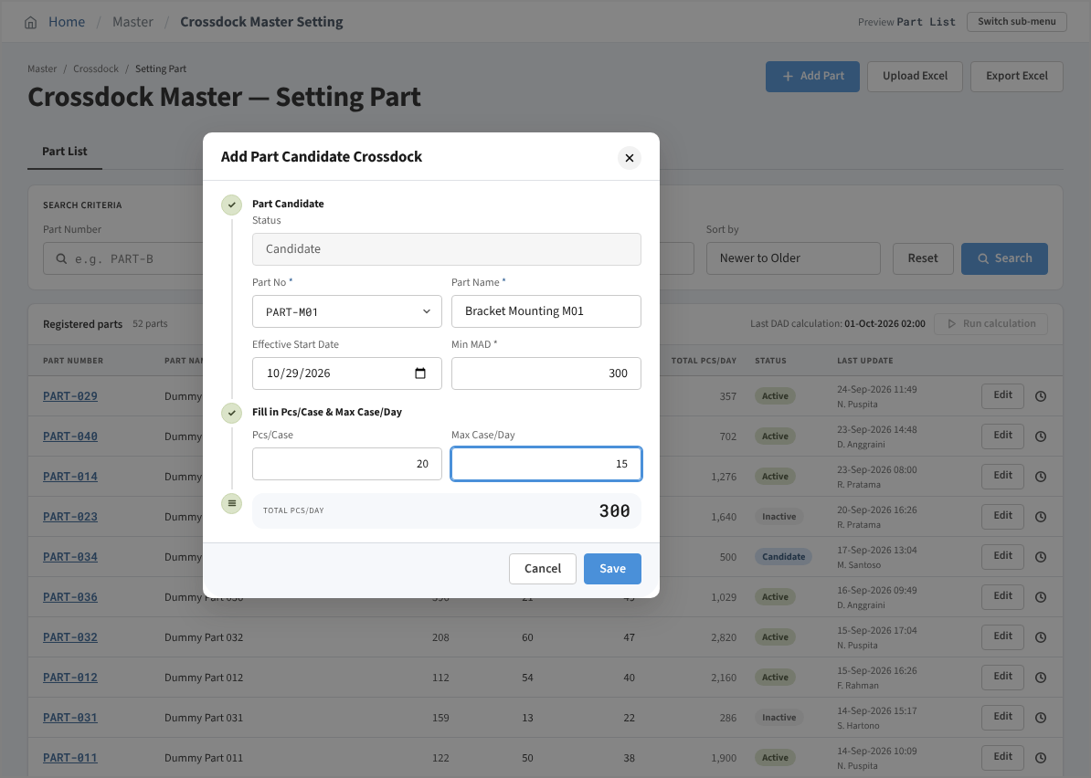

 | 8. Saved successfully popup after Save
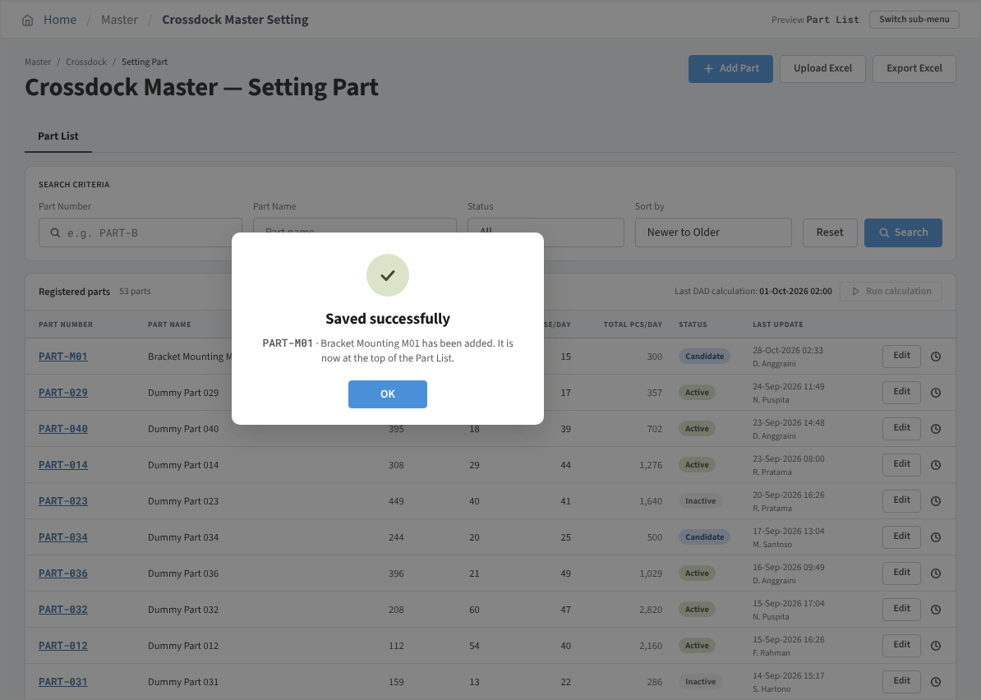

 | 9. Edit Mode - Candidate part (Effective Start Date editable)
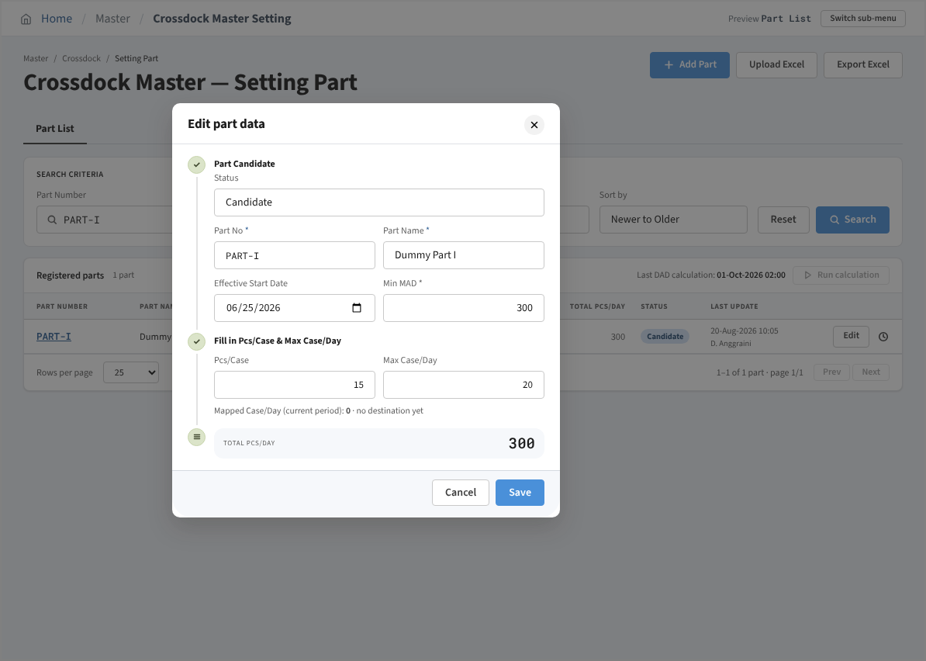

 | 10. Edit Mode - Active part (Effective Start Date locked)
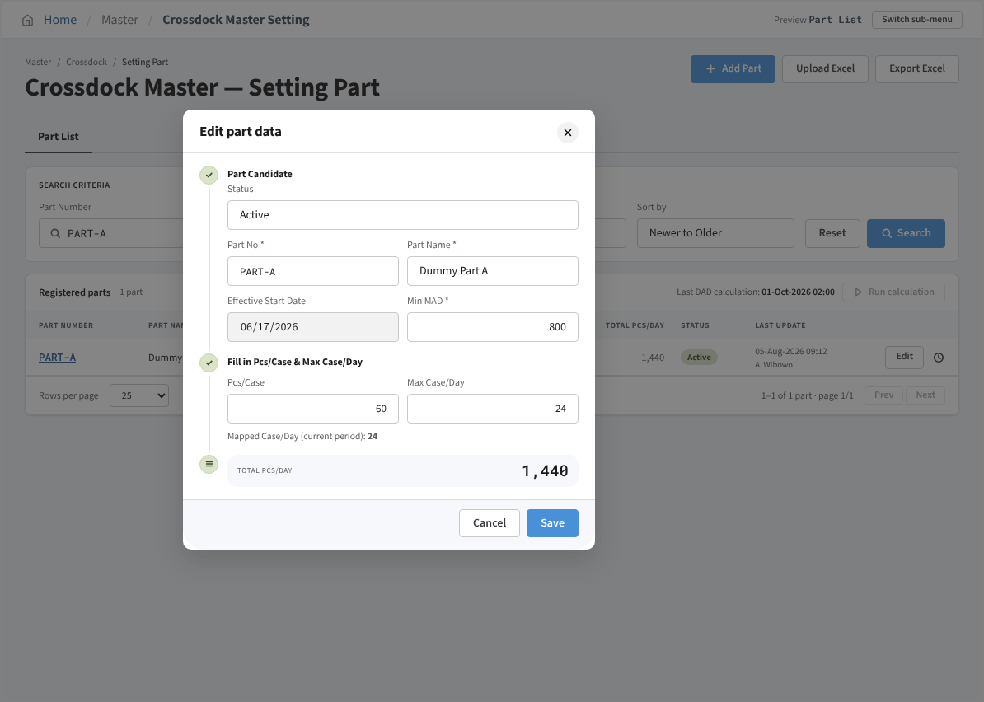

 | 11. Edit Mode - Max Case/Day below the mapped total (message no. 14, Save disabled)
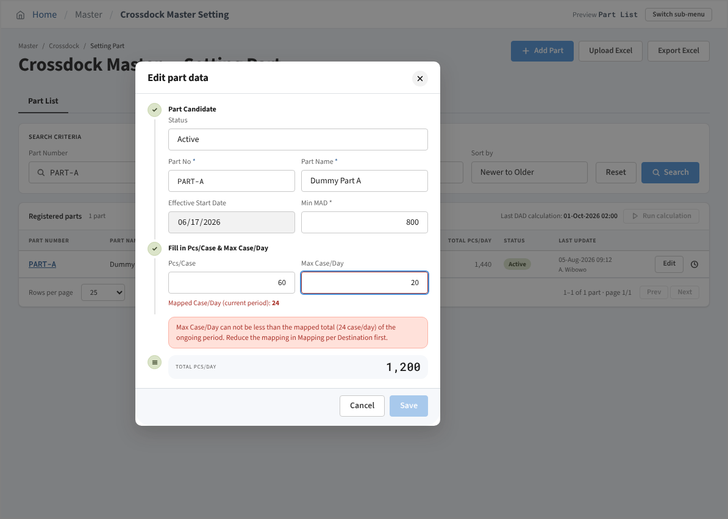

 | 12. History Mode - History setting
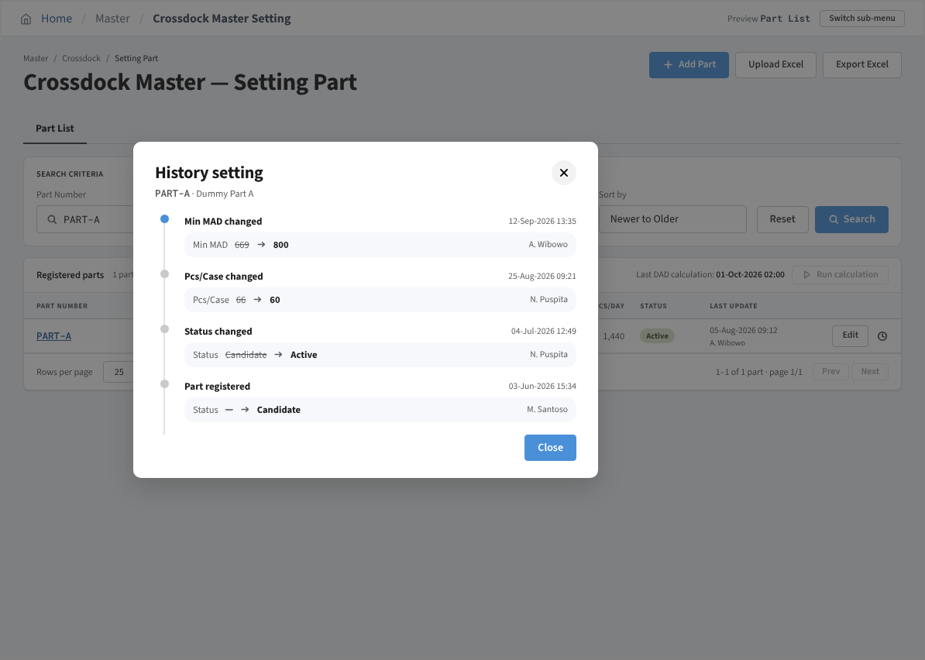

 | 13. Upload Mode - Upload Excel modal
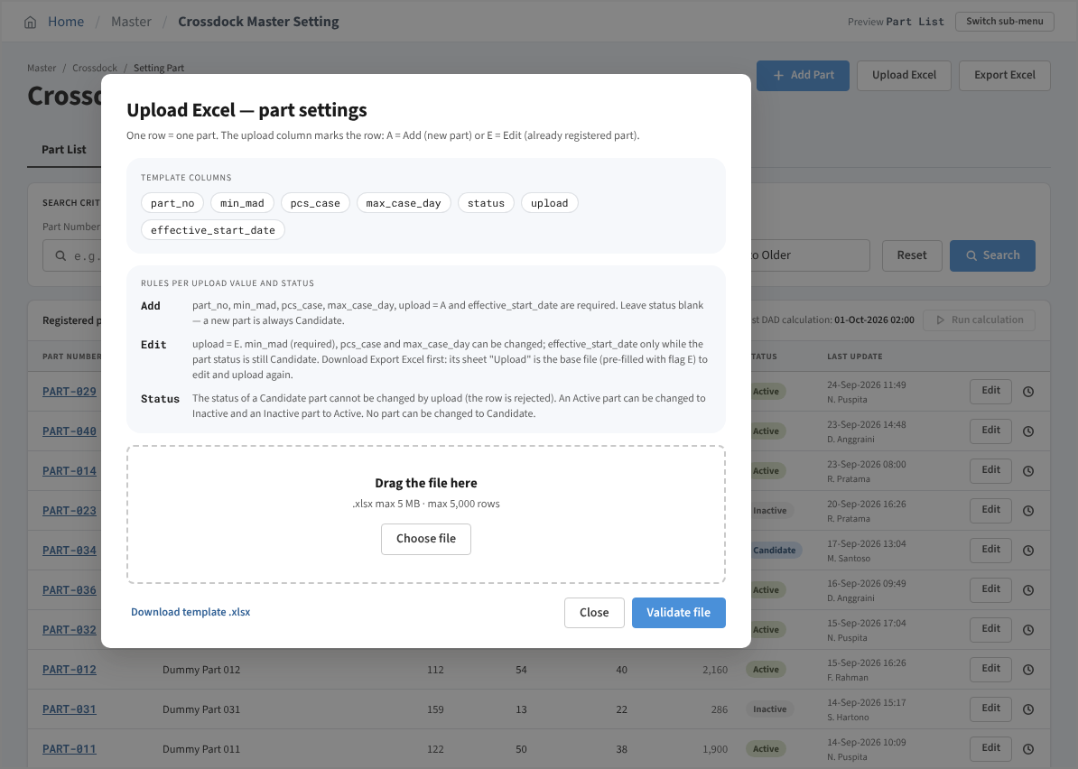

 | 14. Upload Mode - Saved successfully popup after Validate file
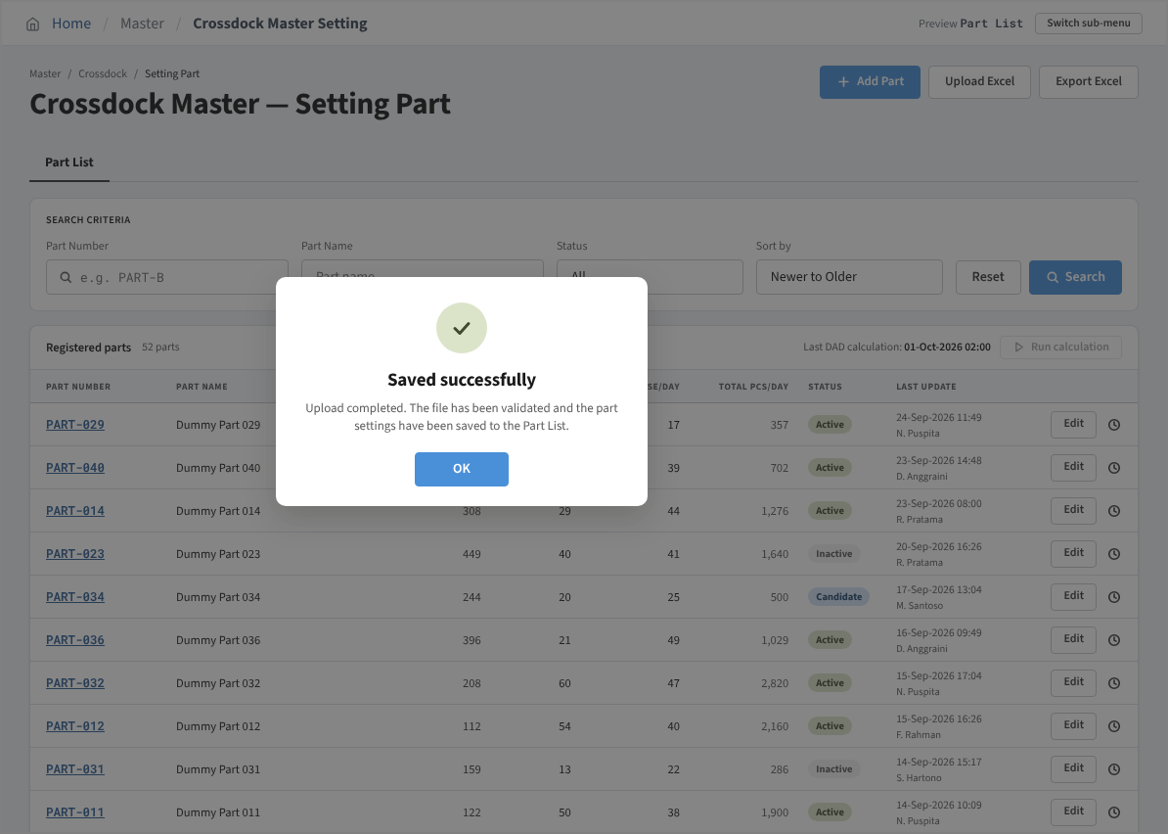

 | 15. Initial Mode - ongoing period, Sync Status = No Sync
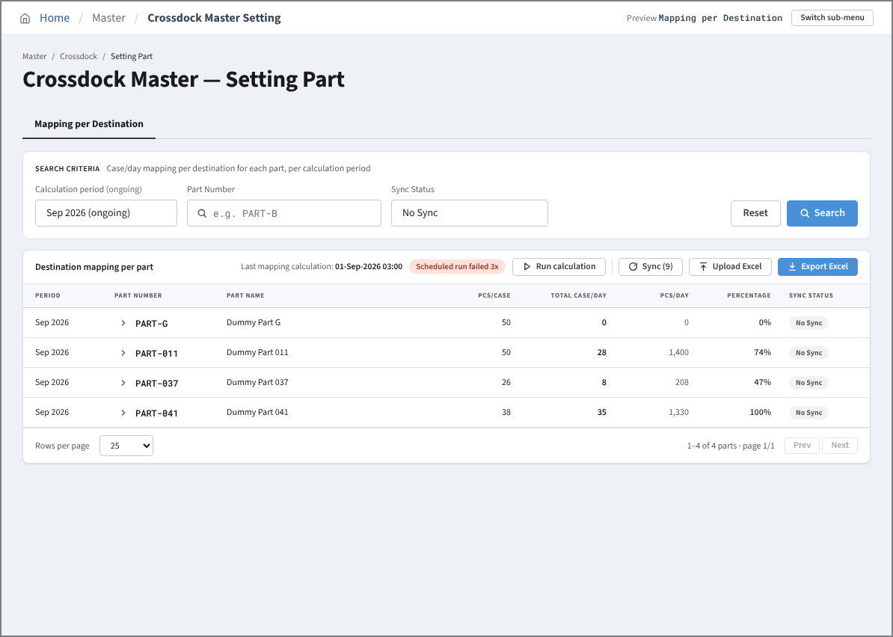

 | 16. Search Result Mode - Sync Status = All
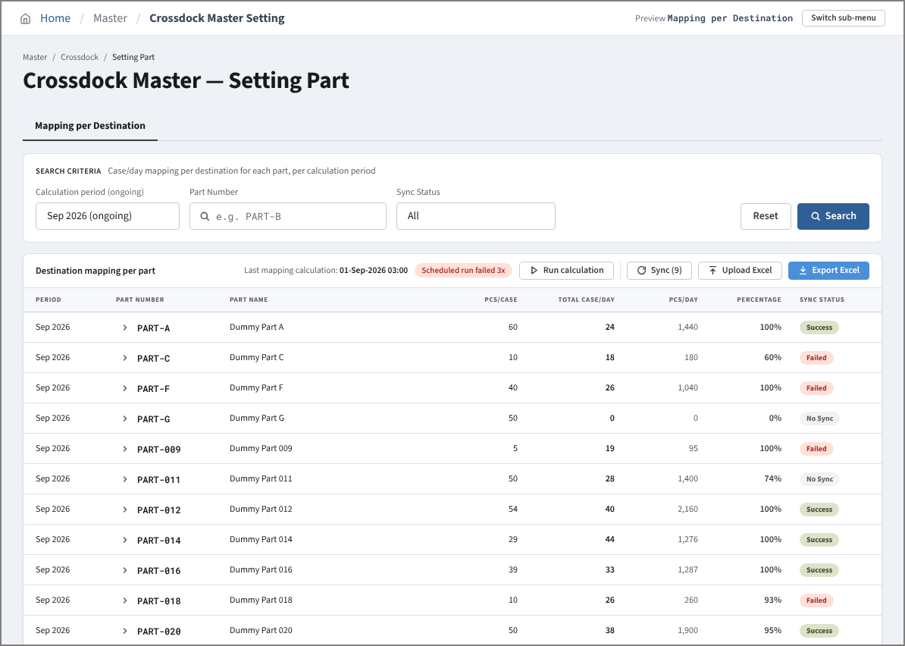

 | 17. Search Result Mode - past period (Upload Excel disabled)
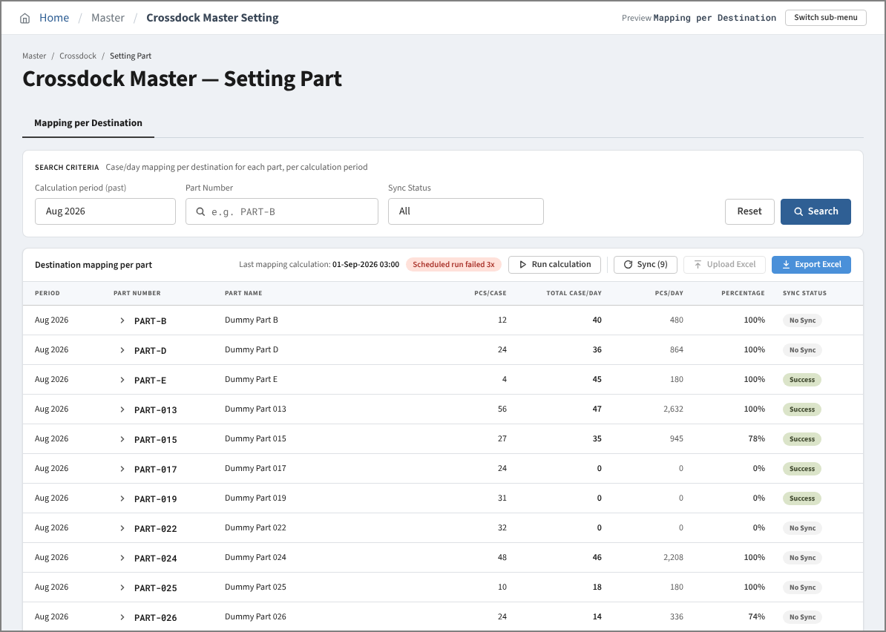

 | 18. Search Result Mode - no parts match the filters
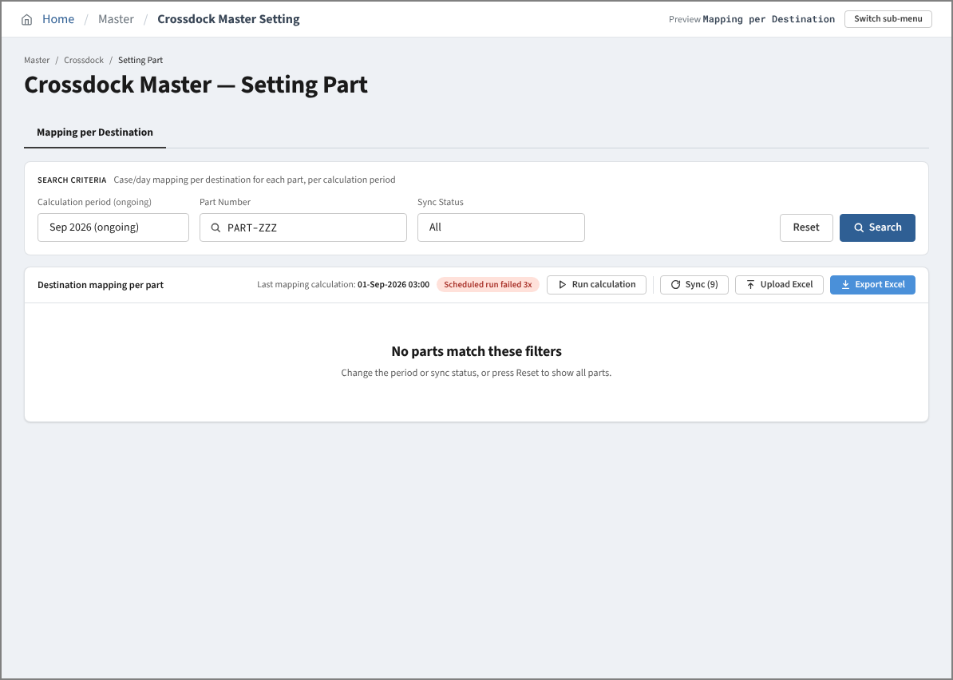

 | 19. Detail View Mode - ongoing period
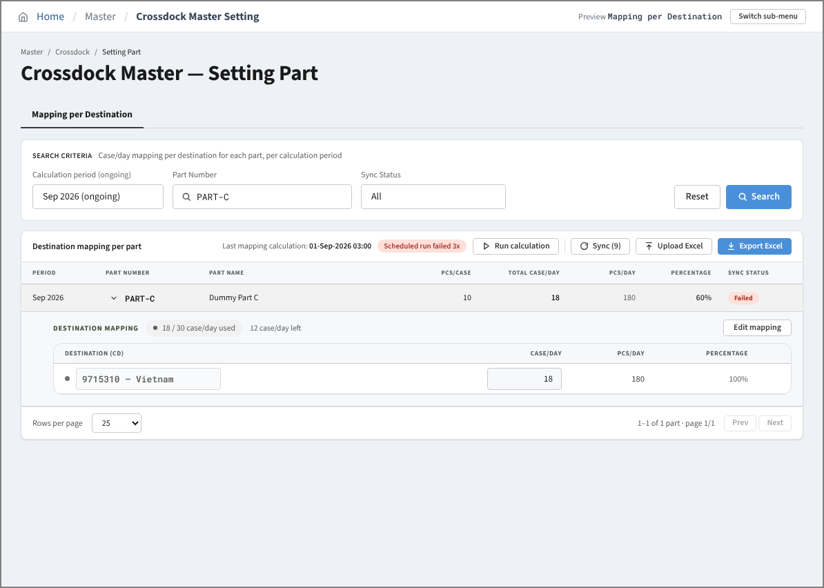

 | 20. Detail View Mode - past period (read only)
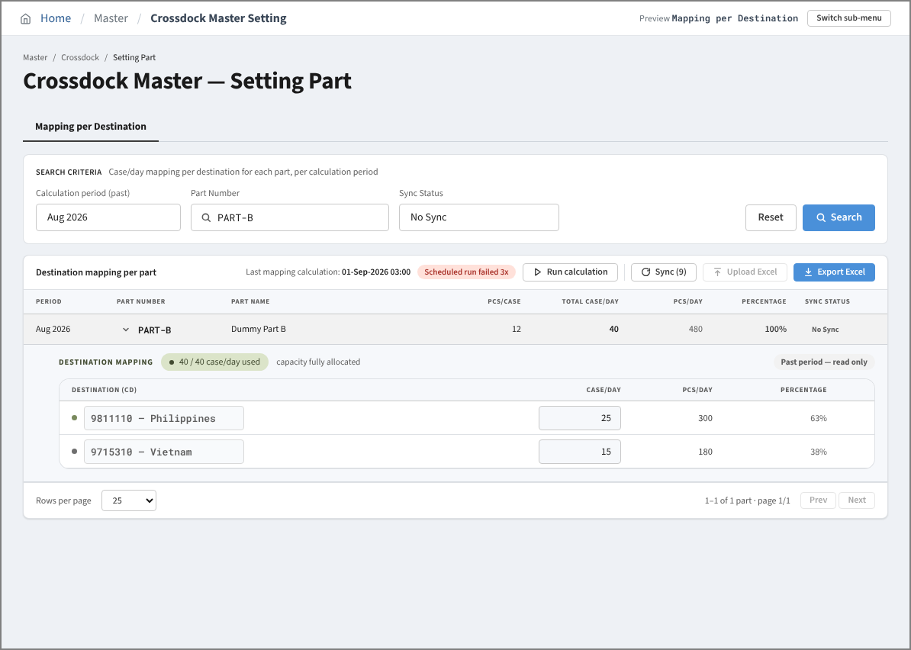

 | 21. Edit Mapping Mode
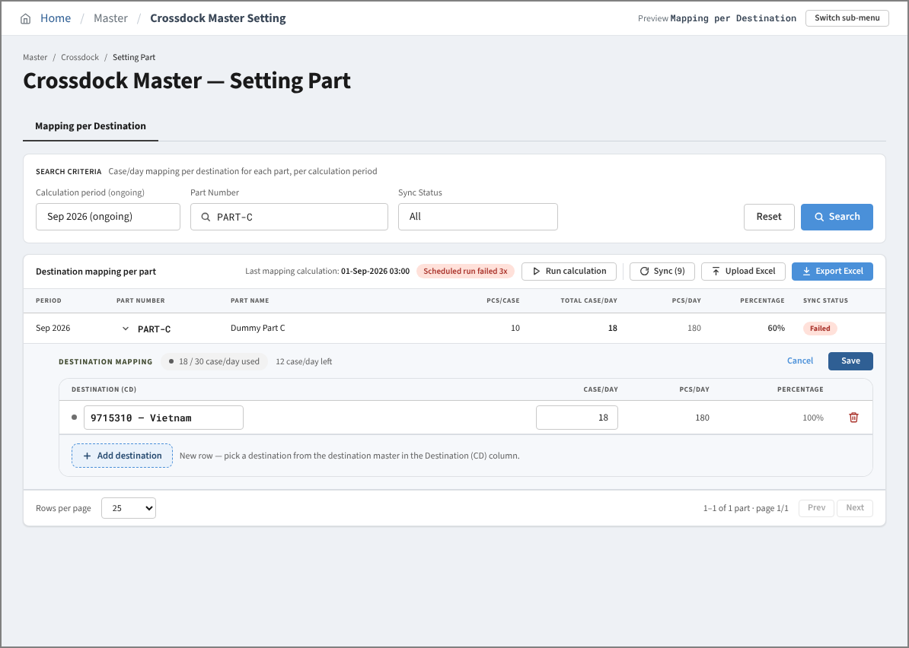

 | 22. Edit Mapping Mode - allocation above Max Case/Day (Save disabled)
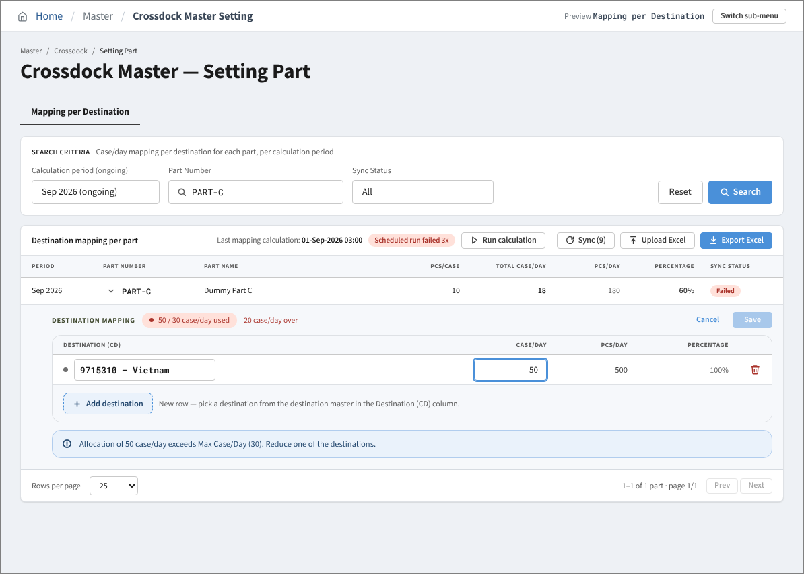

 | 23. Edit Mapping Mode - row without destination (Save disabled)
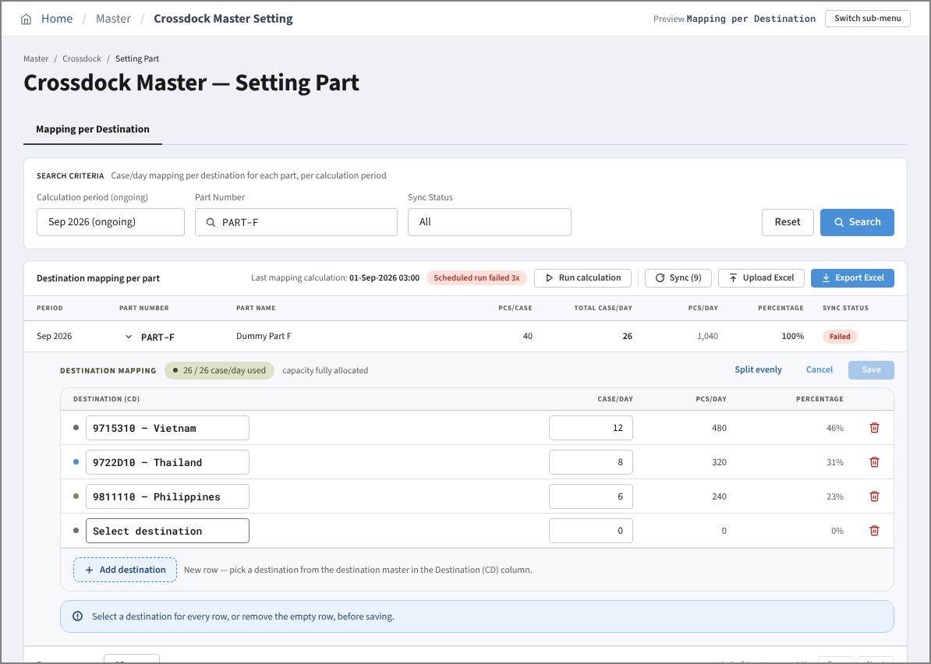

 | 24. Detail View Mode - part without destination
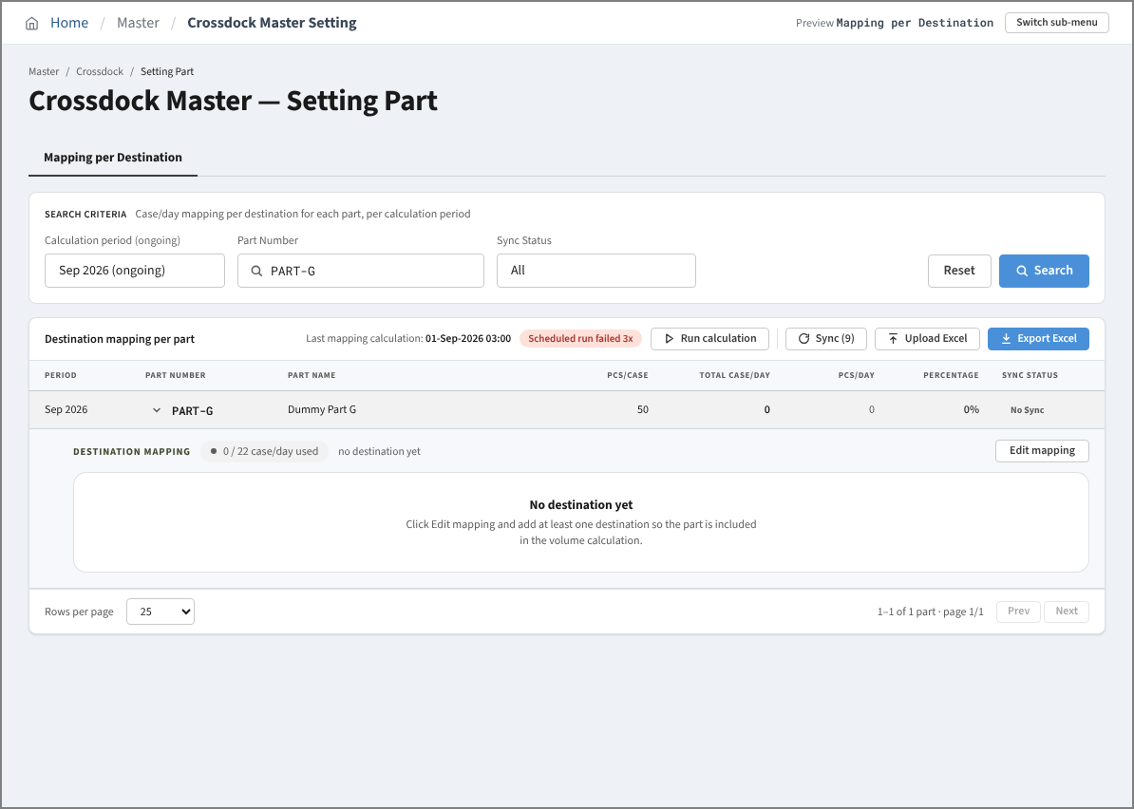

 | 25. Edit Mapping Mode - after Split evenly
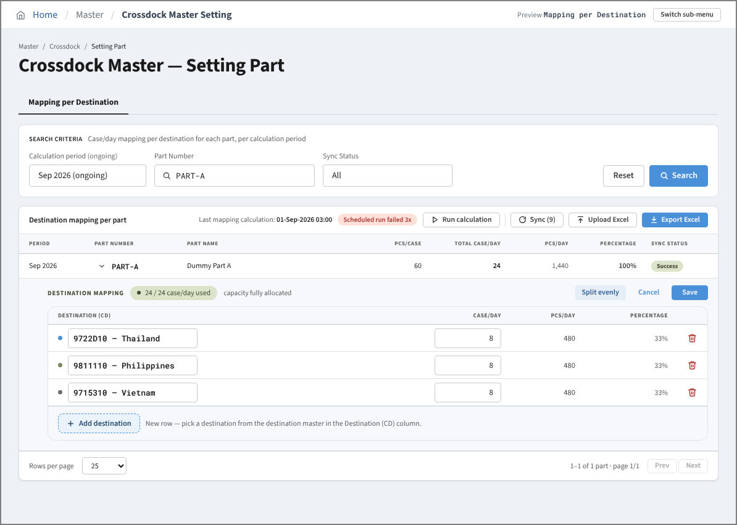

 | 26. Before Sync - Sync (9): 4 No Sync + 5 Failed Active parts of the ongoing period
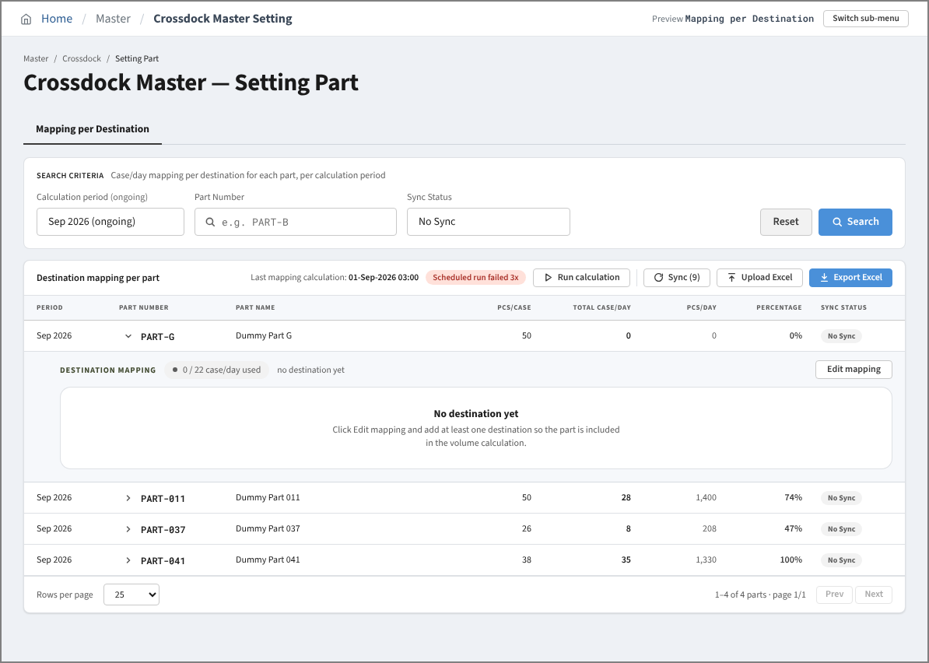

 | 27. After Sync - the 9 parts are Waiting for XD06 / XD07 (viewed with Sync Status = All)
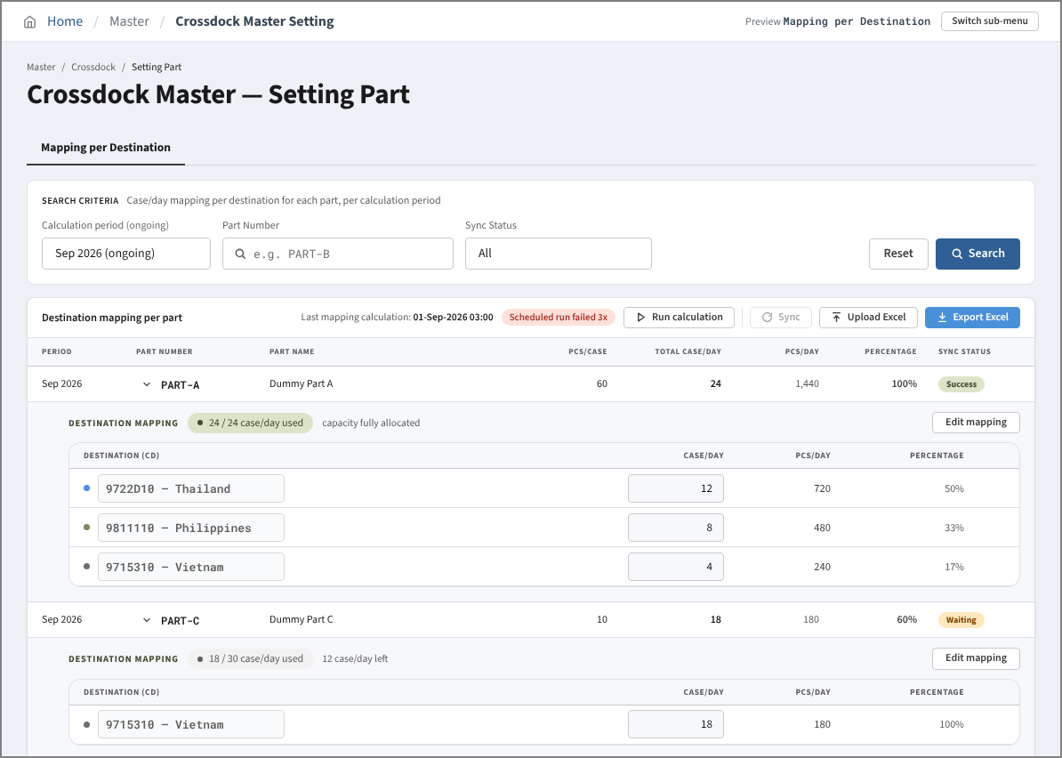

 | 28. Upload Mode - Upload Excel modal
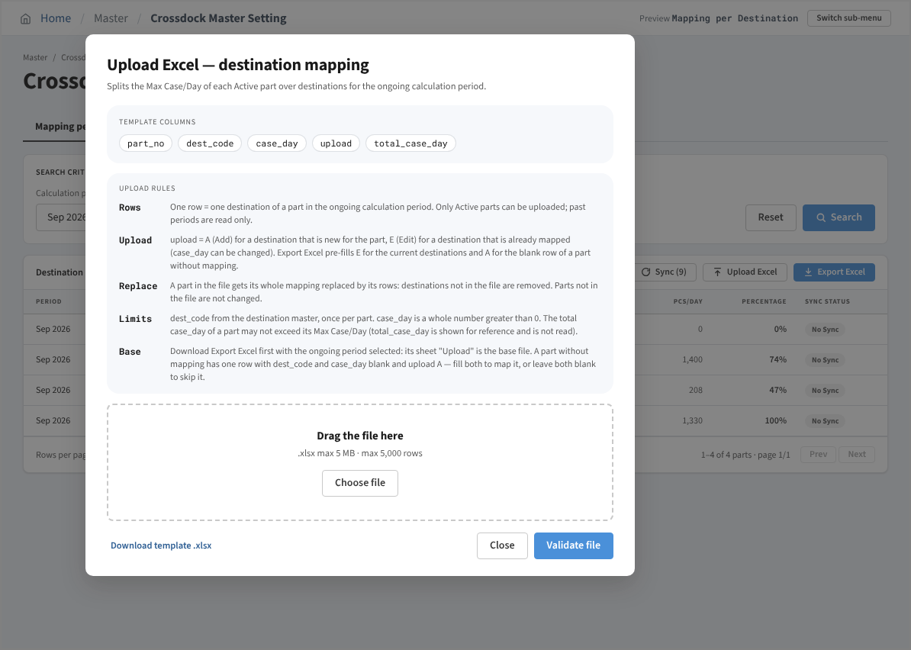

 | 29. Upload Mode - Saved successfully popup after Validate file
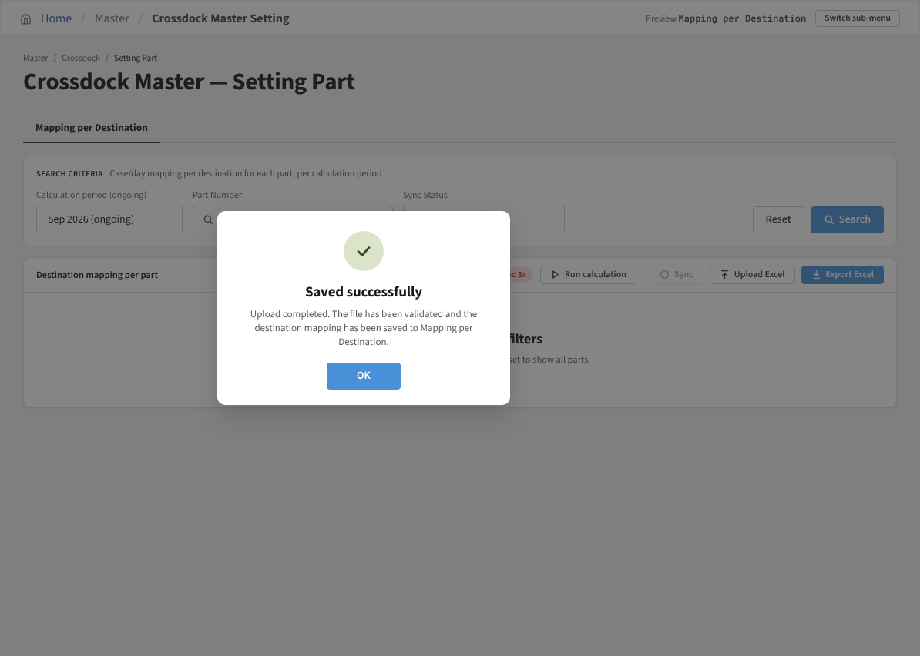

 | 30. Run calculation - Calculation completed popup

