Screen Flow
Phase |  | Project Name |  |  |  | Page | 3/9
Block Name |  |  | Function Name |  | Created | By
Document Name |  |  | Title | Screen Flow Diagram | Updated | By

2. Screen Flow

 | Screen Flow - ASN Draft

→ Group into 1 ASN
← Cancel / Back
ASN Draft

Delivery Plan Header

Submit ASN
ASN Draft (Submitted)

Back to Delivery Plan
 | Delivery Plan Header is documented in its own UISS-Screen.

 | Screen Flow - Submit ASN

START

On Click of Submit ASN
button

Whole Customer Order Date
selected and Ready to ASN?

Yes

Delivery Date and Rit
filled?

Yes

Generate ASN No

No (rejected)

Lock all cases into the
ASN
ASN Header / Detail (TBD)

No (rejected)

Display Submitted Mode and
message no. 1

END

Screen Layout
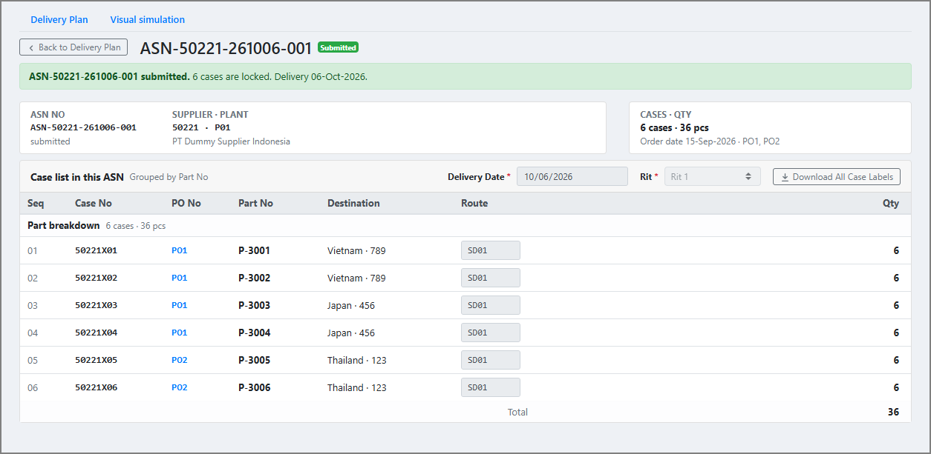
Phase |  | Project Name |  |  |  | Page | 4/9
Block Name |  |  | Function Name |  | Created | By
Document Name |  |  | Title | Screen Layout | Updated | By

3. Screen Layout

 | Draft Mode
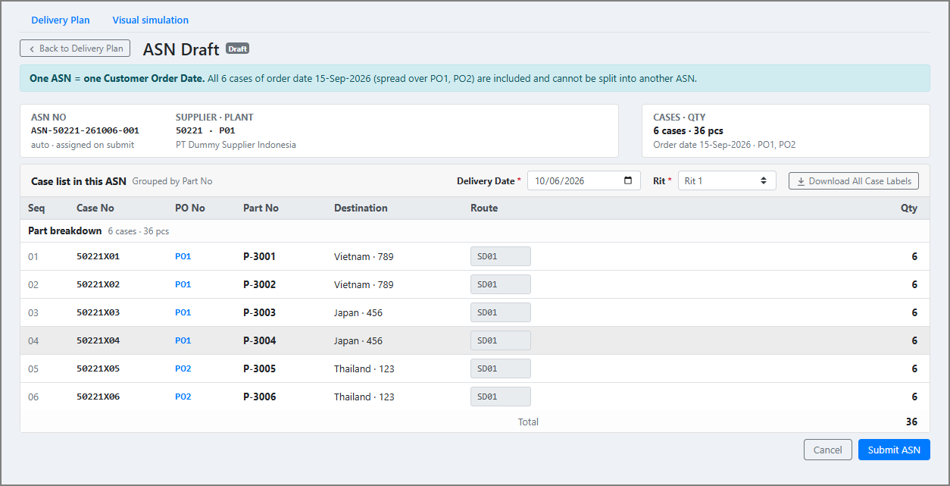

 | Submitted Mode

