Screen Flow
Phase |  | Project Name |  |  |  | Page | 3/9
Block Name |  |  | Function Name |  | Created | By
Document Name |  |  | Title | Screen Flow Diagram | Updated | By

2. Screen Flow

 | Screen Flow - ASN Inquiry
→ ASN No
← Back
ASN Crossdock Creation
(XD10)
submitted ASN
ASN Inquiry - list
ASN Inquiry - detail

Screen Layout
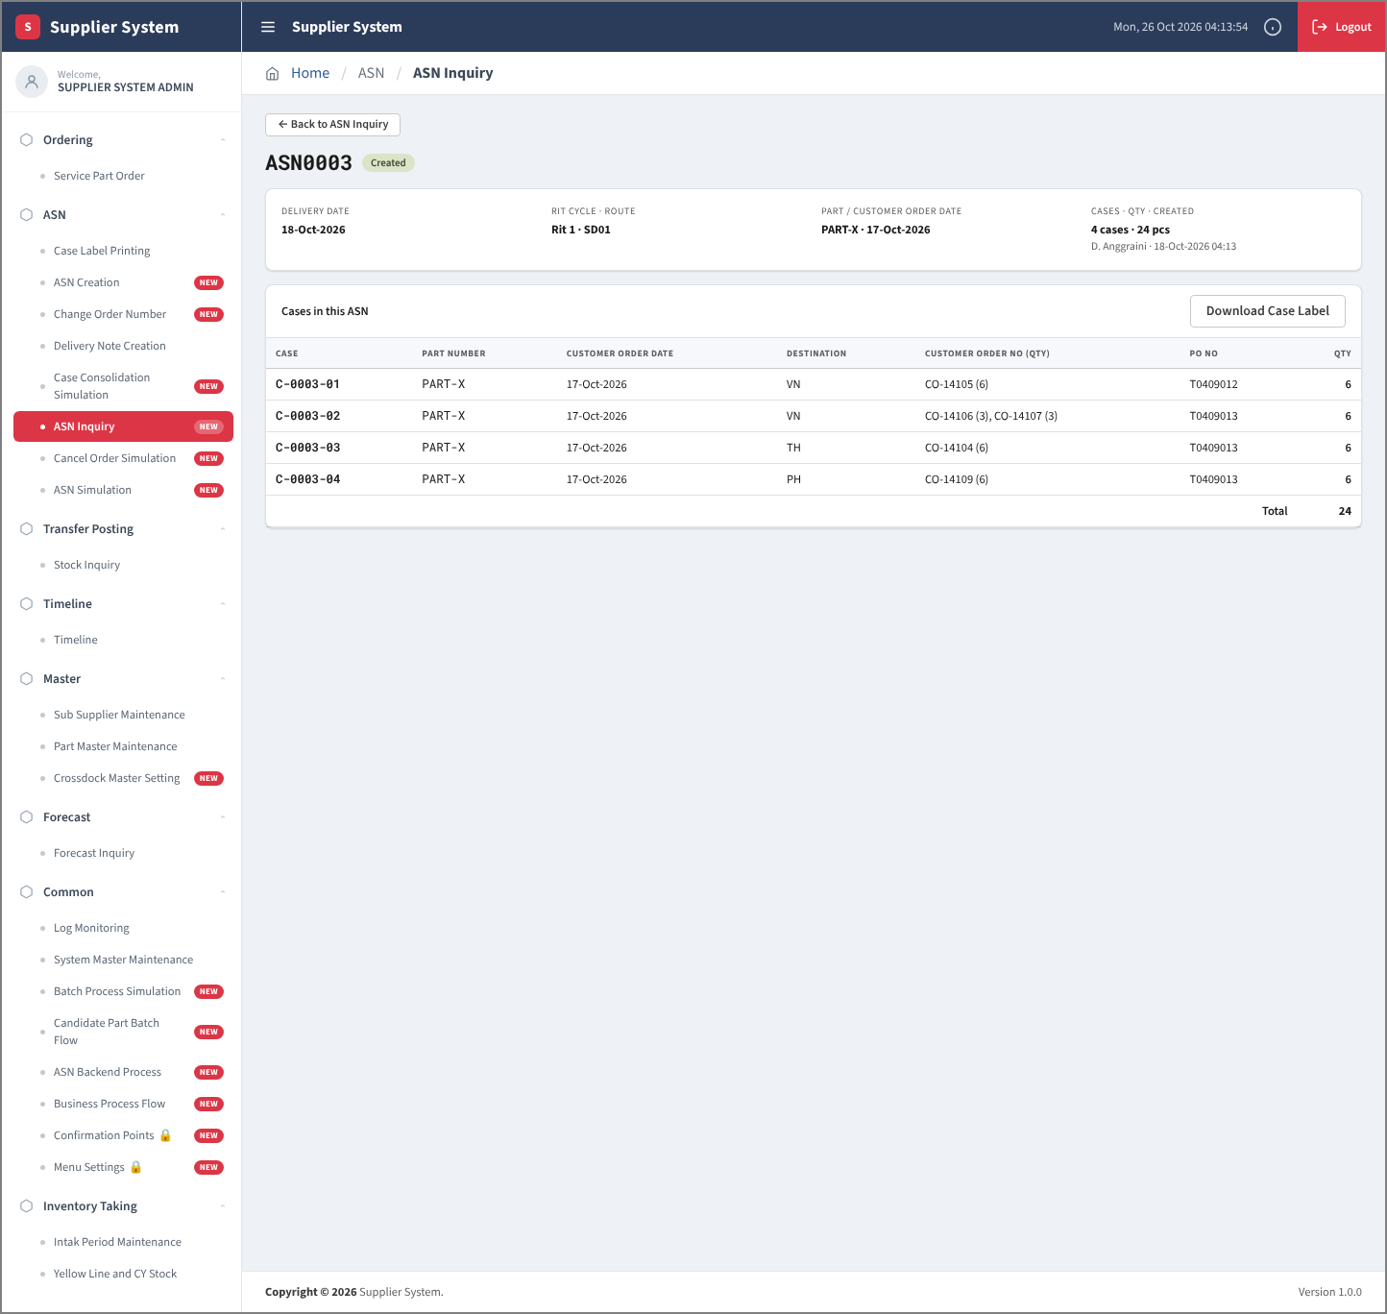
Phase |  | Project Name |  |  |  | Page | 4/9
Block Name |  |  | Function Name |  | Created | By
Document Name |  |  | Title | Screen Layout | Updated | By

3. Screen Layout

 | 1. List Mode
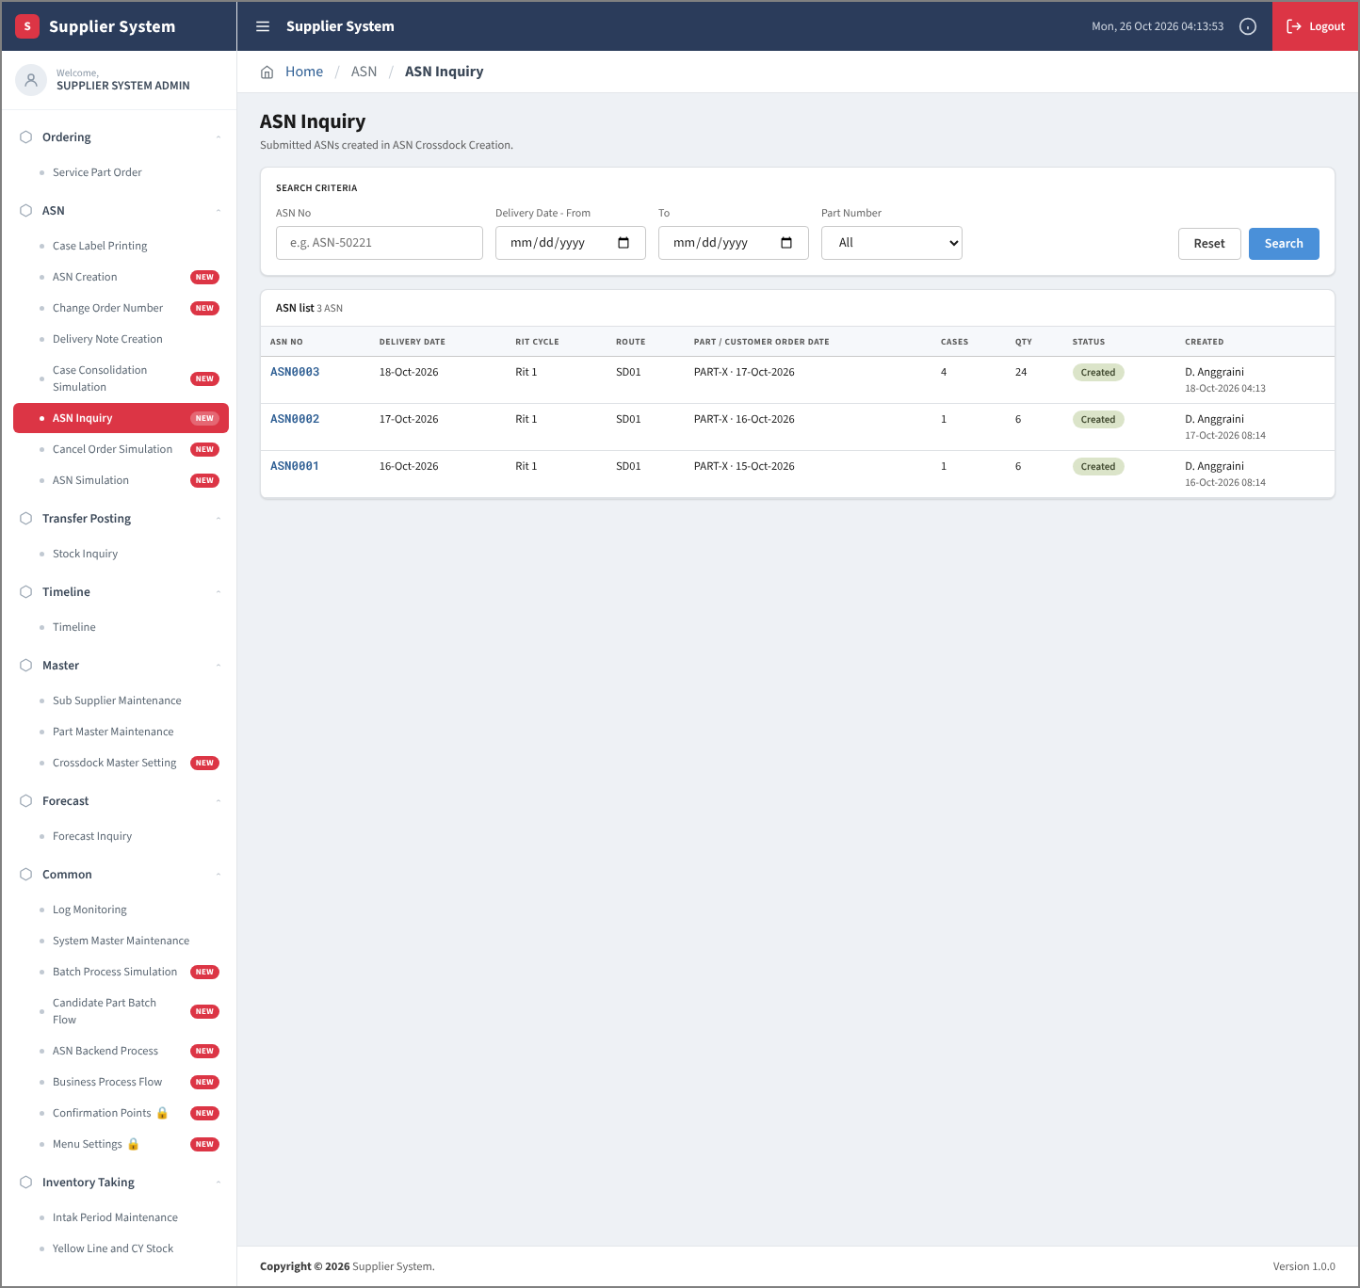

 | 2. Detail Mode

