Screen Flow
Phase |  | Project Name |  |  |  | Page | 3/9
Block Name |  |  | Function Name |  | Created | By
Document Name |  |  | Title | Screen Flow Diagram | Updated | By

2. Screen Flow

 | Screen Flow for Part Detail

Add Part Detail modal

Add Detail

Edit part detail modal

Edit
Save
Part Detail list
Saved successfully popup
TB_M_PART_CROSSDOCK_DTL
Save
Yes

Delete
Delete confirmation

OK

 | Cancel on the modal and No on the confirmation return to the list without changes. The tab 'Part List' switches to the Part List sub-menu.

Screen Layout
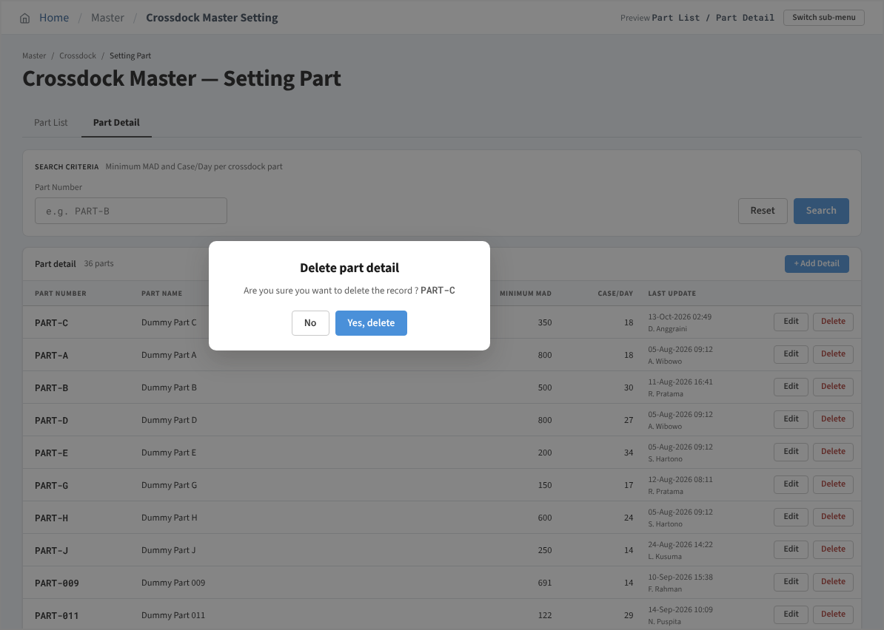
Phase |  | Project Name |  |  |  | Page | 4/9
Block Name |  |  | Function Name |  | Created | By
Document Name |  |  | Title | Screen Layout | Updated | By

3. Screen Layout

 | 1. Initial Mode - Part Detail list
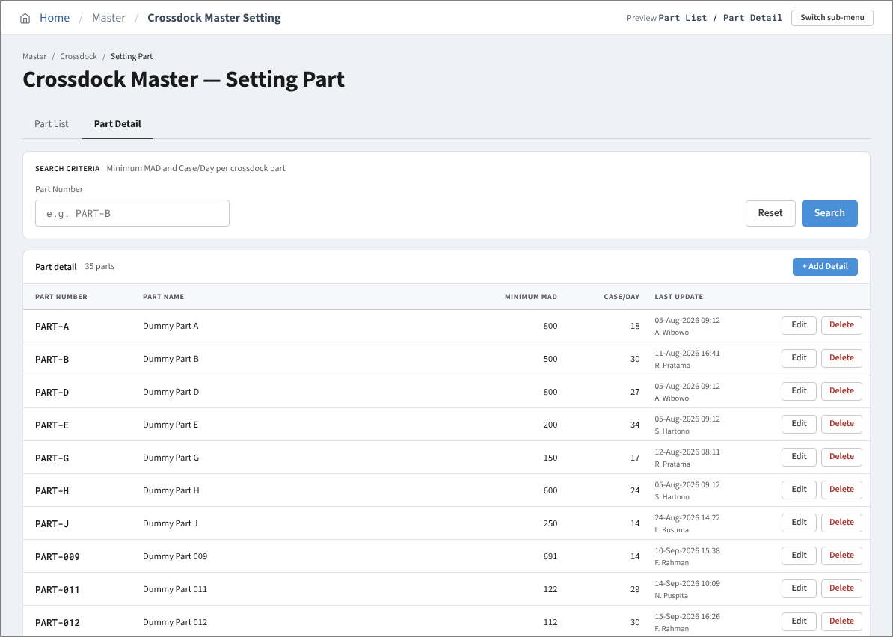

 | 2. Search Result Mode - no matching parts
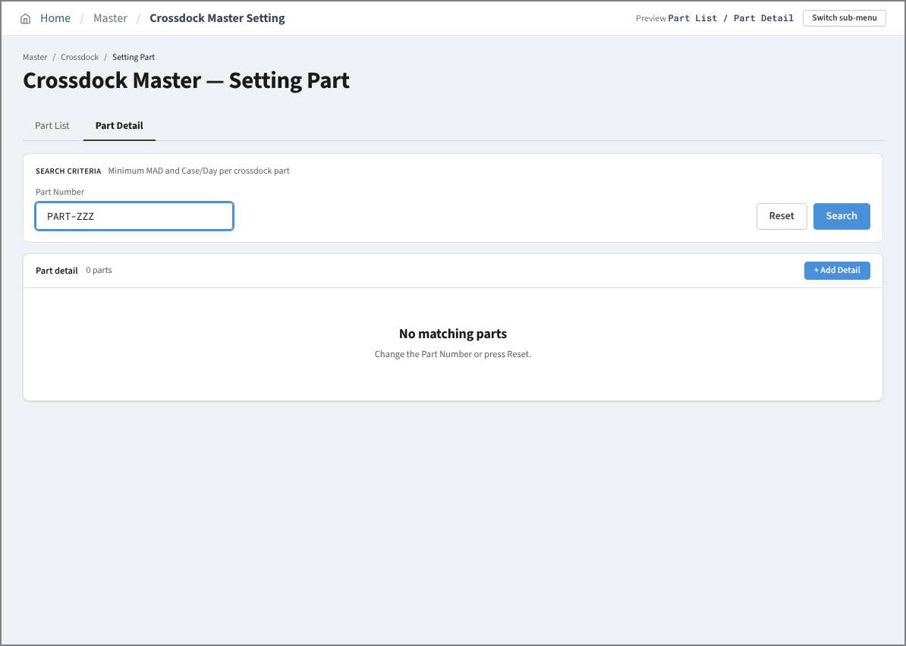

 | 3. Add Mode - empty form (Save disabled)
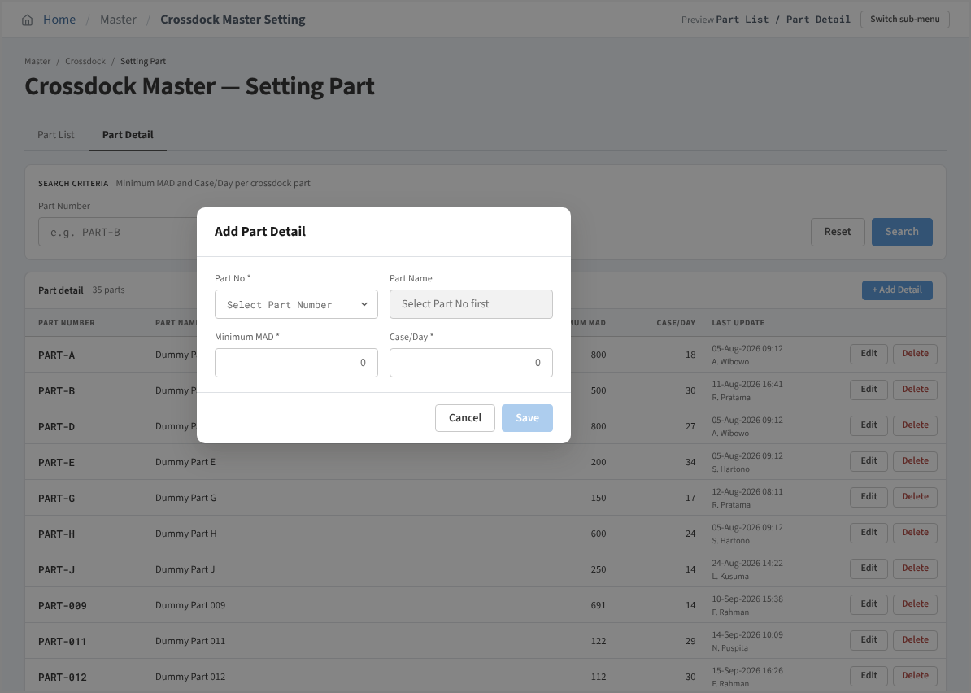

 | 4. Add Mode - all required items filled
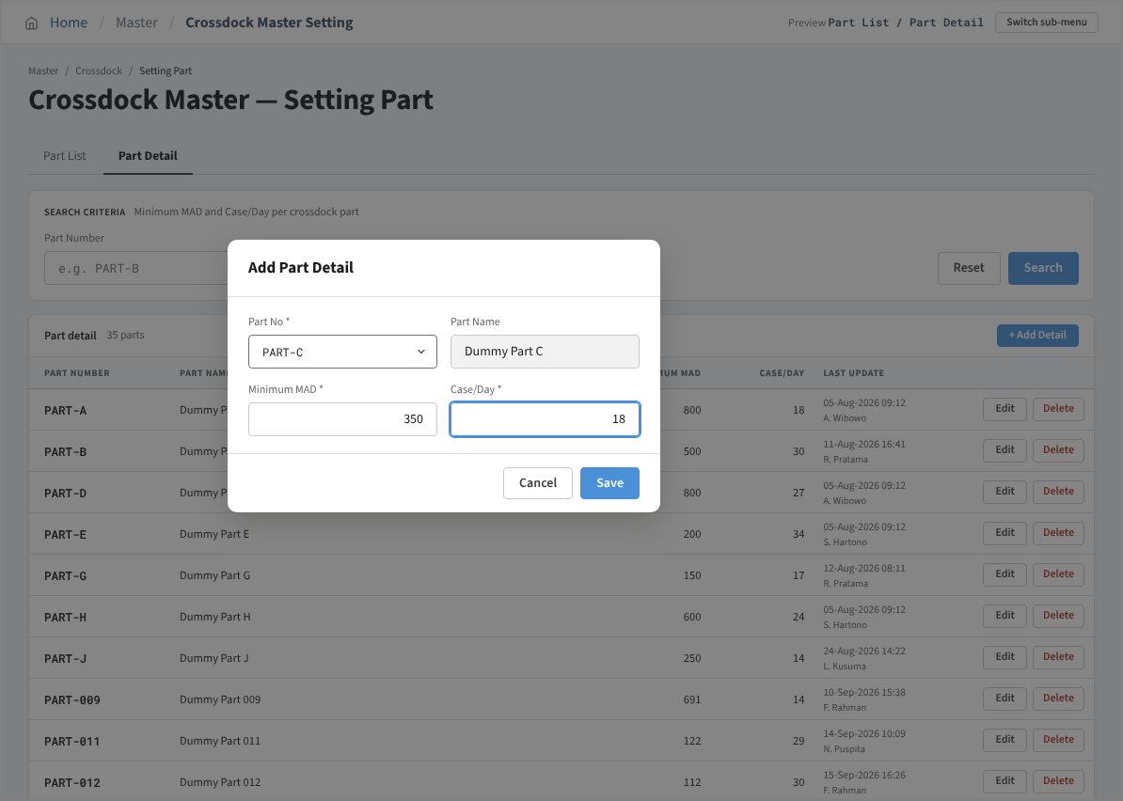

 | 5. Saved successfully popup
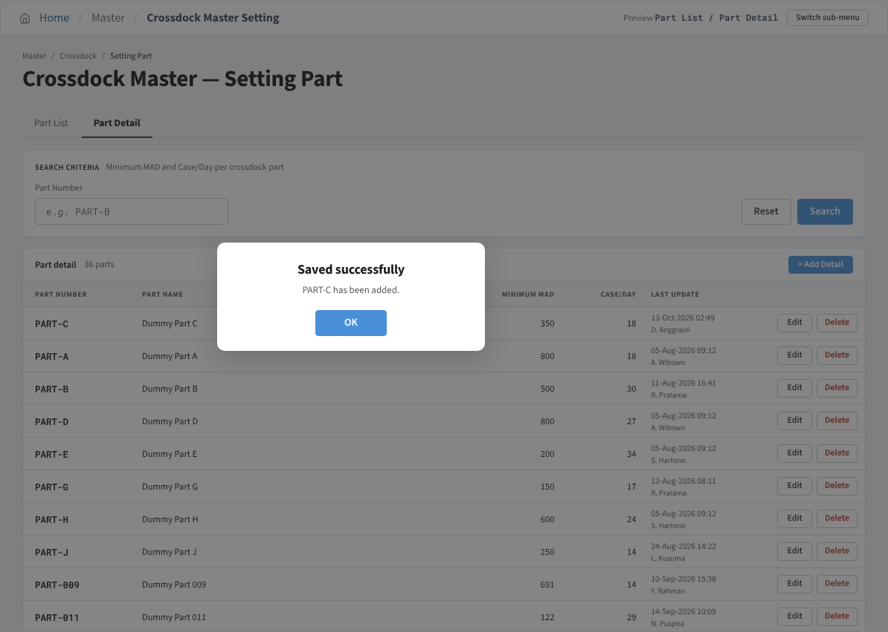

 | 6. Edit Mode - Part No locked
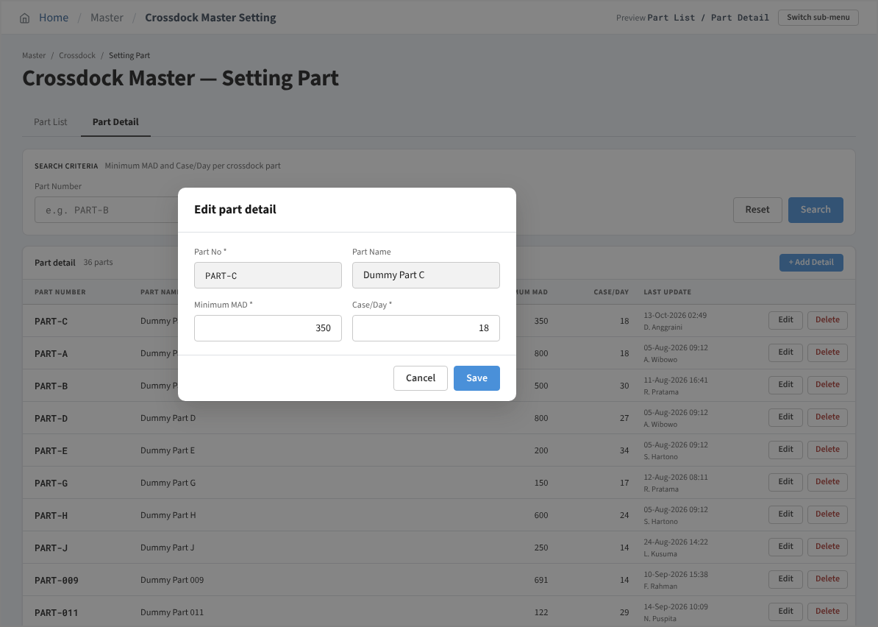

 | 7. Delete Mode - confirmation

