Screen Flow
Phase |  | Project Name |  |  |  | Page | 3/9
Block Name |  |  | Function Name |  | Created | By
Document Name |  |  | Title | Screen Flow Diagram | Updated | By

2. Screen Flow

 | Screen Flow - Delivery Plan and ASN Draft

→ View detail
← Back to Delivery
Plan
Detail in Detail

Delivery Plan Header
ASN Draft
→ Group into 1 ASN
← Cancel / Back

Submit ASN
ASN Submitted

Back to Delivery Plan

 | Search, Reset, ticking a date and Clear selection stay on the Delivery Plan Header.

 | Screen Flow - Select Date and Group into ASN

START

User ticks a Customer
Order Date

Ready to ASN, not in ASN,
no other date ticked?

No
Yes
Check box disabled
(message no. 1-3)
Select all cases of the
date (all POs), show
Selection Bar

On Click of Group into 1
ASN

Open ASN Draft with all
cases of the date

END

 | Screen Flow - Submit ASN

START

On Click of Submit ASN

All cases of one Ready to
ASN date, Delivery Date
and Rit filled?

No

Yes
Reject (message TBD)
Generate ASN No, lock
cases, insert ASN Header /
Detail
ASN Header / ASN Detail
(TBD)

ASN Submitted Mode
(message no. 6)

END

Screen Layout
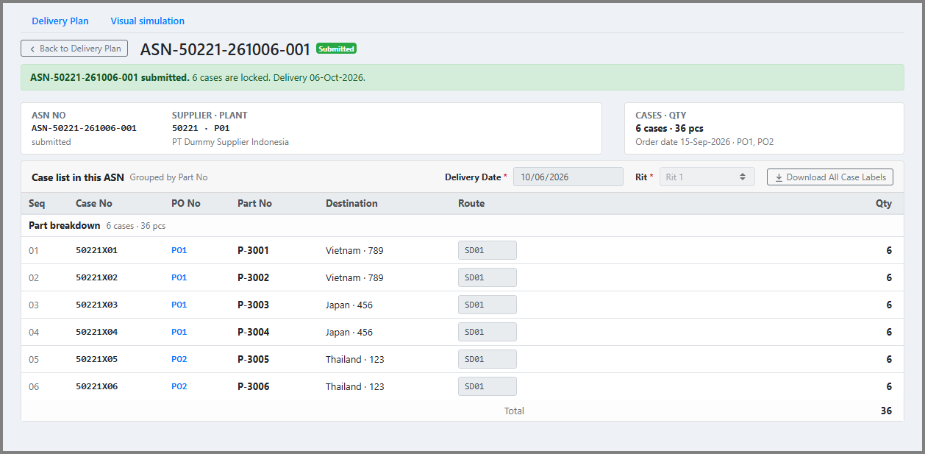
Phase |  | Project Name |  |  |  | Page | 4/9
Block Name |  |  | Function Name |  | Created | By
Document Name |  |  | Title | Screen Layout | Updated | By

3. Screen Layout

 | 1. List Mode - No Selection (initial display)
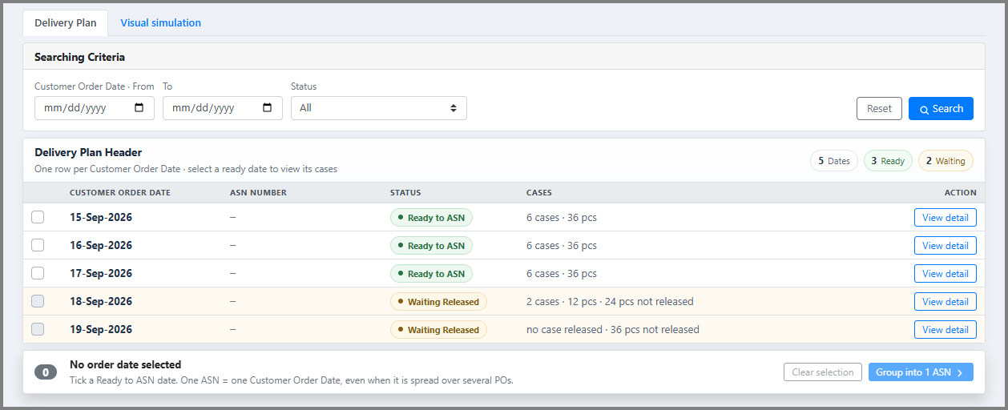

 | 2. List Mode - Date Selected
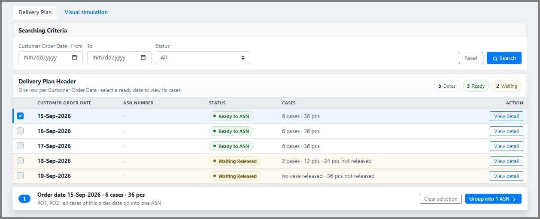

 | 3. List Mode - After Search (Status = Waiting Released)

 | 4. Detail Mode - Ready to ASN date (View detail)

 | 5. Detail Mode - Waiting Released date (View detail)
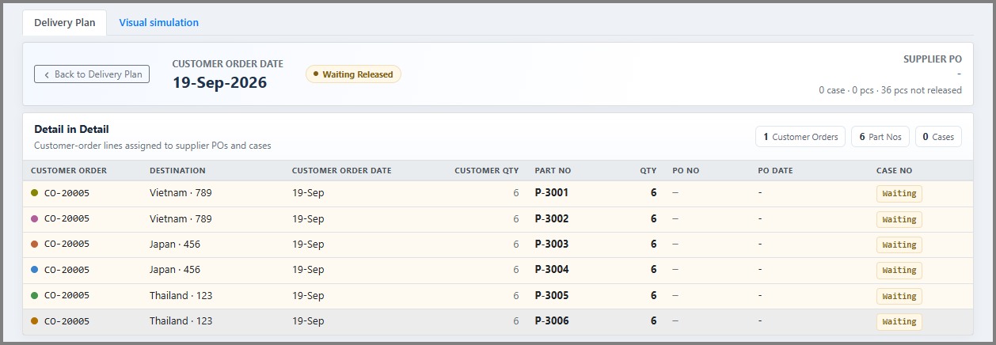

 | 6. ASN Draft Mode
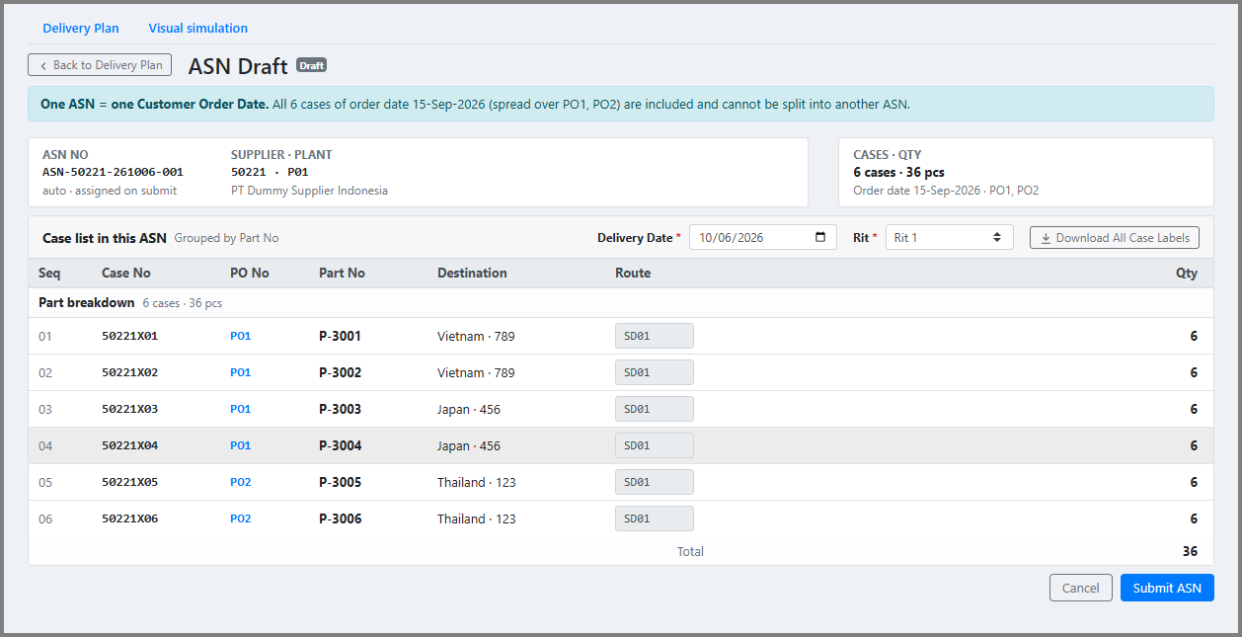

 | 7. ASN Submitted Mode

