Duracion
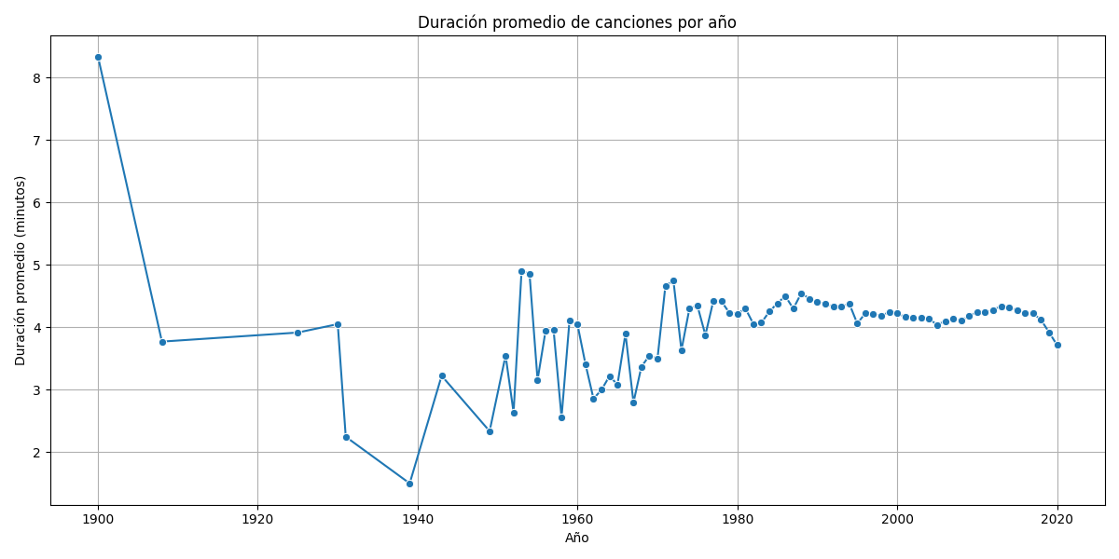
year | duration_min
1900 | 8.3342857143
1908 | 3.77
1925 | 3.915
1930 | 4.05
1931 | 2.246
1939 | 1.4996153846
1943 | 3.2225
1949 | 2.3357142857
1951 | 3.5477777778
1952 | 2.635
1953 | 4.9058490566
1954 | 4.8495652174
1955 | 3.1571428571
1956 | 3.9403703704
1957 | 3.9630769231
1958 | 2.5562666667
1959 | 4.1135159817
1960 | 4.0411764706
1961 | 3.4063302752
1962 | 2.8551515152
1963 | 2.9978082192
1964 | 3.2170873786
1965 | 3.0813150685
1966 | 3.8986818182
1967 | 2.7957755776
1968 | 3.3691415313
1969 | 3.5482656827
1970 | 3.4919704433
1971 | 4.6668845316
1972 | 4.7450539291
1973 | 3.63228739
1974 | 4.2975336323
1975 | 4.3445
1976 | 3.8745786963
1977 | 4.4260452962
1978 | 4.4174621212
1979 | 4.2288833992
1980 | 4.2171057884
1981 | 4.3018039773
1982 | 4.05416
1983 | 4.0710045147
1984 | 4.250371471
1985 | 4.3825149254
1986 | 4.4987
1987 | 4.2980198488
1988 | 4.5462647263
1989 | 4.4575213675
1990 | 4.4099188491
1991 | 4.3725598971
1992 | 4.3324239888
1993 | 4.3247226295
1994 | 4.3784009181
1995 | 4.0607536232
1996 | 4.2198958413
1997 | 4.2128746236
1998 | 4.18216682
1999 | 4.2438056602
2000 | 4.2252521151
2001 | 4.1620152658
2002 | 4.1492626312
2003 | 4.150396468
2004 | 4.1324233251
2005 | 4.038410372
2006 | 4.0980415419
2007 | 4.1358249286
2008 | 4.1051319775
2009 | 4.1830449582
2010 | 4.2424323071
2011 | 4.2374907724
2012 | 4.2774901355
2013 | 4.3385263813
2014 | 4.3144686568
2015 | 4.2737453822
2016 | 4.2326063118
2017 | 4.2221098056
2018 | 4.1168690381
2019 | 3.9187363038
2020 | 3.7145042603

Valence
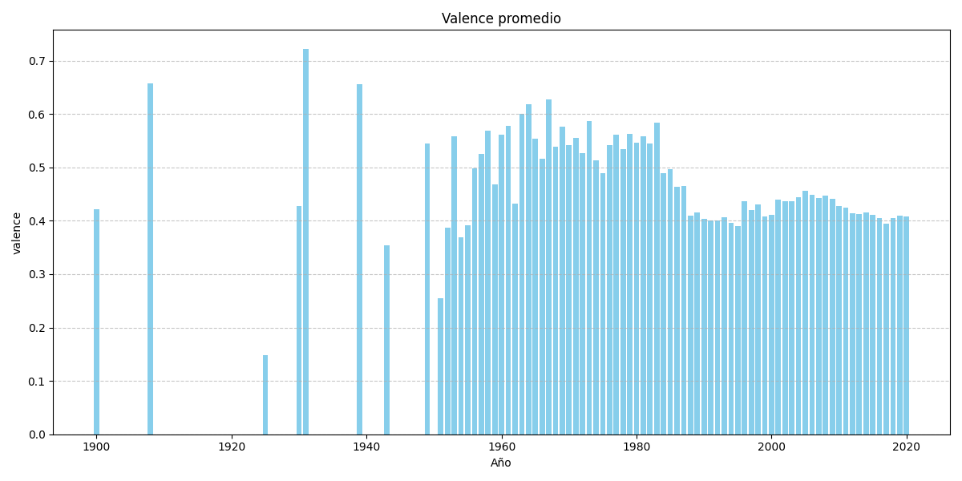
year | valence
1900 | 0.42215714286
1908 | 0.657
1925 | 0.14896875
1930 | 0.42824
1931 | 0.72126666667
1939 | 0.65638846154
1943 | 0.35439
1949 | 0.54414285714
1951 | 0.25528444444
1952 | 0.38725
1953 | 0.55865849057
1954 | 0.3694826087
1955 | 0.39142857143
1956 | 0.49788888889
1957 | 0.52573846154
1958 | 0.56904133333
1959 | 0.46750776256
1960 | 0.56124705882
1961 | 0.57812293578
1962 | 0.43231272727
1963 | 0.59986609589
1964 | 0.61796504854
1965 | 0.55306328767
1966 | 0.51620590909
1967 | 0.62704620462
1968 | 0.53824222738
1969 | 0.5759702952
1970 | 0.54120640394
1971 | 0.55539869281
1972 | 0.52637750385
1973 | 0.58661348974
1974 | 0.51372511211
1975 | 0.48941264706
1976 | 0.54176200318
1977 | 0.56096550523
1978 | 0.53392563131
1979 | 0.56204851779
1980 | 0.54551267465
1981 | 0.55746789773
1982 | 0.5451856
1983 | 0.58343623025
1984 | 0.4891461367
1985 | 0.4972088806
1986 | 0.46396264706
1987 | 0.46433123819
1988 | 0.40894005544
1989 | 0.41510744417
1990 | 0.40292939875
1991 | 0.39975269658
1992 | 0.40068376569
1993 | 0.40652916178
1994 | 0.39666988332
1995 | 0.39001789372
1996 | 0.43605988359
1997 | 0.41984157281
1998 | 0.42978443422
1999 | 0.4082048102
2000 | 0.41054331261
2001 | 0.4388010528
2002 | 0.43651660515
2003 | 0.43636747828
2004 | 0.44356033024
2005 | 0.45555139414
2006 | 0.44845361649
2007 | 0.44187755918
2008 | 0.4463160382
2009 | 0.44040722552
2010 | 0.42722363191
2011 | 0.42468981114
2012 | 0.41342286707
2013 | 0.41276473919
2014 | 0.41575153403
2015 | 0.41133811332
2016 | 0.40550822038
2017 | 0.39443444774
2018 | 0.40468006223
2019 | 0.41015605801
2020 | 0.40805268856

Acusticas
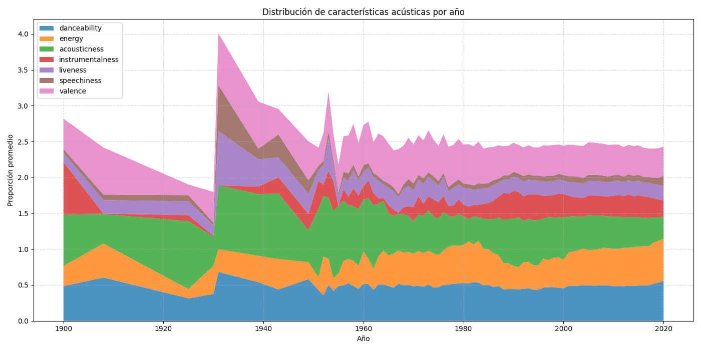
year | danceability | energy | acousticness | instrumentalness | liveness | speechiness | valence
1900 | 0.48385714286 | 0.28219285714 | 0.71307142857 | 0.73692857143 | 0.12926428571 | 0.051692857143 | 0.42215714286
1908 | 0.60410526316 | 0.47369473684 | 0.41093157895 | 0.0072794436842 | 0.18726315789 | 0.076394736842 | 0.657
1925 | 0.3143125 | 0.129225 | 0.9455625 | 0.08382219375 | 0.19525 | 0.0841 | 0.14896875
1930 | 0.376 | 0.391 | 0.406704 | 0.01308528 | 0.14642 | 0.03598 | 0.42824
1931 | 0.68293333333 | 0.3154 | 0.8898 | 0.00000084 | 0.75893333333 | 0.641 | 0.72126666667
1939 | 0.53838461538 | 0.36875384615 | 0.85884615385 | 0.10692854885 | 0.38010384615 | 0.14743461538 | 0.65638846154
1943 | 0.4379 | 0.42425 | 0.9143 | 0.224896284 | 0.27772 | 0.319175 | 0.35439
1949 | 0.582 | 0.23717142857 | 0.44599285714 | 0.22717739214 | 0.27646428571 | 0.1893 | 0.54414285714
1951 | 0.42804444444 | 0.17923333333 | 0.95142222222 | 0.39215885311 | 0.15128 | 0.057988888889 | 0.25528444444
1952 | 0.3565 | 0.540875 | 0.843625 | 0.1587456075 | 0.269625 | 0.0588375 | 0.38725
1953 | 0.50179245283 | 0.36255283019 | 0.8560754717 | 0.37433664679 | 0.45292830189 | 0.094290566038 | 0.55865849057
1954 | 0.42035652174 | 0.17583913043 | 0.93813043478 | 0.40930052435 | 0.23180869565 | 0.059852173913 | 0.3694826087
1955 | 0.48528571429 | 0.17586428571 | 0.94028571429 | 0.00053358857143 | 0.13498571429 | 0.046621428571 | 0.39142857143
1956 | 0.49644444444 | 0.3409 | 0.83718518519 | 0.16153833 | 0.15696666667 | 0.084333333333 | 0.49788888889
1957 | 0.52589230769 | 0.33325230769 | 0.75464615385 | 0.11478051769 | 0.22704461538 | 0.10142307692 | 0.52573846154
1958 | 0.48715733333 | 0.34987666667 | 0.7634784 | 0.25056118433 | 0.24784 | 0.080362 | 0.56904133333
1959 | 0.44555707763 | 0.32112908676 | 0.78890639269 | 0.19191056183 | 0.20809315068 | 0.055964840183 | 0.46750776256
1960 | 0.51723676471 | 0.45135735294 | 0.72377941176 | 0.19015052544 | 0.19303235294 | 0.095154411765 | 0.56124705882
1961 | 0.51333944954 | 0.35133036697 | 0.84563853211 | 0.24681772404 | 0.18479908257 | 0.056933944954 | 0.57812293578
1962 | 0.43186909091 | 0.29225030303 | 0.88461212121 | 0.17272656594 | 0.22001151515 | 0.058781818182 | 0.43231272727
1963 | 0.51011643836 | 0.38941335616 | 0.73384164384 | 0.075421980616 | 0.24829109589 | 0.056869863014 | 0.59986609589
1964 | 0.50725242718 | 0.47448349515 | 0.69252718447 | 0.039260645631 | 0.18655145631 | 0.052269902913 | 0.61796504854
1965 | 0.48688273973 | 0.42271753425 | 0.58789868685 | 0.11587795751 | 0.24431945205 | 0.060984383562 | 0.55306328767
1966 | 0.46195681818 | 0.47686 | 0.52578554545 | 0.089569484864 | 0.25290136364 | 0.055188181818 | 0.51620590909
1967 | 0.51994389439 | 0.4630620462 | 0.50312013201 | 0.021823762112 | 0.21506633663 | 0.043281518152 | 0.62704620462
1968 | 0.49597447796 | 0.45427470998 | 0.53296921578 | 0.099903982343 | 0.25606032483 | 0.065241299304 | 0.53824222738
1969 | 0.50379520295 | 0.45749599631 | 0.50361762362 | 0.13472670792 | 0.2811702952 | 0.096614391144 | 0.5759702952
1970 | 0.48250197044 | 0.45601480296 | 0.45216903473 | 0.19656895264 | 0.23227019704 | 0.097597783251 | 0.54120640394
1971 | 0.48827559913 | 0.48569041394 | 0.51047311329 | 0.25320325834 | 0.23355337691 | 0.061894117647 | 0.55539869281
1972 | 0.47593790447 | 0.46928628659 | 0.5174532188 | 0.17095900276 | 0.27497550077 | 0.082327118644 | 0.52637750385
1973 | 0.50723460411 | 0.47043941349 | 0.561906439 | 0.19502924421 | 0.27616847507 | 0.060049120235 | 0.58661348974
1974 | 0.46270717489 | 0.48059414798 | 0.50986470179 | 0.24013327623 | 0.25893026906 | 0.062543946188 | 0.51372511211
1975 | 0.47086911765 | 0.44223504412 | 0.51757726544 | 0.22417561912 | 0.22948544118 | 0.064853970588 | 0.48941264706
1976 | 0.49954610493 | 0.48451478537 | 0.53017965008 | 0.2265301821 | 0.26855643879 | 0.05186899841 | 0.54176200318
1977 | 0.51025818815 | 0.52050662021 | 0.43400422317 | 0.13959056904 | 0.20132212544 | 0.060375958188 | 0.56096550523
1978 | 0.51433270202 | 0.53950723485 | 0.39490451928 | 0.15975631938 | 0.24820429293 | 0.064158838384 | 0.53392563131
1979 | 0.5227694664 | 0.52580786561 | 0.43956380702 | 0.20875153078 | 0.20439624506 | 0.070956916996 | 0.56204851779
1980 | 0.52631946108 | 0.52922305389 | 0.40235580513 | 0.16220493623 | 0.23100778443 | 0.063321357285 | 0.54551267465
1981 | 0.52205965909 | 0.58793576562 | 0.30852893793 | 0.17412923784 | 0.25412670455 | 0.059321875 | 0.55746789773
1982 | 0.53984548571 | 0.52520922057 | 0.39128082354 | 0.15844694617 | 0.21342057143 | 0.061292228571 | 0.5451856
1983 | 0.53109514673 | 0.58560541761 | 0.32708766854 | 0.17436834104 | 0.21915722348 | 0.078204853273 | 0.58343623025
1984 | 0.49808439822 | 0.50731542496 | 0.42238524056 | 0.20310052746 | 0.21936649331 | 0.061601634473 | 0.4891461367
1985 | 0.5004588806 | 0.50022830963 | 0.4163182549 | 0.22526379436 | 0.21206022388 | 0.067170074627 | 0.4972088806
1986 | 0.47168511765 | 0.46916438824 | 0.47744607693 | 0.25859490722 | 0.21711458824 | 0.068049764706 | 0.46396264706
1987 | 0.48661162571 | 0.43427139556 | 0.52232236015 | 0.28688005844 | 0.19517438563 | 0.057733837429 | 0.46433123819
1988 | 0.43759459459 | 0.36916534556 | 0.59959310376 | 0.37766009084 | 0.18678042273 | 0.055557969508 | 0.40894005544
1989 | 0.44422012683 | 0.35742877033 | 0.61795404703 | 0.35335745411 | 0.19271811414 | 0.060695368073 | 0.41510744417
1990 | 0.44310142014 | 0.32054821247 | 0.66258169227 | 0.38557350849 | 0.19688976392 | 0.070831095537 | 0.40292939875
1991 | 0.44041706062 | 0.30908933004 | 0.69488069157 | 0.3561257316 | 0.18970972825 | 0.062630808812 | 0.39975269658
1992 | 0.44553587169 | 0.37066400237 | 0.58011187145 | 0.33779328163 | 0.20824457462 | 0.07634181311 | 0.40068376569
1993 | 0.45691639785 | 0.36673818906 | 0.59763234143 | 0.34319316873 | 0.2063060936 | 0.070525549853 | 0.40652916178
1994 | 0.43255484889 | 0.34048148167 | 0.63027812876 | 0.3610446831 | 0.1936307479 | 0.065448881025 | 0.39666988332
1995 | 0.43546511334 | 0.342366536 | 0.62877545182 | 0.35863012868 | 0.18929647715 | 0.070903894463 | 0.39001789372
1996 | 0.4650127288 | 0.40255480903 | 0.56066048811 | 0.31330360286 | 0.19726253351 | 0.072873608026 | 0.43605988359
1997 | 0.46981082709 | 0.37771437377 | 0.59916997883 | 0.30078415236 | 0.19760886668 | 0.078933448651 | 0.41984157281
1998 | 0.46986755903 | 0.41045126656 | 0.55953027067 | 0.31472098933 | 0.19031874885 | 0.077169346826 | 0.42978443422
1999 | 0.46000298464 | 0.4268017243 | 0.55582689149 | 0.33314309197 | 0.19665717521 | 0.076773510094 | 0.4082048102
2000 | 0.45520610829 | 0.39662312747 | 0.59129735757 | 0.32461819063 | 0.18797936548 | 0.077166700508 | 0.41054331261
2001 | 0.48793393252 | 0.46607814031 | 0.50090667267 | 0.29085290373 | 0.19156801409 | 0.079203007994 | 0.4388010528
2002 | 0.48878082759 | 0.47657099669 | 0.4927885254 | 0.26857227286 | 0.20755261565 | 0.083231336122 | 0.43651660515
2003 | 0.48991955743 | 0.49288926344 | 0.4688338941 | 0.26868220449 | 0.20292185893 | 0.084059119118 | 0.43636747828
2004 | 0.49464173623 | 0.51479213598 | 0.44475972684 | 0.25832065116 | 0.20188391279 | 0.082030884017 | 0.44356033024
2005 | 0.4978984938 | 0.48608161729 | 0.49032313937 | 0.27494042288 | 0.20267009109 | 0.081773751973 | 0.45555139414
2006 | 0.49034305268 | 0.49980237325 | 0.47767803841 | 0.27906087937 | 0.20324288758 | 0.086282672963 | 0.44845361649
2007 | 0.49268319488 | 0.50779394259 | 0.46896373877 | 0.27661342397 | 0.20437518308 | 0.083804709823 | 0.44187755918
2008 | 0.49373710206 | 0.52642064508 | 0.44465876794 | 0.27377637625 | 0.20121377882 | 0.08287329748 | 0.4463160382
2009 | 0.49388867136 | 0.51859502656 | 0.44554803908 | 0.27873036042 | 0.19660436286 | 0.078810990542 | 0.44040722552
2010 | 0.4825277054 | 0.52267854084 | 0.44694703839 | 0.29308236027 | 0.2025494923 | 0.082668905323 | 0.42722363191
2011 | 0.48497627181 | 0.52035605052 | 0.44928018204 | 0.30057451735 | 0.20116347165 | 0.077470483046 | 0.42468981114
2012 | 0.48312605395 | 0.5354747844 | 0.42388392314 | 0.29597381666 | 0.19538555276 | 0.077191104599 | 0.41342286707
2013 | 0.49009188383 | 0.5304537651 | 0.42684942202 | 0.3147985076 | 0.2011388078 | 0.077228283175 | 0.41276473919
2014 | 0.48864063574 | 0.54084684161 | 0.41827600007 | 0.28906525444 | 0.20139131156 | 0.083928751964 | 0.41575153403
2015 | 0.49109315802 | 0.54311109402 | 0.4116370228 | 0.30655381969 | 0.20250082191 | 0.080550739939 | 0.41133811332
2016 | 0.49512077356 | 0.54747512347 | 0.39572746817 | 0.29631308978 | 0.19483983424 | 0.078718835405 | 0.40550822038
2017 | 0.49530476648 | 0.54537589347 | 0.39243021153 | 0.29155334726 | 0.20029112022 | 0.083483968537 | 0.39443444774
2018 | 0.51719155746 | 0.5695751533 | 0.35489070614 | 0.26994299484 | 0.19725388428 | 0.08828975127 | 0.40468006223
2019 | 0.53234008147 | 0.58465519941 | 0.32564638921 | 0.25082423647 | 0.20226616713 | 0.10042260678 | 0.41015605801
2020 | 0.55888944115 | 0.58513498914 | 0.31205477418 | 0.22511956037 | 0.20293879135 | 0.13601953553 | 0.40805268856

Energia
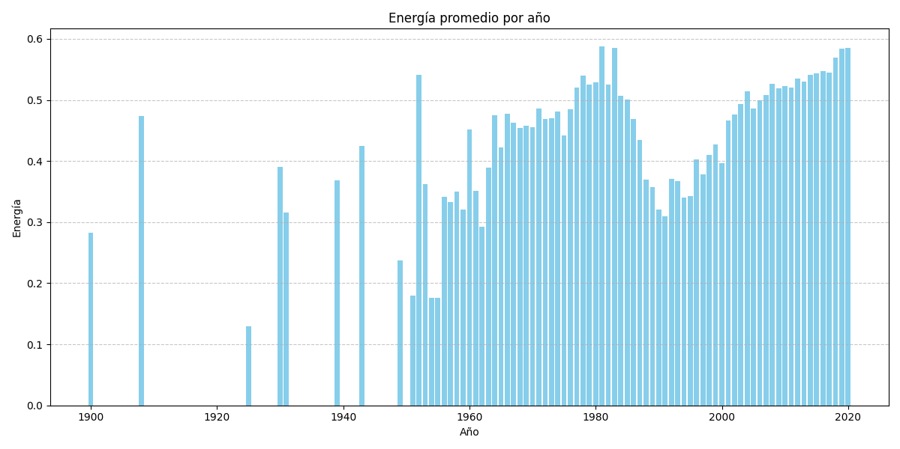
year | energy
1900 | 0.28219285714
1908 | 0.47369473684
1925 | 0.129225
1930 | 0.391
1931 | 0.3154
1939 | 0.36875384615
1943 | 0.42425
1949 | 0.23717142857
1951 | 0.17923333333
1952 | 0.540875
1953 | 0.36255283019
1954 | 0.17583913043
1955 | 0.17586428571
1956 | 0.3409
1957 | 0.33325230769
1958 | 0.34987666667
1959 | 0.32112908676
1960 | 0.45135735294
1961 | 0.35133036697
1962 | 0.29225030303
1963 | 0.38941335616
1964 | 0.47448349515
1965 | 0.42271753425
1966 | 0.47686
1967 | 0.4630620462
1968 | 0.45427470998
1969 | 0.45749599631
1970 | 0.45601480296
1971 | 0.48569041394
1972 | 0.46928628659
1973 | 0.47043941349
1974 | 0.48059414798
1975 | 0.44223504412
1976 | 0.48451478537
1977 | 0.52050662021
1978 | 0.53950723485
1979 | 0.52580786561
1980 | 0.52922305389
1981 | 0.58793576562
1982 | 0.52520922057
1983 | 0.58560541761
1984 | 0.50731542496
1985 | 0.50022830963
1986 | 0.46916438824
1987 | 0.43427139556
1988 | 0.36916534556
1989 | 0.35742877033
1990 | 0.32054821247
1991 | 0.30908933004
1992 | 0.37066400237
1993 | 0.36673818906
1994 | 0.34048148167
1995 | 0.342366536
1996 | 0.40255480903
1997 | 0.37771437377
1998 | 0.41045126656
1999 | 0.4268017243
2000 | 0.39662312747
2001 | 0.46607814031
2002 | 0.47657099669
2003 | 0.49288926344
2004 | 0.51479213598
2005 | 0.48608161729
2006 | 0.49980237325
2007 | 0.50779394259
2008 | 0.52642064508
2009 | 0.51859502656
2010 | 0.52267854084
2011 | 0.52035605052
2012 | 0.5354747844
2013 | 0.5304537651
2014 | 0.54084684161
2015 | 0.54311109402
2016 | 0.54747512347
2017 | 0.54537589347
2018 | 0.5695751533
2019 | 0.58465519941
2020 | 0.58513498914

Lanzamientos
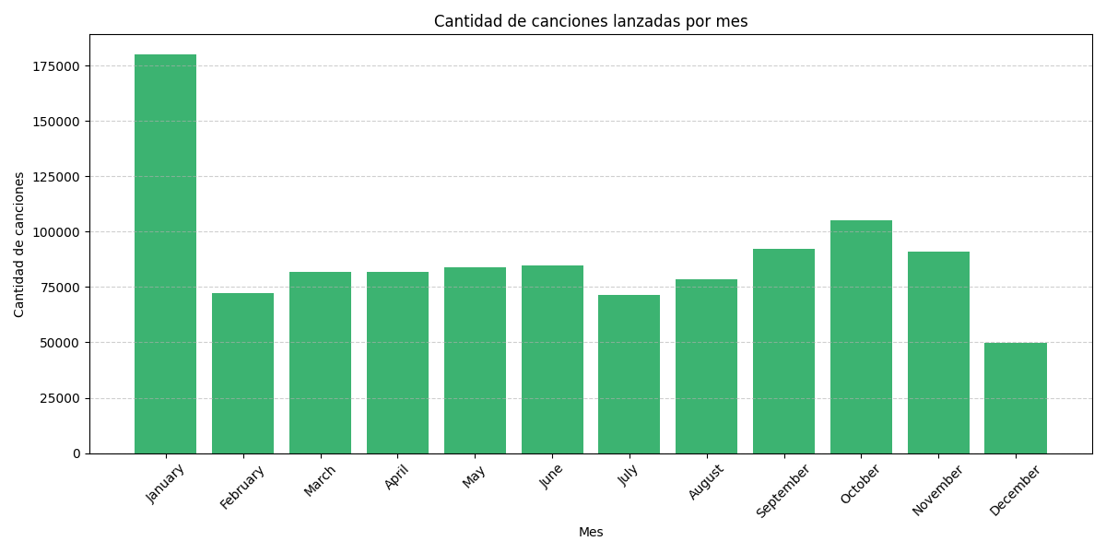
mes_numero | mes_nombre | cantidad
1 | January | 180163
2 | February | 72137
3 | March | 81769
4 | April | 81931
5 | May | 83914
6 | June | 84887
7 | July | 71300
8 | August | 78624
9 | September | 92185
10 | October | 105335
11 | November | 90814
12 | December | 49767

Top 3 Meses
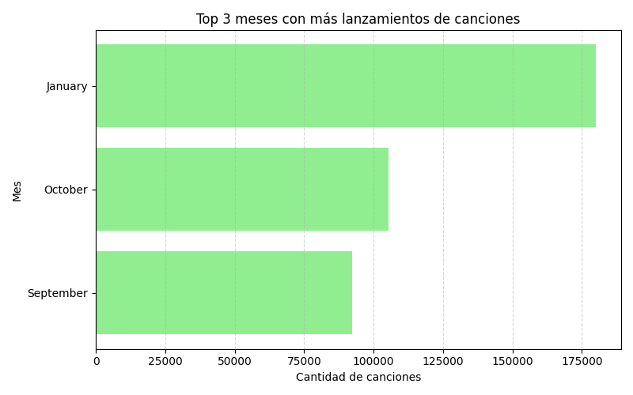
mes_numero | mes_nombre | cantidad
9 | September | 92185
10 | October | 105335
1 | January | 180163

Explicitas
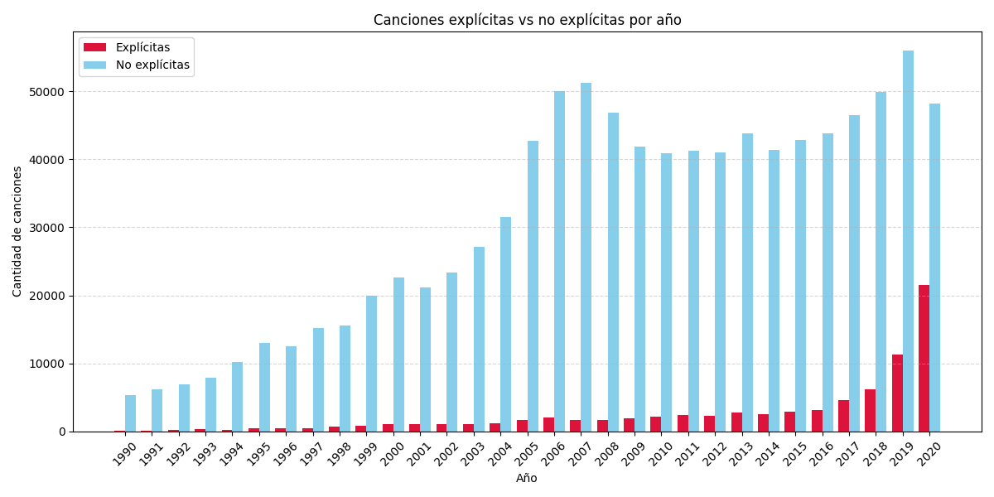
explícitas | no_explícitas
136 | 5286
73 | 6146
265 | 6905
282 | 7902
209 | 10247
455 | 13000
508 | 12549
424 | 15185
737 | 15568
815 | 19891
1049 | 22591
1006 | 21135
1066 | 23318
1014 | 27185
1194 | 31509
1677 | 42673
2046 | 50046
1611 | 51236
1731 | 46800
1915 | 41859
2218 | 40918
2420 | 41199
2297 | 41040
2769 | 43817
2530 | 41387
2935 | 42812
3192 | 43863
4543 | 46438
6133 | 49952
11249 | 56014
21488 | 48226

