Sheet1
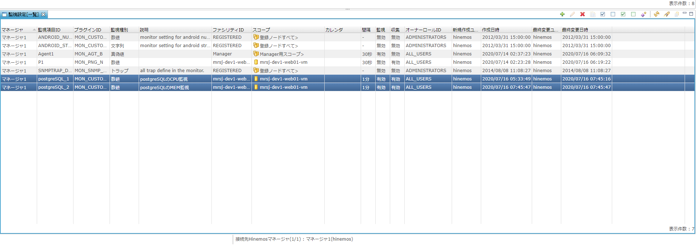
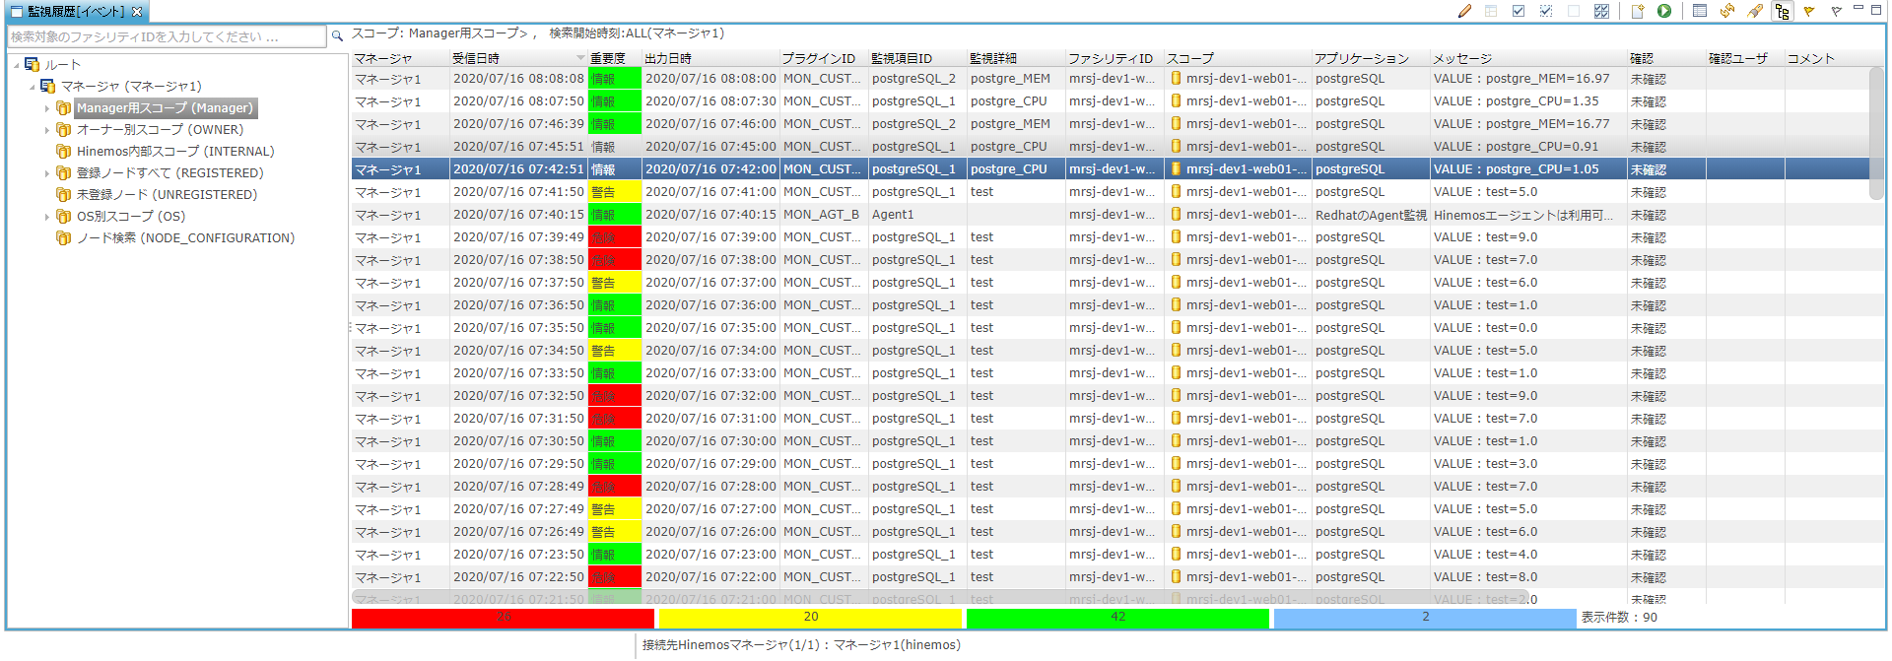
pg_mem_mon.sh
echo "postgre_MEM,`az monitor metrics list --resource /subscriptions/439e2f0e-54b8-460e-92dd-4e1f3808417c/resourceGroups/diverta-test/providers/Microsoft.DBforPostgreSQL/servers/diverta-test-postgresql --metric memory_percent --interval PT1M --query value[0].timeseries[0].data[1].average`"

pg_cpu_mon.sh
echo "postgre_CPU,`az monitor metrics list --resource /subscriptions/439e2f0e-54b8-460e-92dd-4e1f3808417c/resourceGroups/diverta-test/providers/Microsoft.DBforPostgreSQL/servers/diverta-test-postgresql --metric cpu_percent --interval PT1M --query value[0].timeseries[0].data[1].average`"

