DayBed Problem

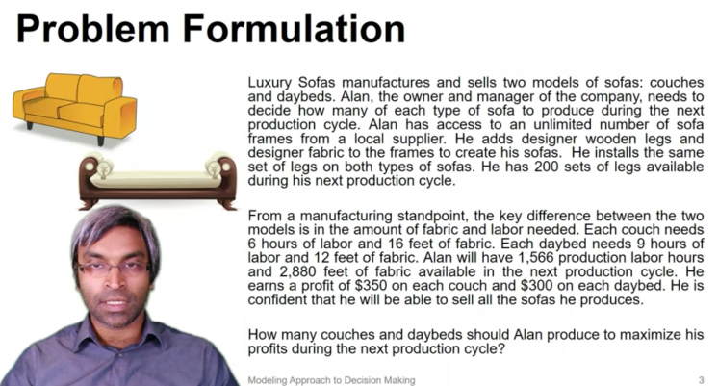

Luxury Sofa LLC

 | Couches | Daybeds
Numbers to Make | 120 | 80

 |  |  |  | Total Profit
Unit Profit | $350 | $300 |  | $66,000 | * Solved using excel solver

Raw Materials |  |  | Used |  | Available
Sets of legs | 1 | 1 | 200 | <= | 200
Labor | 6 | 9 | 1440 | <= | 1566
Fabric | 16 | 12 | 2880 | <= | 2880

Taken from -> | https://www.coursera.org/learn/optimization-for-decision-making?specialization=analytics-for-decision-making
 | https://www.coursera.org/learn/optimization-for-decision-making/lecture/y2BEO/optimal-solution-with-excel-solver-example-1

Brewery example
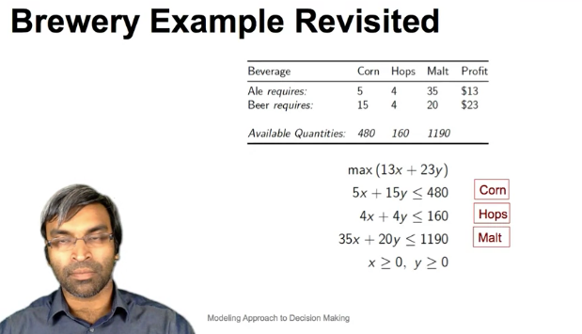

 | Ale | Beer |  | Profit
# Units Produced | 12 | 28 |  | 800
Profit Per unit | $13 | $23

Constraints / Materials |  |  | Used |  | max
Corn | 5 | 15 | 480 | <= | 480
Beer | 4 | 4 | 160 | <= | 160
Malt | 35 | 20 | 980 | <= | 1190

