Hoja 1
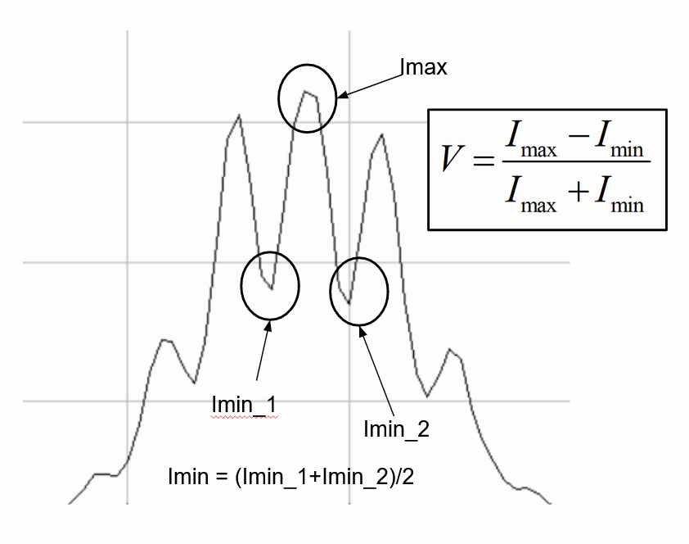
 |  | En función de línea base
...
 | usadas |  |  | ESTRELLA | Imax | Imin_1 | Imin_2 | Imin | V
V teórica | ok | 8Betelgeuse0012 Bx3 Halfa35nm INT-C-50mm_F_D51mm-L147mm(C) 1s19s Gmax 17-03-15 21-41-53 | 1 | BETELGEUSE | 61586 | 13387 | 12917 | 13152 | 0.64805052316
...
 | ok (x4) | 9Betelgeuse0014 Bx3 Halfa35nm INT-4x-30mm(L+C)_B4x_D30mm-L238mm-C133mm 1s13s Gmax 17-03-15 21-51-31 | 2 | BETELGEUSE | 52916 | 17439 | 17726 | 17582.5 | 0.50119506089
...
 | ok | 10Betelgeuse0016 Bx3 Halfa35nm INT-L-30mm_B_D30mm-L238mm 0.3s Gmax17-03-15 22-01-11 | 3 | BETELGEUSE | 56681 | 28968 | 29644 | 29306 | 0.31836207799
 |  | 11Betelgeuse0017 Bx3 Halfa35nm INT-C-30mm_B_D30mm-L133mm(C) 0.3s Gmax 17-03-15 22-05-53 | 4 | BETELGEUSE | 48445 | 32207 | 31769 | 31988 | 0.20460507503
...
 |  | 24Gamma Leo0003 Bx3 Halfa 35nm F _D51mm-L147mm 17-04-07 23-00-37_g4_ap11_conv-P - A | 5 | GAMMA LEO A | 177.22 | 152 | 152 | 152 | 0.076605309519
 |  | 24Gamma Leo0003 Bx3 Halfa 35nm F 17-04-07 23-00-37_g4_ap11_conv - A | 7 | GAMMA LEO A | 36035 | 33135 | 33135 | 33135 | 0.041925690328

 |  | 24Gamma Leo0003 Bx3 Halfa 35nm F _D51mm-L147mm 17-04-07 23-00-37_g4_ap11_conv-P - B | 6 | GAMMA LEO B | 62.07 | 38.6 | 29.2 | 33.9 | 0.29352922788
 |  | 24Gamma Leo0003 Bx3 Halfa 35nm F 17-04-07 23-00-37_g4_ap11_conv - B | 8 | GAMMA LEO B | 13230 | 9243 | 9243 | 9243 | 0.17741289547
...
 |  | 4Rigel0002 Bx3 Halfa7nm Inter E_D50mm-L222mm_0.424s Gmax 17-03-15 20-38-22 | #REF! | RIGEL | 38000 | 29825 | 32391 | 31108 | 0.09972796203
...
 |  | 6Rigel0008 Bx3 Halfa35nm INT-C-50mm _ F_D51mm-L147mm(C) 1s19s Gmax 17-03-15 21-14-55 | #REF! | RIGEL | 31304 | 13075 | 11903 | 12489 | 0.42963487315
 |  | 7Rigel0009 Bx3 Halfa35nm INT-L-50mm_E_D51mm-L222mm(L) 1s8s Gmax 17-03-15 21-19-47 | #REF! | RIGEL | 47853 | 37429 | 35508 | 36468.5 | 0.13501301566

 |  | 13Rigel0004 Bx3 Halfa35nm C51mm 1s13s Gmax 17-03-23 20-46-30 | #REF! | RIGEL | 64585 | 34049 | 46012 | 40030.5 | 0.23471187348
...
 | ok | 1Sirio0005 Bx3 Halfa 7 nm Inter1_I_D22mm-L220mm_2.4s Gmax 17-03-10 20-48-51 | 13 | SIRIO | 30252 | 24617 | 24428 | 24522.5 | 0.10460159381
 |  | 2Sirio0007 Bx3 Halfa 7 nm Inter2_H_D22mm-L158mm_2.4s Gmax 17-03-10 20-54-18 | 14 | SIRIO | 31006 | 28137 | 28633 | 28385 | 0.04413126568
...
 |  | 23Sirio0007 Bx3 Hbeta8.5nm LamA-90mm_A_D90mm-L187mm 17-03-29 21-51-23_g4_ap8_Drizzle15 | 27 | SIRIO | 44745 | 32157 | 35200 | 33678.5 | 0.14111203912 |  | 0.187 | 0 | 0.13963505949
 |  |  |  |  |  |  |  |  |  |  |  |  |  |  |  | 0.22 | 0.094463463015 | 0.10582177963 | 0.00012901135631 | 1.00E-08 | 0.10582179357
 |  |  |  |  |  |  |  |  |  |  |  | Esta es la teorica |  |  | Esta es la teorica | 0.238 | 0.015108305044 | 0.077262199509 | 0.0038631065972 |  | 0.077262211114
 |  |  | orden table |  | n |  | V | B | r0 minimos (intensidad | r0 despejando | Hay que cambiar ro hasta que se ajuste |  |  | Hay que cambiar ro hasta que se ajuste |  | 0.205 | 0.13837889132 | 0.13579384803 | 6.6824487876E-06 |  | 0.13579386394
 |  |  | 1 |  | 8 | Betelgeuse | 0.6412 | 0.147 | 0.4371 | 0.5019 | 0 | 1 |  | 0 | 1 | 0.187 | 0.22659067374 | 0.1803118765 | 0.0021417270747 |  | 0.18031189461
 |  |  | 2 |  | 10 | Betelgeuse | 0.3226 | 0.238 | 0.4510 | 0.4638 | 0.01 | 0.98708132607 |  | 0.01 | 0.99455816933
 |  |  | 1 |  | 1 | Sirio | 0.0945 | 0.22 | 0.2347 | 0.2758 | 0.02 | 0.95955901263 |  | 0.02 | 0.98282528098
 |  |  | 3 |  | 14 | Sirio | 0.0151 | 0.238 | 0.1927 | 0.2114 | 0.03 | 0.92206364638 |  | 0.03 | 0.96652208863 |  |  | Error total: | 0.006140527477
 |  |  | 2 |  | 21 | Sirio | 0.1384 | 0.205 | 0.0104 | 0.2857 | 0.04 | 0.87716472878 |  | 0.04 | 0.94648514552 |  |  | desv est | 0.045242043415
 |  |  | 4 | no la 23, la 22!!! | 22 | Sirio | 0.2266 | 0.187 | 0.1801 | 0.3096 | 0.05 | 0.82687416208 |  | 0.05 | 0.92332193638
 |  |  |  |  |  |  |  |  |  |  | 0.06 | 0.77289915101 |  | 0.06 | 0.89753282311
Sirio
Betelgeuse
0 | 1 | 0.147 | 0.6412
0.01 | 0.99455816933 | 0.238 | 0.3226
0.02 | 0.98282528098
0.03 | 0.96652208863
0.04 | 0.94648514552
0.05 | 0.92332193638
0.06 | 0.89753282311
0.07 | 0.86955480799
0.08 | 0.83978100968
0.09 | 0.80857034963
0.1 | 0.7762526923
0.11 | 0.74313169715
0.12 | 0.70948647387
0.13 | 0.67557261333
0.14 | 0.64162291101
0.15 | 0.60784796415
0.16 | 0.57443674746
0.17 | 0.54155722667
0.18 | 0.50935704144
0.19 | 0.47796427132
0.2 | 0.44748828711
0.21 | 0.41802068269
0.22 | 0.38963627766
0.23 | 0.3623941785
0.24 | 0.33633888427
0.25 | 0.31150142247
0.26 | 0.28790050081
0.27 | 0.26554366108
0.28 | 0.24442842228
0.29 | 0.22454340162
0.3 | 0.20586940278
0.31 | 0.18838046274
0.32 | 0.17204484964
 | 0.15682600555
 | 0.14268342956
 | 0.12957349776
 | 0.11745021795
 | 0.10626591801
 |  |  |  |  |  |  |  |  |  |  | 0.07 | 0.71672022785 |  | 0.07 | 0.86955480799
Esta es la teorica frente a Hay que cambiar ro hasta que se ajuste
 |  |  |  |  |  |  |  |  |  |  | 0.08 | 0.65962020101 |  | 0.08 | 0.83978100968
 |  |  |  |  |  |  |  |  |  |  | 0.09 | 0.60269717057 |  | 0.09 | 0.80857034963
 |  |  |  |  |  |  |  |  |  |  | 0.1 | 0.54687302442 |  | 0.1 | 0.7762526923
 |  |  |  |  |  |  |  |  |  |  | 0.11 | 0.49290179151 |  | 0.11 | 0.74313169715 |  |  |  |  |  | En cm:
 |  |  |  |  |  |  |  |  |  |  | 0.12 | 0.44137946721 |  | 0.12 | 0.70948647387 |  |  |  |  | r0_Sirio | 28.4
 |  |  |  |  |  |  |  |  |  |  | 0.13 | 0.39275570505 |  | 0.13 | 0.67557261333
 |  |  |  |  |  |  |  |  |  |  | 0.14 | 0.3473471993 |  | 0.14 | 0.64162291101
 |  |  |  |  |  |  |  |  |  |  | 0.15 | 0.30535232303 |  | 0.15 | 0.60784796415
 |  |  |  |  |  |  |  |  |  |  | 0.16 | 0.26686649055 |  | 0.16 | 0.57443674746
 |  |  |  |  |  |  |  |  |  |  | 0.17 | 0.23189770827 |  | 0.17 | 0.54155722667
 |  |  |  |  |  |  |  |  |  |  | 0.18 | 0.20038182474 |  | 0.18 | 0.50935704144
 |  |  |  |  |  |  |  |  |  |  | 0.19 | 0.17219706613 |  | 0.19 | 0.47796427132
 |  |  |  |  |  |  |  |  |  |  | 0.2 | 0.14717753112 |  | 0.2 | 0.44748828711
 |  |  |  |  |  |  |  |  |  |  | 0.21 | 0.12512541001 |  | 0.21 | 0.41802068269
 |  |  |  |  |  |  |  |  |  |  | 0.22 | 0.10582177963 |  | 0.22 | 0.38963627766
 |  |  |  |  |  |  |  |  |  |  | 0.23 | 0.089035903317 |  | 0.23 | 0.3623941785
 |  |  |  |  |  |  |  |  |  |  | 0.24 | 0.074533032337 |  | 0.24 | 0.33633888427
 |  |  |  |  |  |  |  |  |  |  | 0.25 | 0.06208075915 |  | 0.25 | 0.31150142247
 |  |  |  |  |  |  |  |  |  |  | 0.26 | 0.051454014671 |  | 0.26 | 0.28790050081
 |  |  |  |  |  |  |  |  |  |  | 0.27 | 0.042438831155 |  | 0.27 | 0.26554366108
 |  |  |  |  |  |  |  |  |  |  | 0.28 | 0.034835010893 |  | 0.28 | 0.24442842228
 |  |  |  |  |  |  |  |  |  |  | 0.29 | 0.028457849986 |  | 0.29 | 0.22454340162
 |  |  |  |  |  |  |  |  |  |  | 0.3 | 0.023139067647 |  | 0.3 | 0.20586940278
 |  |  |  |  |  |  |  |  |  |  | 0.31 | 0.018727086504 |  | 0.31 | 0.18838046274
 |  |  |  |  |  |  |  |  |  |  | 0.32 | 0.015086799728 |  | 0.32 | 0.17204484964
 |  |  |  |  |  |  |  |  |  |  |  |  |  | 0.33 | 0.15682600555
 |  |  |  |  |  |  |  |  |  |  |  |  |  | 0.34 | 0.14268342956
 |  |  |  |  |  |  |  |  |  |  |  |  |  | 0.35 | 0.12957349776
 |  |  |  |  |  |  |  |  |  |  |  |  |  | 0.36 | 0.11745021795
...

