WebServer1-Avg Percentage CPU
Chart Title: Web Server 1 | Avg Percentage CPU
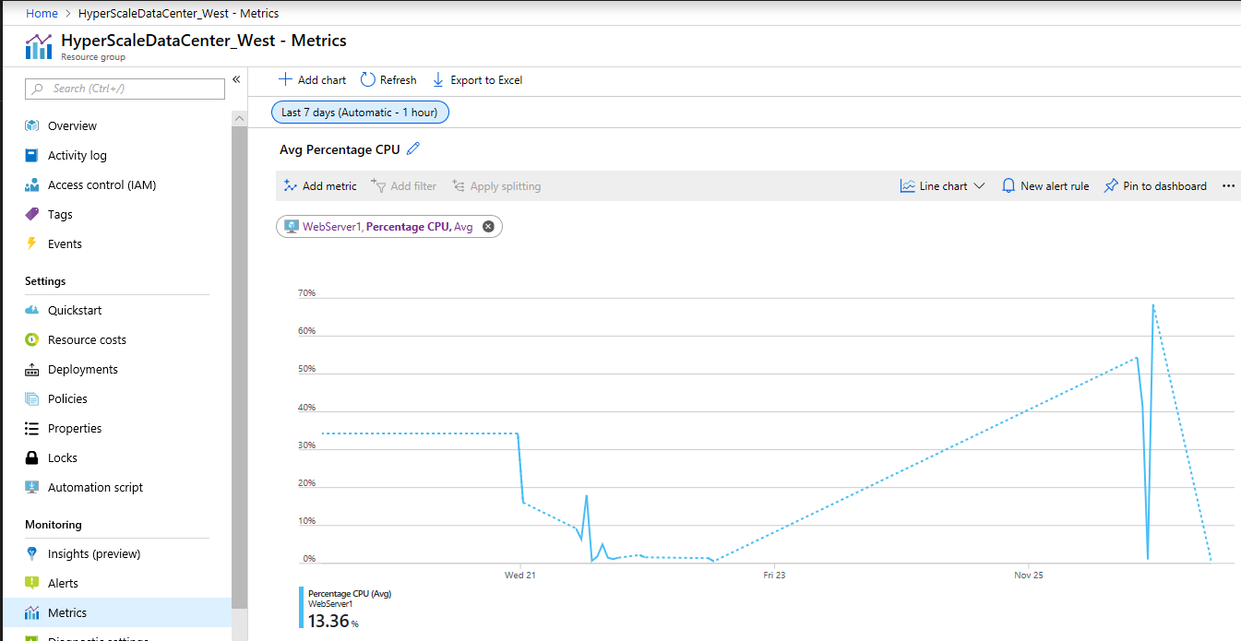
Mon Nov 19 2018 10:27:29 GMT-0800 (Pacific Standard Time)
Mon Nov 26 2018 10:27:29 GMT-0800 (Pacific Standard Time)
Grain: Automatic
Aggregation type: Avg
Grouping: None
Filters: None

 | WebServer1, Percentage CPU (Avg)
11/20/18 | 34.292666667
11/21/18 | 16.064545455
11/21/18 | 9.2066666667
11/21/18 | 6.3973451327
11/21/18 | 18.052956522
11/21/18 | 0.66932773109
11/21/18 | 1.773
11/21/18 | 5.009
11/21/18 | 1.5091596639
11/21/18 | 1.1087394958
11/21/18 | 1.5013636364
11/21/18 | 2.210989011
11/21/18 | 1.6008450704
11/22/18 | 1.3787368421
11/22/18 | 0.53144736842
11/25/18 | 54.37025
11/25/18 | 41.563416667
11/25/18 | 1.0174712644
11/25/18 | 68.383571429

WebServer2-Avg Percentage CPU
Chart Title: Web Server 2 | Avg Percentage CPU
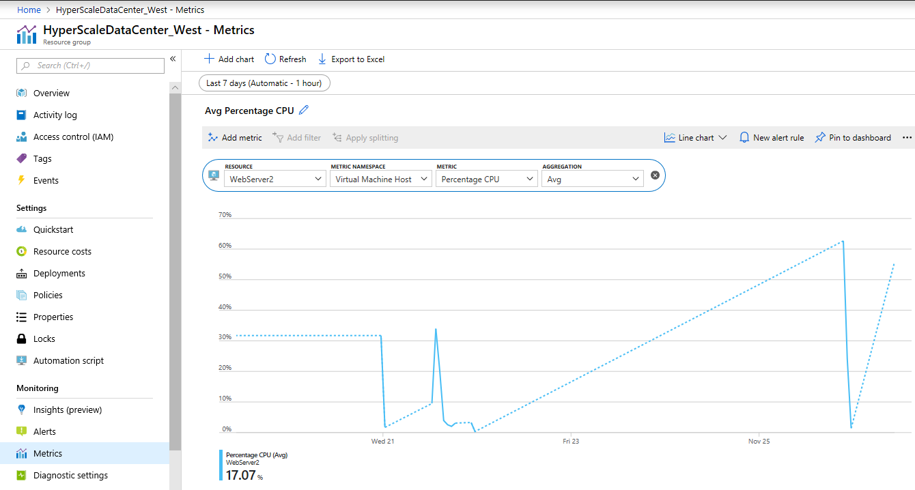
Mon Nov 19 2018 10:27:29 GMT-0800 (Pacific Standard Time)
Mon Nov 26 2018 10:27:29 GMT-0800 (Pacific Standard Time)
Grain: Automatic
Aggregation type: Avg
Grouping: None
Filters: None

 | WebServer2, Percentage CPU (Avg)
11/20/18 | 31.734583333
11/21/18 | 1.6854081633
11/21/18 | 9.5271428571
11/21/18 | 34.032068966
11/21/18 | 20.178275862
11/21/18 | 3.9392307692
11/21/18 | 2.5582352941
11/21/18 | 2.0220512821
11/21/18 | 3.0973333333
11/21/18 | 3.3026666667
11/21/18 | 0.32794520548
11/25/18 | 62.685825243
11/25/18 | 24.137815126
11/25/18 | 1.402278481

Database-Avg CPU percentage
Chart Title: Database | Avg CPU percentage
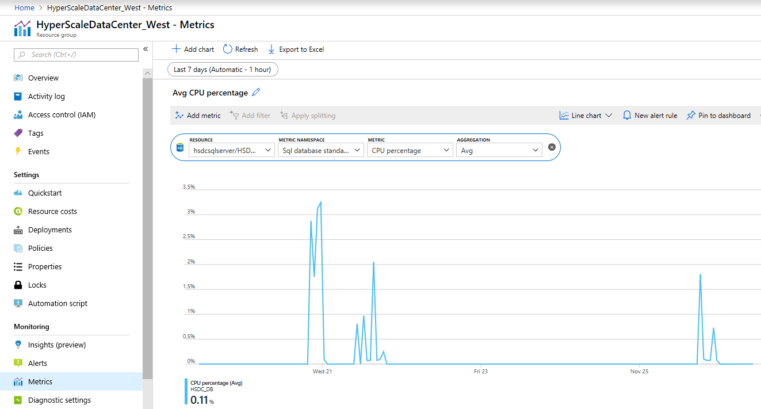
Mon Nov 19 2018 10:27:29 GMT-0800 (Pacific Standard Time)
Mon Nov 26 2018 10:27:29 GMT-0800 (Pacific Standard Time)
Grain: Automatic
Aggregation type: Avg
Grouping: None
Filters: None

 | HSDC_DB, CPU percentage (Avg)
11/19/18 | 0
11/19/18 | 0
11/19/18 | 0
11/19/18 | 0
11/19/18 | 0
11/19/18 | 0
11/19/18 | 0
11/19/18 | 0
11/19/18 | 0
11/19/18 | 0
11/19/18 | 0
11/19/18 | 0
11/19/18 | 0
11/20/18 | 0
11/20/18 | 0
11/20/18 | 0
11/20/18 | 0
11/20/18 | 0
11/20/18 | 0
11/20/18 | 0
11/20/18 | 0
11/20/18 | 0
11/20/18 | 0
11/20/18 | 0
11/20/18 | 0
11/20/18 | 0
11/20/18 | 0
11/20/18 | 0
11/20/18 | 0
11/20/18 | 0
11/20/18 | 0
11/20/18 | 0
11/20/18 | 0
11/20/18 | 2.8754285714
11/20/18 | 1.7505
11/20/18 | 3.1228421053
11/20/18 | 3.24584
11/21/18 | 0.0915
11/21/18 | 0
11/21/18 | 0
11/21/18 | 0
11/21/18 | 0
11/21/18 | 0
11/21/18 | 0
11/21/18 | 0
11/21/18 | 0
11/21/18 | 0
11/21/18 | 0.813
11/21/18 | 0
11/21/18 | 0.97588888889
11/21/18 | 0.073
11/21/18 | 0.0732
11/21/18 | 2.05225
11/21/18 | 0.073
11/21/18 | 0.097666666667
11/21/18 | 0.24763636364
11/21/18 | 0
11/21/18 | 0
11/21/18 | 0
11/21/18 | 0
11/21/18 | 0
11/22/18 | 0
11/22/18 | 0
11/22/18 | 0
11/22/18 | 0
11/22/18 | 0
11/22/18 | 0
11/22/18 | 0
11/22/18 | 0
11/22/18 | 0
11/22/18 | 0
11/22/18 | 0
11/22/18 | 0
11/22/18 | 0
11/22/18 | 0
11/22/18 | 0
11/22/18 | 0
11/22/18 | 0
11/22/18 | 0
11/22/18 | 0
11/22/18 | 0
11/22/18 | 0
11/22/18 | 0
11/22/18 | 0
11/22/18 | 0
11/23/18 | 0
11/23/18 | 0
11/23/18 | 0
11/23/18 | 0
11/23/18 | 0
11/23/18 | 0
11/23/18 | 0
11/23/18 | 0
11/23/18 | 0
11/23/18 | 0
11/23/18 | 0
11/23/18 | 0
11/23/18 | 0
11/23/18 | 0
11/23/18 | 0
11/23/18 | 0
11/23/18 | 0
11/23/18 | 0
11/23/18 | 0
11/23/18 | 0
11/23/18 | 0
11/23/18 | 0
11/23/18 | 0
11/23/18 | 0
11/24/18 | 0
11/24/18 | 0
11/24/18 | 0
11/24/18 | 0
11/24/18 | 0
11/24/18 | 0
11/24/18 | 0
11/24/18 | 0
11/24/18 | 0
11/24/18 | 0
11/24/18 | 0
11/24/18 | 0
11/24/18 | 0
11/24/18 | 0
11/24/18 | 0
11/24/18 | 0
11/24/18 | 0
11/24/18 | 0
11/24/18 | 0
11/24/18 | 0
11/24/18 | 0
11/24/18 | 0
11/24/18 | 0
11/24/18 | 0
11/25/18 | 0
11/25/18 | 0
11/25/18 | 0
11/25/18 | 0
11/25/18 | 0
11/25/18 | 0
11/25/18 | 0
11/25/18 | 0
11/25/18 | 0
11/25/18 | 0
11/25/18 | 0
11/25/18 | 0
11/25/18 | 0
11/25/18 | 0
11/25/18 | 0
11/25/18 | 0
11/25/18 | 0
11/25/18 | 0
11/25/18 | 1.809
11/25/18 | 0.097666666667
11/25/18 | 0.07325
11/25/18 | 0.073
11/25/18 | 0.73227272727
11/25/18 | 0.073
11/26/18 | 0
11/26/18 | 0
11/26/18 | 0
11/26/18 | 0
11/26/18 | 0
11/26/18 | 0
11/26/18 | 0
11/26/18 | 0
11/26/18 | 0
11/26/18 | 0

