ByCategory
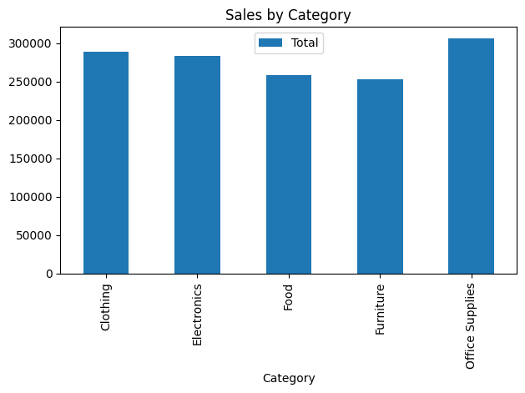
Category | Total | Average | Transactions
Clothing | 288607.4 | 1300.0333333 | 222
Electronics | 283293.15 | 1467.8401554 | 193
Food | 258545.98 | 1428.4308287 | 181
Furniture | 252355.89 | 1328.1888947 | 190
Office Supplies | 305613.58 | 1428.1008411 | 214

ByDay
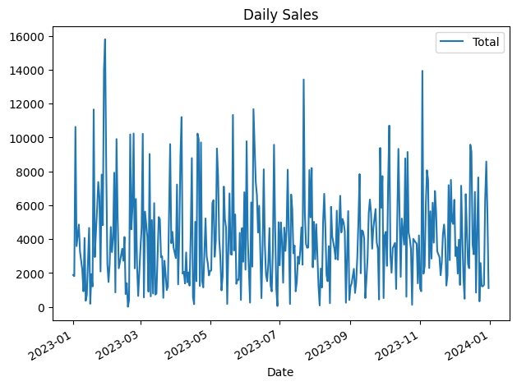
Date | Total | Transactions
2023-01-01 | 1880.61 | 2
2023-01-02 | 1812.37 | 1
2023-01-03 | 10624.23 | 6
2023-01-04 | 3583.71 | 5
2023-01-06 | 4857.57 | 2
2023-01-07 | 3271.2 | 2
2023-01-09 | 2182.8 | 1
2023-01-10 | 916.66 | 2
2023-01-11 | 4064.99 | 4
2023-01-12 | 358.05 | 1
2023-01-13 | 708.24 | 1
2023-01-14 | 2620.76 | 3
2023-01-15 | 4662.41 | 4
2023-01-16 | 180.84 | 1
2023-01-17 | 1933.12 | 1
2023-01-18 | 1206.24 | 1
2023-01-19 | 11653.8 | 4
2023-01-20 | 2937.42 | 3
2023-01-21 | 4459.86 | 2
2023-01-22 | 5784.23 | 4
2023-01-23 | 7370.98 | 3
2023-01-24 | 6505.81 | 4
2023-01-25 | 2085.24 | 1
2023-01-26 | 7809.02 | 4
2023-01-27 | 4821.55 | 3
2023-01-28 | 13991.38 | 5
2023-01-29 | 15793.28 | 8
2023-01-30 | 8182.73 | 3
2023-01-31 | 2515.64 | 2
2023-02-01 | 1467.3 | 2
2023-02-02 | 2530.49 | 3
2023-02-03 | 4712.32 | 2
2023-02-04 | 3233.56 | 2
2023-02-05 | 4051.57 | 3
2023-02-06 | 7917.3 | 4
2023-02-07 | 853.42 | 2
2023-02-08 | 9904.11 | 5
2023-02-09 | 5277.04 | 3
2023-02-10 | 2275.14 | 2
2023-02-13 | 3429.66 | 3
2023-02-14 | 2722.91 | 2
2023-02-15 | 4123.84 | 2
2023-02-16 | 756.61 | 2
2023-02-17 | 1397.61 | 1
2023-02-18 | 6.43 | 1
2023-02-19 | 409.86 | 1
2023-02-20 | 10180.32 | 5
2023-02-21 | 4574.08 | 6
2023-02-22 | 5898.56 | 3
2023-02-23 | 10231.97 | 6
2023-02-24 | 2271.45 | 2
2023-02-25 | 6366.64 | 2
2023-02-26 | 2428.73 | 2
2023-02-27 | 644.84 | 3
2023-03-01 | 3483.42 | 3
2023-03-02 | 4680.57 | 4
2023-03-03 | 10218.55 | 6
2023-03-04 | 559.24 | 2
2023-03-05 | 5622.72 | 5
2023-03-07 | 4130.89 | 4
2023-03-08 | 896.65 | 2
2023-03-09 | 9024.47 | 7
2023-03-10 | 618.51 | 2
2023-03-11 | 5122.29 | 4
2023-03-12 | 786.56 | 1
2023-03-13 | 6121.61 | 3
2023-03-14 | 720.86 | 2
2023-03-15 | 783.28 | 1
2023-03-16 | 2973.37 | 2
2023-03-17 | 5302.19 | 4
2023-03-18 | 5162.08 | 3
2023-03-19 | 2924.42 | 5
2023-03-20 | 2983.77 | 3
2023-03-21 | 530.88 | 1
2023-03-22 | 2723.4 | 1
2023-03-23 | 1937.32 | 2
2023-03-24 | 991.06 | 3
2023-03-25 | 1176.4 | 1
2023-03-27 | 9608.24 | 6
2023-03-28 | 3756.6 | 2
2023-03-29 | 4420.34 | 3
2023-03-30 | 3495.9 | 3
2023-04-01 | 2876.16 | 1
2023-04-02 | 7221.55 | 4
2023-04-03 | 1324.93 | 3
2023-04-04 | 4279.78 | 3
2023-04-05 | 8867.78 | 7
2023-04-06 | 11202.78 | 8
2023-04-07 | 1959.02 | 1
2023-04-08 | 2067.5 | 2
2023-04-09 | 1378.67 | 3
2023-04-10 | 3210.88 | 3
2023-04-11 | 1447.31 | 3
2023-04-12 | 2036.19 | 2
2023-04-13 | 1253.1 | 2
2023-04-14 | 4184 | 2
2023-04-15 | 8782.9 | 8
2023-04-16 | 566.2 | 3
2023-04-17 | 162.27 | 2
2023-04-18 | 5020.61 | 3
2023-04-19 | 1512.21 | 2
2023-04-20 | 10226.61 | 8
2023-04-21 | 9890.81 | 5
2023-04-22 | 1229.08 | 2
2023-04-23 | 9708.7 | 7
2023-04-24 | 1528.45 | 1
2023-04-25 | 1147.21 | 3
2023-04-26 | 3186.9 | 4
2023-04-27 | 5220.46 | 2
2023-04-28 | 2983.16 | 2
2023-04-29 | 2558 | 1
2023-04-30 | 1855.28 | 2
2023-05-01 | 2127.9 | 1
2023-05-02 | 2147.1 | 3
2023-05-03 | 6124.54 | 5
2023-05-04 | 6301.52 | 5
2023-05-05 | 2954.48 | 2
2023-05-06 | 3892.7 | 1
2023-05-07 | 9343.23 | 4
2023-05-08 | 7707.59 | 4
2023-05-09 | 3991.16 | 4
2023-05-10 | 2887.47 | 2
2023-05-11 | 973.41 | 4
2023-05-12 | 1807.9 | 1
2023-05-13 | 7099.7 | 4
2023-05-14 | 5163.55 | 4
2023-05-15 | 4667.69 | 3
2023-05-16 | 173.95 | 2
2023-05-18 | 6696.37 | 3
2023-05-19 | 3110.59 | 1
2023-05-20 | 3084.02 | 4
2023-05-21 | 11331.09 | 5
2023-05-22 | 3327.81 | 3
2023-05-23 | 5451.4 | 5
2023-05-24 | 1361.78 | 2
2023-05-25 | 1597.82 | 2
2023-05-26 | 1591.29 | 2
2023-05-27 | 4370.76 | 4
2023-05-28 | 405.94 | 2
2023-05-29 | 4648.79 | 2
2023-05-30 | 2660.7 | 1
2023-05-31 | 6766.23 | 7
2023-06-01 | 2196.2 | 1
2023-06-02 | 9773.97 | 5
2023-06-03 | 4001.2 | 1
2023-06-05 | 250.46 | 2
2023-06-06 | 6164.31 | 4
2023-06-07 | 2373.73 | 3
2023-06-08 | 11670.13 | 6
2023-06-10 | 7373.14 | 3
2023-06-11 | 6612.66 | 3
2023-06-12 | 4383.08 | 3
2023-06-13 | 5969.44 | 3
2023-06-15 | 514.41 | 2
2023-06-16 | 3577.53 | 3
2023-06-17 | 8121.64 | 5
2023-06-18 | 3646.17 | 1
2023-06-19 | 1875.6 | 1
2023-06-20 | 1513.48 | 4
2023-06-21 | 2572.38 | 3
2023-06-22 | 4652.21 | 3
2023-06-23 | 1263.77 | 2
2023-06-24 | 914.96 | 2
2023-06-25 | 3341.88 | 3
2023-06-26 | 9569.61 | 4
2023-06-27 | 4573.43 | 3
2023-06-28 | 1061.36 | 2
2023-06-29 | 50.77 | 1
2023-06-30 | 4994.89 | 2
2023-07-01 | 2451.16 | 3
2023-07-02 | 4986.4 | 3
2023-07-03 | 3844.38 | 2
2023-07-04 | 1424.15 | 3
2023-07-05 | 4678.3 | 4
2023-07-06 | 3306.82 | 5
2023-07-07 | 4541.12 | 5
2023-07-08 | 8097.62 | 4
2023-07-10 | 169.3 | 1
2023-07-11 | 6630.18 | 4
2023-07-12 | 5778.44 | 4
2023-07-13 | 3161.47 | 3
2023-07-14 | 3615.48 | 3
2023-07-15 | 913.5 | 1
2023-07-16 | 1488.55 | 3
2023-07-17 | 2964.5 | 1
2023-07-18 | 2536.84 | 4
2023-07-19 | 3331.1 | 1
2023-07-20 | 4689 | 3
2023-07-21 | 2489.92 | 2
2023-07-22 | 13422.73 | 6
2023-07-23 | 5592.06 | 3
2023-07-24 | 3717.76 | 2
2023-07-25 | 3488.5 | 2
2023-07-26 | 3504.51 | 3
2023-07-27 | 8073.87 | 5
2023-07-28 | 5282.19 | 4
2023-07-29 | 8194.68 | 3
2023-07-30 | 2337.36 | 1
2023-07-31 | 5019.37 | 3
2023-08-01 | 2810.64 | 3
2023-08-02 | 4875.26 | 2
2023-08-04 | 1209.54 | 1
2023-08-05 | 82.95 | 1
2023-08-06 | 2261.37 | 2
2023-08-07 | 1142.15 | 2
2023-08-08 | 5011.31 | 4
2023-08-09 | 6674.56 | 3
2023-08-10 | 4669.86 | 4
2023-08-11 | 1879.23 | 3
2023-08-12 | 1515.36 | 1
2023-08-13 | 3583.87 | 3
2023-08-14 | 213.39 | 1
2023-08-15 | 5906.57 | 3
2023-08-16 | 4172.22 | 3
2023-08-18 | 3391.41 | 3
2023-08-19 | 2820.06 | 3
2023-08-20 | 5678.52 | 2
2023-08-21 | 2778.34 | 2
2023-08-23 | 6555.19 | 3
2023-08-24 | 4390.94 | 4
2023-08-25 | 5188.33 | 3
2023-08-26 | 4979.76 | 3
2023-08-27 | 4470.72 | 4
2023-08-28 | 243.56 | 1
2023-08-30 | 5654.51 | 3
2023-08-31 | 408.37 | 1
2023-09-01 | 1182.22 | 2
2023-09-02 | 1384.92 | 1
2023-09-04 | 2242.32 | 2
2023-09-05 | 822 | 1
2023-09-06 | 1467.62 | 3
2023-09-07 | 2974.53 | 5
2023-09-08 | 5151.68 | 4
2023-09-09 | 7835.05 | 5
2023-09-10 | 1979.22 | 2
2023-09-11 | 4514.22 | 4
2023-09-12 | 4444.71 | 6
2023-09-13 | 4047.52 | 2
2023-09-14 | 519.12 | 1
2023-09-15 | 1638.51 | 2
2023-09-16 | 2907.32 | 3
2023-09-17 | 5529.77 | 4
2023-09-18 | 6336.98 | 4
2023-09-19 | 5561.67 | 4
2023-09-20 | 3431.68 | 2
2023-09-21 | 4646.53 | 4
2023-09-23 | 5772.43 | 3
2023-09-24 | 3811.52 | 3
2023-09-25 | 3429.4 | 3
2023-09-26 | 433.25 | 2
2023-09-27 | 9380.33 | 7
2023-09-28 | 5855.32 | 4
2023-09-29 | 7718.67 | 4
2023-09-30 | 517.5 | 1
2023-10-01 | 4229.64 | 3
2023-10-02 | 4427.13 | 2
2023-10-03 | 2419.85 | 2
2023-10-04 | 7371.16 | 5
2023-10-05 | 10702 | 4
2023-10-06 | 3053.1 | 4
2023-10-07 | 2017.91 | 4
2023-10-08 | 3462.84 | 3
2023-10-10 | 3775.26 | 3
2023-10-11 | 1056.15 | 1
2023-10-13 | 9325.49 | 4
2023-10-14 | 5420.77 | 4
2023-10-15 | 1769.7 | 2
2023-10-16 | 5211.36 | 4
2023-10-18 | 3672.19 | 2
2023-10-19 | 8765.89 | 5
2023-10-20 | 596.92 | 1
2023-10-21 | 9143.46 | 6
2023-10-22 | 4370.81 | 4
2023-10-23 | 4001.94 | 3
2023-10-24 | 3409.12 | 2
2023-10-25 | 124.44 | 1
2023-10-26 | 4018.05 | 3
2023-10-28 | 3806.02 | 3
2023-10-29 | 3734.94 | 3
2023-10-30 | 1389.76 | 3
2023-10-31 | 4217.68 | 3
2023-11-01 | 1082.37 | 1
2023-11-02 | 921.26 | 1
2023-11-03 | 13930.79 | 4
2023-11-04 | 1956.01 | 3
2023-11-05 | 2394.8 | 1
2023-11-06 | 5988.91 | 6
2023-11-07 | 8062.91 | 4
2023-11-08 | 7481.92 | 2
2023-11-09 | 2290.13 | 4
2023-11-10 | 5642.3 | 2
2023-11-11 | 2849.58 | 3
2023-11-12 | 6146.67 | 3
2023-11-13 | 3788.33 | 4
2023-11-14 | 6840.04 | 4
2023-11-15 | 5628.88 | 3
2023-11-16 | 3281.7 | 2
2023-11-18 | 2930.06 | 3
2023-11-19 | 1864.4 | 3
2023-11-20 | 2615.89 | 3
2023-11-21 | 4282.73 | 3
2023-11-22 | 4861.45 | 3
2023-11-23 | 3991.94 | 2
2023-11-24 | 1257.12 | 1
2023-11-25 | 1876.82 | 3
2023-11-26 | 7185.92 | 6
2023-11-27 | 2755.25 | 2
2023-11-28 | 7496.67 | 5
2023-11-29 | 5041.78 | 2
2023-11-30 | 4893.22 | 5
2023-12-01 | 6320.98 | 4
2023-12-02 | 2995.29 | 1
2023-12-03 | 3535.66 | 2
2023-12-04 | 1962.52 | 3
2023-12-05 | 3968.28 | 1
2023-12-06 | 1293.04 | 2
2023-12-07 | 7152.44 | 3
2023-12-08 | 4130.82 | 2
2023-12-09 | 1708.52 | 2
2023-12-10 | 478.25 | 1
2023-12-11 | 6655.15 | 3
2023-12-12 | 4456.9 | 4
2023-12-13 | 2521.87 | 4
2023-12-14 | 2281.72 | 2
2023-12-15 | 9575.23 | 4
2023-12-16 | 9155.07 | 5
2023-12-17 | 3684.35 | 2
2023-12-18 | 3105.06 | 3
2023-12-19 | 6787.11 | 3
2023-12-20 | 841.08 | 1
2023-12-21 | 4547.5 | 4
2023-12-22 | 7642.78 | 3
2023-12-23 | 321.03 | 1
2023-12-24 | 2584.62 | 2
2023-12-25 | 1218.57 | 2
2023-12-26 | 1214.04 | 1
2023-12-27 | 1294.08 | 1
2023-12-28 | 6318.18 | 5
2023-12-29 | 8577.76 | 3
2023-12-30 | 5447.95 | 2
2023-12-31 | 1105.98 | 2

ByRegion
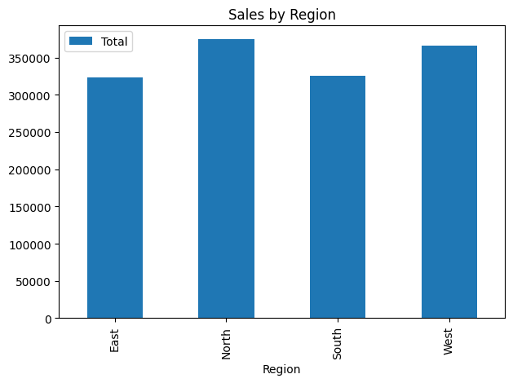
Region | Total | Average | Transactions
East | 322880.59 | 1403.8286522 | 230
North | 374263.41 | 1396.5052612 | 268
South | 325158.99 | 1321.7845122 | 246
West | 366113.01 | 1430.1289453 | 256

BySalesRep
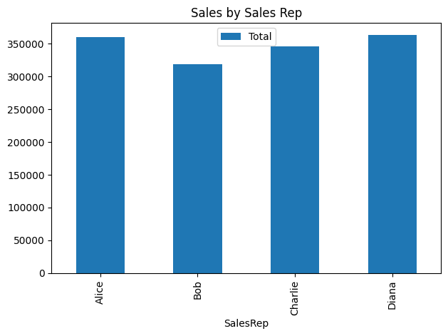
SalesRep | Total | Average | Transactions
Alice | 360182.85 | 1423.6476285 | 253
Bob | 318334.6 | 1396.204386 | 228
Charlie | 346431.41 | 1337.5730116 | 259
Diana | 363467.14 | 1397.9505385 | 260

