Errors
Note: In case error is not listed on this sheet, please check errors encountered in Karma-JS file.

1. tcs: command not found
Install typescript globally.
 | npm install --g typescript

2. Npm "npm ERR! Error: EPERM: operation not permitted" when installing Typescript globally
Run CMD in Administator mode then re-install typescript globally.

3. Errors "Cannot find name 'describe'." and "Cannot find name 'it'"
Install jasmine.
 | npm install --save-dev @types/jasmine
 | or
 | npm install --save-dev @types/mocha

4. Cannot find name 'assert'
Import "assert" on test code.
 | import assert = require('assert'); describe('function', function() { it('will do this', function() { ... ... }); });

5. Error: No provider for "framework:mocha"!
Install karma-mocha.
 | npm install --save-dev karma-mocha

6. Error: No provider for "framework:jasmine"!
Install karma-jasmine.
 | npm install --save-dev karma-jasmine

7. Tests are not executed when using Chrome (Executed 0 of 0 ERROR)

Tested both IE and Chrome.
Chrome: MIME type error
IE: OK
When browser (in this case, I used Chrome) is launched, click "DEBUG".
It will open a blank page on new tab. Open Chrome Developer Tools and on Console, check what causes the error.

Set mime property to karma.conf.js.
 | module.exports = function (config) { config.set({ ... mime: { "text/x-typescript": ["ts", "tsx"] }, ... }) }

8. Cannot find function "X"
In 'include' in tsconfig.json, specify all files to be included on test.

9. [When using enums] You need to include some adapter that implements __karma__.start method! (2)
???

10. SyntaxError: Cannot use import statement outside a module
Instead of import, use require.
import {sample} from "./sample.ts" > const sample = require("./sample.ts");

When error (require is undefined) occurs, install @types/node.
 | npm install --save-dev @types/node

11. Error: 'exports' is undefined
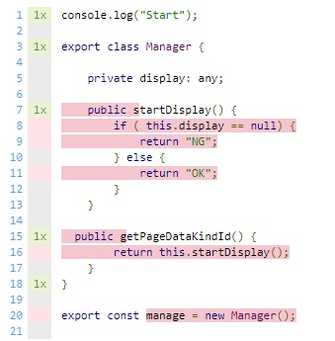
 | export default class YourClass { ... } module.exports = new YourClass;

