Sheet1
 | <Streamline Architecture Dataflow Chart> |  |  |  |  |  |  |  |  |  |  |  |  |  | Usage of BRAM port

 | Dataflow Information |  |  | depth (clk usage) | DSP Usage | input x (1 clk당) |  |  | input w (1 clk당) |  |  | output x (1 clk당) |  |  |  | 비고
 | Layers | 곱셈 연산량 | Modules |  |  | Bitwidth | vector length | flattened | Bitwidth | vector length | flattened | Bitwidth | vector length | flattened |  | 2클럭 걸쳐서
 | 0 Preprocessing |  | Binary Converter | 0 | 0 | 16 | 196 | 3136 |  |  |  | 1 | 784 | 784 | 3136 | 트리 4분할
 | 1st 784->64 | 50176 | GEMV Adder Tree | 256 | 0 | 1 | 196 | 196 | 16 | 196 | 3136 | 26 | 1 | 26 | 3136 | 1단계
 |  |  | slice (>>>0) |  |  | 26 | 1 | 26 |  | (784*64) |  | 26 | 1 | 26 |  | 수정
 |  |  | clip |  |  | 26 | 1 | 26 |  |  |  | 16 | 1 | 16
 |  |  | ReLU |  |  | 16 | 1 | 16 |  |  |  | 16 | 1 | 16
 | 1st Output Reg | 49.872773537 |  |  |  |  |  |  |  |  |  | 16 | 64 | 1024
pipeline | 2nd 64->256 | 16384 | GEMV Adder Tree | 256 | 64 | 16 | 64 | 1024 | 16 | 64 | 1024 | 38 | 1 | 38 | 1024
2 & 3 |  |  | slice (>>>7) |  |  | 38 | 1 | 38 |  | (64*256) |  | 30 | 1 | 30
 |  |  | clip |  |  | 30 | 1 | 30 |  |  |  | 16 | 1 | 16
 |  |  | ReLU |  |  | 16 | 1 | 16 |  |  |  | 16 | 1 | 16
 | 2nd Output Reg | 16.284987277 |  |  |  |  |  |  |  |  |  | 16 | 1 | 16
 | 3rd 256->128 | 32768 | GEMV MAC | - | 128 | 16 | 1 | 16 | 16 | 128 | 2048 | 32 | 128 | 4096 | 2048
 |  |  | slice (>>>8) |  |  | 32 | 128 | 4096 |  | (128*256) |  | 24 | 128 | 3072
 |  |  | clip |  |  | 24 | 128 | 3072 |  |  |  | 16 | 128 | 2048
 |  |  | ReLU |  |  | 16 | 128 | 2048 |  |  |  | 16 | 128 | 2048
 | 3rd Output Reg | 32.569974555 |  |  |  |  |  |  |  |  |  | 16 | 128 | 2048
zs | Final 128->10 | 1280 | GEMV MAC (ZS) | 128 | 10 | 16 | 1 | 16 | 16 | 10 | 160 | 32 | 10 | 320 | 160
 |  |  | slice (>>>8) |  |  | 32 | 10 | 320 |  | (10*128) |  | 24 | 10 | 240
 |  |  | clip |  |  | 24 | 10 | 240 |  |  |  | 16 | 10 | 160
 |  |  | ReLU |  |  | 16 | 10 | 160 |  |  |  | 16 | 10 | 160
 | Final Output | 1.272264631 |  |  |  |  |  |  |  |  |  | 16 | 10 | 160
 | Summary | 100608 |  | 640 | 202
 |  |  |  | (estimation) | /220
 | 이후 보드에 테스트해가며 효율화할 계획입니다.

 | Dataflow Information |  |  | depth (clk usage) | DSP Usage | input x (1 clk당) |  |  | input w (1 clk당) |  |  | output x (1 clk당)
 | Layers | 곱셈 연산량 | Modules |  |  | Bitwidth | vector length | flattened | Bitwidth | vector length | flattened | Bitwidth | vector length | flattened
 | 0 Preprocessing |  | Binary Converter | 128 | 0 | 16 | 784 | 12544 |  |  |  | 1 | 784 | 784
 | 1st 784->64 | 50176 | GEMV Adder Tree | 64 | 0 | 1 | 784 | 784 | 16 | 784 | 12544 | 26 | 1 | 26
 |  |  | slice (>>>0) |  |  | 26 | 1 | 26 |  | (784*64) |  | 18 | 1 | 18
 |  |  | clip |  |  | 18 | 1 | 18 |  |  |  | 16 | 1 | 16
 |  |  | ReLU |  |  | 16 | 1 | 16 |  |  |  | 16 | 1 | 16
 | 1st Output Reg | 49.872773537 |  |  |  |  |  |  |  |  |  | 16 | 64 | 1024
 | 2nd 64->256 | 16384 | GEMV MAC ZS | 256 | 64 | 16 | 64 | 1024 | 16 | 64 | 1024 | 38 | 1 | 38
 |  |  | slice (>>>8) |  |  | 38 | 1 | 38 |  | (64*256) |  | 30 | 1 | 30
 |  |  | clip |  |  | 30 | 1 | 30 |  |  |  | 16 | 1 | 16
 |  |  | ReLU |  |  | 16 | 1 | 16 |  |  |  | 16 | 1 | 16
 | 2nd Output Reg | 16.284987277 |  |  |  |  |  |  |  |  |  | 16 | 256 | 4096
 | 3rd 256->128 | 32768 | GEMV MAC | 256 | 128 | 16 | 1 | 16 | 16 | 128 | 2048 | 32 | 128 | 4096
 |  |  | slice (>>>8) |  |  | 32 | 128 | 4096 |  | (128*256) |  | 24 | 128 | 3072
 |  |  | clip |  |  | 24 | 128 | 3072 |  |  |  | 16 | 128 | 2048
 |  |  | ReLU |  |  | 16 | 128 | 2048 |  |  |  | 16 | 128 | 2048
 | 3rd Output Reg | 32.569974555 |  |  |  |  |  |  |  |  |  | 16 | 128 | 2048
 | Final 128->10 | 1280 | GEMV MAC | 128 | 10 | 16 | 1 | 16 | 16 | 10 | 160 | 32 | 10 | 320
 |  |  | slice (>>>8) |  |  | 32 | 10 | 320 |  | (10*128) |  | 24 | 10 | 240
 |  |  | clip |  |  | 24 | 10 | 240 |  |  |  | 16 | 10 | 160
 |  |  | ReLU |  |  | 16 | 10 | 160 |  |  |  | 16 | 10 | 160
 | Final Output | 1.272264631 |  |  |  |  |  |  |  |  |  | 16 | 10 | 160
 | Summary | 100608 |  | 832 | 202
 |  |  |  |  | /220
 |  |  |  |  | 73.333333333

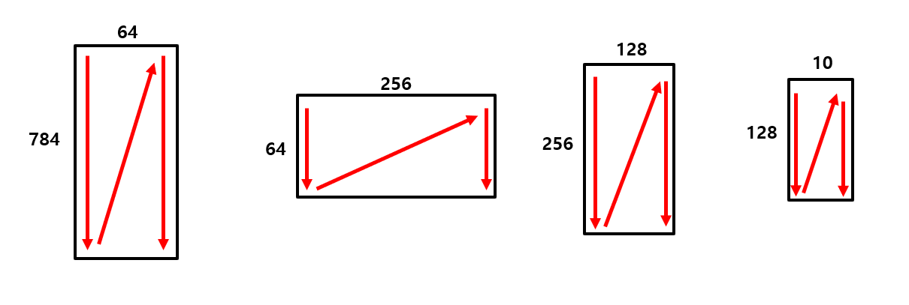

데이터 전부
input되는 데

