Sheet1
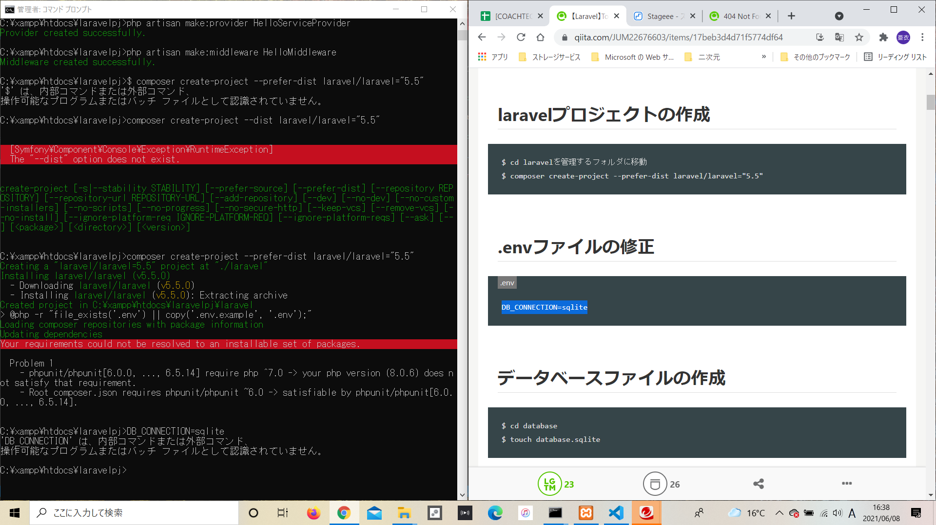

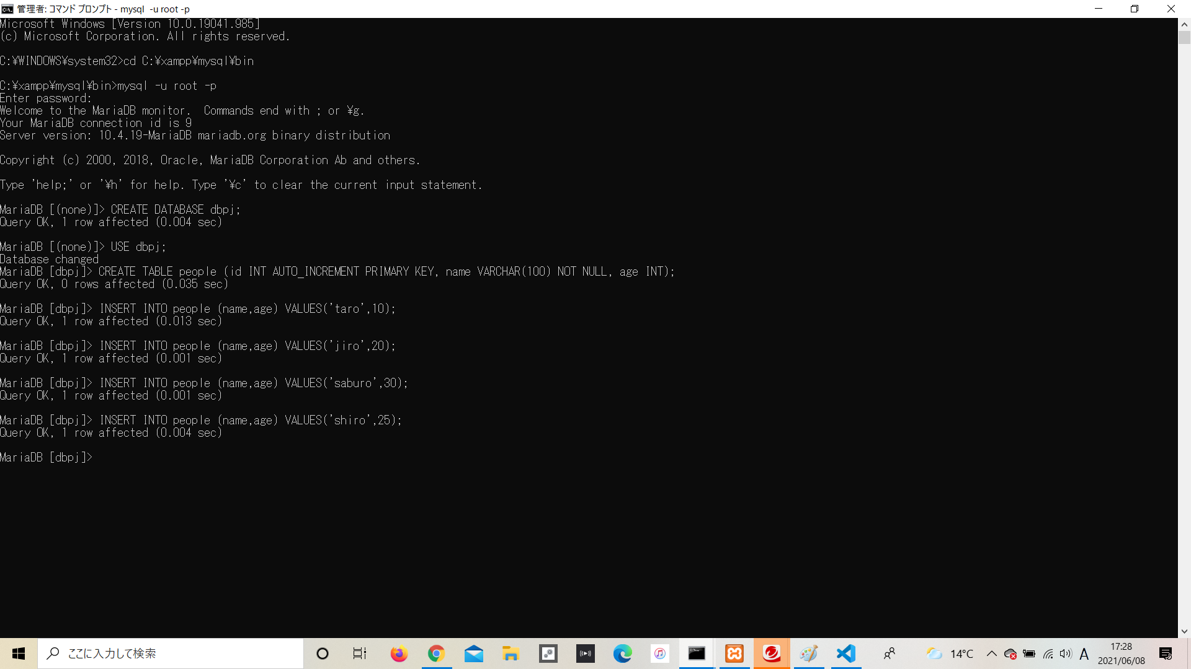

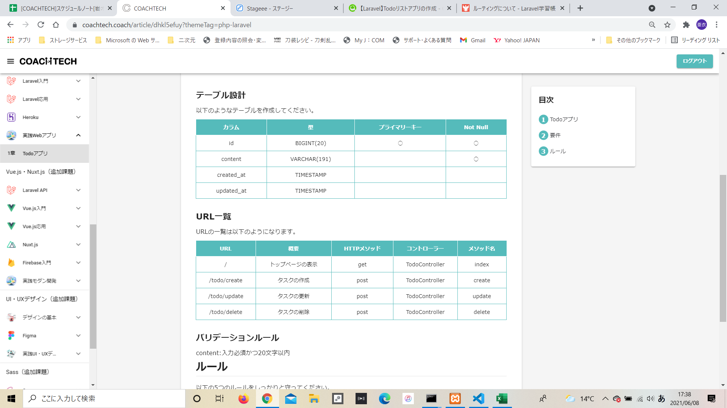

例：CREATE TABLE people(id int, name varchar(10), age int);
INSERT INTO people SET id=2, name='Jiro', age=28;
INSERT INTO people SET id=3, name='Saburo', age=33;
INSERT INTO people SET id=4, name='Shiro', age=24;
INSERT INTO people SET id=5, name='Goro', age=27;
INSERT INTO people SET id=6, name='Rokuro', age=87;
INSERT INTO people SET id=7, name='Nanaro', age=66;
CREATE TABLE tb1(id INT, name VARCHAR(100) NOT NULL);
CREATE TABLE tb2(id INT UNIQUE, name VARCHAR(100));

バリデーションルール
content:入力必須かつ20文字以内
https://laraweb.net/knowledge/725/
https://laraweb.net/knowledge/725/

