1. & 2. Start
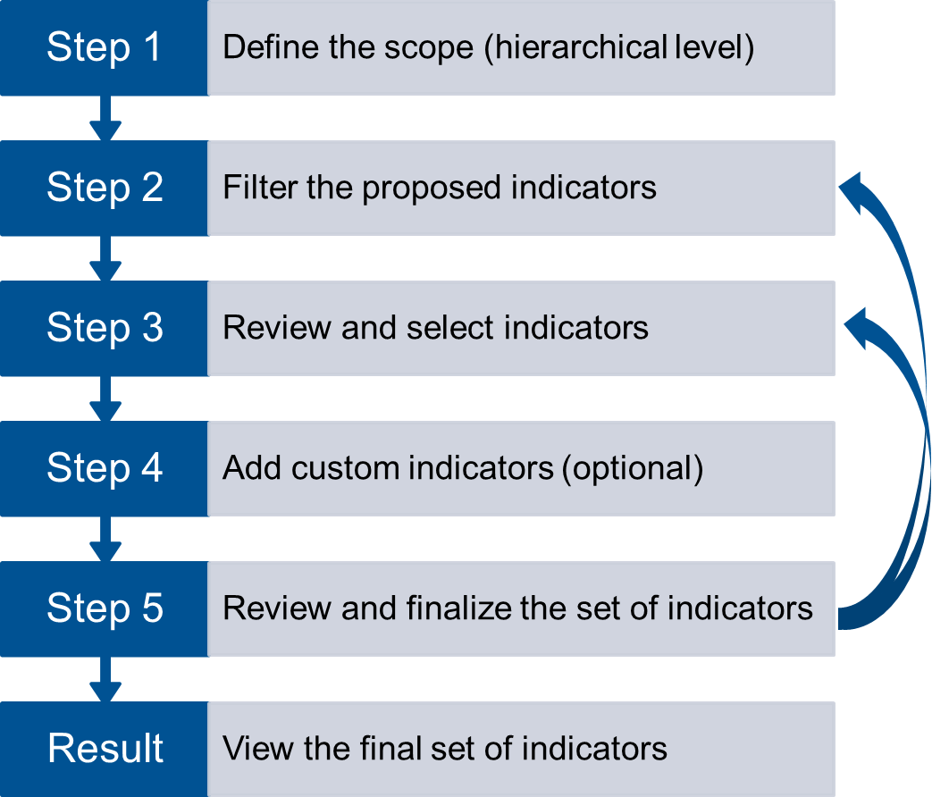
Tool for the Selection of Indicators for Sustainability Assessments of Manufacturing Systems

This file is intended to be used in parallel to the "Guidelines" PDF.
The user can filter and select indicators for sustainability assessments of manufacturing systems in a five-step process.
Whenever user input is needed, this is highlighted in yellow.

Step 1: Define the scope (hierarchical level).
 | Hierarchical Level
Filter for your desired level(s) here:
choose one or more

Step 2: Filter based on your use case. | Industry | Process Type | Company Size
Filter for your desired criterion/ criteria here:
choose one or more
leave the first line (row 16) empty if you do not want to filter on this criterion

Step 3: Go to the tab "3. Filtered List" and review and select proposed indicators.

Step 4 (optional): Add custom indicators in the tab "4. Custom Indicators."

Step 5: Go to the tab "5. Review" to review and finalize the set of selected indicators. |  |  |  | x
If you would like to review more indicators, you can filter again (go back to Step 2).
You can also go to tab "3b. Full List" and select indicators from there.
Before filtering again, click here to save your current selection of indicators selected for review:

Result: Go to the tab "6. Final Set" to view your final selection. |  |  |  | x

5. Review
 | Dimensions
Environmental | 0
Economic | 0
Categories
 | Categories
Supply & Delivery | 0
Output | 0
Operational processes | 0
Management processes | 0
Input | 0

Economic Subdimensions
 | Economic Subdimensions
Other | 0
Investments | 0
Profit | 0
Cost | 0

Subcategories
 | Subcategories
Delivery | 0
Supply | 0
Emissions | 0
Waste | 0
Product | 0
Design of products | 0
Design of processes | 0
Operational efficiency | 0
Community relations | 0
Financial performance | 0
Regulatory compliance | 0
Policies and programs | 0
Labor | 0
Facilities and equipment | 0
Energy | 0
Water | 0
Material | 0

Environmental Subdimensions
 | Environmental Subdimensions
Other | 0
Resource Use & Circular Economy | 0
Biodiversity & Ecosystems | 0
Water & Marine Resources | 0
Pollution | 0
Climate Change | 0

ID | Category & Subcategory | Dimension & Subdimension | Name | Definition | Measurement Type | Unit of Measure | Relevance | Comprehensibility | Data Availability | Selection for Review | Comments | Final Selection

