EUSDR PA1a
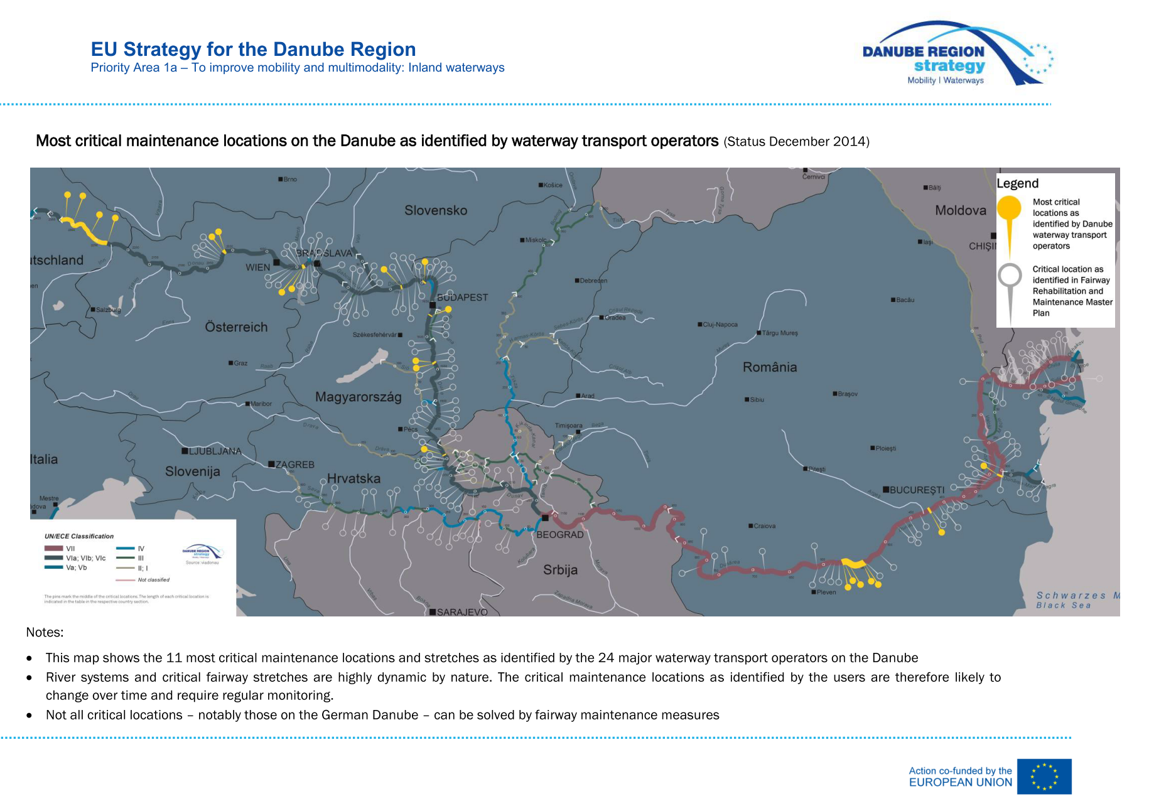

Calculation methodology
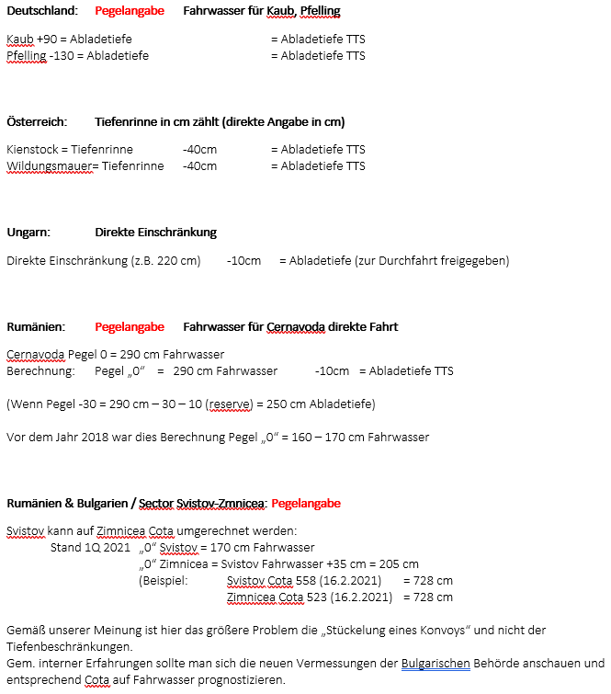
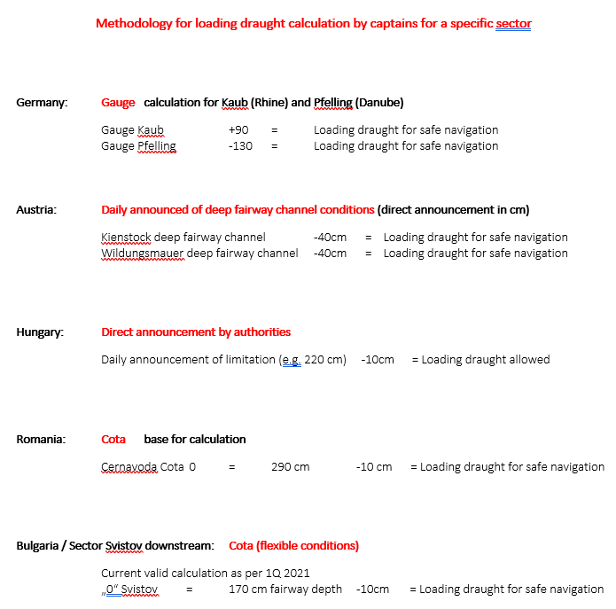

2017
Water conditions 2017 - direct comparison
 |  | Pfelling -130 |  |  |  |  | Kienstock worst place -40 |  |  | Wildungsmauer worst place -40 |  | HU 1865-1720 -10cm
1/1/2017 |  | 152 |  |  |  |  | 198 |  |  | 165 |  | 200
2/1/2017 |  | 152 |  |  |  |  | 198 |  |  | 165 |  | 200
3/1/2017 |  | 152 |  |  |  |  | 198 |  |  | 165 |  | 200
4/1/2017 |  | 146 |  |  |  |  | 203 |  |  | 172 |  | 200
5/1/2017 |  | 154 |  |  |  |  | 201 |  |  | 162 |  | 200
6/1/2017 |  | 150 |  |  |  |  | 202 |  |  | 172 |  | 210
7/1/2017 |  | 141 |  |  |  |  | 199 |  |  | 159 |  | 190
8/1/2017 |  | 126 |  |  |  |  | 183 |  |  | 140 |  | 180
9/1/2017 |  | 134 |  |  |  |  | 197 |  |  | 152 |  | 180
10/1/2017 |  | 153 |  |  |  |  | 195 |  |  | 158 |  | 180
11/1/2017 |  | 150 |  |  |  |  | 201 |  |  | 166 |  | 200
12/1/2017 |  | 150 |  |  |  |  | 205 |  |  | 161 |  | 200
13/1/2017 |  | 169 |  |  |  |  | 209 |  |  | 153 |  | 180
14/1/2017 |  | 200 |  |  |  |  | 216 |  |  | 167 |  | 210
15/1/2017 |  | 202 |  |  |  |  | 221 |  |  | 173 |  | 220
16/1/2017 |  | 183 |  |  |  |  | 214 |  |  | 162 |  | 220
17/1/2017 |  | 177 |  |  |  |  | 214 |  |  | 162 |  | 220
18/1/2017 |  | 166 |  |  |  |  | 220 |  |  | 162 |  | 210
19/1/2017 |  | 156 |  |  |  |  | 202 |  |  | 161 |  | 210
20/1/2017 |  | 151 |  |  |  |  | 206 |  |  | 153 |  | 210
21/1/2017 |  | 153 |  |  |  |  | 199 |  |  | 173 |  | 200
22/1/2017 |  | 157 |  |  |  |  | 177 |  |  | 153 |  | 190
23/1/2017 |  | 153 |  |  |  |  | 179 |  |  | 177 |  | 180
24/1/2017 |  | 160 |  |  |  |  | 184 |  |  | 150 |  | 180
25/1/2017 |  | 168 |  |  |  |  | 188 |  |  | 164 |  | 180
26/1/2017 |  | 155 |  |  |  |  | 199 |  |  | 156 |  | 180
27/1/2017 |  | 157 |  |  |  |  | 184 |  |  | 149 |  | 190
28/1/2017 |  | 166 |  |  |  |  | 170 |  |  | 141 |  | 190
29/1/2017 |  | 162 |  |  |  |  | 182 |  |  | 154 |  | 180
30/1/2017 |  | 154 |  |  |  |  | 169 |  |  | 152 |  | 190
31/1/2017 |  | 156 |  |  |  |  | 195 |  |  | 130 |  | 190
1/2/2017 |  | 165 |  |  |  |  | 214 |  |  | 167 |  | 190
2/2/2017 |  | 230 |  |  |  |  | 246 |  |  | 195 |  | 240
3/2/2017 |  | 59 |  |  |  |  | 264 |  |  | 212 |  | 240
4/2/2017 |  | 245 |  |  |  |  | 272 |  |  | 215 |  | 250
5/2/2017 |  | 226 |  |  |  |  | 270 |  |  | 235 |  | 260
6/2/2017 |  | 241 |  |  |  |  | 268 |  |  | 240 |  | 270
7/2/2017 |  | 225 |  |  |  |  | 260 |  |  | 235 |  | 270
8/2/2017 |  | 218 |  |  |  |  | 265 |  |  | 215 |  | 270
9/2/2017 |  | 205 |  |  |  |  | 245 |  |  | 206 |  | 270
10/2/2017 |  | 206 |  |  |  |  | 229 |  |  | 190 |  | 270
11/2/2017 |  | 195 |  |  |  |  | 227 |  |  | 187 |  | 250
12/2/2017 |  | 180 |  |  |  |  | 216 |  |  | 175 |  | 240
13/2/2017 |  | 180 |  |  |  |  | 197 |  |  | 156 |  | 230
14/2/2017 |  | 177 |  |  |  |  | 210 |  |  | 182 |  | 210
15/2/2017 |  | 169 |  |  |  |  | 204 |  |  | 185 |  | 210
16/2/2017 |  | 170 |  |  |  |  | 201 |  |  | 180 |  | 220
17/2/2017 |  | 164 |  |  |  |  | 204 |  |  | 179 |  | 220
18/2/2017 |  | 182 |  |  |  |  | 218 |  |  | 230 |  | 220
19/2/2017 |  | 242 |  |  |  |  | 238 |  |  | 260 |  | 230
...

2018
Water conditions 2018 - direct comparison
 |  | Pfelling -130 |  |  |  |  | Kienstock worst place -40 |  |  | Wildungsmauer worst place -40 |  | HU 1865-1720 -10cm
1/1/2018 |  | 401 |  |  |  |  | 438 |  |  | 402 |  | 656
2/1/2018 |  | 410 |  |  |  |  | 399 |  |  | 367 |  | 656
3/1/2018 |  | 390 |  |  |  |  | 385 |  |  | 356 |  | 656
4/1/2018 |  | 396 |  |  |  |  | 456 |  |  | 387 |  | 656
5/1/2018 |  | 490 |  |  |  |  | 616 |  |  | 419 |  | 656
6/1/2018 |  | 542 |  |  |  |  | 601 |  |  | 562 |  | 656
7/1/2018 |  | 576 |  |  |  |  | 555 |  |  | 508 |  | 656
8/1/2018 |  | 550 |  |  |  |  | 519 |  |  | 479 |  | 656
9/1/2018 |  | 503 |  |  |  |  | 494 |  |  | 453 |  | 656
10/1/2018 |  | 460 |  |  |  |  | 478 |  |  | 431 |  | 656
11/1/2018 |  | 409 |  |  |  |  | 450 |  |  | 416 |  | 656
12/1/2018 |  | 385 |  |  |  |  | 412 |  |  | 380 |  | 656
13/1/2018 |  | 358 |  |  |  |  | 382 |  |  | 355 |  | 656
14/1/2018 |  | 336 |  |  |  |  | 356 |  |  | 333 |  | 656
15/1/2018 |  | 326 |  |  |  |  | 332 |  |  | 305 |  | 656
16/1/2018 |  | 323 |  |  |  |  | 327 |  |  | 293 |  | 656
17/1/2018 |  | 330 |  |  |  |  | 352 |  |  | 306 |  | 656
18/1/2018 |  | 393 |  |  |  |  | 380 |  |  | 330 |  | 656
19/1/2018 |  | 398 |  |  |  |  | 460 |  |  | 359 |  | 656
20/1/2018 |  | 451 |  |  |  |  | 471 |  |  | 423 |  | 656
21/1/2018 |  | 467 |  |  |  |  | 445 |  |  | 390 |  | 656
22/1/2018 |  | 457 |  |  |  |  | 441 |  |  | 385 |  | 656
23/1/2018 |  | 470 |  |  |  |  | 461 |  |  | 410 |  | 656
24/1/2018 |  | 494 |  |  |  |  | 490 |  |  | 437 |  | 656
25/1/2018 |  | 540 |  |  |  |  | 491 |  |  | 426 |  | 656
26/1/2018 |  | 511 |  |  |  |  | 487 |  |  | 430 |  | 656
27/1/2018 |  | 477 |  |  |  |  | 467 |  |  | 418 |  | 656
28/1/2018 |  | 447 |  |  |  |  | 422 |  |  | 383 |  | 656
29/1/2018 |  | 407 |  |  |  |  | 407 |  |  | 365 |  | 656
30/1/2018 |  | 392 |  |  |  |  | 412 |  |  | 360 |  | 656
31/1/2018 |  | 393 |  |  |  |  | 419 |  |  | 371 |  | 656
1/2/2018 |  | 390 |  |  |  |  | 393 |  |  | 351 |  | 656
2/2/2018 |  | 391 |  |  |  |  | 392 |  |  | 343 |  | 656
3/2/2018 |  | 392 |  |  |  |  | 385 |  |  | 340 |  | 656
4/2/2018 |  | 366 |  |  |  |  | 365 |  |  | 327 |  | 656
5/2/2018 |  | 347 |  |  |  |  | 336 |  |  | 300 |  | 656
6/2/2018 |  | 334 |  |  |  |  | 334 |  |  | 291 |  | 656
7/2/2018 |  | 323 |  |  |  |  | 323 |  |  | 287 |  | 656
8/2/2018 |  | 316 |  |  |  |  | 323 |  |  | 279 |  | 656
9/2/2018 |  | 310 |  |  |  |  | 315 |  |  | 276 |  | 656
10/2/2018 |  | 292 |  |  |  |  | 311 |  |  | 269 |  | 656
11/2/2018 |  | 284 |  |  |  |  | 290 |  |  | 260 |  | 656
12/2/2018 |  | 278 |  |  |  |  | 279 |  |  | 241 |  | 656
13/2/2018 |  | 275 |  |  |  |  | 285 |  |  | 242 |  | 656
14/2/2018 |  | 274 |  |  |  |  | 283 |  |  | 242 |  | 656
15/2/2018 |  | 268 |  |  |  |  | 275 |  |  | 238 |  | 656
16/2/2018 |  | 273 |  |  |  |  | 285 |  |  | 242 |  | 656
17/2/2018 |  | 316 |  |  |  |  | 298 |  |  | 254 |  | 656
18/2/2018 |  | 340 |  |  |  |  | 328 |  |  | 285 |  | 656
19/2/2018 |  | 331 |  |  |  |  | 322 |  |  | 280 |  | 656
...

2019
Water conditions 2019 - direct comparison
 |  |  | Pfelling -130
1/1/2019 |  | 1/1/2019 | 237 | 1/1/2019 |  | 1/1/2019
2/1/2019 |  | 2/1/2019 | 249 | 2/1/2019 |  | 2/1/2019
3/1/2019 |  | 3/1/2019 | 247 | 3/1/2019 |  | 3/1/2019
4/1/2019 |  | 4/1/2019 | 244 | 4/1/2019 |  | 4/1/2019
5/1/2019 |  | 5/1/2019 | 224 | 5/1/2019 |  | 5/1/2019
6/1/2019 |  | 6/1/2019 | 225 | 6/1/2019 |  | 6/1/2019
7/1/2019 |  | 7/1/2019 | 262 | 7/1/2019 |  | 7/1/2019
8/1/2019 |  | 8/1/2019 | 286 | 8/1/2019 |  | 8/1/2019
9/1/2019 |  | 9/1/2019 | 308 | 9/1/2019 |  | 9/1/2019
10/1/2019 |  | 10/1/2019 | 331 | 10/1/2019 |  | 10/1/2019
11/1/2019 |  | 11/1/2019 | 315 | 11/1/2019 |  | 11/1/2019
12/1/2019 |  | 12/1/2019 | 300 | 12/1/2019 |  | 12/1/2019
13/1/2019 |  | 13/1/2019 | 284 | 13/1/2019 |  | 13/1/2019
14/1/2019 |  | 14/1/2019 | 324 | 14/1/2019 |  | 14/1/2019
15/1/2019 |  | 15/1/2019 | 439 | 15/1/2019 |  | 15/1/2019
16/1/2019 |  | 16/1/2019 | 458 | 16/1/2019 |  | 16/1/2019
17/1/2019 |  | 17/1/2019 | 414 | 17/1/2019 |  | 17/1/2019
18/1/2019 |  | 18/1/2019 | 374 | 18/1/2019 |  | 18/1/2019
19/1/2019 |  | 19/1/2019 | 347 | 19/1/2019 |  | 19/1/2019
20/1/2019 |  | 20/1/2019 | 319 | 20/1/2019 |  | 20/1/2019
21/1/2019 |  | 21/1/2019 | 295 | 21/1/2019 |  | 21/1/2019
22/1/2019 |  | 22/1/2019 | 284 | 22/1/2019 |  | 22/1/2019
23/1/2019 |  | 23/1/2019 | 270 | 23/1/2019 |  | 23/1/2019
24/1/2019 |  | 24/1/2019 | 265 | 24/1/2019 |  | 24/1/2019
25/1/2019 |  | 25/1/2019 | 253 | 25/1/2019 |  | 25/1/2019
26/1/2019 |  | 26/1/2019 | 250 | 26/1/2019 |  | 26/1/2019
27/1/2019 |  | 27/1/2019 | 239 | 27/1/2019 |  | 27/1/2019
28/1/2019 |  | 28/1/2019 | 242 | 28/1/2019 |  | 28/1/2019
29/1/2019 |  | 29/1/2019 | 241 | 29/1/2019 |  | 29/1/2019
30/1/2019 |  | 30/1/2019 | 244 | 30/1/2019 |  | 30/1/2019
31/1/2019 |  | 31/1/2019 | 240 | 31/1/2019 |  | 31/1/2019
1/2/2019 |  | 1/2/2019 | 222 | 1/2/2019 |  | 1/2/2019
2/2/2019 |  | 2/2/2019 | 228 | 2/2/2019 |  | 2/2/2019
3/2/2019 |  | 3/2/2019 | 223 | 3/2/2019 |  | 3/2/2019
4/2/2019 |  | 4/2/2019 | 234 | 4/2/2019 |  | 4/2/2019
5/2/2019 |  | 5/2/2019 | 245 | 5/2/2019 |  | 5/2/2019
6/2/2019 |  | 6/2/2019 | 231 | 6/2/2019 |  | 6/2/2019
7/2/2019 |  | 7/2/2019 | 221 | 7/2/2019 |  | 7/2/2019
8/2/2019 |  | 8/2/2019 | 216 | 8/2/2019 |  | 8/2/2019
9/2/2019 |  | 9/2/2019 | 234 | 9/2/2019 |  | 9/2/2019
10/2/2019 |  | 10/2/2019 | 242 | 10/2/2019 |  | 10/2/2019
11/2/2019 |  | 11/2/2019 | 273 | 11/2/2019 |  | 11/2/2019
12/2/2019 |  | 12/2/2019 | 350 | 12/2/2019 |  | 12/2/2019
13/2/2019 |  | 13/2/2019 | 330 | 13/2/2019 |  | 13/2/2019
14/2/2019 |  | 14/2/2019 | 295 | 14/2/2019 |  | 14/2/2019
15/2/2019 |  | 15/2/2019 | 277 | 15/2/2019 |  | 15/2/2019
16/2/2019 |  | 16/2/2019 | 264 | 16/2/2019 |  | 16/2/2019
17/2/2019 |  | 17/2/2019 | 259 | 17/2/2019 |  | 17/2/2019
18/2/2019 |  | 18/2/2019 | 251 | 18/2/2019 |  | 18/2/2019
19/2/2019 |  | 19/2/2019 | 252 | 19/2/2019 |  | 19/2/2019
...

2020
Chart Title

compiled 2017-2020
2017
2017
# days | Pfelling -130 | Kienstock worst place -40 | Wildungsmauer worst place -40 | HU 1865-1720 -10cm | HU 1720-1600 -10cm | HU 1600-1450 -10cm | Zimnicea +35cm +170cm -10cm | Cernavoda cota "0" = 165cm -10cm
129 or less | 2 | 0 | 0 | 0 | 0 | 0 | 0 | 56
139 or less | 7 | 0 | 1 | 0 | 0 | 0 | 0 | 72
149 or less | 12 | 0 | 4 | 0 | 0 | 0 | 0 | 90
159 or less | 38 | 0 | 15 | 0 | 0 | 0 | 0 | 105
169 or less | 56 | 1 | 28 | 0 | 3 | 3 | 0 | 121
179 or less | 79 | 4 | 36 | 0 | 11 | 8 | 0 | 136
189 or less | 98 | 9 | 40 | 9 | 23 | 21 | 3 | 149
199 or less | 118 | 19 | 45 | 16 | 31 | 30 | 11 | 156
209 or less | 137 | 30 | 56 | 24 | 39 | 39 | 12 | 161
219 or less | 159 | 37 | 66 | 31 | 49 | 41 | 18 | 166
229 or less | 183 | 42 | 80 | 37 | 61 | 44 | 30 | 172
239 or less | 203 | 43 | 98 | 39 | 77 | 51 | 45 | 178
249 or less | 223 | 47 | 119 | 54 | 87 | 65 | 56 | 180
250 or more | 142 | 318 | 246 | 311 | 278 | 300 | 309 | 185

2018
2018
# days | Pfelling -130 | Kienstock worst place -40 | Wildungsmauer worst place -40 | HU 1865-1720 -10cm | HU 1720-1600 -10cm | HU 1600-1450 -10cm | Zimnicea +35cm +170cm -10cm | Cernavoda cota "0" =290cm -10cm
129 or less | 113 | 0 | 1 | 0 | 3 | 0 | 0 | 12
139 or less | 131 | 0 | 6 | 0 | 13 | 3 | 0 | 43
149 or less | 138 | 0 | 20 | 4 | 23 | 16 | 0 | 21
159 or less | 149 | 3 | 36 | 21 | 35 | 35 | 4 | 26
169 or less | 154 | 12 | 53 | 35 | 52 | 60 | 10 | 38
179 or less | 164 | 29 | 78 | 49 | 64 | 75 | 18 | 40
189 or less | 172 | 41 | 92 | 63 | 82 | 81 | 23 | 43
199 or less | 177 | 57 | 106 | 81 | 89 | 88 | 38 | 54
209 or less | 180 | 78 | 126 | 100 | 101 | 97 | 46 | 60
219 or less | 188 | 95 | 141 | 109 | 118 | 112 | 52 | 71
229 or less | 202 | 113 | 156 | 117 | 124 | 120 | 63 | 76
239 or less | 215 | 123 | 175 | 121 | 127 | 124 | 76 | 81
249 or less | 230 | 134 | 191 | 134 | 135 | 132 | 83 | 86
250 or more | 135 | 231 | 174 | 231 | 230 | 233 | 282 | 279

2019
2019
# days | Pfelling -130 | Kienstock worst place -40 | Wildungsmauer worst place -40 | HU 1865-1720 -10cm | HU 1720-1600 -10cm | HU 1600-1450 -10cm | Zimnicea +35cm +170cm -10cm | Cernavoda cota "0" =290cm -10cm
129 or less | 7 | 0 | 0 | 0 | 0 | 0 | 0 | 7
139 or less | 16 | 0 | 0 | 0 | 0 | 0 | 0 | 10
149 or less | 32 | 0 | 0 | 0 | 0 | 0 | 2 | 13
159 or less | 51 | 0 | 0 | 0 | 0 | 5 | 4 | 26
169 or less | 71 | 0 | 0 | 2 | 0 | 17 | 12 | 33
179 or less | 89 | 1 | 5 | 10 | 7 | 28 | 15 | 37
189 or less | 108 | 4 | 17 | 18 | 19 | 44 | 32 | 45
199 or less | 127 | 9 | 30 | 35 | 39 | 54 | 37 | 49
209 or less | 148 | 26 | 48 | 45 | 45 | 61 | 45 | 56
219 or less | 175 | 40 | 66 | 53 | 59 | 79 | 51 | 67
229 or less | 197 | 56 | 84 | 62 | 63 | 87 | 60 | 76
239 or less | 214 | 69 | 99 | 81 | 83 | 96 | 73 | 84
249 or less | 240 | 72 | 111 | 97 | 96 | 103 | 90 | 94
250 or more | 125 | 293 | 254 | 268 | 269 | 262 | 275 | 271

2020
2020
# days | Pfelling -130 | Kienstock worst place -40 | Wildungsmauer worst place -40 | HU 1865-1720 -10cm | HU 1720-1600 -10cm | HU 1600-1450 -10cm | Zimnicea +35cm +170cm -10cm | Kaub +90
129 or less | 19 | 0 | 0 | 0 | 0 | 0 | 0 | 0
139 or less | 36 | 0 | 0 | 0 | 0 | 0 | 0 | 0
149 or less | 64 | 0 | 0 | 0 | 0 | 0 | 0 | 0
159 or less | 89 | 0 | 0 | 0 | 0 | 0 | 0 | 0
169 or less | 125 | 0 | 0 | 0 | 0 | 0 | 0 | 1
179 or less | 161 | 0 | 2 | 0 | 0 | 0 | 0 | 9
189 or less | 190 | 3 | 8 | 0 | 2 | 0 | 0 | 21
199 or less | 221 | 11 | 24 | 2 | 6 | 3 | 0 | 41
209 or less | 238 | 33 | 39 | 5 | 21 | 15 | 1 | 77
219 or less | 253 | 52 | 58 | 11 | 43 | 33 | 7 | 102
229 or less | 264 | 64 | 80 | 30 | 65 | 58 | 15 | 137
239 or less | 273 | 80 | 101 | 49 | 84 | 78 | 19 | 166
249 or less | 278 | 96 | 115 | 68 | 112 | 100 | 25 | 195
250 or more | 87 | 269 | 250 | 297 | 253 | 265 | 340 | 170

