Sheet1
 | ! means required

 | Event | Person
id | ID! | id | ID!
title | String! | firstName | String!
description | String! | LastName | String!
price | Float! | email | String!
date | String! | age | Int
 |  | role | String

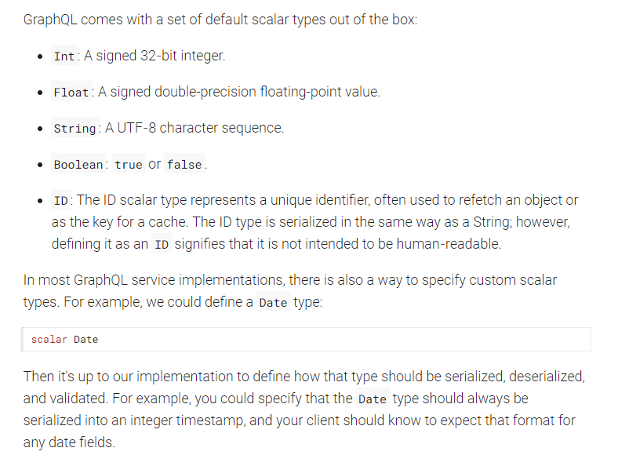
https://graphql.org/learn/schema/

https://graphql.org/learn/schema/

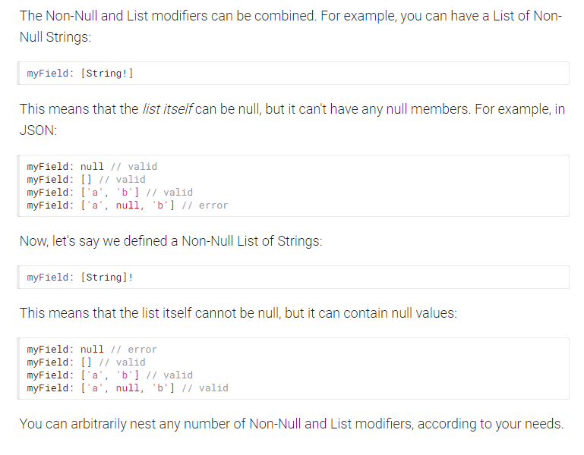
https://graphql.org/learn/schema/#enumeration-types

Sheet2
Role
type | [String!]! | 'MEMBER', 'GROUP_LEADER', 'PERFORMER'

role | [ ] | Can return an array
role | [ ]! | Must return an array even if emoty
role | [String]! | Must return an array, can be empty but if not it must be a String type.
role | [String!]! | Must return an array, can NOT be empty and it must be a String type.

We can be circular so that a Person can have a partner field that is defined as a Person.
Person
id | ID!
firstName | String!
LastName | String!
email | String!
age | Int
role (role: GroupRole = MEMBER): String | String!
partner | Person

