Data Model
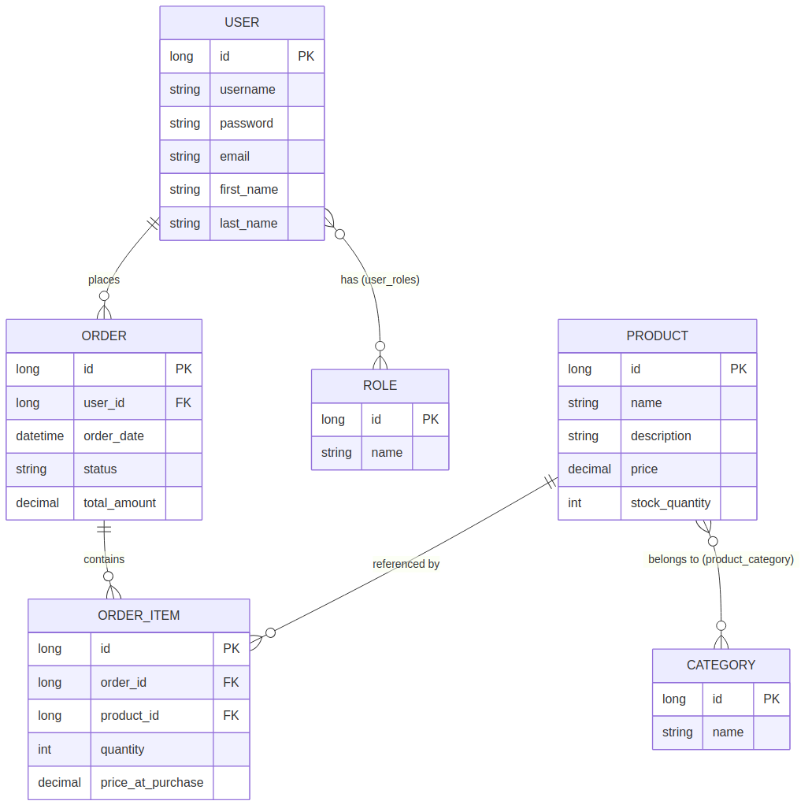
E-commerce Platform — Entity Relationship Diagram

