1-Registration
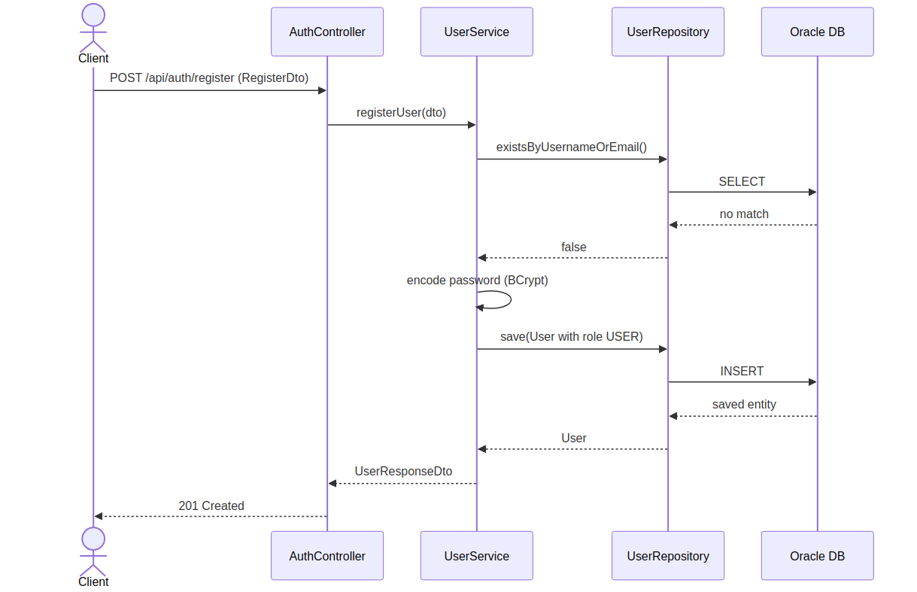
Registration — Sequence Diagram

2-Login
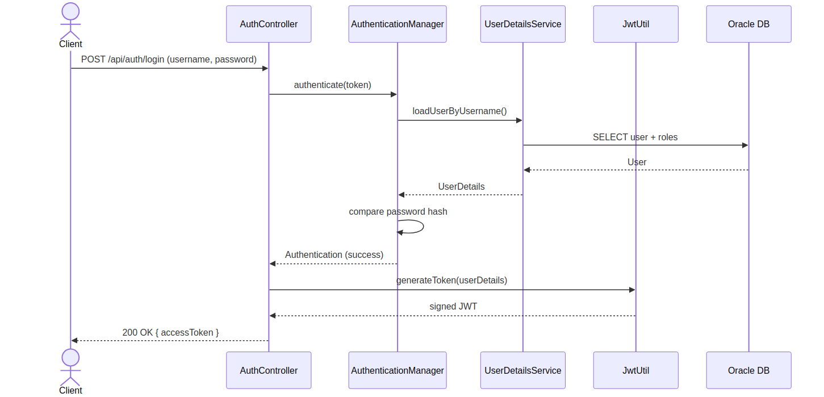
Login — Sequence Diagram

3-JWT Validation
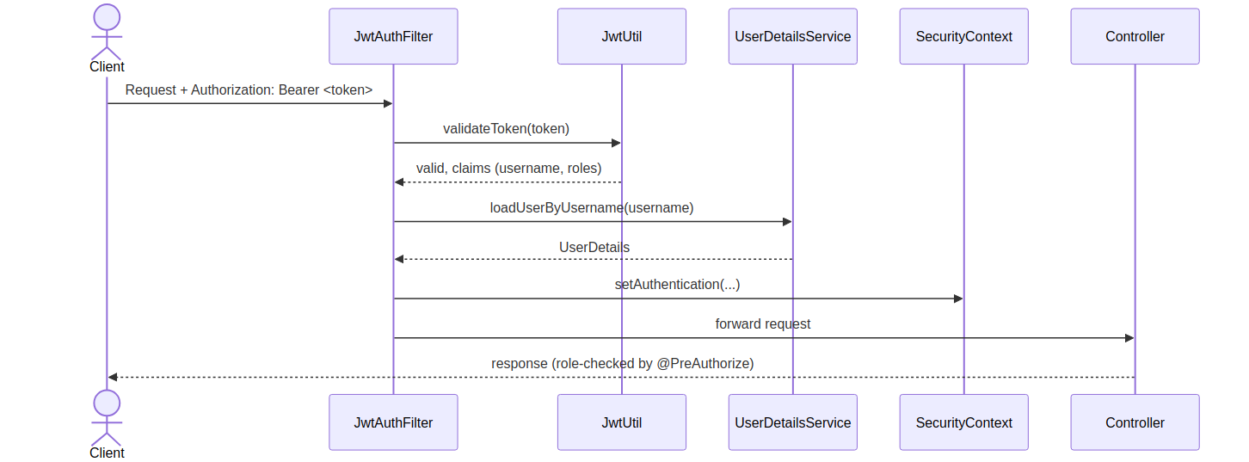
JWT Validation — Sequence Diagram

4-Admin Create Product
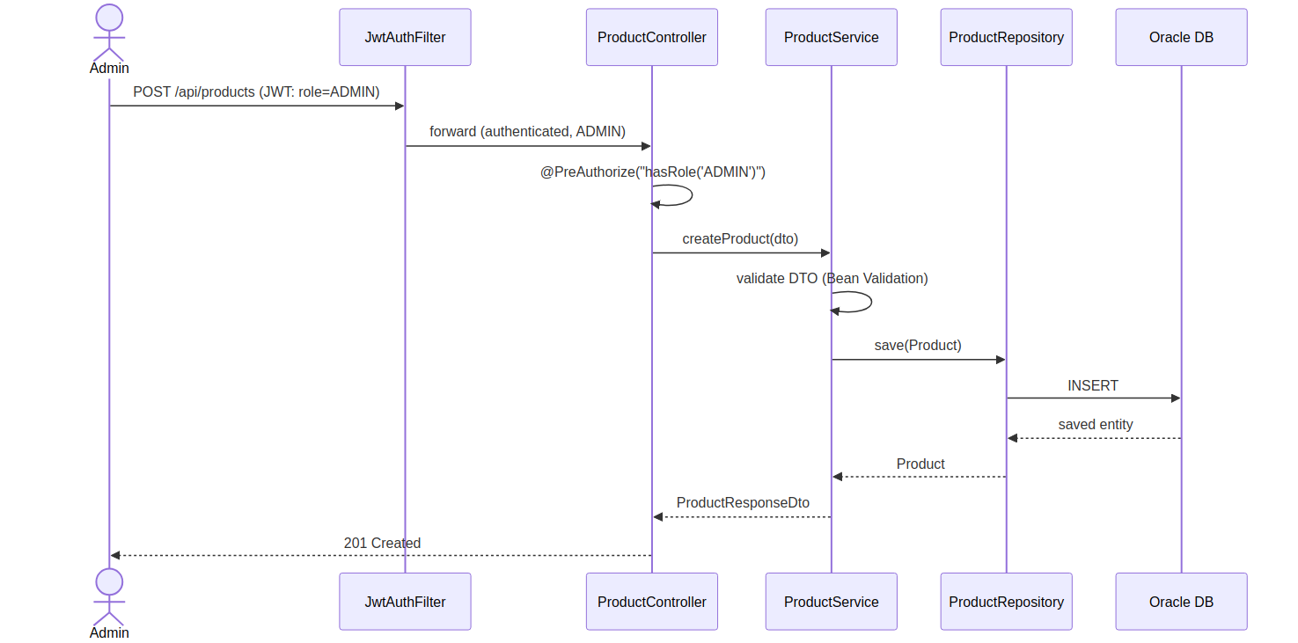
Admin Create Product — Sequence Diagram

5-Place Order
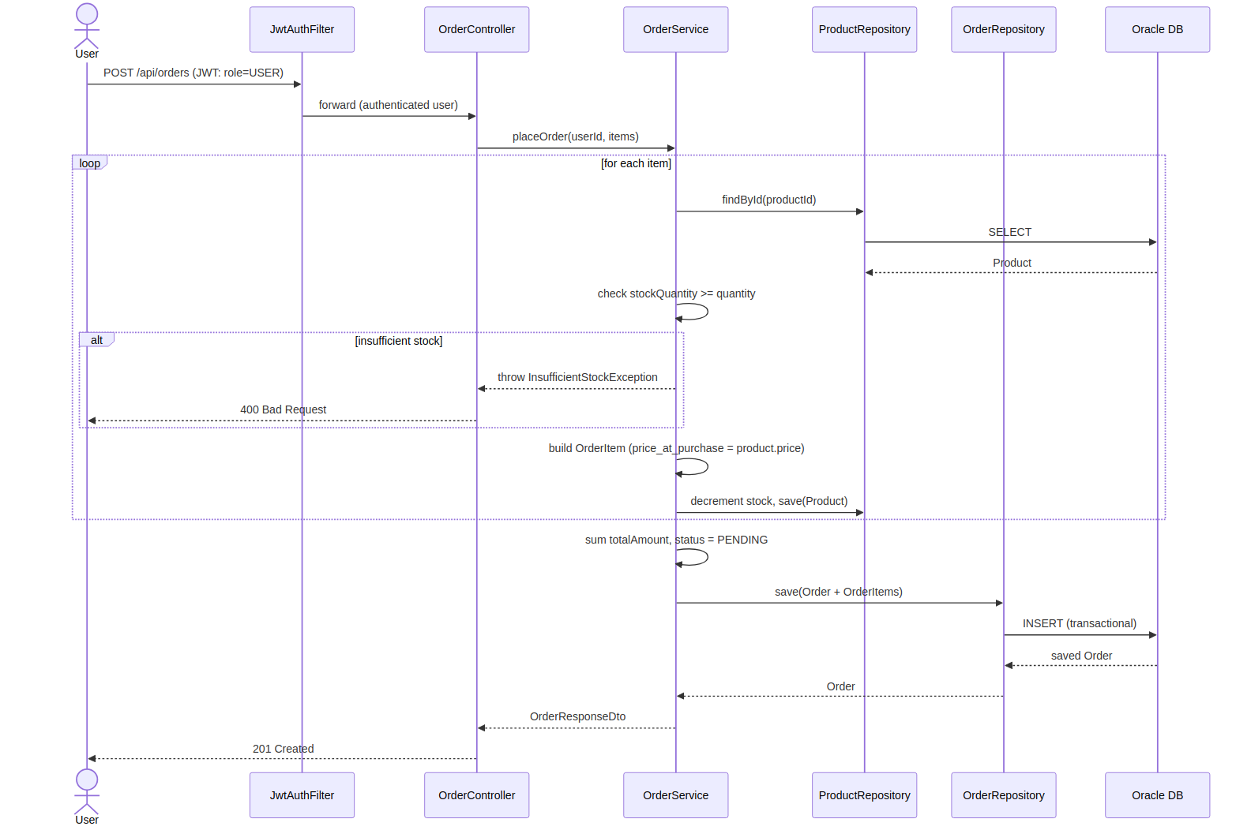
Place Order — Sequence Diagram

6-Order History
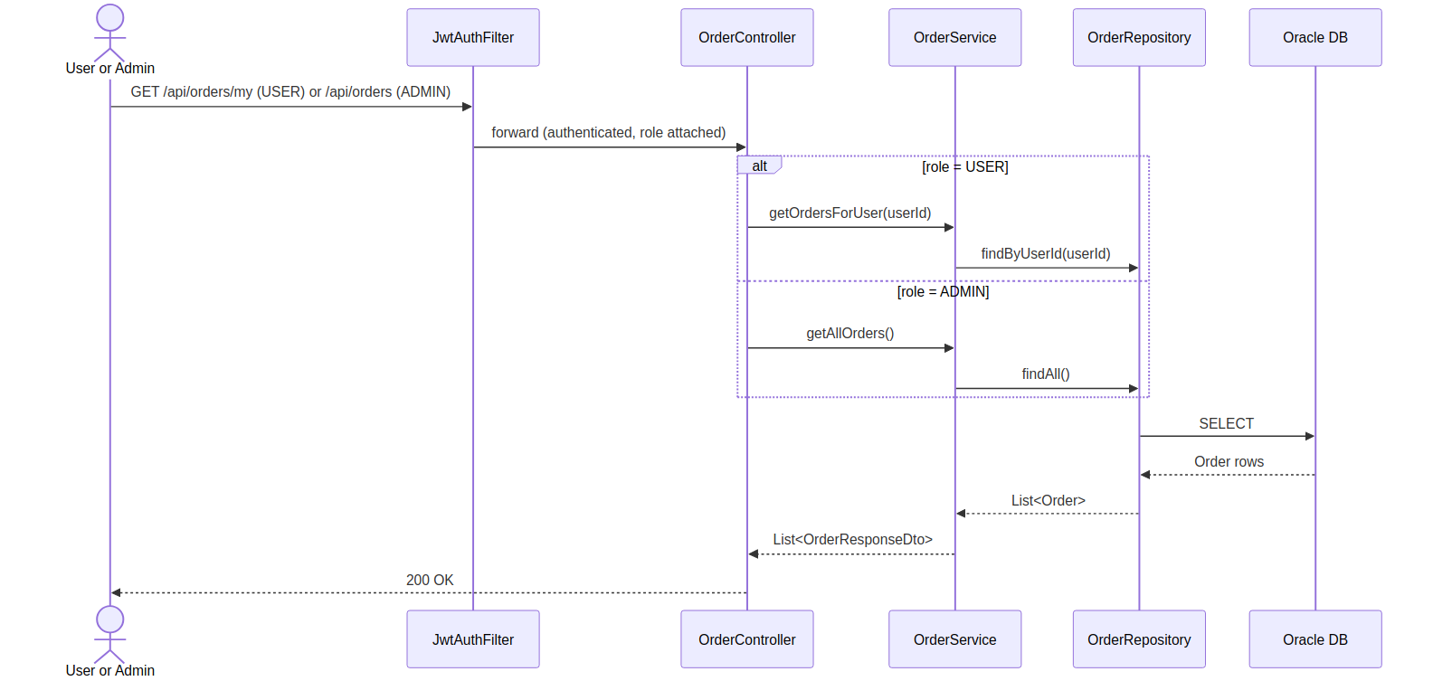
Order History — Sequence Diagram

7-User Profile Mgmt
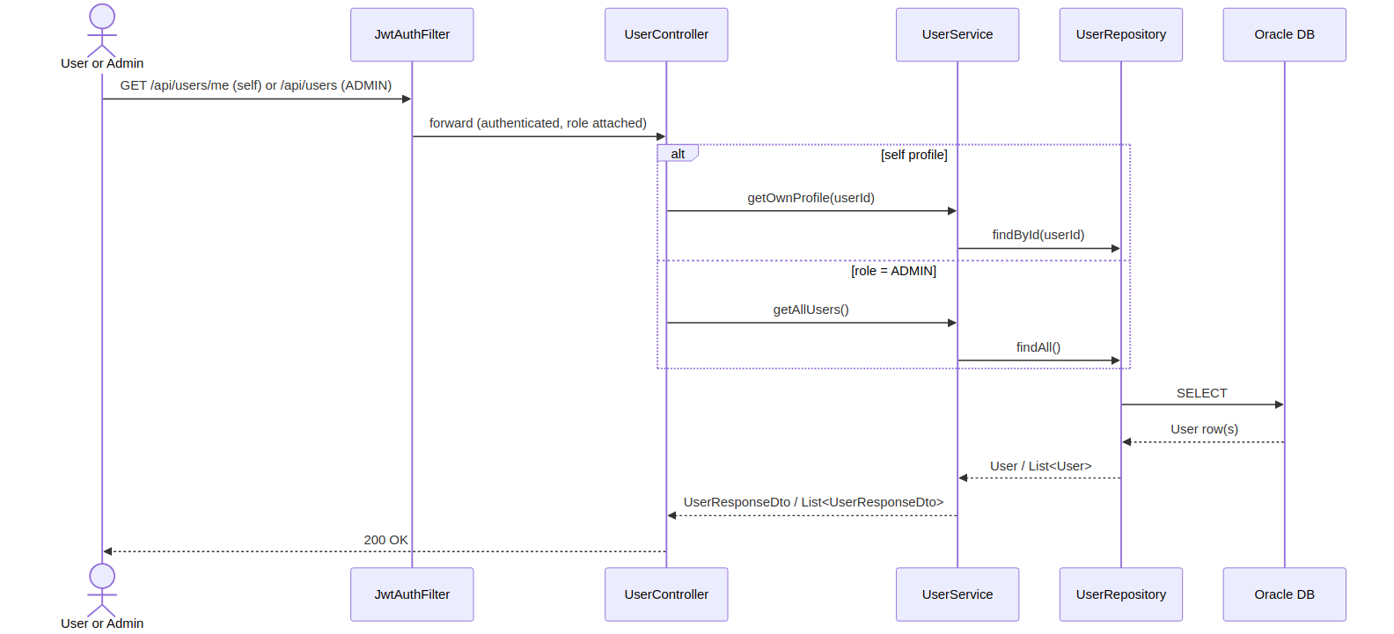
User Profile Mgmt — Sequence Diagram

