Bud Report
QA |  |  |  |  |  |  |  |  |  |  | DEV
Bug ID | ModuleName | Build No | Description | TCID | Steps to replicate bug | Screenshot | Severity | Priority | Reported By | Assigned to | Ressolution | Status | Fixed Date
ORHRM_001 | Orange HRM-Myinfo | 1 | Dashboard is displayed after login instead of Myinfo page | TC_Myinfo_001 | 1) Launch browser 2)Open URL"http://opensource-demo.orangehrmlive.com" 3)Provide valid ESS username 4)Provide valid password 5)click on login button | 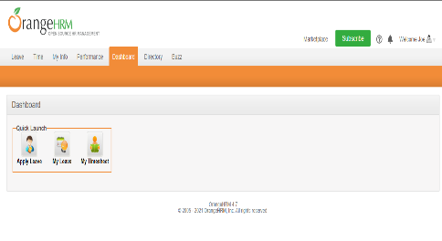 | S3 | P3 | Tessy | Pavan | Accepted | In progress
ORHRM_002 | Orange HRM-Myinfo | 1 | The invalid file format error message for invalid photograph is appearing after the upload is complete | TC_Myinfo_00 | 1)Login to OrangeHRM as ESS user 2)Click on Myinfo tab 3)Click on the photograph at corner of the screen 4)Click "upload" once you have selected the picture | 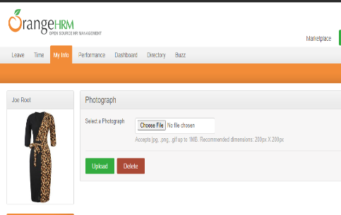 | S3 | P3 | Tessy | Pavan | Accepted | Solved | 2021-02-03

