Bug Report
QA |  |  |  |  |  |  |  |  |  |  | DEV
Bug ID | ModuleName | Build No | Description | TCID | Steps to replicate bug | Screenshot | Severity | Priority | Reported By | Assigned to | Ressolution | Status | Fixed Date
Billabe_001 | Bundle TA | 1 | After installation of the application, it supposed allow user to choose or enter the file path. Then, click continue to fetch the details from the choosen file and display on the next screen so as to the test application for other requirements like employee ID, company name, number of hours and other | TC_Billable_002 to TC_Billable_011 | 1) Download the application from "https://drive.google.com/drive/folders/1rkYwTctee63g1F2EhuR2vgkosgnSnBCm" 2) Install the application 3) Click or fill file path on the input field provided | 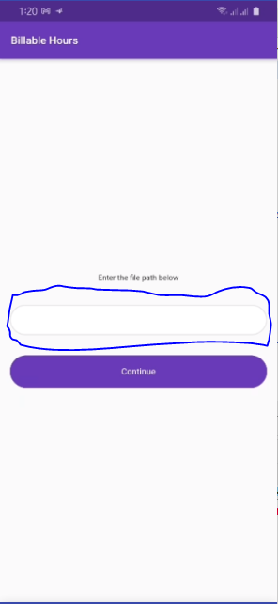 | Critical | P1 | Tesleem | Bundle Developer | Accepted | Submitted

