ATP检测
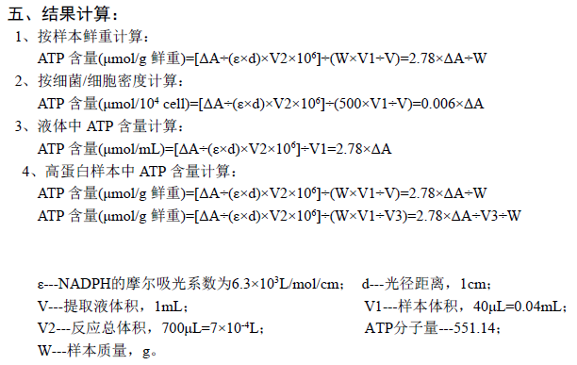
取10ul lysis进行ATP含量测定
A1数值 | WT | APP | APP+Topotecan | APP+Irinotecan | APP+olaparib
Sample1 | 0.146535 | 0.143549 | 0.145248 | 0.142953 | 0.138669
Sample2 | 0.145898 | 0.143858 | 0.137752 | 0.137966 | 0.137412
Sample3 | 0.14943 | 0.14561 | 0.14117 | 0.140527 | 0.139443

A2数值 | WT | APP | APP+Topotecan | APP+Irinotecan | APP+olaparib
Sample1 | 0.169874 | 0.152076 | 0.158193 | 0.158679 | 0.156191
Sample2 | 0.16991 | 0.154278 | 0.152381 | 0.153439 | 0.155733
Sample3 | 0.168869 | 0.15539 | 0.15477 | 0.154969 | 0.158071

ATP含量(umol/ml) | WT | APP | APP+Topotecan | APP+Irinotecan | APP+olaparib
Sample1 | 0.06488242 | 0.02370506 | 0.0359871 | 0.04371828 | 0.04871116
Sample2 | 0.06675336 | 0.0289676 | 0.04066862 | 0.04301494 | 0.05093238
Sample3 | 0.05404042 | 0.0271884 | 0.037808 | 0.04014876 | 0.05178584

ATP含量(nmol/ml) | WT | APP | APP+Topotecan | APP+Irinotecan | APP+olaparib | 蛋白浓度（ug/10 ul）
Sample1 | 64.88242 | 23.70506 | 35.9871 | 43.71828 | 48.71116 |  | WT | APP | APP+Topotecan | APP+Irinotecan | APP+olaparib
Sample2 | 66.75336 | 28.9676 | 40.66862 | 43.01494 | 50.93238 | Sample1 | 4.2304292929 | 3.5905050505 | 4.1838888889 | 4.2597727273 | 4.0118434343
Sample3 | 54.04042 | 27.1884 | 37.808 | 40.14876 | 51.78584 | Sample2 | 4.4777777778 | 3.9697727273 | 3.8304040404 | 4.0583333333 | 3.8568181818
 |  |  |  |  |  | Sample3 | 4.6431060606 | 3.7986616162 | 4.4631060606 | 4.6050252525 | 4.6783838384
ATP含量(nmol/mg protein) | WT | APP | APP+Topotecan | APP+Irinotecan | APP+olaparib
Sample1 | 153.37077045 | 66.021519721 | 86.013517461 | 102.6305458 | 121.4183973
Sample2 | 149.07698263 | 72.970424229 | 106.17318583 | 105.9916386 | 132.05802711
Sample3 | 116.38851083 | 71.573629734 | 84.712304585 | 87.184668484 | 110.69172986

 | WT | APP | APP + Topotecan | APP + Irinotecan | APP + olaparib
mean | 139.61208797 | 70.188524561 | 92.299669293 | 98.602284297 | 121.38938475
std | 20.226469167 | 3.6756911893 | 12.032420149 | 10.029740742 | 10.683178172
Ttest vs WT |  | 0.0042615054105 | 0.025306778908 | 0.034639851438 | 0.23975180172
Ttest vs APP |  |  | 0.038251937436 | 0.00997686947 | 0.0014229590572

蛋白BCA定量
蛋白浓度标准曲线
标准曲线 |  |  |  |  |  |  |  |  |  | BSA浓度（ug） | OD562
 |  | 0 | 0.25 | 0.5 | 1 | 2 | 4 | 8 | 16 | 0 | 0.0695174
 |  | 0.0695174 | 0.0758514 | 0.112354 | 0.166214 | 0.209417 | 0.1418 | 0.193979 | 0.75688 | 0.25 | 0.0858514
 |  |  |  |  |  |  |  |  |  | 0.5 | 0.112354
 |  |  |  |  |  |  |  |  |  | 1 | 0.156214
 |  |  |  |  |  |  |  |  |  | 2 | 0.209417
 |  |  |  |  |  |  |  |  |  | 4 | 0.3018
 |  |  |  |  |  |  |  |  |  | 8 | 0.463979
 |  |  |  |  |  |  |  |  |  | 16 | 0.75688

蛋白样品 | WT | APP | APP+Topotecan | APP+Irinotecan | APP+olaparib
OD562-1 | 0.299525 | 0.274184 | 0.297682 | 0.300687 | 0.290869
OD562-2 | 0.30932 | 0.289203 | 0.283684 | 0.29271 | 0.28473
OD562-3 | 0.315867 | 0.282427 | 0.308739 | 0.314359 | 0.317264

蛋白浓度（ug/20 ul）
 | WT | APP | APP+Topotecan | APP+Irinotecan | APP+olaparib
Sample1 | 4.2304292929 | 3.5905050505 | 4.1838888889 | 4.2597727273 | 4.0118434343
Sample2 | 4.4777777778 | 3.9697727273 | 3.8304040404 | 4.0583333333 | 3.8568181818
Sample3 | 4.6431060606 | 3.7986616162 | 4.4631060606 | 4.6050252525 | 4.6783838384

