Sheet
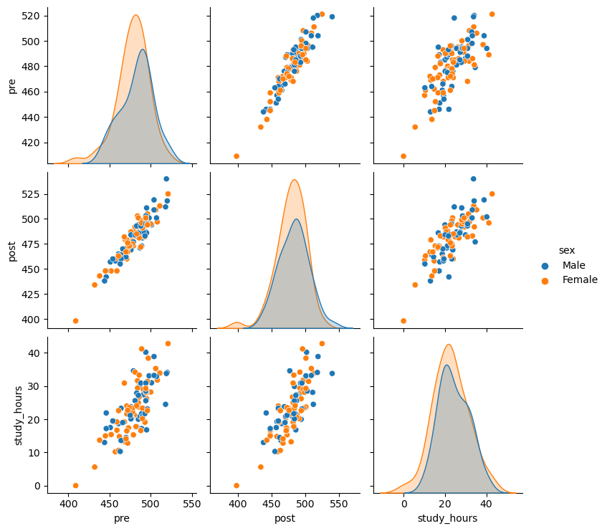
Score Comparison
Average pre score | 480.51
Average post score | 481.01

