summary
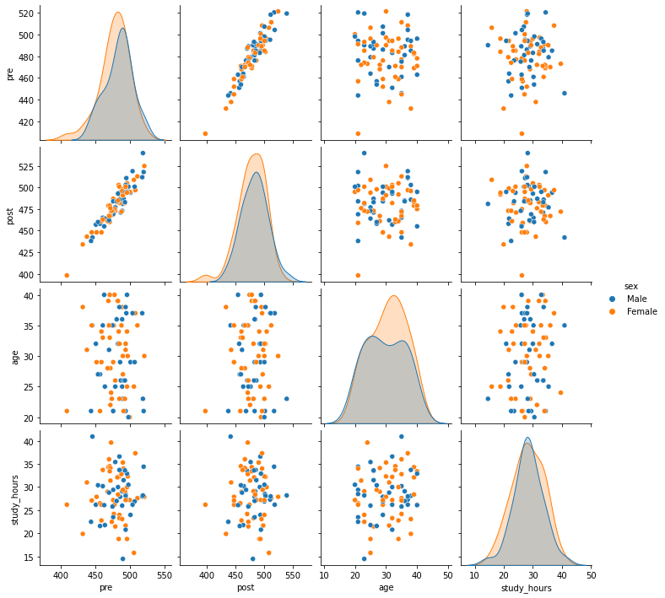
Average pre score: | 480.6
Average post score: | 481

