Notes
Background: | Monthly Pension Fund Report
 | This project uses a simulated dataset reflecting real-world payroll reporting, based on a larger dataset of thousands of records.

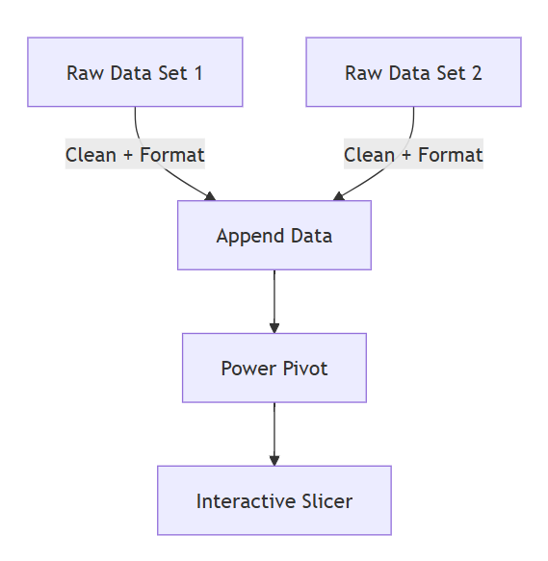
Access: | Limited access to database

Raw Data: | SSRS data extracts
 | Data sourced from two separate reports by scheme type

Issues: | Raw data contains three fund flags; reporting is required for Fund 1 and Fund 2 only.
 | Members with multiple payments must be consolidated to produce a total payment value.
 | Manual reconciliation and filtering increased operational risk and processing time.

Power Query: | Combine and transform multiple SSRS extracts.
 | Filter required fund flags.
 | Standardise and cleanse data.
 | Automate repeatable monthly processing.

Power Pivot: | Enables slicer-driven analysis.
 | Reduces manual filtering and reconciliation effort.
 | Supports rapid pivot analysis.
 | Provides flexible monthly reporting views for users.

Note: | A mock version of the M code used in this project is provided in the accompanying M_Code.txt file for reference.

Raw Data 01
Payroll ID | Payroll | Title | Forenames | Surname | NI Number | Date of Birth | Pay Date | Pay Frequency | Total Pension Per Source/Adjustment | DATAA | DATAB | DATAC | DATAD | Fund Flag
210000 | ABC | Mrs | Marilyn | Barclay | ZZ123456A | 1980-01-01 | 15/05/2026 | Monthly | 100.00 | data a | data b | 1000.00 | 1200.00 | Fund 1
210001 | ABC | Mr | Michael | Doherty | ZZ123456A | 1980-01-02 | 15/05/2026 | Monthly | 101.00 | data a | data b | 1000.00 | 1200.00 | Fund 1
210002 | ABC | Mrs | Ann | Doe | ZZ123456A | 1980-01-03 | 15/05/2026 | Monthly | 102.00 | data a | data b | 1000.00 | 1200.00 | Fund 2
210003 | ABC | Mr | William | Clackson | ZZ123456A | 1980-01-04 | 15/05/2026 | Monthly | 103.00 | data a | data b | 1000.00 | 1200.00 | Fund 2
210004 | ABC | Mrs | Mary | Reed | ZZ123456A | 1980-01-05 | 15/05/2026 | Monthly | 104.00 | data a | data b | 1000.00 | 1200.00 | Fund 1
210005 | ABC | Mr | Jeffrey | Barretts | ZZ123456A | 1980-01-06 | 15/05/2026 | Monthly | 105.00 | data a | data b | 1000.00 | 1200.00 | Fund 1
210006 | ABC | Mrs | Kiara | Webborn | ZZ123456A | 1980-01-07 | 15/05/2026 | Monthly | 106.00 | data a | data b | 1000.00 | 1200.00 | Fund 2
210007 | ABC | Mr | Anthony | Kirk | ZZ123456A | 1980-01-08 | 15/05/2026 | Monthly | 107.00 | data a | data b | 1000.00 | 1200.00 | Fund 2
210008 | ABC | Mr | David | Stafford | ZZ123456A | 1980-01-09 | 15/05/2026 | Monthly | 108.00 | data a | data b | 1000.00 | 1200.00 | Fund 1
Multile Record
210009 | ABC | Mrs | Ann | Wilkie | ZZ123456A | 1980-01-10 | 15/05/2026 | Monthly | 109.00 | data a | data b | 1000.00 | 1200.00 | Fund 1
210010 | ABC | Mrs | Berry | Ferris | ZZ123456A | 1980-01-11 | 15/05/2026 | Monthly | 110.00 | data a | data b | 1000.00 | 1200.00 | Fund 2
210010 | ABC | Mrs | Berry | Ferris | ZZ123456A | 1980-01-11 | 15/05/2026 | Monthly | 110.00 | data a | data b | 1000.00 | 1200.00 | Fund 2
Exclude Fund 3
210012 | ABC | Mr | William | Clarke | ZZ123456A | 1980-01-13 | 15/05/2026 | Monthly | 112.00 | data a | data b | 1000.00 | 1200.00 | Fund 1
210013 | ABC | Mrs | Ann | Moore | ZZ123456A | 1980-01-14 | 15/05/2026 | Monthly | 113.00 | data a | data b | 1000.00 | 1200.00 | Fund 3
210014 | ABC | Mrs | Celeste | Hunt | ZZ123456A | 1980-01-15 | 15/05/2026 | Monthly | 114.00 | data a | data b | 1000.00 | 1200.00 | Fund 3
210015 | ABC | Mrs | Stella | Williams | ZZ123456A | 1980-01-16 | 15/05/2026 | Monthly | 115.00 | data a | data b | 1000.00 | 1200.00 | Fund 3

Raw Data 02
Payroll ID | Surname | Forenames | NINO | Pay Date | Tax Code | Tax Basis | Total Taxable Pay | Payment Method | Scheme Name | Date Of Birth | Address Line 1 | Address Line 2 | BUY IN PROVIDER EFFECTIVE DATE
210016 | Lanning | Eric | ZZ123456A | 15/05/2026 | 1257L | C | 116.00 | BACS | DEF | 1980-01-17 | data a | data b | Fund 1
210017 | Smith | David | ZZ123456A | 15/05/2026 | 1257L | C | 117.00 | BACS | DEF | 1980-01-18 | data a | data b | Fund 1
210018 | Fitzgerald | Roger | ZZ123456A | 15/05/2026 | 1257L | C | 118.00 | BACS | DEF | 1980-01-19 | data a | data b | Fund 2
Multiple record
210019 | Scarff | Lorna | ZZ123456A | 15/05/2026 | 1257L | C | 119.00 | BACS | DEF | 1980-01-20 | data a | data b | Fund 2
210020 | O'Malley | John | ZZ123456A | 15/05/2026 | 1257L | C | 120.00 | BACS | DEF | 1980-01-21 | data a | data b | Fund 1
210020 | O'Malley | John | ZZ123456A | 15/05/2026 | 1257L | C | 120.00 | BACS | DEF | 1980-01-21 | data a | data b | Fund 1
210022 | Paul | John | ZZ123456A | 15/05/2026 | 1257L | C | 122.00 | BACS | DEF | 1980-01-23 | data a | data b | Fund 2
210023 | Knott | Juanita | ZZ123456A | 15/05/2026 | 1257L | C | 123.00 | BACS | DEF | 1980-01-24 | data a | data b | Fund 2
210024 | Outlier | Ambrer | ZZ123456A | 15/05/2026 | 1257L | C | 124.00 | BACS | DEF | 1980-01-25 | data a | data b | Fund 1
210025 | Shear | Olive | ZZ123456A | 15/05/2026 | 1257L | C | 125.00 | BACS | DEF | 1980-01-26 | data a | data b | Fund 1
210026 | Oliver | Edward | ZZ123456A | 15/05/2026 | 1257L | C | 126.00 | BACS | DEF | 1980-01-27 | data a | data b | Fund 2
210027 | Pelling | May | ZZ123456A | 15/05/2026 | 1257L | C | 127.00 | BACS | DEF | 1980-01-28 | data a | data b | Fund 2
Exclude Fund 3
210028 | Davis | William | ZZ123456A | 15/05/2026 | 1257L | C | 128.00 | BACS | DEF | 1980-01-29 | data a | data b | Fund 1
210029 | Holly | Jennifer | ZZ123456A | 15/05/2026 | 1257L | C | 129.00 | BACS | DEF | 1980-01-30 | data a | data b | Fund 3
210030 | Bowsher | Thomas | ZZ123456A | 15/05/2026 | 1257L | C | 130.00 | BACS | DEF | 1980-01-31 | data a | data b | Fund 3

