Sheet1
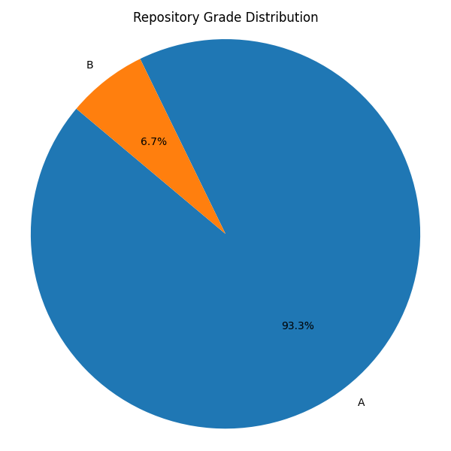
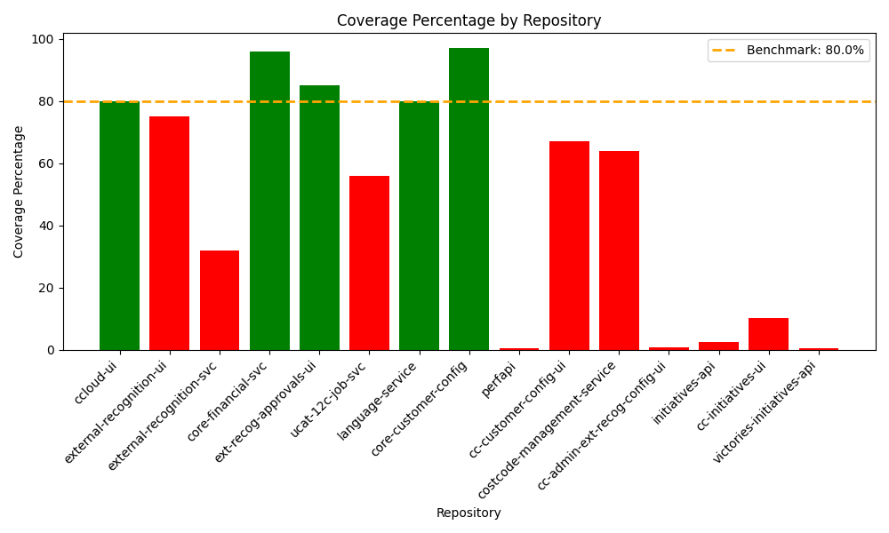
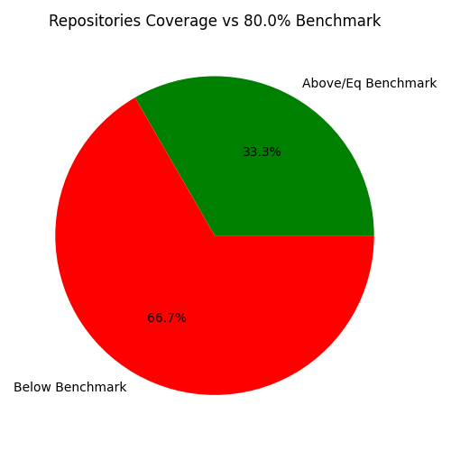
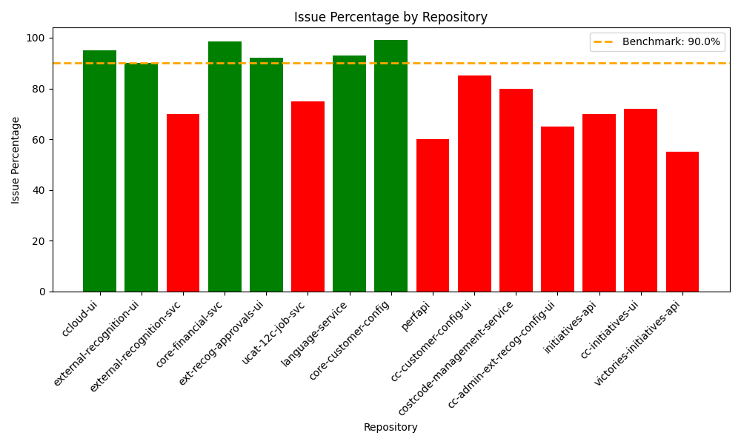
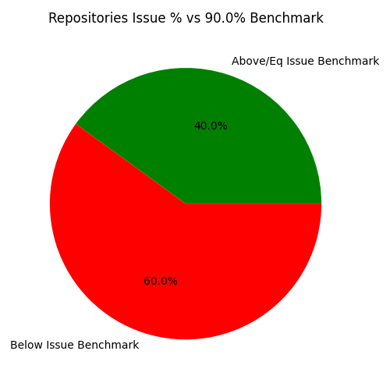
S no. | name | repo link | compliance | codacy integrated | grade | coverage percentage | issue percentage
1 | ccloud-ui | https://github.com/octanner/ccloud-ui | GitHub Actions | Yes | A | 80 | 95
2 | external-recognition-ui | https://github.com/octanner/external-recognition-ui | GitHub Actions | Yes | A | 75 | 90
3 | external-recognition-svc | https://github.com/octanner/external-recognition-svc | GitHub Actions | Yes | A | 32 | 70
4 | core-financial-svc | https://github.com/octanner/core-financial-svc | GitHub Actions | Yes | A | 96 | 98.5
5 | ext-recog-approvals-ui | https://github.com/octanner/ext-recog-approvals-ui | GitHub Actions | Yes | A | 85 | 92
6 | ucat-12c-job-svc | https://github.com/octanner/ucat-12c-job-svc | GitHub Actions | Yes | A | 56 | 75
7 | language-service | https://github.com/octanner/language-service | GitHub Actions | Yes | A | 80 | 93
8 | core-customer-config | https://github.com/octanner/core-customer-config | GitHub Actions | Yes | A | 97 | 99
9 | perfapi | https://github.com/octanner/perfapi | GitHub Actions | Yes | B | 0.53 | 60
10 | cc-customer-config-ui | https://github.com/octanner/cc-customer-config-ui | GitHub Actions | Yes | A | 67 | 85
11 | costcode-management-service | https://github.com/octanner/costcode-management-service | GitHub Actions | Yes | A | 64 | 80
12 | cc-admin-ext-recog-config-ui | https://github.com/octanner/cc-admin-ext-recog-config-ui | GitHub Actions | Yes | A | 0.98 | 65
13 | initiatives-api | https://github.com/octanner/initiatives-api | GitHub Actions | Yes | A | 2.5 | 70
14 | cc-initiatives-ui | https://github.com/octanner/cc-initiatives-ui | GitHub Actions | Yes | A | 10.31 | 72
15 | victories-initiatives-api | https://github.com/octanner/victories-initiatives-api | GitHub Actions | Yes | A | 0.5 | 55

