Sheet1
Capsaicin Standard Concentration vs. Average Peak Area
16.590 | 5.192
33.180 | 10.360
82.940
Dihydrocapsaicin Standard Concentration vs. Average Peak Area
Stock conc. |  |  | Standards (10 mL)
255.2 mg/L (MeOH) |  |  | diluted conc.
 |  |  | 1 mL | 2 mL | 5 mL |  |  |  | Unknown Peak Areas |  |  |  |  |  | Sample weight (g) |  |  | Spiked Unknown Peak Areas |  |  |  |  |  |  | Capsaicinoid Concentration in Unknown
 |  |  | 25.52 | 51.04 | 127.6 |  |  |  |  | run1 | run2 | run3 | average |  | boat w/ sample | 10.1258 |  |  | run1 | run2 | run3 | average |  |  | run1 | run2 | run3 | average w/ sigfigs | average w/ sigfigs |  | std
capsaicin (ppm) | dihydrocapsaicin (ppm) |  | capsaisin (ppm) |  |  | dihydrocapsaicin (ppm) |  |  | Capsaicin | 35.583 | 35.968 | 35.959 | 35.837 |  | boat w/o sample | 1.3461 |  | Capsaicin | 47.787 | 48.189 | 48.016 | 47.997 |  | Capsaicin | 114.1540931 | 115.39004815 | 115.3611557 | 115.0 | 115.0 |  | 0.5759455796 | 0.58
165.9 | 89.32 |  | 16.59 | 33.18 | 82.94 | 8.932 | 17.86 | 44.66 | Dihydrocapsaicin | 3.457 | 2.88 | 3.031 | 3.12 |  | sample wt | 8.7797 |  | Dihydrocapsaicin | 7.356 | 7.378 | 7.233 | 7.322 |  | Dihydrocapsaicin | 16.222511951 | 13.714906562 | 14.371142981 | 14.8 | 14.8 |  | 1.0617751429 | 1.06

Standard |  |  |  | Calibration Curve
1mL | Capsaicin | Dihydrocapsaicin |  | Capsaicin |  |  | Dihydrocapsaicin |  |  | determined from calibration curve |  |  |  | Dilution factors
conc. (ppm) | 16.59 | 8.932 |  | average peak area | conc. (ppm) |  | average peak area | conc. (ppm) |  | Capsaicinoid Concentration in Unknown (ppm) |  |  |  | 115.0*10/2= 575.0 |  | 14.8*10/2=74.0 |  |  |  |  |  | determined from calibration curve |  |  |  |  |  | Capsaicinoid Concentration in Spiked
ret time (min) | 4.405 | 5.860 |  | 5.192 | 16.590 |  | 1.978 | 8.932 |  | Capsaicin | Dihydrocapsaicin |  |  | 0.575/1000*25 = 0.01438 |  | 0.074/1000*25=0.00185 |  |  |  |  |  | Concentration in Spiked Unknown (ppm) (10 mL solution) |  |  |  |  |  | run1 | run2 | run3 | average |  | std
peak area (mAU*min) | 5.192 | 1.978 |  | 10.360 | 33.180 |  | 3.568 | 17.860 | Unknown | 115.0 | 14.8 |  |  | 0.01438/8.7797 = 0.164% wt percent capsaicin |  | 0.00185/8.7797 = 0.021% wt percent dihydrocapsaicin |  |  |  |  |  | Capsaicin | Dihydrocapsaicin |  |  |  | Capsaicin | 208.87787918 | 210.62494568 | 209.87309865 | 209.8 |  | 0.71553997244 | 0.72
2mL |  |  |  |  | 82.940 |  | 10.065 | 44.66 | Spiked unknown | 209.8 | 33.02 |  |  | 0.00164*16.1e6 = 26404 Scoville Units |  | 0.00021*16.1e6 = 3381.0 Scoville Units |  |  |  |  |  | 207.791975 | 33.019556714 |  |  |  | Dihydrocapsaicin | 33.167318557 | 33.262929161 | 32.632768362 | 33.02 |  | 0.27728604016 | 0.28
conc. (ppm) | 33.18 | 17.86 |  |  |  |  |  |  |  |  |  |  |  |  |  |  |  |  |  |  | corrected for sigfigs | 209.8 | 33.02
ret time (min) | 4.394 | 5.851 |  |  |  |  |  |  |  |  |  |  |  | Total Heat Rating = 26404 + 3381.0 = 29785 Scoville Units
peak area (mAU*min) | 10.360 | 3.568 | Capsaicin | concentration (ppm) | retention time (min) | peak area (mAU*min)
5mL |  |  | 1mL | 16.59 | 4.405 | 5.192 |  |  |  |  |  |  | Capsaicin | 26404
conc. (ppm) | 82.94 | 44.66 | 2mL | 33.18 | 4.394 | 10.360 |  |  |  |  |  |  | Dihydrocapsaicin | 3381 |  |  | Extra capsaicinoids (mg/L) |  |  |  | added 0.001L of standard to spiked…
ret time (min) | 4.386 | 5.839 | 5mL | 82.94 | 4.386 | 25.247 |  |  |  |  |  |  | Total | 29785 |  |  | Capsaicin | Dihydrocapsaisin |  |  | Capsaicin | Dihydrocapsaicin
peak area (mAU*min) | 25.247 | 10.065 | Dihydrocapsaicin | concentration (ppm) | retention time (min) | peak area (mAU*min) |  |  |  |  |  |  |  |  |  |  | 94.80 | 18.22 |  | mg actually added | 0.0948 | 0.01822
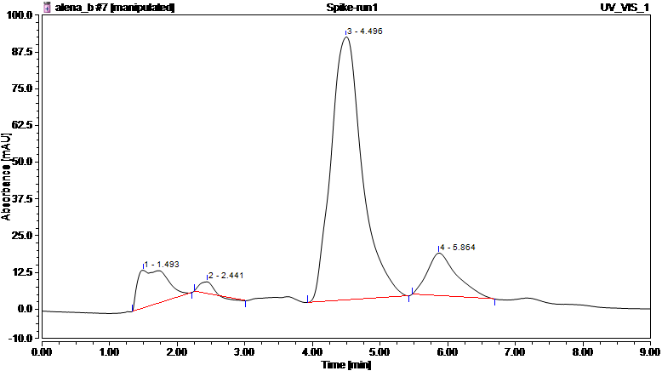
 |  |  | 1mL | 8.932 | 5.860 | 1.978 |  |  |  |  |  |  |  |  |  |  |  |  |  | Percent | 100% | 100%
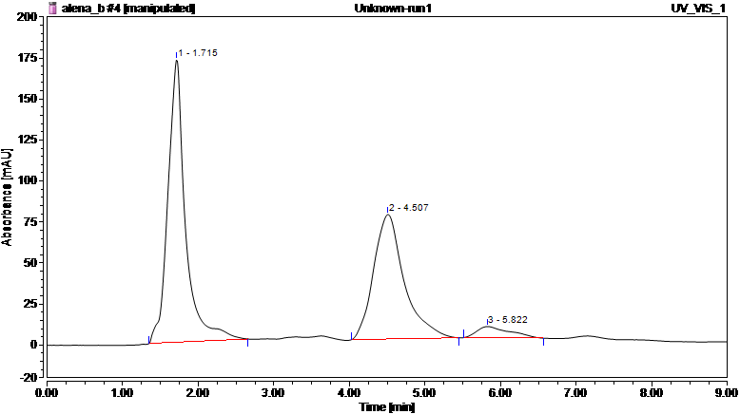
 |  |  | 2mL | 17.86 | 5.851 | 3.568
 |  |  | 5mL | 44.66 | 5.839 | 10.065 |  |  |  |  |  |  |  |  |  |  | %R
capsaicin
 |  |  |  |  |  |  |  |  |  |  |  |  |  |  |  |  | Capsaicin | Dihydrocapsaicin
methanol
 |  |  |  |  |  |  |  |  |  |  |  |  |  |  |  |  | 1 | 1
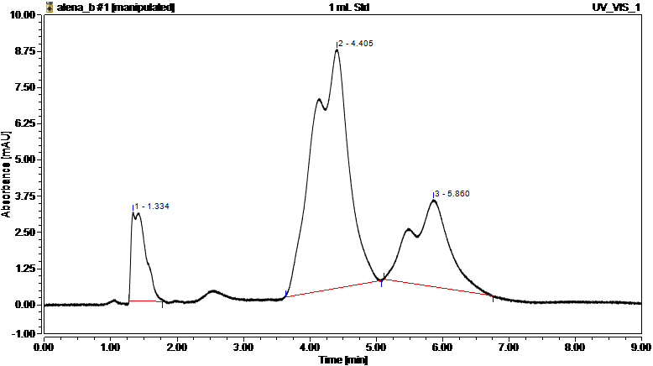
 |  |  |  |  |  |  |  |  |  |  |  |  |  |  |  |  | 100% | 100%

capsaicin

capsaicin
dihydrocapsaicin
 |  |  |  |  |  |  |  |  |  |  |  |  |  |  |  |  | Retention Time Unknown |  |  |  |  |  |  |  | width 50%
 |  |  |  |  |  |  |  |  |  |  |  |  |  |  |  |  |  | run1 | run2 | run3 | average |  |  |  |  | run1 | run2 | run3 | average w/ sigfigs
 |  |  |  |  |  |  |  |  |  |  |  |  |  |  |  |  | Capsaicin | 4.507 | 4.512 | 4.523 | 4.514 |  |  |  | Capsaicin | 0.404 | 0.405 | 0.407 | 0.405
methanol
 |  |  |  |  |  |  |  |  |  |  |  |  |  |  |  |  | Dihydrocapsaicin | 5.822 | 5.836 | 5.843 | 5.834 |  |  |  | Dihydrocapsaicin | 0.515 | 0.483 | 0.473 | 0.490

methanol
dihydrocapsaicin
dihydrocapsaicin
 |  |  |  |  |  |  |  |  |  |  |  |  |  |  |  |  |  | N | HETP (150mm/N) (mm)
 |  |  |  |  |  |  |  |  |  |  |  |  |  |  |  |  | Capsaicin | 689 | 0.218
 |  |  |  |  |  |  |  |  |  |  |  |  |  |  |  |  | Dihydrocapsaicin | 787 | 0.191
 |  |  |  |  |  |  |  |  |  |  |  |  |  |  |  |  |  | Capsaicin | Dihydrocapsaicin
 |  |  |  |  |  |  |  |  |  |  |  |  |  |  |  |  | Number of Theoretical Plates | 689 | 787
 |  |  |  |  |  |  |  |  |  |  |  |  |  |  |  |  | Height Equivalent to a Theoretical Plate | 0.218 mm | 0.191 mm

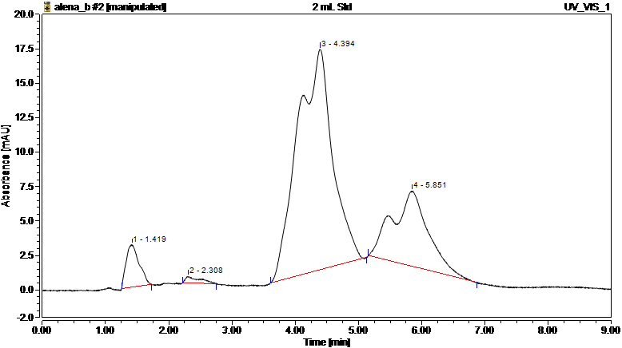

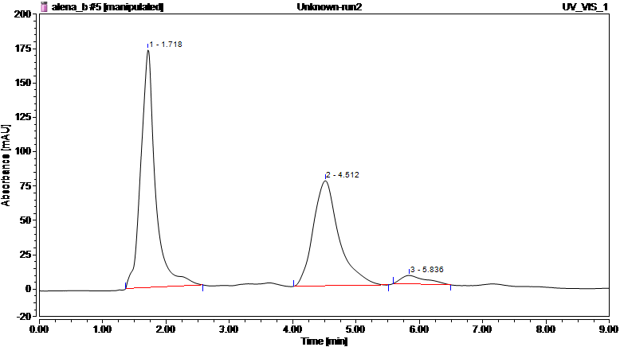

capsaicin

capsaicin
methanol

dihydrocapsaicin
capsaicin

methanol
dihydrocapsaicin
methanol

dihydrocapsaicin


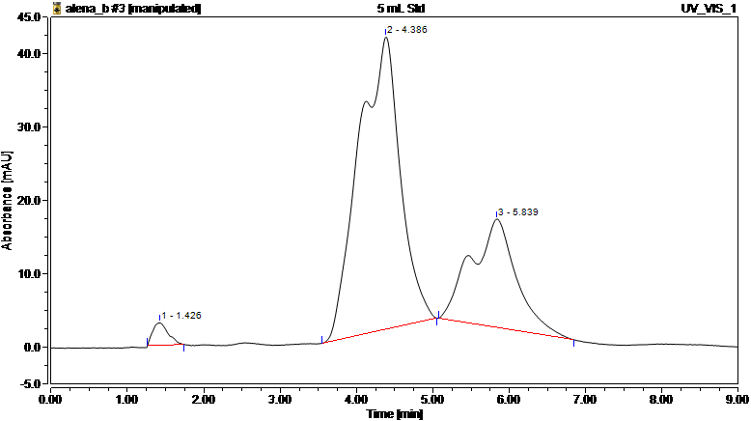
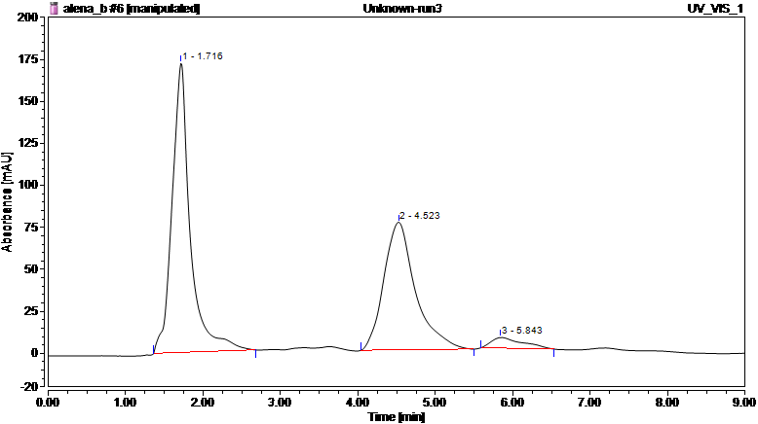

capsaicin
capsaicin

methanol

dihydrocapsaicin
capsaicin

dihydrocapsaicin
methanol
methanol
dihydrocapsaicin

