Infliximab
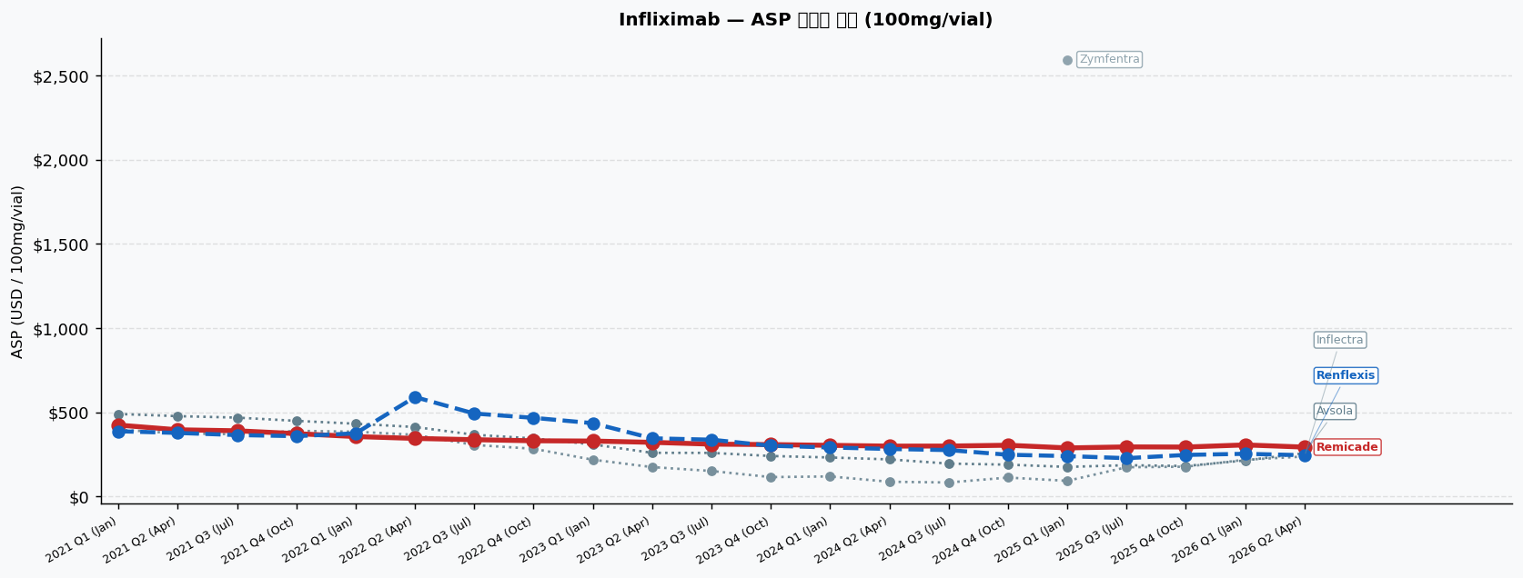
Infliximab | ASP 분기별 추이 | 기준: 100mg/vial ★ Samsung Bioepis 제품 포함
Brand | INN Suffix / HCPCS | Company | 2021 Q1 (Jan) | 2021 Q2 (Apr) | 2021 Q3 (Jul) | 2021 Q4 (Oct) | 2022 Q1 (Jan) | 2022 Q2 (Apr) | 2022 Q3 (Jul) | 2022 Q4 (Oct) | 2023 Q1 (Jan) | 2023 Q2 (Apr) | 2023 Q3 (Jul) | 2023 Q4 (Oct) | 2024 Q1 (Jan) | 2024 Q2 (Apr) | 2024 Q3 (Jul) | 2024 Q4 (Oct) | 2025 Q1 (Jan) | 2025 Q3 (Jul) | 2025 Q4 (Oct) | 2026 Q1 (Jan) | 2026 Q2 (Apr)
Remicade [Originator] | J1745 | J&J (Janssen) | $423.60 PL:$449.02 | J1745 | $395.77 ▼6.6% PL:$419.52 | J1745 | $389.80 ▼1.5% PL:$413.19 | J1745 | $372.94 ▼4.3% PL:$395.32 | J1745 | $355.49 ▼4.7% PL:$376.82 | J1745 | $344.46 ▼3.1% PL:$365.13 | J1745 | $336.92 ▼2.2% PL:$357.13 | J1745 | $330.40 ▼1.9% PL:$350.22 | J1745 | $328.89 PL:$348.62 | J1745 | $321.16 ▼2.3% PL:$340.43 | J1745 | $310.44 ▼3.3% PL:$329.07 | J1745 | $307.90 ▼0.8% PL:$326.37 | J1745 | $303.41 ▼1.5% PL:$321.61 | J1745 | $298.78 ▼1.5% PL:$316.71 | J1745 | $299.12 PL:$317.07 | J1745 | $303.99 ▲1.6% PL:$322.23 | J1745 | $287.97 ▼5.3% PL:$305.25 | J1745 | $294.14 ▲2.1% PL:$311.79 | J1745 | $293.30 PL:$310.90 | J1745 | $305.88 ▲4.3% PL:$324.23 | J1745 | $292.84 ▼4.3% PL:$310.41 | J1745
Renflexis [Samsung Bioepis] | infliximab-abda | Samsung Bioepis | $386.97 ★IRA PL:$420.86 | Q5104 | $377.09 ★IRA ▼2.6% PL:$408.75 | Q5104 | $364.39 ★IRA ▼3.4% PL:$395.57 | Q5104 | $358.08 ★IRA ▼1.7% PL:$387.92 | Q5104 | $374.51 ▲4.6% PL:$395.84 | Q5104 | $590.28 ▲57.6% PL:$610.95 | Q5104 | $492.32 ▼16.6% PL:$512.53 | Q5104 | $466.67 ▼5.2% PL:$486.49 | Q5104 | $434.98 ▼6.8% PL:$454.71 | Q5104 | $345.03 ▼20.7% PL:$364.30 | Q5104 | $336.84 ▼2.4% PL:$355.47 | Q5104 | $300.99 ★IRA ▼10.6% PL:$325.62 | Q5104 | $290.72 ★IRA ▼3.4% PL:$314.99 | Q5104 | $281.89 ★IRA ▼3.0% PL:$305.79 | Q5104 | $275.18 ★IRA ▼2.4% PL:$299.11 | Q5104 | $247.50 ★IRA ▼10.1% PL:$271.82 | Q5104 | $239.59 ★IRA ▼3.2% PL:$262.63 | Q5104 | $227.00 ★IRA ▼5.3% PL:$250.53 | Q5104 | $246.53 ★IRA ▲8.6% PL:$269.99 | Q5104 | $253.07 ★IRA ▲2.7% PL:$277.54 | Q5104 | $244.60 ★IRA ▼3.3% PL:$268.03 | Q5104
Inflectra | infliximab-dyyb | Pfizer/Celltrion | $396.70 ★IRA PL:$430.59 | Q5103 | $374.45 ★IRA ▼5.6% PL:$406.11 | Q5103 | $369.34 ★IRA ▼1.4% PL:$400.52 | Q5103 | $389.50 ▲5.5% PL:$411.88 | Q5103 | $384.41 ▼1.3% PL:$405.74 | Q5103 | $366.15 ▼4.7% PL:$386.82 | Q5103 | $305.62 ★IRA ▼16.5% PL:$332.57 | Q5103 | $283.02 ★IRA ▼7.4% PL:$309.45 | Q5103 | $217.86 ★IRA ▼23.0% PL:$244.17 | Q5103 | $174.14 ★IRA ▼20.1% PL:$199.83 | Q5103 | $150.97 ★IRA ▼13.3% PL:$175.81 | Q5103 | $114.68 ★IRA ▼24.0% PL:$139.31 | Q5103 | $118.67 ★IRA ▲3.5% PL:$142.94 | Q5103 | $87.02 ★IRA ▼26.7% PL:$110.92 | Q5103 | $82.70 ★IRA ▼5.0% PL:$106.63 | Q5103 | $111.86 ★IRA ▲35.3% PL:$136.18 | Q5103 | $92.46 ★IRA ▼17.3% PL:$115.50 | Q5103 | $173.26 ★IRA ▲87.4% PL:$196.79 | Q5103 | $176.44 ★IRA ▲1.8% PL:$199.90 | Q5103 | $217.73 ★IRA ▲23.4% PL:$242.20 | Q5103 | $236.92 ★IRA ▲8.8% PL:$260.35 | Q5103
Avsola | infliximab-axxq | Amgen | $489.58 PL:$515.00 | Q5121 | $476.86 ▼2.6% PL:$500.61 | Q5121 | $468.13 ▼1.8% PL:$491.52 | Q5121 | $448.79 ▼4.1% PL:$471.17 | Q5121 | $431.71 ▼3.8% PL:$453.04 | Q5121 | $412.23 ▼4.5% PL:$432.90 | Q5121 | $366.28 ▼11.1% PL:$386.49 | Q5121 | $344.37 ▼6.0% PL:$364.19 | Q5121 | $308.71 ★IRA ▼10.4% PL:$335.02 | Q5121 | $258.90 ★IRA ▼16.1% PL:$284.59 | Q5121 | $258.50 ★IRA PL:$283.34 | Q5121 | $240.05 ★IRA ▼7.1% PL:$264.68 | Q5121 | $231.28 ★IRA ▼3.7% PL:$255.55 | Q5121 | $219.83 ★IRA ▼5.0% PL:$243.73 | Q5121 | $194.96 ★IRA ▼11.3% PL:$218.89 | Q5121 | $188.58 ★IRA ▼3.3% PL:$212.90 | Q5121 | $175.21 ★IRA ▼7.1% PL:$198.25 | Q5121 | $185.33 ★IRA ▲5.8% PL:$208.86 | Q5121 | $180.59 ★IRA ▼2.6% PL:$204.05 | Q5121 | $213.64 ★IRA ▲18.3% PL:$238.11 | Q5121 | $256.97 ★IRA ▲20.3% PL:$280.40 | Q5121
Zymfentra | infliximab-dyyb SC | Celltrion | — | — | — | — | — | — | — | — | — | — | — | — | — | — | — | — | $2,594.98 PL:$2,612.26 | J1748 | — | — | — | —

범례: ★IRA = IRA qualifying (+8% add-on 적용) | ▲▼ = 전분기 대비 변화율 | PL = Payment Limit

Ranibizumab
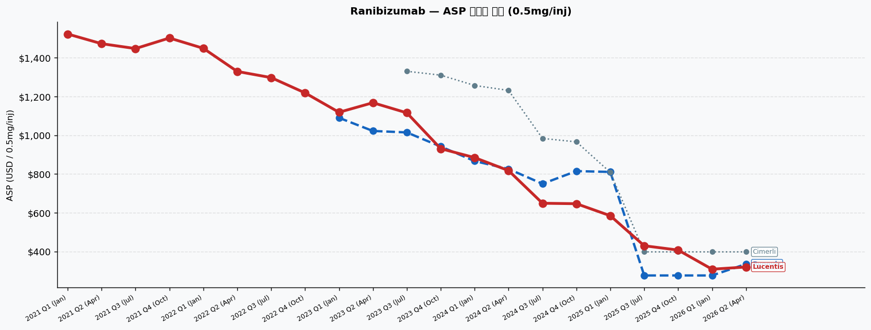
Ranibizumab | ASP 분기별 추이 | 기준: 0.5mg/inj ★ Samsung Bioepis 제품 포함
Brand | INN Suffix / HCPCS | Company | 2021 Q1 (Jan) | 2021 Q2 (Apr) | 2021 Q3 (Jul) | 2021 Q4 (Oct) | 2022 Q1 (Jan) | 2022 Q2 (Apr) | 2022 Q3 (Jul) | 2022 Q4 (Oct) | 2023 Q1 (Jan) | 2023 Q2 (Apr) | 2023 Q3 (Jul) | 2023 Q4 (Oct) | 2024 Q1 (Jan) | 2024 Q2 (Apr) | 2024 Q3 (Jul) | 2024 Q4 (Oct) | 2025 Q1 (Jan) | 2025 Q3 (Jul) | 2025 Q4 (Oct) | 2026 Q1 (Jan) | 2026 Q2 (Apr)
Lucentis [Originator] | J2778 | Genentech (Roche) | $1,522.89 PL:$1,614.27 | J2778 | $1,472.94 ▼3.3% PL:$1,561.31 | J2778 | $1,447.77 ▼1.7% PL:$1,534.64 | J2778 | $1,502.23 ▲3.8% PL:$1,592.36 | J2778 | $1,449.05 ▼3.5% PL:$1,535.99 | J2778 | $1,329.63 ▼8.2% PL:$1,409.41 | J2778 | $1,297.83 ▼2.4% PL:$1,375.70 | J2778 | $1,218.91 ▼6.1% PL:$1,292.04 | J2778 | $1,118.84 ▼8.2% PL:$1,185.97 | J2778 | $1,168.17 ▲4.4% PL:$1,238.26 | J2778 | $1,115.96 ▼4.5% PL:$1,182.91 | J2778 | $931.00 ▼16.6% PL:$986.86 | J2778 | $884.68 ▼5.0% PL:$937.76 | J2778 | $817.82 ▼7.6% PL:$866.89 | J2778 | $649.18 ▼20.6% PL:$688.13 | J2778 | $646.87 PL:$685.68 | J2778 | $584.81 ▼9.6% PL:$619.89 | J2778 | $429.77 ▼26.5% PL:$455.56 | J2778 | $407.47 ▼5.2% PL:$431.92 | J2778 | $308.69 ▼24.2% PL:$327.21 | J2778 | $320.06 ▲3.7% PL:$339.26 | J2778
Byooviz [Samsung Bioepis] | ranibizumab-nuna | Samsung Bioepis | — | — | — | — | — | — | — | — | $1,090.24 ★IRA PL:$1,179.75 | Q5124 | $1,022.39 ★IRA ▼6.2% PL:$1,115.84 | Q5124 | $1,014.86 ★IRA ▼0.7% PL:$1,104.14 | Q5124 | $941.90 ▼7.2% PL:$997.76 | Q5124 | $866.78 ★IRA ▼8.0% PL:$937.55 | Q5124 | $826.22 ▼4.7% PL:$875.29 | Q5124 | $749.61 ▼9.3% PL:$788.56 | Q5124 | $815.18 ▲8.7% PL:$854.00 | Q5124 | $810.91 ▼0.5% PL:$846.00 | Q5124 | $276.38 ★IRA ▼65.9% PL:$310.76 | Q5124 | $276.38 ★IRA PL:$308.98 | Q5124 | $276.38 ★IRA PL:$301.08 | Q5124 | $335.32 ▲21.3% PL:$354.52 | Q5124
Cimerli | ranibizumab-eqrn | Coherus | — | — | — | — | — | — | — | — | — | — | $1,330.53 PL:$1,397.49 | Q5128 | $1,310.46 ▼1.5% PL:$1,366.32 | Q5128 | $1,257.31 ▼4.1% PL:$1,310.39 | Q5128 | $1,231.77 ▼2.0% PL:$1,280.83 | Q5128 | $983.88 ▼20.1% PL:$1,022.84 | Q5128 | $966.24 ▼1.8% PL:$1,005.05 | Q5128 | $808.63 ▼16.3% PL:$843.72 | Q5128 | $398.18 ★IRA ▼50.8% PL:$432.57 | Q5128 | $398.18 ★IRA PL:$430.78 | Q5128 | $398.18 PL:$416.70 | Q5128 | $398.18 PL:$417.38 | Q5128

범례: ★IRA = IRA qualifying (+8% add-on 적용) | ▲▼ = 전분기 대비 변화율 | PL = Payment Limit

Trastuzumab
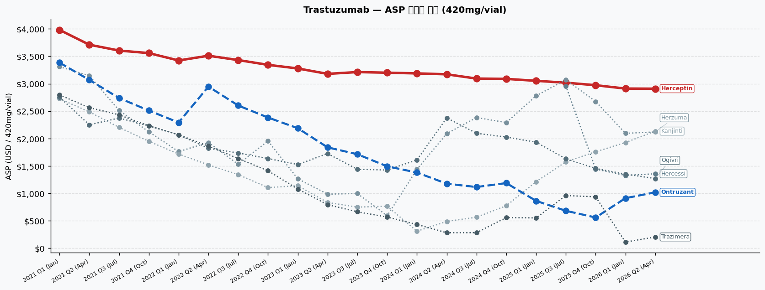
Trastuzumab | ASP 분기별 추이 | 기준: 420mg/vial ★ Samsung Bioepis 제품 포함
Brand | INN Suffix / HCPCS | Company | 2021 Q1 (Jan) | 2021 Q2 (Apr) | 2021 Q3 (Jul) | 2021 Q4 (Oct) | 2022 Q1 (Jan) | 2022 Q2 (Apr) | 2022 Q3 (Jul) | 2022 Q4 (Oct) | 2023 Q1 (Jan) | 2023 Q2 (Apr) | 2023 Q3 (Jul) | 2023 Q4 (Oct) | 2024 Q1 (Jan) | 2024 Q2 (Apr) | 2024 Q3 (Jul) | 2024 Q4 (Oct) | 2025 Q1 (Jan) | 2025 Q3 (Jul) | 2025 Q4 (Oct) | 2026 Q1 (Jan) | 2026 Q2 (Apr)
Herceptin [Originator] | J9355 | Genentech (Roche) | $3,981.80 PL:$4,220.71 | J9355 | $3,711.89 ▼6.8% PL:$3,934.60 | J9355 | $3,604.71 ▼2.9% PL:$3,820.99 | J9355 | $3,558.55 ▼1.3% PL:$3,772.06 | J9355 | $3,423.79 ▼3.8% PL:$3,629.22 | J9355 | $3,510.45 ▲2.5% PL:$3,721.07 | J9355 | $3,431.60 ▼2.2% PL:$3,637.49 | J9355 | $3,344.19 ▼2.5% PL:$3,544.84 | J9355 | $3,278.50 ▼2.0% PL:$3,475.21 | J9355 | $3,179.68 ▼3.0% PL:$3,370.46 | J9355 | $3,212.56 ▲1.0% PL:$3,405.32 | J9355 | $3,200.92 PL:$3,392.97 | J9355 | $3,188.24 PL:$3,379.53 | J9355 | $3,171.71 ▼0.5% PL:$3,362.02 | J9355 | $3,093.82 ▼2.5% PL:$3,279.44 | J9355 | $3,088.19 PL:$3,273.48 | J9355 | $3,052.96 ▼1.1% PL:$3,236.14 | J9355 | $3,018.49 ▼1.1% PL:$3,199.60 | J9355 | $2,972.69 ▼1.5% PL:$3,151.05 | J9355 | $2,911.59 ▼2.1% PL:$3,086.29 | J9355 | $2,909.29 PL:$3,083.85 | J9355
Ontruzant [Samsung Bioepis] | trastuzumab-dttb | Samsung Bioepis | $3,384.43 ★IRA PL:$3,702.97 | Q5112 | $3,069.94 ★IRA ▼9.3% PL:$3,366.89 | Q5112 | $2,738.77 ★IRA ▼10.8% PL:$3,027.15 | Q5112 | $2,510.42 ★IRA ▼8.3% PL:$2,795.10 | Q5112 | $2,292.51 ★IRA ▼8.7% PL:$2,566.41 | Q5112 | $2,948.38 ★IRA ▲28.6% PL:$3,229.21 | Q5112 | $2,602.35 ★IRA ▼11.7% PL:$2,876.87 | Q5112 | $2,383.50 ★IRA ▼8.4% PL:$2,651.04 | Q5112 | $2,188.13 ★IRA ▼8.2% PL:$2,450.41 | Q5112 | $1,839.45 ★IRA ▼15.9% PL:$2,093.83 | Q5112 | $1,713.93 ★IRA ▼6.8% PL:$1,970.93 | Q5112 | $1,493.27 ★IRA ▼12.9% PL:$1,749.34 | Q5112 | $1,380.25 ★IRA ▼7.6% PL:$1,635.31 | Q5112 | $1,176.66 ★IRA ▼14.8% PL:$1,430.39 | Q5112 | $1,115.60 ★IRA ▼5.2% PL:$1,363.11 | Q5112 | $1,187.87 ★IRA ▲6.5% PL:$1,434.93 | Q5112 | $863.26 ★IRA ▼27.3% PL:$1,107.50 | Q5112 | $681.89 ★IRA ▼21.0% PL:$923.37 | Q5112 | $560.23 ★IRA ▼17.8% PL:$798.04 | Q5112 | $912.50 ★IRA ▲62.9% PL:$1,145.42 | Q5112 | $1,019.19 ★IRA ▲11.7% PL:$1,251.94 | Q5112
Herzuma | trastuzumab-pkrb | Celltrion/Teva | $3,311.31 ★IRA PL:$3,629.85 | Q5113 | $3,146.80 ★IRA ▼5.0% PL:$3,443.75 | Q5113 | $2,515.63 ★IRA ▼20.1% PL:$2,804.00 | Q5113 | $2,122.04 ★IRA ▼15.6% PL:$2,406.73 | Q5113 | $1,762.93 ★IRA ▼16.9% PL:$2,036.83 | Q5113 | $1,927.86 ★IRA ▲9.4% PL:$2,208.70 | Q5113 | $1,529.58 ★IRA ▼20.7% PL:$1,804.11 | Q5113 | $1,957.25 ★IRA ▲28.0% PL:$2,224.78 | Q5113 | $1,266.48 ★IRA ▼35.3% PL:$1,528.76 | Q5113 | $985.72 ★IRA ▼22.2% PL:$1,240.09 | Q5113 | $997.53 ★IRA ▲1.2% PL:$1,254.54 | Q5113 | $591.61 ★IRA ▼40.7% PL:$847.69 | Q5113 | $1,437.84 ★IRA ▲143.0% PL:$1,692.89 | Q5113 | $2,089.74 ★IRA ▲45.3% PL:$2,343.47 | Q5113 | $2,383.04 ★IRA ▲14.0% PL:$2,630.54 | Q5113 | $2,291.30 ★IRA ▼3.8% PL:$2,538.35 | Q5113 | $2,778.84 ★IRA ▲21.3% PL:$3,023.08 | Q5113 | $3,073.55 ▲10.6% PL:$3,254.66 | Q5113 | $2,675.64 ★IRA ▼12.9% PL:$2,913.46 | Q5113 | $2,095.17 ★IRA ▼21.7% PL:$2,328.10 | Q5113 | $2,120.05 ★IRA ▲1.2% PL:$2,352.80 | Q5113
Ogivri | trastuzumab-dkst | Viatris | $2,756.23 ★IRA PL:$3,074.78 | Q5114 | $2,250.56 ★IRA ▼18.3% PL:$2,547.51 | Q5114 | $2,374.42 ★IRA ▲5.5% PL:$2,662.80 | Q5114 | $2,231.37 ★IRA ▼6.0% PL:$2,516.05 | Q5114 | $2,066.13 ★IRA ▼7.4% PL:$2,340.03 | Q5114 | $1,823.83 ★IRA ▼11.7% PL:$2,104.66 | Q5114 | $1,736.68 ★IRA ▼4.8% PL:$2,011.21 | Q5114 | $1,635.82 ★IRA ▼5.8% PL:$1,903.36 | Q5114 | $1,526.79 ★IRA ▼6.7% PL:$1,789.07 | Q5114 | $1,725.17 ★IRA ▲13.0% PL:$1,979.54 | Q5114 | $1,440.00 ★IRA ▼16.5% PL:$1,697.01 | Q5114 | $1,425.61 ★IRA ▼1.0% PL:$1,681.68 | Q5114 | $1,610.92 ★IRA ▲13.0% PL:$1,865.98 | Q5114 | $2,376.22 ★IRA ▲47.5% PL:$2,629.96 | Q5114 | $2,095.42 ★IRA ▼11.8% PL:$2,342.93 | Q5114 | $2,027.58 ★IRA ▼3.2% PL:$2,274.64 | Q5114 | $1,933.04 ★IRA ▼4.7% PL:$2,177.28 | Q5114 | $1,631.30 ★IRA ▼15.6% PL:$1,872.78 | Q5114 | $1,454.53 ★IRA ▼10.8% PL:$1,692.35 | Q5114 | $1,350.85 ★IRA ▼7.1% PL:$1,583.78 | Q5114 | $1,270.14 ★IRA ▼6.0% PL:$1,502.89 | Q5114
Trazimera | trastuzumab-qyyp | Pfizer | $2,796.51 ★IRA PL:$3,115.06 | Q5116 | $2,563.54 ★IRA ▼8.3% PL:$2,860.49 | Q5116 | $2,432.72 ★IRA ▼5.1% PL:$2,721.10 | Q5116 | $2,232.42 ★IRA ▼8.2% PL:$2,517.10 | Q5116 | $2,069.15 ★IRA ▼7.3% PL:$2,343.05 | Q5116 | $1,861.84 ★IRA ▼10.0% PL:$2,142.67 | Q5116 | $1,635.63 ★IRA ▼12.1% PL:$1,910.16 | Q5116 | $1,412.72 ★IRA ▼13.6% PL:$1,680.25 | Q5116 | $1,079.03 ★IRA ▼23.6% PL:$1,341.31 | Q5116 | $794.70 ★IRA ▼26.4% PL:$1,049.08 | Q5116 | $663.97 ★IRA ▼16.5% PL:$920.98 | Q5116 | $568.05 ★IRA ▼14.4% PL:$824.12 | Q5116 | $432.36 ★IRA ▼23.9% PL:$687.41 | Q5116 | $282.39 ★IRA ▼34.7% PL:$536.13 | Q5116 | $283.54 ★IRA PL:$531.05 | Q5116 | $558.08 ★IRA ▲96.8% PL:$805.14 | Q5116 | $552.46 ★IRA ▼1.0% PL:$796.70 | Q5116 | $960.39 ★IRA ▲73.8% PL:$1,201.87 | Q5116 | $937.81 ★IRA ▼2.4% PL:$1,175.62 | Q5116 | $111.68 ★IRA ▼88.1% PL:$344.61 | Q5116 | $205.11 ★IRA ▲83.7% PL:$437.85 | Q5116
Kanjinti | trastuzumab-anns | Amgen | $2,726.41 ★IRA PL:$3,044.96 | Q5117 | $2,487.23 ★IRA ▼8.8% PL:$2,784.18 | Q5117 | $2,203.90 ★IRA ▼11.4% PL:$2,492.28 | Q5117 | $1,949.00 ★IRA ▼11.6% PL:$2,233.69 | Q5117 | $1,717.27 ★IRA ▼11.9% PL:$1,991.18 | Q5117 | $1,520.21 ★IRA ▼11.5% PL:$1,801.04 | Q5117 | $1,342.09 ★IRA ▼11.7% PL:$1,616.62 | Q5117 | $1,105.82 ★IRA ▼17.6% PL:$1,373.36 | Q5117 | $1,139.39 ★IRA ▲3.0% PL:$1,401.67 | Q5117 | $834.52 ★IRA ▼26.8% PL:$1,088.89 | Q5117 | $749.31 ★IRA ▼10.2% PL:$1,006.32 | Q5117 | $766.25 ★IRA ▲2.3% PL:$1,022.32 | Q5117 | $309.84 ★IRA ▼59.6% PL:$564.90 | Q5117 | $488.86 ★IRA ▲57.8% PL:$742.60 | Q5117 | $564.73 ★IRA ▲15.5% PL:$812.24 | Q5117 | $774.89 ★IRA ▲37.2% PL:$1,021.94 | Q5117 | $1,212.66 ★IRA ▲56.5% PL:$1,456.90 | Q5117 | $1,576.07 ★IRA ▲30.0% PL:$1,817.55 | Q5117 | $1,759.16 ★IRA ▲11.6% PL:$1,996.97 | Q5117 | $1,927.51 ★IRA ▲9.6% PL:$2,160.44 | Q5117 | $2,135.17 ★IRA ▲10.8% PL:$2,367.92 | Q5117
Hercessi | trastuzumab-strf | Accord/Intas | — | — | — | — | — | — | — | — | — | — | — | — | — | — | — | — | — | $2,958.12 ★IRA PL:$3,199.60 | Q5146 | $1,443.23 ★IRA ▼51.2% PL:$1,681.05 | Q5146 | $1,327.41 ★IRA ▼8.0% PL:$1,560.34 | Q5146 | $1,357.59 ★IRA ▲2.3% PL:$1,590.33 | Q5146

범례: ★IRA = IRA qualifying (+8% add-on 적용) | ▲▼ = 전분기 대비 변화율 | PL = Payment Limit

Denosumab
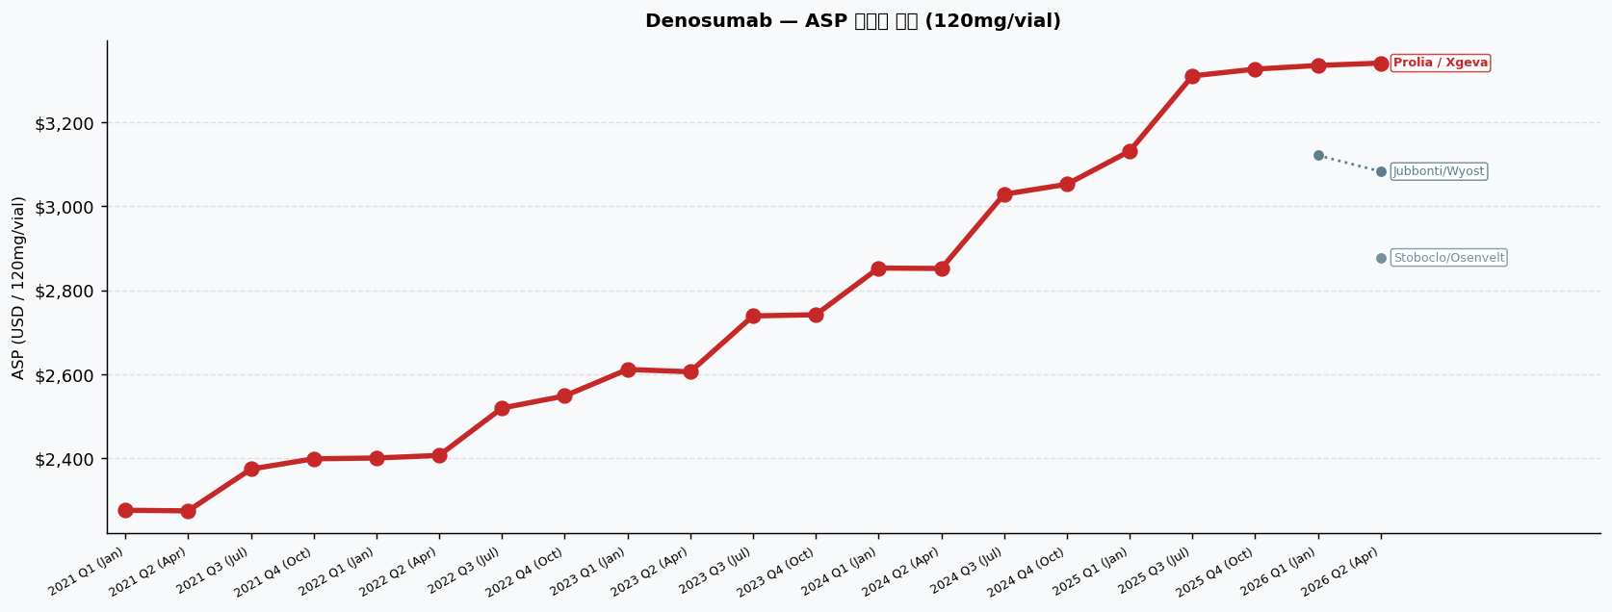
Denosumab | ASP 분기별 추이 | 기준: 120mg/vial (시장 검증용)
Brand | INN Suffix / HCPCS | Company | 2021 Q1 (Jan) | 2021 Q2 (Apr) | 2021 Q3 (Jul) | 2021 Q4 (Oct) | 2022 Q1 (Jan) | 2022 Q2 (Apr) | 2022 Q3 (Jul) | 2022 Q4 (Oct) | 2023 Q1 (Jan) | 2023 Q2 (Apr) | 2023 Q3 (Jul) | 2023 Q4 (Oct) | 2024 Q1 (Jan) | 2024 Q2 (Apr) | 2024 Q3 (Jul) | 2024 Q4 (Oct) | 2025 Q1 (Jan) | 2025 Q3 (Jul) | 2025 Q4 (Oct) | 2026 Q1 (Jan) | 2026 Q2 (Apr)
Prolia / Xgeva [Originator] | J0897 | Amgen | $2,276.26 PL:$2,412.84 | J0897 | $2,274.79 PL:$2,411.28 | J0897 | $2,374.19 ▲4.4% PL:$2,516.64 | J0897 | $2,398.75 ▲1.0% PL:$2,542.68 | J0897 | $2,400.57 PL:$2,544.60 | J0897 | $2,406.79 PL:$2,551.20 | J0897 | $2,519.43 ▲4.7% PL:$2,670.60 | J0897 | $2,548.30 ▲1.1% PL:$2,701.20 | J0897 | $2,611.36 ▲2.5% PL:$2,768.04 | J0897 | $2,605.81 PL:$2,762.16 | J0897 | $2,738.72 ▲5.1% PL:$2,903.04 | J0897 | $2,741.55 PL:$2,906.04 | J0897 | $2,852.60 ▲4.1% PL:$3,023.76 | J0897 | $2,851.58 PL:$3,022.68 | J0897 | $3,028.19 ▲6.2% PL:$3,209.88 | J0897 | $3,052.08 ▲0.8% PL:$3,235.20 | J0897 | $3,130.87 ▲2.6% PL:$3,318.72 | J0897 | $3,309.85 ▲5.7% PL:$3,508.44 | J0897 | $3,326.04 PL:$3,525.60 | J0897 | $3,334.75 PL:$3,534.84 | J0897 | $3,340.42 PL:$3,540.84 | J0897
Jubbonti/Wyost | denosumab-bbdz | Sandoz | — | — | — | — | — | — | — | — | — | — | — | — | — | — | — | — | — | — | — | $3,120.82 ★IRA PL:$3,387.60 | Q5136 | $3,082.45 ★IRA ▼1.2% PL:$3,349.68 | Q5136
Stoboclo/Osenvelt | denosumab-bmwo | Celltrion | — | — | — | — | — | — | — | — | — | — | — | — | — | — | — | — | — | — | — | — | $2,877.85 ★IRA PL:$3,145.08 | Q5157

범례: ★IRA = IRA qualifying (+8% add-on 적용) | ▲▼ = 전분기 대비 변화율 | PL = Payment Limit

Bevacizumab
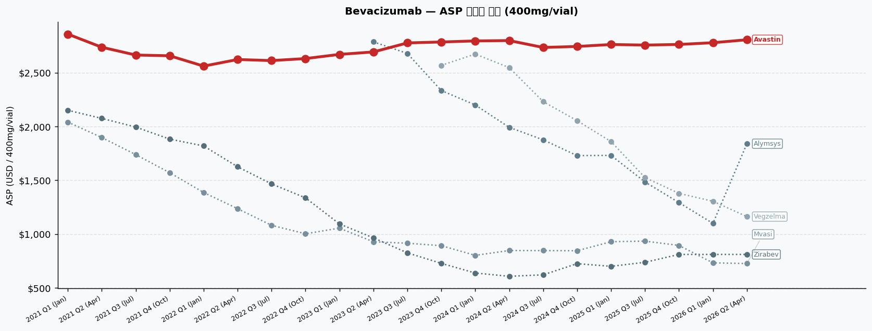
Bevacizumab | ASP 분기별 추이 | 기준: 400mg/vial (시장 검증용)
Brand | INN Suffix / HCPCS | Company | 2021 Q1 (Jan) | 2021 Q2 (Apr) | 2021 Q3 (Jul) | 2021 Q4 (Oct) | 2022 Q1 (Jan) | 2022 Q2 (Apr) | 2022 Q3 (Jul) | 2022 Q4 (Oct) | 2023 Q1 (Jan) | 2023 Q2 (Apr) | 2023 Q3 (Jul) | 2023 Q4 (Oct) | 2024 Q1 (Jan) | 2024 Q2 (Apr) | 2024 Q3 (Jul) | 2024 Q4 (Oct) | 2025 Q1 (Jan) | 2025 Q3 (Jul) | 2025 Q4 (Oct) | 2026 Q1 (Jan) | 2026 Q2 (Apr)
Avastin [Originator] | J9035 | Genentech (Roche) | $2,858.42 PL:$3,029.92 | J9035 | $2,736.38 ▼4.3% PL:$2,900.56 | J9035 | $2,663.96 ▼2.6% PL:$2,823.80 | J9035 | $2,657.06 PL:$2,816.48 | J9035 | $2,560.79 ▼3.6% PL:$2,714.44 | J9035 | $2,622.30 ▲2.4% PL:$2,779.64 | J9035 | $2,612.26 PL:$2,769.00 | J9035 | $2,631.02 ▲0.7% PL:$2,788.88 | J9035 | $2,669.89 ▲1.5% PL:$2,830.08 | J9035 | $2,692.60 ▲0.9% PL:$2,854.16 | J9035 | $2,776.57 ▲3.1% PL:$2,943.16 | J9035 | $2,785.28 PL:$2,952.40 | J9035 | $2,795.21 PL:$2,962.92 | J9035 | $2,798.34 PL:$2,966.24 | J9035 | $2,734.42 ▼2.3% PL:$2,898.48 | J9035 | $2,743.55 PL:$2,908.16 | J9035 | $2,761.89 ▲0.7% PL:$2,927.60 | J9035 | $2,756.57 PL:$2,921.96 | J9035 | $2,762.30 PL:$2,928.04 | J9035 | $2,778.57 ▲0.6% PL:$2,945.28 | J9035 | $2,805.85 ▲1.0% PL:$2,974.20 | J9035
Mvasi | bevacizumab-awwb | Amgen | $2,040.65 ★IRA PL:$2,269.32 | Q5107 | $1,896.81 ★IRA ▼7.0% PL:$2,115.72 | Q5107 | $1,738.12 ★IRA ▼8.4% PL:$1,951.24 | Q5107 | $1,569.72 ★IRA ▼9.7% PL:$1,782.28 | Q5107 | $1,385.86 ★IRA ▼11.7% PL:$1,590.72 | Q5107 | $1,235.46 ★IRA ▼10.9% PL:$1,445.24 | Q5107 | $1,080.58 ★IRA ▼12.5% PL:$1,289.56 | Q5107 | $1,001.92 ★IRA ▼7.3% PL:$1,212.40 | Q5107 | $1,054.25 ★IRA ▲5.2% PL:$1,267.84 | Q5107 | $927.27 ★IRA ▼12.0% PL:$1,142.68 | Q5107 | $913.79 ★IRA ▼1.5% PL:$1,135.92 | Q5107 | $891.30 ★IRA ▼2.5% PL:$1,114.12 | Q5107 | $801.18 ★IRA ▼10.1% PL:$1,024.80 | Q5107 | $846.13 ★IRA ▲5.6% PL:$1,070.00 | Q5107 | $845.41 ★IRA PL:$1,064.16 | Q5107 | $843.92 ★IRA PL:$1,063.40 | Q5107 | $928.13 ★IRA ▲10.0% PL:$1,149.08 | Q5107 | $933.39 ★IRA ▲0.6% PL:$1,153.92 | Q5107 | $893.50 ★IRA ▼4.3% PL:$1,114.48 | Q5107 | $731.31 ★IRA ▼18.2% PL:$953.60 | Q5107 | $724.93 ★IRA ▼0.9% PL:$949.40 | Q5107
Zirabev | bevacizumab-bvzr | Pfizer | $2,150.17 ★IRA PL:$2,378.84 | Q5118 | $2,074.81 ★IRA ▼3.5% PL:$2,293.72 | Q5118 | $1,994.28 ★IRA ▼3.9% PL:$2,207.40 | Q5118 | $1,882.20 ★IRA ▼5.6% PL:$2,094.76 | Q5118 | $1,818.70 ★IRA ▼3.4% PL:$2,023.56 | Q5118 | $1,624.74 ★IRA ▼10.7% PL:$1,834.52 | Q5118 | $1,465.50 ★IRA ▼9.8% PL:$1,674.48 | Q5118 | $1,336.08 ★IRA ▼8.8% PL:$1,546.56 | Q5118 | $1,093.57 ★IRA ▼18.2% PL:$1,307.16 | Q5118 | $963.67 ★IRA ▼11.9% PL:$1,179.08 | Q5118 | $824.59 ★IRA ▼14.4% PL:$1,046.72 | Q5118 | $726.66 ★IRA ▼11.9% PL:$949.48 | Q5118 | $636.82 ★IRA ▼12.4% PL:$860.44 | Q5118 | $606.33 ★IRA ▼4.8% PL:$830.20 | Q5118 | $620.05 ★IRA ▲2.3% PL:$838.80 | Q5118 | $723.96 ★IRA ▲16.8% PL:$943.44 | Q5118 | $699.05 ★IRA ▼3.4% PL:$920.00 | Q5118 | $736.67 ★IRA ▲5.4% PL:$957.20 | Q5118 | $809.66 ★IRA ▲9.9% PL:$1,030.64 | Q5118 | $809.67 ★IRA PL:$1,031.96 | Q5118 | $809.69 ★IRA PL:$1,034.16 | Q5118
Alymsys | bevacizumab-maly | Amneal | — | — | — | — | — | — | — | — | — | $2,786.76 PL:$2,948.32 | Q5126 | $2,678.59 ★IRA ▼3.9% PL:$2,900.72 | Q5126 | $2,333.82 ★IRA ▼12.9% PL:$2,556.64 | Q5126 | $2,199.74 ★IRA ▼5.7% PL:$2,423.36 | Q5126 | $1,991.57 ★IRA ▼9.5% PL:$2,215.44 | Q5126 | $1,875.29 ★IRA ▼5.8% PL:$2,094.04 | Q5126 | $1,728.60 ★IRA ▼7.8% PL:$1,948.08 | Q5126 | $1,730.57 ★IRA PL:$1,951.52 | Q5126 | $1,483.47 ★IRA ▼14.3% PL:$1,704.00 | Q5126 | $1,291.74 ★IRA ▼12.9% PL:$1,512.72 | Q5126 | $1,098.19 ★IRA ▼15.0% PL:$1,320.48 | Q5126 | $1,839.09 ★IRA ▲67.5% PL:$2,063.56 | Q5126
Vegzelma | bevacizumab-adcd | Celltrion | — | — | — | — | — | — | — | — | — | — | — | $2,568.06 ★IRA PL:$2,790.88 | Q5129 | $2,672.86 ★IRA ▲4.1% PL:$2,896.48 | Q5129 | $2,546.85 ★IRA ▼4.7% PL:$2,770.72 | Q5129 | $2,230.89 ★IRA ▼12.4% PL:$2,449.64 | Q5129 | $2,053.48 ★IRA ▼8.0% PL:$2,272.96 | Q5129 | $1,859.09 ★IRA ▼9.5% PL:$2,080.04 | Q5129 | $1,524.23 ★IRA ▼18.0% PL:$1,744.76 | Q5129 | $1,377.58 ★IRA ▼9.6% PL:$1,598.56 | Q5129 | $1,304.03 ★IRA ▼5.3% PL:$1,526.32 | Q5129 | $1,161.69 ★IRA ▼10.9% PL:$1,386.16 | Q5129

범례: ★IRA = IRA qualifying (+8% add-on 적용) | ▲▼ = 전분기 대비 변화율 | PL = Payment Limit

Rituximab
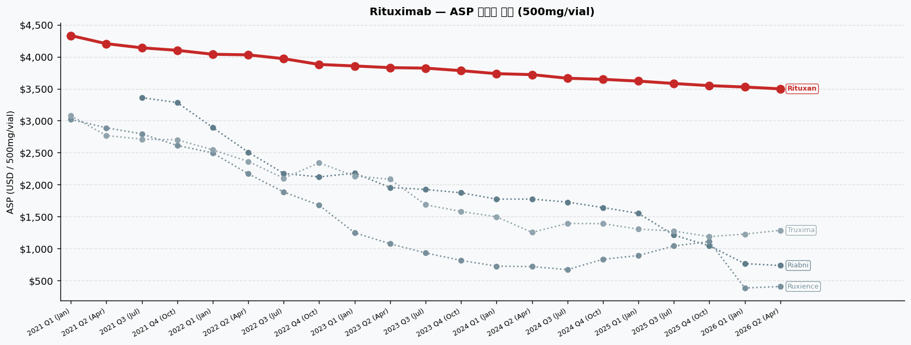
Rituximab | ASP 분기별 추이 | 기준: 500mg/vial (시장 검증용)
Brand | INN Suffix / HCPCS | Company | 2021 Q1 (Jan) | 2021 Q2 (Apr) | 2021 Q3 (Jul) | 2021 Q4 (Oct) | 2022 Q1 (Jan) | 2022 Q2 (Apr) | 2022 Q3 (Jul) | 2022 Q4 (Oct) | 2023 Q1 (Jan) | 2023 Q2 (Apr) | 2023 Q3 (Jul) | 2023 Q4 (Oct) | 2024 Q1 (Jan) | 2024 Q2 (Apr) | 2024 Q3 (Jul) | 2024 Q4 (Oct) | 2025 Q1 (Jan) | 2025 Q3 (Jul) | 2025 Q4 (Oct) | 2026 Q1 (Jan) | 2026 Q2 (Apr)
Rituxan [Originator] | J9312 | Genentech/Biogen | $4,331.89 PL:$4,591.80 | J9312 | $4,204.76 ▼2.9% PL:$4,457.05 | J9312 | $4,140.33 ▼1.5% PL:$4,388.75 | J9312 | $4,100.80 ▼1.0% PL:$4,346.85 | J9312 | $4,039.29 ▼1.5% PL:$4,281.65 | J9312 | $4,029.95 PL:$4,271.75 | J9312 | $3,970.09 ▼1.5% PL:$4,208.30 | J9312 | $3,879.76 ▼2.3% PL:$4,112.55 | J9312 | $3,856.04 ▼0.6% PL:$4,087.40 | J9312 | $3,829.58 ▼0.7% PL:$4,059.35 | J9312 | $3,822.50 PL:$4,051.85 | J9312 | $3,782.64 ▼1.0% PL:$4,009.60 | J9312 | $3,735.75 ▼1.2% PL:$3,959.90 | J9312 | $3,720.38 PL:$3,943.60 | J9312 | $3,663.92 ▼1.5% PL:$3,883.75 | J9312 | $3,646.89 PL:$3,865.70 | J9312 | $3,619.34 ▼0.8% PL:$3,836.50 | J9312 | $3,581.65 ▼1.0% PL:$3,796.55 | J9312 | $3,548.11 ▼0.9% PL:$3,761.00 | J9312 | $3,526.65 ▼0.6% PL:$3,738.25 | J9312 | $3,498.02 ▼0.8% PL:$3,707.90 | J9312
Truxima | rituximab-abbs | Celltrion/Teva | $3,078.35 ★IRA PL:$3,424.90 | Q5115 | $2,766.82 ★IRA ▼10.1% PL:$3,103.20 | Q5115 | $2,710.72 ★IRA ▼2.0% PL:$3,041.95 | Q5115 | $2,700.79 ★IRA PL:$3,028.85 | Q5115 | $2,544.21 ★IRA ▼5.8% PL:$2,867.35 | Q5115 | $2,362.15 ★IRA ▼7.2% PL:$2,684.55 | Q5115 | $2,099.39 ★IRA ▼11.1% PL:$2,417.00 | Q5115 | $2,340.62 ★IRA ▲11.5% PL:$2,651.00 | Q5115 | $2,132.97 ★IRA ▼8.9% PL:$2,441.45 | Q5115 | $2,083.68 ★IRA ▼2.3% PL:$2,390.05 | Q5115 | $1,683.75 ★IRA ▼19.2% PL:$1,989.55 | Q5115 | $1,578.69 ★IRA ▼6.2% PL:$1,881.30 | Q5115 | $1,495.74 ★IRA ▼5.3% PL:$1,794.60 | Q5115 | $1,251.37 ★IRA ▼16.3% PL:$1,549.00 | Q5115 | $1,392.04 ★IRA ▲11.2% PL:$1,685.15 | Q5115 | $1,387.95 ★IRA PL:$1,679.70 | Q5115 | $1,302.10 ★IRA ▼6.2% PL:$1,591.65 | Q5115 | $1,272.47 ★IRA ▼2.3% PL:$1,559.00 | Q5115 | $1,185.10 ★IRA ▼6.9% PL:$1,468.95 | Q5115 | $1,225.12 ★IRA ▲3.4% PL:$1,507.25 | Q5115 | $1,284.06 ★IRA ▲4.8% PL:$1,563.90 | Q5115
Ruxience | rituximab-pvvr | Pfizer | $3,019.60 ★IRA PL:$3,366.15 | Q5119 | $2,888.97 ★IRA ▼4.3% PL:$3,225.35 | Q5119 | $2,792.87 ★IRA ▼3.3% PL:$3,124.10 | Q5119 | $2,611.74 ★IRA ▼6.5% PL:$2,939.80 | Q5119 | $2,495.36 ★IRA ▼4.5% PL:$2,818.50 | Q5119 | $2,168.40 ★IRA ▼13.1% PL:$2,490.80 | Q5119 | $1,883.84 ★IRA ▼13.1% PL:$2,201.45 | Q5119 | $1,676.67 ★IRA ▼11.0% PL:$1,987.05 | Q5119 | $1,245.87 ★IRA ▼25.7% PL:$1,554.35 | Q5119 | $1,072.88 ★IRA ▼13.9% PL:$1,379.25 | Q5119 | $930.10 ★IRA ▼13.3% PL:$1,235.90 | Q5119 | $812.59 ★IRA ▼12.6% PL:$1,115.20 | Q5119 | $723.49 ★IRA ▼11.0% PL:$1,022.35 | Q5119 | $716.12 ★IRA ▼1.0% PL:$1,013.75 | Q5119 | $669.44 ★IRA ▼6.5% PL:$962.55 | Q5119 | $830.10 ★IRA ▲24.0% PL:$1,121.85 | Q5119 | $889.90 ★IRA ▲7.2% PL:$1,179.45 | Q5119 | $1,038.62 ★IRA ▲16.7% PL:$1,325.15 | Q5119 | $1,108.40 ★IRA ▲6.7% PL:$1,392.25 | Q5119 | $381.37 ★IRA ▼65.6% PL:$663.50 | Q5119 | $404.46 ★IRA ▲6.1% PL:$684.30 | Q5119
Riabni | rituximab-arrx | Amgen | — | — | $3,360.27 ★IRA PL:$3,691.50 | Q5123 | $3,283.19 ★IRA ▼2.3% PL:$3,611.25 | Q5123 | $2,893.31 ★IRA ▼11.9% PL:$3,216.45 | Q5123 | $2,507.00 ★IRA ▼13.4% PL:$2,829.40 | Q5123 | $2,174.24 ★IRA ▼13.3% PL:$2,491.85 | Q5123 | $2,119.62 ★IRA ▼2.5% PL:$2,430.00 | Q5123 | $2,179.02 ★IRA ▲2.8% PL:$2,487.50 | Q5123 | $1,953.88 ★IRA ▼10.3% PL:$2,260.25 | Q5123 | $1,923.15 ★IRA ▼1.6% PL:$2,228.95 | Q5123 | $1,871.14 ★IRA ▼2.7% PL:$2,173.75 | Q5123 | $1,772.09 ★IRA ▼5.3% PL:$2,070.95 | Q5123 | $1,773.27 ★IRA PL:$2,070.90 | Q5123 | $1,725.49 ★IRA ▼2.7% PL:$2,018.60 | Q5123 | $1,640.50 ★IRA ▼4.9% PL:$1,932.25 | Q5123 | $1,549.25 ★IRA ▼5.6% PL:$1,838.80 | Q5123 | $1,209.32 ★IRA ▼21.9% PL:$1,495.85 | Q5123 | $1,041.60 ★IRA ▼13.9% PL:$1,325.45 | Q5123 | $762.67 ★IRA ▼26.8% PL:$1,044.80 | Q5123 | $733.01 ★IRA ▼3.9% PL:$1,012.85 | Q5123

범례: ★IRA = IRA qualifying (+8% add-on 적용) | ▲▼ = 전분기 대비 변화율 | PL = Payment Limit

Filgrastim
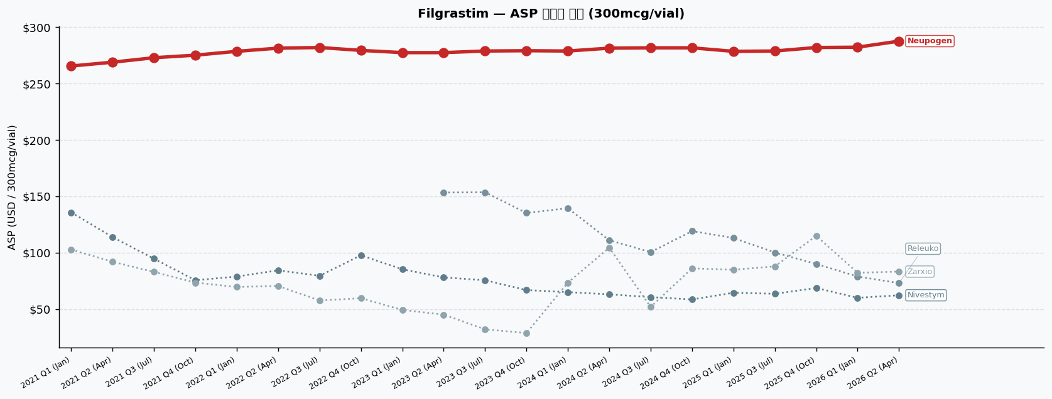
Filgrastim | ASP 분기별 추이 | 기준: 300mcg/vial (시장 검증용)
Brand | INN Suffix / HCPCS | Company | 2021 Q1 (Jan) | 2021 Q2 (Apr) | 2021 Q3 (Jul) | 2021 Q4 (Oct) | 2022 Q1 (Jan) | 2022 Q2 (Apr) | 2022 Q3 (Jul) | 2022 Q4 (Oct) | 2023 Q1 (Jan) | 2023 Q2 (Apr) | 2023 Q3 (Jul) | 2023 Q4 (Oct) | 2024 Q1 (Jan) | 2024 Q2 (Apr) | 2024 Q3 (Jul) | 2024 Q4 (Oct) | 2025 Q1 (Jan) | 2025 Q3 (Jul) | 2025 Q4 (Oct) | 2026 Q1 (Jan) | 2026 Q2 (Apr)
Neupogen [Originator] | J1442 | Amgen | $265.47 PL:$281.40 | J1442 | $268.87 ▲1.3% PL:$285.00 | J1442 | $272.83 ▲1.5% PL:$289.20 | J1442 | $275.09 ▲0.8% PL:$291.60 | J1442 | $278.49 ▲1.2% PL:$295.20 | J1442 | $281.32 ▲1.0% PL:$298.20 | J1442 | $281.89 PL:$298.80 | J1442 | $279.34 ▼0.9% PL:$296.10 | J1442 | $277.36 ▼0.7% PL:$294.00 | J1442 | $277.36 PL:$294.00 | J1442 | $278.77 ▲0.5% PL:$295.50 | J1442 | $279.06 PL:$295.80 | J1442 | $278.77 PL:$295.50 | J1442 | $281.32 ▲0.9% PL:$298.20 | J1442 | $281.60 PL:$298.50 | J1442 | $281.60 PL:$298.50 | J1442 | $278.49 ▼1.1% PL:$295.20 | J1442 | $278.77 PL:$295.50 | J1442 | $281.89 ▲1.1% PL:$298.80 | J1442 | $282.17 PL:$299.10 | J1442 | $287.55 ▲1.9% PL:$304.80 | J1442
Zarxio | filgrastim-sndz | Sandoz | $102.66 ★IRA PL:$123.90 | Q5101 | $91.89 ★IRA ▼10.5% PL:$113.40 | Q5101 | $82.87 ★IRA ▼9.8% PL:$104.70 | Q5101 | $73.39 ★IRA ▼11.4% PL:$95.40 | Q5101 | $69.52 ★IRA ▼5.3% PL:$91.80 | Q5101 | $70.49 ★IRA ▲1.4% PL:$93.00 | Q5101 | $57.55 ★IRA ▼18.4% PL:$80.10 | Q5101 | $59.55 ★IRA ▲3.5% PL:$81.90 | Q5101 | $49.21 ★IRA ▼17.4% PL:$71.40 | Q5101 | $45.01 ★IRA ▼8.5% PL:$67.20 | Q5101 | $32.00 ★IRA ▼28.9% PL:$54.30 | Q5101 | $28.68 ★IRA ▼10.4% PL:$51.00 | Q5101 | $73.40 ★IRA ▲156.0% PL:$95.70 | Q5101 | $104.39 ★IRA ▲42.2% PL:$126.90 | Q5101 | $51.87 ★IRA ▼50.3% PL:$74.40 | Q5101 | $86.07 ★IRA ▲65.9% PL:$108.60 | Q5101 | $84.82 ★IRA ▼1.5% PL:$107.10 | Q5101 | $87.80 ★IRA ▲3.5% PL:$110.10 | Q5101 | $114.85 ★IRA ▲30.8% PL:$137.40 | Q5101 | $82.13 ★IRA ▼28.5% PL:$104.70 | Q5101 | $83.20 ★IRA ▲1.3% PL:$106.20 | Q5101
Nivestym | filgrastim-aafi | Pfizer/Hospira | $135.66 ★IRA PL:$156.90 | Q5110 | $113.79 ★IRA ▼16.1% PL:$135.30 | Q5110 | $94.57 ★IRA ▼16.9% PL:$116.40 | Q5110 | $75.49 ★IRA ▼20.2% PL:$97.50 | Q5110 | $78.82 ★IRA ▲4.4% PL:$101.10 | Q5110 | $84.29 ★IRA ▲6.9% PL:$106.80 | Q5110 | $79.45 ★IRA ▼5.7% PL:$102.00 | Q5110 | $97.65 ★IRA ▲22.9% PL:$120.00 | Q5110 | $85.21 ★IRA ▼12.7% PL:$107.40 | Q5110 | $78.01 ★IRA ▼8.4% PL:$100.20 | Q5110 | $75.50 ★IRA ▼3.2% PL:$97.80 | Q5110 | $66.78 ★IRA ▼11.6% PL:$89.10 | Q5110 | $65.00 ★IRA ▼2.7% PL:$87.30 | Q5110 | $62.99 ★IRA ▼3.1% PL:$85.50 | Q5110 | $60.57 ★IRA ▼3.8% PL:$83.10 | Q5110 | $58.47 ★IRA ▼3.5% PL:$81.00 | Q5110 | $64.42 ★IRA ▲10.2% PL:$86.70 | Q5110 | $63.50 ★IRA ▼1.4% PL:$85.80 | Q5110 | $68.65 ★IRA ▲8.1% PL:$91.20 | Q5110 | $59.93 ★IRA ▼12.7% PL:$82.50 | Q5110 | $62.20 ★IRA ▲3.8% PL:$85.20 | Q5110
Releuko | filgrastim-ayow | Amneal/Kashiv | — | — | — | — | — | — | — | — | — | $153.31 ★IRA PL:$175.50 | Q5125 | $153.50 ★IRA PL:$175.80 | Q5125 | $135.18 ★IRA ▼11.9% PL:$157.50 | Q5125 | $139.40 ★IRA ▲3.1% PL:$161.70 | Q5125 | $110.99 ★IRA ▼20.4% PL:$133.50 | Q5125 | $100.47 ★IRA ▼9.5% PL:$123.00 | Q5125 | $119.07 ★IRA ▲18.5% PL:$141.60 | Q5125 | $113.02 ★IRA ▼5.1% PL:$135.30 | Q5125 | $100.10 ★IRA ▼11.4% PL:$122.40 | Q5125 | $89.95 ★IRA ▼10.1% PL:$112.50 | Q5125 | $78.83 ★IRA ▼12.4% PL:$101.40 | Q5125 | $73.00 ★IRA ▼7.4% PL:$96.00 | Q5125

범례: ★IRA = IRA qualifying (+8% add-on 적용) | ▲▼ = 전분기 대비 변화율 | PL = Payment Limit

Pegfilgrastim
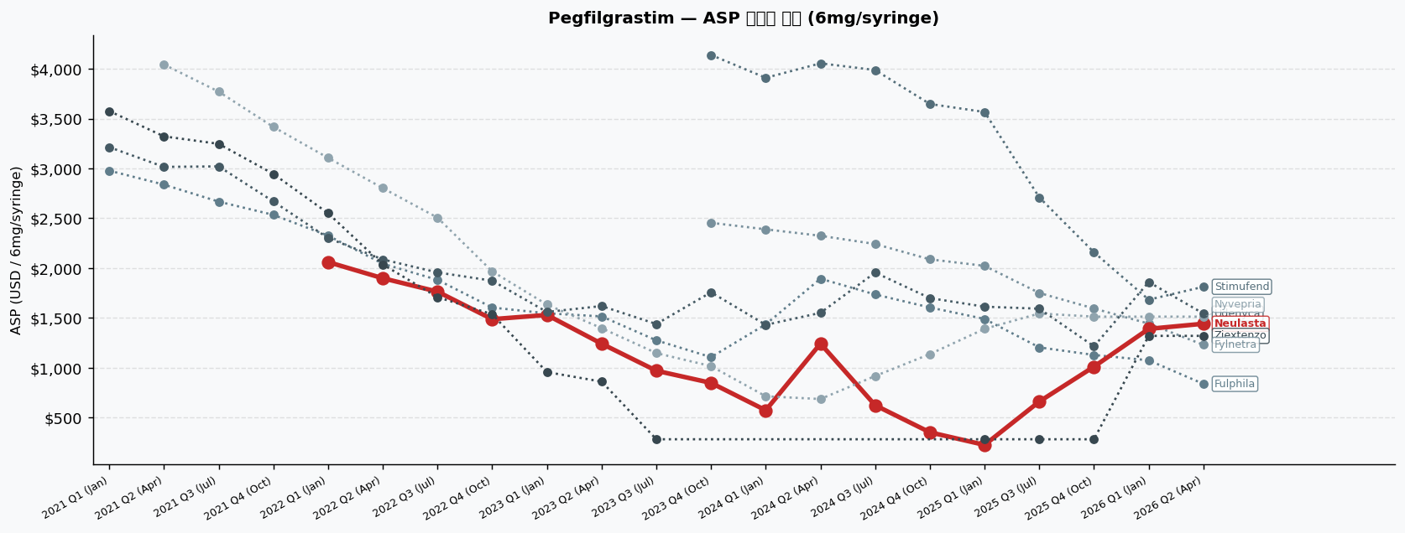
Pegfilgrastim | ASP 분기별 추이 | 기준: 6mg/syringe (시장 검증용)
Brand | INN Suffix / HCPCS | Company | 2021 Q1 (Jan) | 2021 Q2 (Apr) | 2021 Q3 (Jul) | 2021 Q4 (Oct) | 2022 Q1 (Jan) | 2022 Q2 (Apr) | 2022 Q3 (Jul) | 2022 Q4 (Oct) | 2023 Q1 (Jan) | 2023 Q2 (Apr) | 2023 Q3 (Jul) | 2023 Q4 (Oct) | 2024 Q1 (Jan) | 2024 Q2 (Apr) | 2024 Q3 (Jul) | 2024 Q4 (Oct) | 2025 Q1 (Jan) | 2025 Q3 (Jul) | 2025 Q4 (Oct) | 2026 Q1 (Jan) | 2026 Q2 (Apr)
Neulasta [Originator] | J2506 | Amgen | — | — | — | — | $2,060.74 PL:$2,184.38 | J2506 | $1,898.28 ▼7.9% PL:$2,012.17 | J2506 | $1,764.08 ▼7.1% PL:$1,869.92 | J2506 | $1,487.71 ▼15.7% PL:$1,576.97 | J2506 | $1,530.18 ▲2.9% PL:$1,621.99 | J2506 | $1,241.72 ▼18.9% PL:$1,316.22 | J2506 | $970.30 ▼21.9% PL:$1,028.52 | J2506 | $848.47 ▼12.6% PL:$899.38 | J2506 | $573.71 ▼32.4% PL:$608.14 | J2506 | $1,242.50 ▲116.6% PL:$1,317.05 | J2506 | $624.07 ▼49.8% PL:$661.51 | J2506 | $352.57 ▼43.5% PL:$373.73 | J2506 | $226.20 ▼35.8% PL:$239.77 | J2506 | $661.12 ▲192.3% PL:$700.79 | J2506 | $1,011.44 ▲53.0% PL:$1,072.13 | J2506 | $1,390.61 ▲37.5% PL:$1,474.04 | J2506 | $1,442.03 ▲3.7% PL:$1,528.55 | J2506
Fulphila | pegfilgrastim-jmdb | Biocon | $2,977.94 PL:$2,977.94 | Q5108 | $2,837.48 ▼4.7% PL:$2,837.48 | Q5108 | $2,667.13 ▼6.0% PL:$2,667.13 | Q5108 | $2,534.22 ▼5.0% PL:$2,534.22 | Q5108 | $2,326.01 ▼8.2% PL:$2,449.66 | Q5108 | $2,044.28 ▼12.1% PL:$2,158.18 | Q5108 | $1,882.06 ▼7.9% PL:$1,987.91 | Q5108 | $1,604.11 ▼14.8% PL:$1,693.37 | Q5108 | $1,546.71 ▼3.6% PL:$1,638.52 | Q5108 | $1,515.68 ▼2.0% PL:$1,590.18 | Q5108 | $1,275.52 ▼15.8% PL:$1,333.74 | Q5108 | $1,106.66 ▼13.2% PL:$1,157.57 | Q5108 | $1,436.06 ▲29.8% PL:$1,470.48 | Q5108 | $1,893.89 ▲31.9% PL:$1,968.44 | Q5108 | $1,735.62 ▼8.4% PL:$1,773.06 | Q5108 | $1,605.25 ▼7.5% PL:$1,626.41 | Q5108 | $1,490.08 ▼7.2% PL:$1,503.65 | Q5108 | $1,204.79 ▼19.1% PL:$1,244.46 | Q5108 | $1,128.85 ▼6.3% PL:$1,189.54 | Q5108 | $1,075.20 ★IRA ▼4.8% PL:$1,186.45 | Q5108 | $838.61 ★IRA ▼22.0% PL:$953.98 | Q5108
Udenyca | pegfilgrastim-cbqv | Coherus | $3,213.43 PL:$3,213.43 | Q5111 | $3,015.61 ▼6.2% PL:$3,015.61 | Q5111 | $3,020.83 PL:$3,020.83 | Q5111 | $2,668.50 ▼11.7% PL:$2,668.50 | Q5111 | $2,301.54 ▼13.8% PL:$2,425.19 | Q5111 | $2,087.05 ▼9.3% PL:$2,200.94 | Q5111 | $1,956.58 ▼6.3% PL:$2,062.43 | Q5111 | $1,873.94 ▼4.2% PL:$1,963.20 | Q5111 | $1,560.10 ▼16.7% PL:$1,651.91 | Q5111 | $1,619.49 ▲3.8% PL:$1,693.99 | Q5111 | $1,439.17 ▼11.1% PL:$1,497.38 | Q5111 | $1,757.50 ▲22.1% PL:$1,808.41 | Q5111 | $1,430.81 ▼18.6% PL:$1,465.24 | Q5111 | $1,551.28 ▲8.4% PL:$1,625.83 | Q5111 | $1,955.11 ▲26.0% PL:$1,992.55 | Q5111 | $1,699.37 ▼13.1% PL:$1,720.52 | Q5111 | $1,613.03 ▼5.1% PL:$1,626.60 | Q5111 | $1,592.86 ▼1.3% PL:$1,632.53 | Q5111 | $1,215.32 ▼23.7% PL:$1,276.01 | Q5111 | $1,860.43 ▲53.1% PL:$1,943.87 | Q5111 | $1,544.15 ▼17.0% PL:$1,630.67 | Q5111
Ziextenzo | pegfilgrastim-bmez | Sandoz | $3,575.54 PL:$3,575.54 | Q5120 | $3,321.89 ▼7.1% PL:$3,321.89 | Q5120 | $3,246.72 ▼2.3% PL:$3,246.72 | Q5120 | $2,945.17 ▼9.3% PL:$2,945.17 | Q5120 | $2,550.69 ▼13.4% PL:$2,674.33 | Q5120 | $2,036.96 ▼20.1% PL:$2,150.86 | Q5120 | $1,708.52 ★IRA ▼16.1% PL:$1,849.64 | Q5120 | $1,537.31 ▼10.0% PL:$1,626.58 | Q5120 | $956.89 ★IRA ▼37.8% PL:$1,079.30 | Q5120 | $861.41 ★IRA ▼10.0% PL:$960.74 | Q5120 | $282.96 ★IRA ▼67.2% PL:$360.59 | Q5120 | — | — | — | — | — | $282.96 PL:$296.53 | Q5120 | $282.95 ★IRA PL:$335.84 | Q5120 | $282.96 ★IRA PL:$363.88 | Q5120 | $1,320.28 ★IRA ▲366.6% PL:$1,431.53 | Q5120 | $1,320.28 ★IRA PL:$1,435.64 | Q5120
Nyvepria | pegfilgrastim-apgf | Pfizer/Hospira | — | $4,042.75 PL:$4,042.75 | Q5122 | $3,770.57 ▼6.7% PL:$3,770.57 | Q5122 | $3,416.30 ▼9.4% PL:$3,416.30 | Q5122 | $3,106.05 ▼9.1% PL:$3,229.69 | Q5122 | $2,802.64 ▼9.8% PL:$2,916.54 | Q5122 | $2,506.38 ▼10.6% PL:$2,612.22 | Q5122 | $1,967.27 ▼21.5% PL:$2,056.54 | Q5122 | $1,634.55 ▼16.9% PL:$1,726.36 | Q5122 | $1,397.45 ▼14.5% PL:$1,471.96 | Q5122 | $1,147.48 ▼17.9% PL:$1,205.70 | Q5122 | $1,016.85 ▼11.4% PL:$1,067.76 | Q5122 | $714.10 ▼29.8% PL:$748.52 | Q5122 | $686.67 ★IRA ▼3.8% PL:$786.07 | Q5122 | $917.70 ▲33.6% PL:$955.14 | Q5122 | $1,137.42 ▲23.9% PL:$1,158.58 | Q5122 | $1,390.55 ▲22.3% PL:$1,404.12 | Q5122 | $1,544.80 ▲11.1% PL:$1,584.47 | Q5122 | $1,513.21 ▼2.0% PL:$1,573.90 | Q5122 | $1,513.21 PL:$1,596.65 | Q5122 | $1,513.21 PL:$1,599.73 | Q5122
Stimufend | pegfilgrastim-fpgk | Fresenius Kabi | — | — | — | — | — | — | — | — | — | — | — | $4,138.77 PL:$4,189.68 | Q5127 | $3,909.26 ▼5.5% PL:$3,943.68 | Q5127 | $4,054.66 ▲3.7% PL:$4,129.21 | Q5127 | $3,987.27 ▼1.7% PL:$4,024.72 | Q5127 | $3,646.75 ▼8.5% PL:$3,667.91 | Q5127 | $3,566.09 ▼2.2% PL:$3,579.66 | Q5127 | $2,709.68 ▼24.0% PL:$2,749.34 | Q5127 | $2,158.21 ▼20.4% PL:$2,218.90 | Q5127 | $1,683.40 ▼22.0% PL:$1,766.83 | Q5127 | $1,812.56 ▲7.7% PL:$1,899.08 | Q5127
Fylnetra | pegfilgrastim-pbbk | Amneal/Kashiv | — | — | — | — | — | — | — | — | — | — | — | $2,454.64 PL:$2,505.55 | Q5130 | $2,389.27 ▼2.7% PL:$2,423.69 | Q5130 | $2,324.54 ▼2.7% PL:$2,399.09 | Q5130 | $2,241.78 ▼3.6% PL:$2,279.22 | Q5130 | $2,088.06 ▼6.9% PL:$2,109.22 | Q5130 | $2,022.76 ▼3.1% PL:$2,036.33 | Q5130 | $1,750.88 ▼13.4% PL:$1,790.54 | Q5130 | $1,594.89 ▼8.9% PL:$1,655.58 | Q5130 | $1,443.29 ▼9.5% PL:$1,526.72 | Q5130 | $1,230.23 ★IRA ▼14.8% PL:$1,345.60 | Q5130

범례: ★IRA = IRA qualifying (+8% add-on 적용) | ▲▼ = 전분기 대비 변화율 | PL = Payment Limit

Epoetin alfa
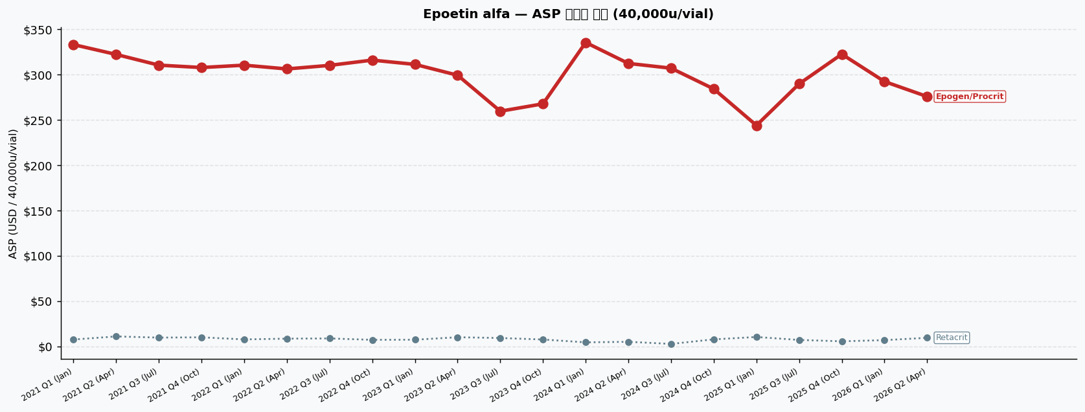
Epoetin alfa | ASP 분기별 추이 | 기준: 40,000u/vial (시장 검증용)
Brand | INN Suffix / HCPCS | Company | 2021 Q1 (Jan) | 2021 Q2 (Apr) | 2021 Q3 (Jul) | 2021 Q4 (Oct) | 2022 Q1 (Jan) | 2022 Q2 (Apr) | 2022 Q3 (Jul) | 2022 Q4 (Oct) | 2023 Q1 (Jan) | 2023 Q2 (Apr) | 2023 Q3 (Jul) | 2023 Q4 (Oct) | 2024 Q1 (Jan) | 2024 Q2 (Apr) | 2024 Q3 (Jul) | 2024 Q4 (Oct) | 2025 Q1 (Jan) | 2025 Q3 (Jul) | 2025 Q4 (Oct) | 2026 Q1 (Jan) | 2026 Q2 (Apr)
Epogen/Procrit [Originator] | J0885 | Amgen/J&J | $332.98 PL:$352.96 | J0885 | $322.11 ▼3.3% PL:$341.44 | J0885 | $310.30 ▼3.7% PL:$328.92 | J0885 | $307.66 ▼0.9% PL:$326.12 | J0885 | $310.26 ▲0.8% PL:$328.88 | J0885 | $306.11 ▼1.3% PL:$324.48 | J0885 | $310.04 ▲1.3% PL:$328.64 | J0885 | $315.85 ▲1.9% PL:$334.80 | J0885 | $311.13 ▼1.5% PL:$329.80 | J0885 | $299.17 ▼3.8% PL:$317.12 | J0885 | $259.47 ▼13.3% PL:$275.04 | J0885 | $267.62 ▲3.1% PL:$283.68 | J0885 | $335.32 ▲25.3% PL:$355.44 | J0885 | $312.19 ▼6.9% PL:$330.92 | J0885 | $306.94 ▼1.7% PL:$325.36 | J0885 | $284.08 ▼7.5% PL:$301.12 | J0885 | $243.81 ▼14.2% PL:$258.44 | J0885 | $289.66 ▲18.8% PL:$307.04 | J0885 | $322.42 ▲11.3% PL:$341.76 | J0885 | $292.19 ▼9.4% PL:$309.72 | J0885 | $275.66 ▼5.7% PL:$292.20 | J0885
Retacrit | epoetin alfa-epbx | Pfizer/Hospira | $7.56 ★IRA PL:$34.20 | Q5105 | $10.99 ★IRA ▲45.4% PL:$36.76 | Q5105 | $9.70 ★IRA ▼11.8% PL:$34.52 | Q5105 | $10.03 ★IRA ▲3.4% PL:$34.64 | Q5105 | $7.70 ★IRA ▼23.2% PL:$32.52 | Q5105 | $8.55 ★IRA ▲11.1% PL:$33.04 | Q5105 | $8.76 ★IRA ▲2.4% PL:$33.56 | Q5105 | $7.25 ★IRA ▼17.2% PL:$32.52 | Q5105 | $7.35 ★IRA ▲1.3% PL:$32.24 | Q5105 | $10.11 ★IRA ▲37.5% PL:$34.04 | Q5105 | $9.24 ★IRA ▼8.6% PL:$30.00 | Q5105 | $7.59 ★IRA ▼17.9% PL:$29.00 | Q5105 | $4.45 ★IRA ▼41.3% PL:$31.28 | Q5105 | $5.06 ★IRA ▲13.7% PL:$30.04 | Q5105 | $2.72 ★IRA ▼46.2% PL:$27.28 | Q5105 | $7.75 ★IRA ▲184.6% PL:$30.48 | Q5105 | $10.38 ★IRA ▲33.8% PL:$29.88 | Q5105 | $7.11 ★IRA ▼31.5% PL:$30.28 | Q5105 | $5.61 ★IRA ▼21.1% PL:$31.40 | Q5105 | $6.90 ★IRA ▲23.2% PL:$30.28 | Q5105 | $9.47 ★IRA ▲37.1% PL:$31.52 | Q5105

범례: ★IRA = IRA qualifying (+8% add-on 적용) | ▲▼ = 전분기 대비 변화율 | PL = Payment Limit

Tocilizumab
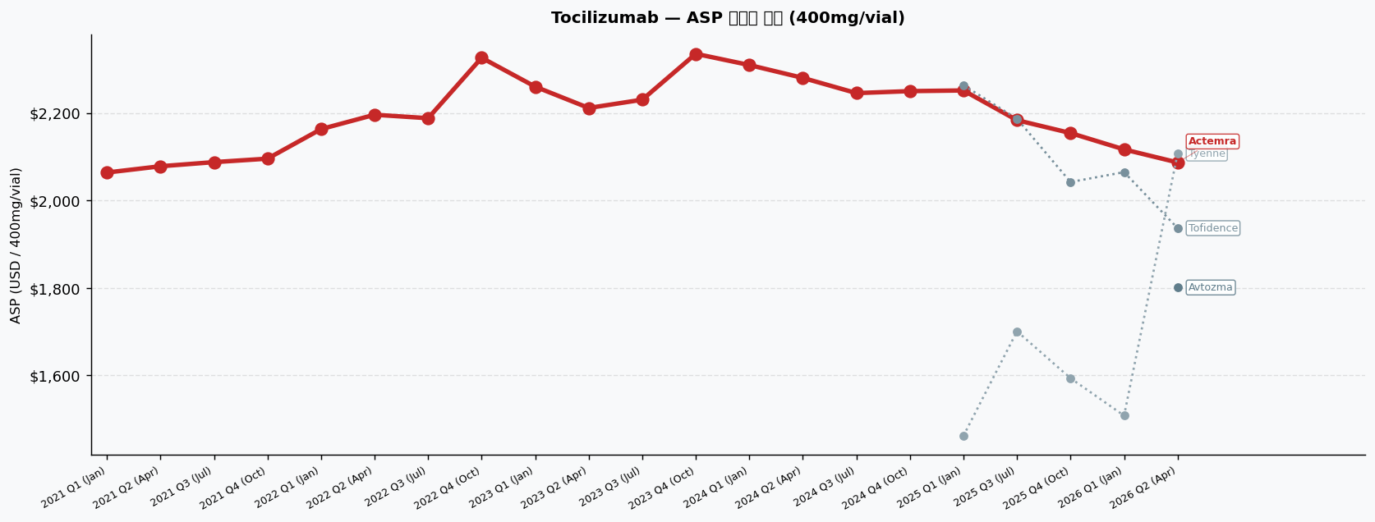
Tocilizumab | ASP 분기별 추이 | 기준: 400mg/vial (시장 검증용)
Brand | INN Suffix / HCPCS | Company | 2021 Q1 (Jan) | 2021 Q2 (Apr) | 2021 Q3 (Jul) | 2021 Q4 (Oct) | 2022 Q1 (Jan) | 2022 Q2 (Apr) | 2022 Q3 (Jul) | 2022 Q4 (Oct) | 2023 Q1 (Jan) | 2023 Q2 (Apr) | 2023 Q3 (Jul) | 2023 Q4 (Oct) | 2024 Q1 (Jan) | 2024 Q2 (Apr) | 2024 Q3 (Jul) | 2024 Q4 (Oct) | 2025 Q1 (Jan) | 2025 Q3 (Jul) | 2025 Q4 (Oct) | 2026 Q1 (Jan) | 2026 Q2 (Apr)
Actemra [Originator] | J3262 | Genentech (Roche) | $2,063.77 PL:$2,187.60 | J3262 | $2,078.11 ▲0.7% PL:$2,202.80 | J3262 | $2,087.55 PL:$2,212.80 | J3262 | $2,095.47 PL:$2,221.20 | J3262 | $2,163.02 ▲3.2% PL:$2,292.80 | J3262 | $2,195.85 ▲1.5% PL:$2,327.60 | J3262 | $2,187.92 PL:$2,319.20 | J3262 | $2,326.04 ▲6.3% PL:$2,465.60 | J3262 | $2,260.00 ▼2.8% PL:$2,395.60 | J3262 | $2,211.32 ▼2.2% PL:$2,344.00 | J3262 | $2,230.19 ▲0.9% PL:$2,364.00 | J3262 | $2,335.09 ▲4.7% PL:$2,475.20 | J3262 | $2,309.43 ▼1.1% PL:$2,448.00 | J3262 | $2,280.00 ▼1.3% PL:$2,416.80 | J3262 | $2,245.28 ▼1.5% PL:$2,380.00 | J3262 | $2,249.81 PL:$2,384.80 | J3262 | $2,251.32 PL:$2,386.40 | J3262 | $2,183.40 ▼3.0% PL:$2,314.40 | J3262 | $2,153.96 ▼1.3% PL:$2,283.20 | J3262 | $2,116.60 ▼1.7% PL:$2,243.60 | J3262 | $2,086.79 ▼1.4% PL:$2,212.00 | J3262
Tofidence | tocilizumab-bavi | Bio-Thera/Organon | — | — | — | — | — | — | — | — | — | — | — | — | — | — | — | — | $2,263.32 PL:$2,398.40 | Q5133 | $2,186.60 ▼3.4% PL:$2,317.60 | Q5133 | $2,042.08 ★IRA ▼6.6% PL:$2,214.40 | Q5133 | $2,064.67 ★IRA ▲1.1% PL:$2,234.00 | Q5133 | $1,936.66 ★IRA ▼6.2% PL:$2,103.60 | Q5133
Tyenne | tocilizumab-aazg | Fresenius Kabi | — | — | — | — | — | — | — | — | — | — | — | — | — | — | — | — | $1,462.29 ★IRA PL:$1,642.40 | Q5135 | $1,700.93 ★IRA ▲16.3% PL:$1,875.60 | Q5135 | $1,593.68 ★IRA ▼6.3% PL:$1,766.00 | Q5135 | $1,508.27 ★IRA ▼5.4% PL:$1,677.60 | Q5135 | $2,107.19 ▲39.7% PL:$2,232.40 | Q0238
Avtozma | tocilizumab-anoh | Celltrion | — | — | — | — | — | — | — | — | — | — | — | — | — | — | — | — | — | — | — | — | $1,801.06 ★IRA PL:$1,968.00 | Q0237

범례: ★IRA = IRA qualifying (+8% add-on 적용) | ▲▼ = 전분기 대비 변화율 | PL = Payment Limit

