Introduction
This document contains mappings of the CIS Critical Security Controls (CIS Controls) and CIS Safeguards to Federal Financial Institutions Examination Council - Cybersecurity Assessment Tool (FFIEC CAT)
This mapping is only to the controls contained in the baseline of the Cybersecurity Maturity section of FFIEC CAT. A full list of these controls is included for reference.
Last updated January 2023

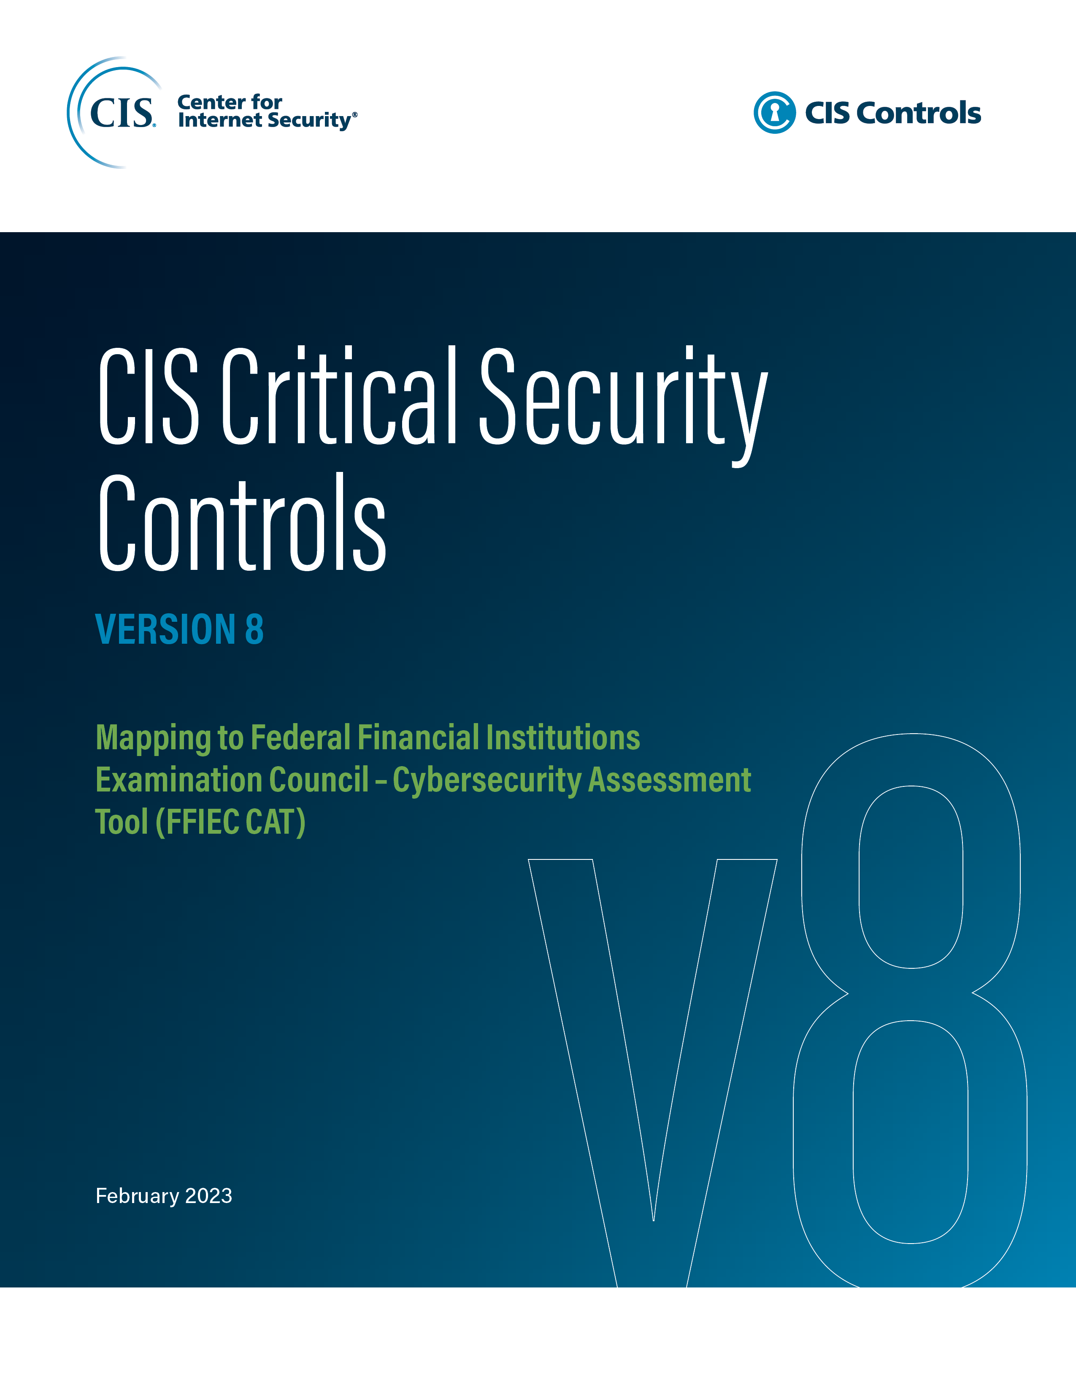

Contact Information
CIS
31 Tech Valley Drive
East Greenbush, NY 12061
518.266.3460
controlsinfo@cisecurity.org

Editors
Thomas Sager

Contributors

