Introduction
This document contains mappings of the CIS Critical Security Controls (CIS Controls) and CIS Safeguards to AICPA Trust Services Criteria (SOC2) March 2020 update
Last updated January 2023
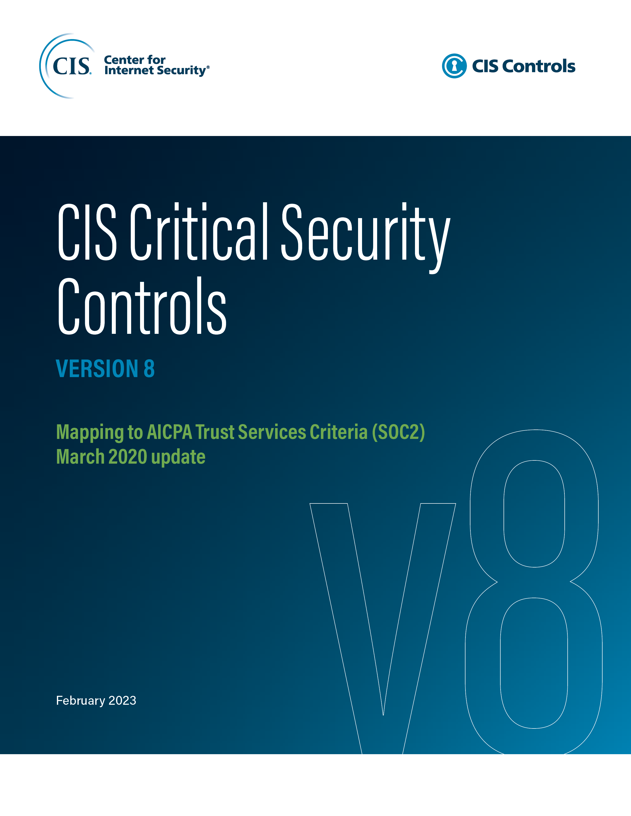

Contact Information
CIS
31 Tech Valley Drive
East Greenbush, NY 12061
518.266.3460
controlsinfo@cisecurity.org

Editors
Thomas Sager

Contributors

