Batch 2a
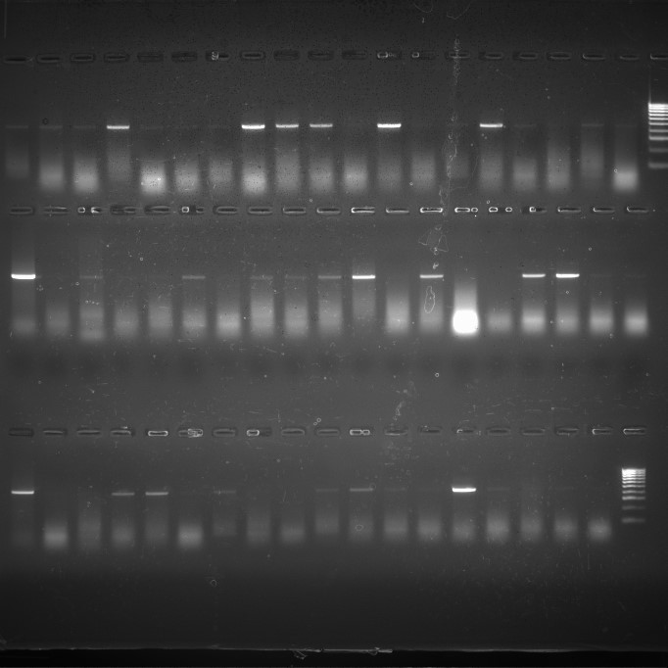
P 1 2 3 4 5 6 7 8 9 10 11 12 13 14 15 16 17 18 M
Batch 2a |  |  |  |  | NB:
Total number recorded and screened |  |  | 30 |  | Red= Strong positive
Total number of positives |  |  | 20 |  | Blue=Weak positive
 |  |  |  |  | Black= Negative

P 19 20 21 22 23 24 25 26 27 28 29 30 LVp P1 P2 P3 P4 P5
Larvae_ID | MB_infection _status | 18S_Ct | 18S_Efficiencies | R² | S7_Ct | S7_Efficiencies | R² | MB_densities
LV 1 | weak positive | -1 | -1 |  | 24.091681092 | 0.90929722611 | 0.99918 | #DIV/0!
LV 2 | weak positive | 27.999624609 | 0.87127013724 | 0.99897 | 29.075368599 | 0.8790533861 | 0.9992 | 2.2139172515
LV 3 | strong positive | 26.695723761 | 0.97315970963 | 0.99951 | 27.216842436 | 0.92912566173 | 0.99931 | 0.77097920672
LV 4 | weak positive | 27.907149333 | 0.86382126656 | 0.99898 | -1 | -1 |  | #DIV/0!
LV 5 | weak positive | 27.918277427 | 0.88542838385 | 0.99904 | 27.283475986 | 0.93874095153 | 0.99958 | 1.4307547419
LV 6 | weak positive | 27.062625085 | 0.95367799986 | 0.99871 | 28.30866087 | 0.91023471822 | 0.9996 | 1.2188316244
LV 7 | strong positive | 25.493435374 | 0.9376752081 | 0.99925 | 26.522355046 | 0.86690194539 | 0.99907 | 0.73621004252
LV 8 | strong positive | 26.855151896 | 0.9571133623 | 0.99908 | 26.531126316 | 0.97216337276 | 0.999 | 0.98576987703
LV 9 | strong positive | 27.377012417 | 0.89674685999 | 0.99944 | 28.666490762 | 0.83540314652 | 0.99948 | 0.8895896573
P P6 P7 P8 P9 P10 P11 P12 P13 P14 P15 P16 P17 P18 P19 P20 P21 P22 M
LV 10 | negative | 28.14111571 | 0.8187105901 | 0.99919 | 28.43526828 | 0.87268479241 | 0.9993 | 2.7388545933
LV 11 | strong positive | 23.972596305 | 0.95993879409 | 0.99845 | 26.428637419 | 0.90820044384 | 0.99914 | 2.5745305703
LV 12 | negative | 28.024293303 | 0.82591588205 | 0.99869 | 26.790229749 | 0.94083413507 | 0.99877 | 2.4404072285
LV 13 | negative | 27.495952562 | 0.92813372707 | 0.99935 | 29.70408654 | 0.87269813662 | 0.99916 | 1.7917973048
LV 14 | strong positive | 25.757438492 | 0.96216575728 | 0.99961 | 27.527364019 | 0.89799711697 | 0.99936 | 1.3201439075
LV 15 | weak positive | 27.295497318 | 0.91165037532 | 0.99906 | 28.832721563 | 0.92530703365 | 0.99908 | 3.3244910658
LV 16 | negative | 26.852463415 | 0.82868612769 | 0.99924 | 26.35107045 | 0.89797248592 | 0.99925 | 1.9685869609
LV 17 | weak positive | 26.731060837 | 0.83727510956 | 0.99849 | 28.580764838 | 0.91989861271 | 0.99946 | 10.830635578
LV 18 | negative | -1 | -1 |  | 24.780898687 | 0.85192376566 | 0.99882 | #DIV/0!
LV 19 | negative | 27.060575035 | 0.83743440724 | 0.99813 | 28.752005784 | 0.88426434103 | 0.99941 | 5.7697237947
LV 20 | weak positive | 26.967334727 | 0.80610649305 | 0.99875 | 22.464978132 | 0.86035727063 | 0.99897 | 0.13576639159
LV 21 | negative | 26.954238953 | 0.84384740554 | 0.99889 | 29.031176739 | 0.84453853073 | 0.99926 | 3.6026263181
LV 22 | negative | 26.581042887 | 0.87144944227 | 0.99854 | 28.008671664 | 0.91422063813 | 0.99902 | 4.607267795
LV 23 | weak positive | 27.011261002 | 0.8289049489 | 0.99883 | 27.564890063 | 0.86788451663 | 0.99897 | 2.4981605536
LV 24 | negative | 27.325044002 | 0.7921083178 | 0.99846 | 25.455915917 | 0.95594249608 | 0.9994 | 3.1156345268
LV 25 | weak positive | 26.821484126 | 0.87873877542 | 0.99861 | 26.294811197 | 0.83449013423 | 0.99935 | 0.38333979561
LV 26 | weak positive | 26.808485029 | 0.91552061585 | 0.99774 | 26.146821977 | 0.89822207864 | 0.99864 | 0.51310674512
LV 27 | weak positive | 26.346543818 | 0.91605249345 | 0.99862 | 26.576167246 | 0.81613111824 | 0.99829 | 0.27969216682
LV 28 | strong positive | 25.19234357 | 0.95183223699 | 0.99928 | 26.434659703 | 0.81088594086 | 0.99867 | 0.31647286533
LV 29 | negative | 26.933499736 | 0.8378853618 | 0.99897 | 27.519206405 | 0.81386360409 | 0.9988 | 0.99442958133
LV 30 | strong positive | 26.223915332 | 0.9441488449 | 0.99861 | 27.611201602 | 0.85539581541 | 0.99887 | 0.69221030569

