Sheet1
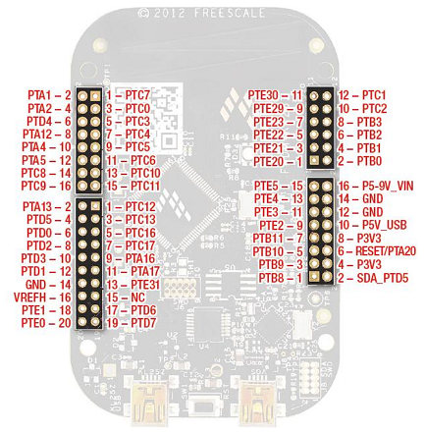
8 |  |  |  | 8 |  |  |  | 16 |  |  |  | 8 |  |  |  | 13
PORTA | Function | PAD |  | PORTB | Function | PAD | Test | PORTC | Function | PAD | Test | PORTD | Function | PAD | test | PORTE | Function | PAD | Test
0 |  |  |  | 0 | ADD_1_0 | 0 | s | 0 | ADD_2_0 | 8 | s | 0 | DATA1_0 | 0 | s | 0 | DATA2_0 | 8 | s
1 | OpenSDA |  |  | 1 | ADD_1_1 | 1 | s | 1 | ADD_2_1 | 9 | s | 1 | DATA1_1 | 1 | s | 1 | DATA2_1 | 9 | s
2 | OpenSDA |  |  | 2 | ADD_1_2 | 2 | s | 2 | ADD_2_2 | 10 | s | 2 | DATA1_2 | 2 | s | 2 | DATA2_2 | 10 | s
3 |  |  |  | 3 | ADD_1_3 | 3 | s | 3 | ADD_2_3 | 11 | s | 3 | DATA1_3 | 3 | s | 3 | DATA2_3 | 11 | s
4 | CE | CE | s | 4 |  |  |  | 4 | ADD_2_4 | 12 | s | 4 | DATA1_4 | 4 | s | 4 | DATA2_4 | 12 | s
5 | OE | OE | s | 5 |  |  |  | 5 | ADD_2_5 | 13 | s | 5 | DATA1_5 | 5 | s | 5 | DATA2_5 | 13 | s
6 |  |  |  | 6 |  |  |  | 6 | ADD_2_6 | 14 | s | 6 | DATA1_6 | 6 | s | 6
7 |  |  |  | 7 |  |  |  | 7 | ADD_2_7 | 15 | s | 7 | DATA1_7 | 7 | s | 7
8 |  |  |  | 8 | ADD_1_4 | 4 | s | 8 | ADD_3_0 | 16 | s | 8 |  |  |  | 8
9 |  |  |  | 9 | ADD_1_5 | 5 | s | 9 | ADD_3_1 | 17 | s | 9 |  |  |  | 9
10 |  |  |  | 10 | ADD_1_6 | 6 | s | 10 | ADD_3_2 | 18 | s | 10 |  |  |  | 10
11 |  |  |  | 11 | ADD_1_7 | 7 | s | 11 | ADD_3_3 | 19 | s | 11 |  |  |  | 11
12 | RST | RST | s | 12 |  |  |  | 12 | ADD_3_4 | 20 | s | 12 |  |  |  | 12
13 | WE | WE | s | 13 |  |  |  | 13 | ADD_3_5 | 21 | s | 13 |  |  |  | 13
14 |  |  |  | 14 |  |  |  | 14 |  |  |  | 14 |  |  |  | 14
15 |  |  |  | 15 |  |  |  | 15 |  |  |  | 15 |  |  |  | 15
16 | RY/BY | RY/BY | s | 16 |  |  |  | 16 | ADD_3_6 | 22 | s | 16 |  |  |  | 16
17 | TRISTATE |  | s | 17 |  |  |  | 17 | ADD_3_7 | N/A |  | 17 |  |  |  | 17
18 |  |  |  | 18 | RGB Red |  |  | 18 |  |  |  | 18 |  |  |  | 18
19 |  |  |  | 19 | RGB Green |  |  | 19 |  |  |  | 19 |  |  |  | 19
20 |  |  |  | 20 |  |  |  | 20 |  |  |  | 20 |  |  |  | 20 | DATA2_6 | 14 | s
21 |  |  |  | 21 |  |  |  | 21 |  |  |  | 21 |  |  |  | 21 | DATA2_7 | 15 | s
22 |  |  |  | 22 |  |  |  | 22 |  |  |  | 22 |  |  |  | 22 | UART2 TX
23 |  |  |  | 23 |  |  |  | 23 |  |  |  | 23 |  |  |  | 23 | UART2 RX
24 |  |  |  | 24 |  |  |  | 24 |  |  |  | 24 |  |  |  | 24
25 |  |  |  | 25 |  |  |  | 25 |  |  |  | 25 |  |  |  | 25
26 |  |  |  | 26 |  |  |  | 26 |  |  |  | 26 |  |  |  | 26
27 |  |  |  | 27 |  |  |  | 27 |  |  |  | 27 |  |  |  | 27
28 |  |  |  | 28 |  |  |  | 28 |  |  |  | 28 |  |  |  | 28
29 |  |  |  | 29 |  |  |  | 29 |  |  |  | 29 |  |  |  | 29
30 |  |  |  | 30 |  |  |  | 30 |  |  |  | 30 |  |  |  | 30
31 |  |  |  | 31 |  |  |  | 31 |  |  |  | 31 |  |  |  | 31

